BOM
Smart Hive Monitor - Full Project Bill of Materials
Team Beevil Knievel - IEEE HardwAIre Challenge, Phase 2 - Rashtriya Raksha University
Team Members: Atharve Dahima, Loshini Shankar, Srajan Mishra | Faculty Mentor & IEEE Student Branch Counselor: Dr. Vishal Sharma | SASET, RRU
Exchange Rate Used (USD to INR): | ₹95.87 | 1 USD = ₹95.87 (mid-market rate, 29 July 2026. Source: investing.com/currencies/usd-inr)
SECTION 1 - Sensor Node Prototype BOM
Component | Qty | Unit Cost (USD) | Line Total (USD) | Net Total (INR) |  | Source | Use Case in Project | Specs / Notes | Image | Link to buy
Wio-E5 (STM32WLE5JC) LoRaWAN Module - MCU + integrated LoRa radio SoC | 1 | $11.18 |  |  |  | Robu.in | 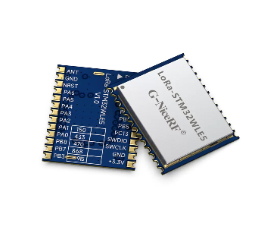 Runs the firmware state machine Wake-Sample-Infer-Act-Sleep, executes the on-device decision-tree classifier, and directly drives the LoRa radio to send Distressed alerts to the gateway. Single chip replaces separate MCU + RFM95W radio module. | Cortex-M4 @48MHz, 256kB Flash, 64kB SRAM, integrated sub-GHz LoRa radio 150-960MHz, +22dBm Tx, -148dBm RX sens., integrated SMPS |  | https://robu.in/product/seeedstudio-wio-e5-lorawan-module-stm32wle5jc-embedded-arm-cortex-m4/
Wire antenna, quarter-wave 868MHz, 86mm solid-core | 1 | $0.05 |  |  |  | Bench stock | 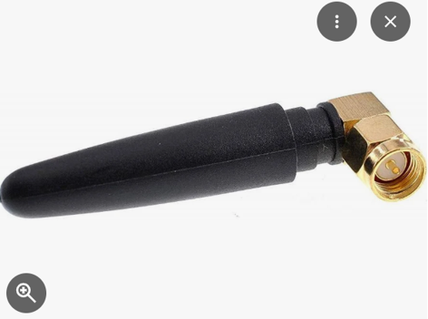 Radiates the LoRa alert packets from node to gateway; the physical component behind the Coverage Range KPI claim. | Free-space quarter-wave, target >=4km LoS, validate via NanoVNA + Ansys HFSS
DS18B20 temp. sensor | 3 | $0.85 |  |  |  | LCSC | 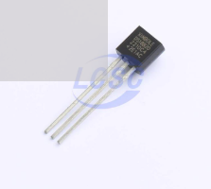 2 units measure brood-nest temperature, 1 unit measures external ambient. Together they produce the delta-T brood minus ambient signal that is the primary input to the health classifier. | 1-Wire, +/-0.5C accuracy, TO-92 package, shared 1-Wire bus |  | https://www.lcsc.com/product-detail/Temperature-Sensors_XBLW-DS18B20-XBLW_C18723599.html
ICS-43434 MEMS microphone | 1 | $3.27 |  |  |  | DigiKey | 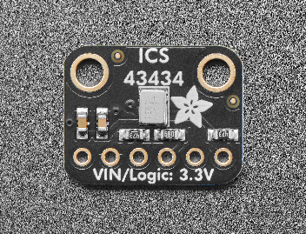 Captures hive audio for the acoustic feature - FFT energy in 200-400Hz band - the independent cross-check signal that reduces false positives from thermal disturbances like lid openings. | I2S digital output, 60Hz-20kHz range, low power
TP4056 LiPo charge module | 1 | $0.20 |  |  |  | LCSC | 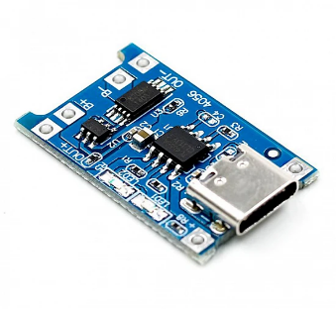 Manages charging the LiPo cell from the solar panel with over-charge/over-discharge protection. Charging path only - does not regulate output voltage to the load. | 1A Li-ion charger, MPPT-compatible |  | https://makerbazar.in/products/tp4056-1a-li-ion-lithium-battery-charging-module
TPS7A02 ultra-low-IQ LDO regulator, 3.3V out | 1 | $0.55 |  |  |  | DigiKey / Mouser | Steps the raw battery voltage 3.7-4.2V down to a safe regulated 3.3V for the MCU/radio/mic. Critical fix - prevents overvoltage damage since STM32WLE5 max VDD is 3.6V. | ~25nA quiescent current - negligible impact on power budget |  | https://www.digikey.in/en/products/detail/texas-instruments/TPS7A0233DBVR/16181965
1000mAh 3.7V LiPo cell, 503040 form factor | 1 | $1.50 |  |  |  | LCSC / local | 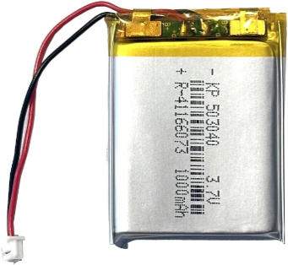 Primary energy store for the node; battery-only provides the baseline runtime the whole power budget is built around. | >=18 months runtime with solar assist, 4.2V max charge
1W 6V mini solar panel, 60x55mm polycrystalline | 1 | $0.80 |  |  |  | LCSC / local | 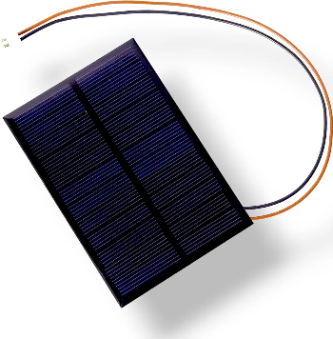 Trickle-charges the LiPo via the TP4056, extending runtime indefinitely under normal outdoor sun and supporting the 6-month unattended-operation claim. | Seasonal top-up, adequate for 6-month unattended operation
Breathable nylon mesh tubing + conformal coat spray | 1 | $0.35 |  |  |  | Local / bench | Protects sensor leads from being encased in propolis by bees, and protects the PCB from hive moisture - directly supports durability/robustness for the Technical Design KPI. | Propolis resistance for leads, moisture protection for PCB
Custom PCB, 2-layer, 60x50x1.6mm | 1 | $0.30 |  |  |  | JLCPCB | Physical board carrying all components; must follow ST AN5407 RF layout guidance for the STM32WLE5's antenna matching network. | Gerbers from KiCad, $0.30/board avg at 5pc |  | JLCPCB
Wio-E5 Mini Dev Board (LoRaWAN Receiver Unit) | 1 | $24.36 |  |  |  | Robu.in | Physical board to reciever the signals from the transmitter. | Wio-E5 (STM32WLE5JC) Mini Dev Board, breaks out pins, includes USB-C interface for programming. |  | https://robu.in/product/seeedstudio-wio-e5-mini-dev-board-lorawan/
Connectors, resistors, caps, misc. passives | 1 | $0.25 |  |  |  | Bench stock | Supporting passives: 4.7k ohm pull-up for the 1-Wire bus, decoupling capacitors for clean IC power, JST headers for battery/sensor connections. | 4.7k ohm pull-up, decoupling caps, JST headers
ESTIMATED TOTAL - SENSOR NODE BOM per node |  |  |  |  |  |  |  | Volume pricing at qty 50+ projected ~ $9-11/node

SECTION 2 - IEEE HART Toolkit & Dev Tools
Item | Est. Cost Low (USD) | Est. Cost High (USD) |  | Est. Cost Low (INR) | Est. Cost High (INR) |  | Use Case in Project | Notes / Status
NanoVNA H4 | $110 | $166 |  |  |  |  | 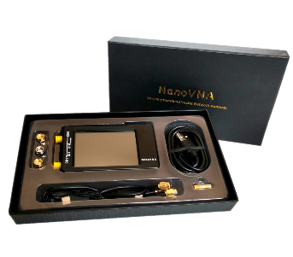 Measures the LoRa antenna's return loss/S11 to validate the antenna is properly matched at 868/915MHz, backing up the Coverage Range KPI claim with real hardware data alongside the Ansys HFSS simulation. | Priority - order now, bundled SOLT calibration kit included |  | https://nanovna.com/?page_id=21
tinySA Basic | $50 | $60 |  |  |  |  | Lets the team see the LoRa signal on-air in real time to confirm correct transmit frequency/power and spot RF interference at the field test site. | Order for Week 8-9 field testing |  | https://www.tinysa.org/wiki/
ADALM2000 | $99 | $99 |  |  |  |  | Oscilloscope + logic analyzer for PCB bring-up - debugs the 1-Wire sensor bus timing, I2S mic interface, and RF layout signal integrity for the integrated STM32WL radio. | Order now - needed Week 4-5 bring-up |  | https://wiki.analog.com/university/tools/m2k

ESTIMATED TOTAL - |  |  |  |  |  |  |  | Budget cap: $1,000 IEEE HART reimbursement
Other expenses excluding components. |  | $200
Remaining IEEE HART budget after toolkit and components, high estimate
Any applicable shipping fees shall be deducted from the residual funds.

NOTE:- Shipping costs are excluded from this Bill of Materials (BOM). This BOM is subject to change based on component availability. Parts will be procured from the most readily available sources, prioritizing availability over cost. Spare components will be purchased in advance. If any individual part or the entire device is damaged during assembly, replacements will be procured.

ACKNOWLEDGEMENT:-All financial decisions will be made collaboratively by the entire team.

