SC1 — Loan Policy
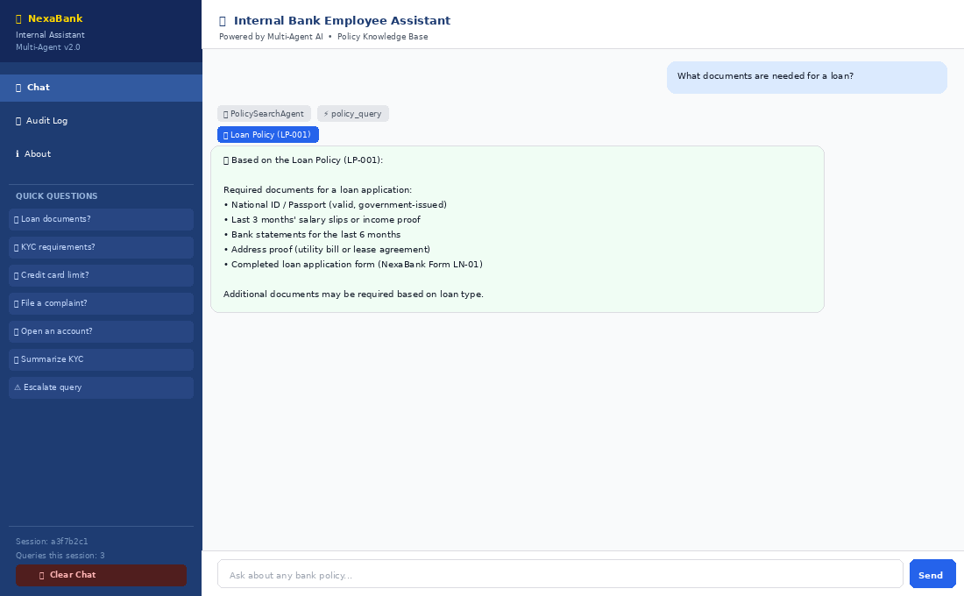
🏦 SC1 — Loan Policy — Agent Communication Flow
💬 User Question: | What documents are needed for a loan?
⚡ Intent Detected: | policy_query
✅ Final Result: | Loan Policy answer displayed | LP-001 badge | PolicySearchAgent chip | Audit logged
📡 Step-by-Step Agent Communication Flow (12 steps)
Step | Component | Type | What Happens | Talking Point (For Presenter) | Log / Side Effect
1 | Employee | UI Input | Types question into chat input box | Employee interacts only via the chat UI — completely abstracted from the agent system | —
2 | app.py | Streamlit | Captures question text; retrieves OrchestratorAgent from @st.cache_resource; calls orchestrator.answer(question) | OrchestratorAgent is cached — it's the same instance across all queries in one session | —
3 | pre_query_hook | Hook | Validates: question is not empty, length > 3 chars. Returns {valid: True, question: sanitized} | First gate — rejects empty or gibberish before any agent runs. Logs incoming query to session_events.log | session_events.log
4 | QueryClassifierAgent | SubAgent 1 | Calls extract_keywords(question) → ['documents', 'loan']. 'loan' not in summary/escalation triggers → intent = policy_query | extract_keywords() filters stopwords and words < 4 chars. 'loan' survives, classifying as policy_query | —
5 | OrchestratorAgent | Orchestrator | Calls cross_reference(question, policies) → scores: loan=2, others=0. top=2, second=0. Threshold not met → single domain. Routes to PolicySearchAgent | Cross-reference threshold: top ≥ 2 AND second ≥ 1. Since second=0, single-policy path taken | —
6 | search_skill.search_policy() | Skill | Scores each of 5 policies via KEYWORD_MAP. 'loan' matches loan_policy keywords (score=2). Returns {matched_key: loan_policy, score: 2, snippet: ...} | KEYWORD_MAP is the pure keyword scorer — no ML, no LLM. The policy with the highest keyword count wins | —
7 | PolicySearchAgent | SubAgent 2 | Receives snippet from search_policy(). Calls format_skill.format_answer(snippet, 'loan_policy'). Returns {answer: '...', policy_key: 'loan_policy', found: True, score: 2} | PolicySearchAgent wraps the skill calls — it never does text search itself, it orchestrates skills | —
8 | AuditLoggerAgent | SubAgent 7 | Receives (question, 'loan_policy', found=True). Calls audit_skill.log_query() → writes to query_audit.log. detect_compliance_risk() returns False | Runs silently after every query regardless of which subagent answered. Employee never sees this | query_audit.log + session_events.log
9 | compliance_alert_hook | Hook | AuditLoggerAgent compliance_risk=False → hook NOT fired. No alert added to result | The hook only fires when detect_compliance_risk() returns True — 14 risk keywords checked | session_events.log (COMPLIANCE_ALERT)
10 | escalation_hook | Hook | found=True → hook condition (found=False AND escalated=False) NOT met. Hook suppressed | escalation_hook ONLY fires when the system has no answer AND no escalation was done | unresolved_queries.log
11 | post_answer_hook | Hook | Logs: question, policy=Loan Policy LP-001, status=ANSWERED, response_ms to session_events.log | Creates a full audit trail entry with timing for every successful answer | session_events.log
12 | app.py UI render | Streamlit | Displays: agent chip (PolicySearchAgent | policy_query), policy badge (📚 Loan Policy LP-001), formatted answer in chat bubble | The 10-field result dict is unpacked — policy_name drives the badge, agent_used drives the chip | —

SC2 — KYC Policy
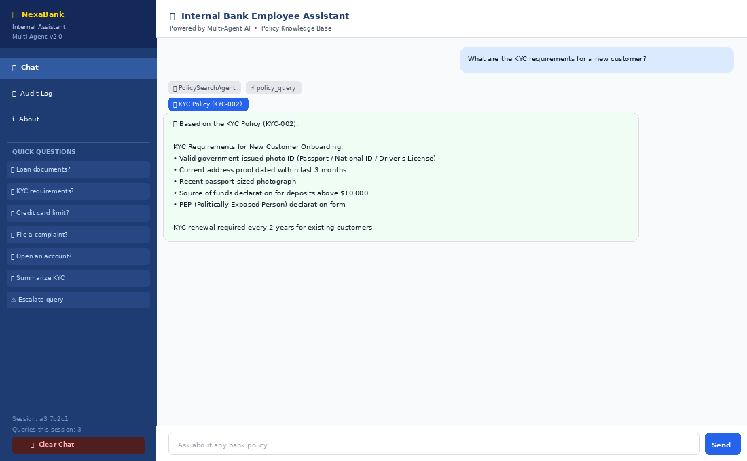
🏦 SC2 — KYC Policy — Agent Communication Flow
💬 User Question: | What are the KYC requirements for a new customer?
⚡ Intent Detected: | policy_query
✅ Final Result: | KYC policy answer | KYC-002 badge | Audit logged
📡 Step-by-Step Agent Communication Flow (10 steps)
Step | Component | Type | What Happens | Talking Point (For Presenter) | Log / Side Effect
1 | Employee | UI Input | Types KYC question | Same chat UI — no change from employee perspective | —
2 | app.py | Streamlit | Captures question; calls orchestrator.answer(question) | Single entry point — OrchestratorAgent from cache | —
3 | pre_query_hook | Hook | Validates input — length > 3, not empty. Returns valid=True | Logs incoming to session_events.log | session_events.log
4 | QueryClassifierAgent | SubAgent 1 | extract_keywords() → ['kyc', 'requirements', 'customer']. None match summary/escalation → policy_query | 'kyc' and 'requirements' both > 3 chars, pass keyword filter | —
5 | OrchestratorAgent | Orchestrator | cross_reference scores: kyc=3, loan=0, others=0. Second=0 → single-domain. Routes to PolicySearchAgent | Strong KYC signal; no ambiguity | —
6 | search_skill.search_policy() | Skill | KEYWORD_MAP kyc_policy matches 'kyc', 'requirements', 'customer'. Returns snippet from kyc_policy.txt | extract_answer() pulls the most relevant paragraph from the policy file | —
7 | PolicySearchAgent | SubAgent 2 | format_answer() wraps snippet. Returns {found:True, policy_key:'kyc_policy', score:3} | format_answer adds header, cleans whitespace, adds reference code | —
8 | AuditLoggerAgent | SubAgent 7 | Logs to query_audit.log. No risk keywords → compliance_risk=False | Every query logged regardless of score | query_audit.log + session_events.log
9 | post_answer_hook | Hook | Logs ANSWERED status with response time | Full audit trail for every successful response | session_events.log
10 | app.py UI | Streamlit | KYC-002 badge + PolicySearchAgent chip + answer displayed | Employee sees clean, formatted answer from the policy file | —

SC3 — Multi-Policy
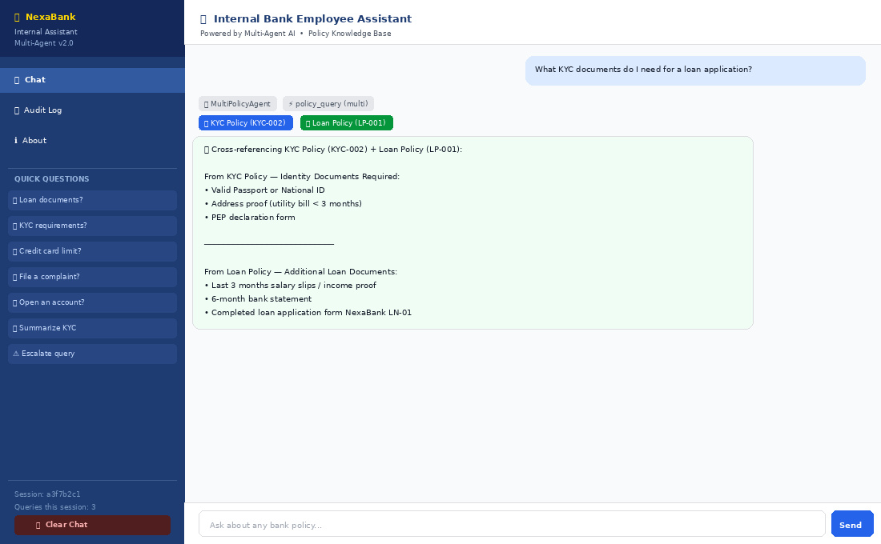
🏦 SC3 — Multi-Policy — Agent Communication Flow
💬 User Question: | What KYC documents do I need for a loan application?
⚡ Intent Detected: | policy_query (multi-domain)
✅ Final Result: | Two policy answer merged | KYC-002 + LP-001 dual badges | MultiPolicyAgent chip
📡 Step-by-Step Agent Communication Flow (10 steps)
Step | Component | Type | What Happens | Talking Point (For Presenter) | Log / Side Effect
1 | Employee | UI Input | Types cross-domain question referencing both KYC and loan | This is the test case that validates the MultiPolicyAgent threshold logic | —
2 | app.py | Streamlit | Calls orchestrator.answer(question) | Same entry point | —
3 | pre_query_hook | Hook | Validates input — passes | Sanitizes and logs | session_events.log
4 | QueryClassifierAgent | SubAgent 1 | extract_keywords() → ['kyc','documents','loan','application']. All match policy_query intent | No summary or escalation triggers found — pure policy query | —
5 | OrchestratorAgent routing | Orchestrator | Calls cross_reference(). KYC score=2, Loan score=1. Threshold check: top(2) ≥ 2 AND second(1) ≥ 1 → TRUE. Routes to MultiPolicyAgent | This is the key routing decision. If second score were 0, it would go to PolicySearchAgent instead | —
6 | search_skill.cross_reference() | Skill | Returns sorted list: [{kyc_policy, score:2, snippet:...}, {loan_policy, score:1, snippet:...}]. Both above threshold | cross_reference() scores ALL 5 policies and returns all matches sorted desc | —
7 | MultiPolicyAgent | SubAgent 3 | Takes top 2 results. Fetches snippets from KYC policy and Loan policy. Merges with '─────' divider. Sets multi=True | The merge strategy: top snippet first, divider, second snippet — employee sees both policies in one answer | —
8 | format_skill.format_answer() | Skill | Called twice — once per policy. Returns cleaned snippets for each | format_answer called by MultiPolicyAgent for each matched policy key | —
9 | AuditLoggerAgent | SubAgent 7 | Logs both matched policies. compliance_risk=False | Logs use multi flag; both policy names recorded | query_audit.log + session_events.log
10 | app.py UI | Streamlit | TWO source badges shown: KYC-002 (blue) + LP-001 (green). MultiPolicyAgent chip. Merged answer | Dual-badge UI distinguishes multi-policy answers visually from single-policy | —

SC4 — Summary
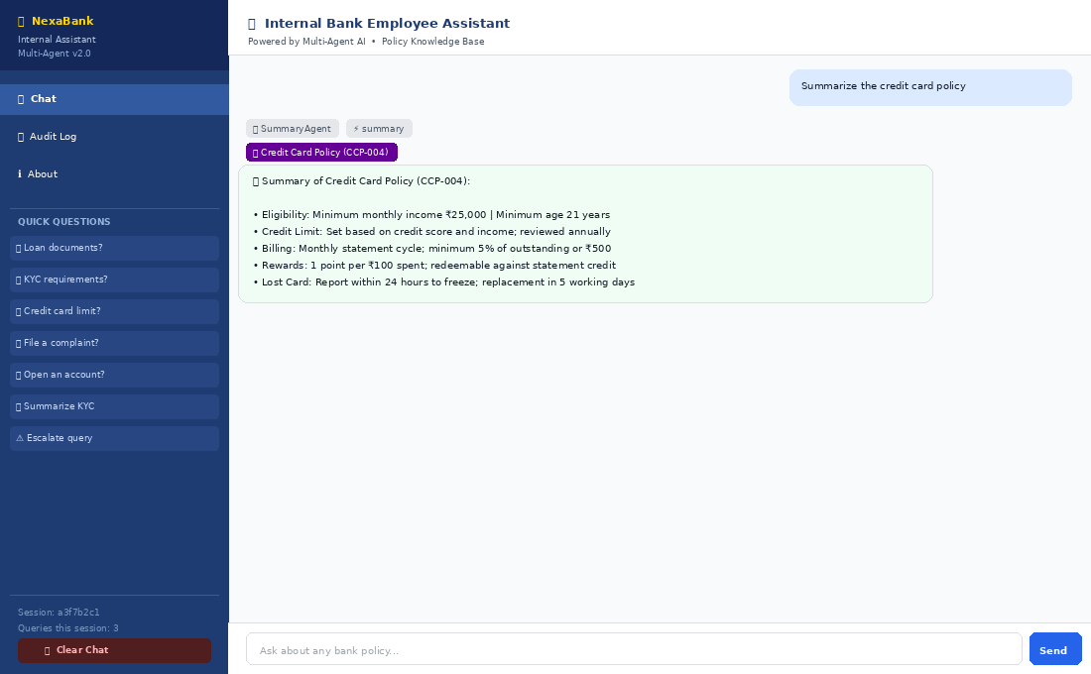
🏦 SC4 — Summary — Agent Communication Flow
💬 User Question: | Summarize the credit card policy
⚡ Intent Detected: | summary
✅ Final Result: | 5-bullet credit card policy summary | CCP-004 badge | SummaryAgent chip
📡 Step-by-Step Agent Communication Flow (10 steps)
Step | Component | Type | What Happens | Talking Point (For Presenter) | Log / Side Effect
1 | Employee | UI Input | Types summary request with keyword 'summarize' | The word 'summarize' is the trigger — any of: summarize, summary, overview, brief, explain the policy | —
2 | app.py | Streamlit | Calls orchestrator.answer(question) | Standard pipeline entry | —
3 | pre_query_hook | Hook | Valid input — passes | Logs and sanitizes | session_events.log
4 | QueryClassifierAgent | SubAgent 1 | Detects 'summarize' in question → intent = summary. Returns {intent: 'summary'} | Summary triggers checked BEFORE general keyword scoring — intent takes priority | —
5 | OrchestratorAgent | Orchestrator | Intent = summary → routes directly to SummaryAgent. No cross_reference needed for summary intent | Summary intent bypasses the multi-policy routing check entirely | —
6 | SummaryAgent._detect_policy_key() | SubAgent 4 internal | Checks POLICY_NAME_HINTS: 'card' found in question → maps to credit_card_policy. Key resolved without calling search_policy() | POLICY_NAME_HINTS is faster than search_policy() — direct dict lookup. Only falls back to search if no hint matches | —
7 | format_skill.summarize_policy() | Skill | Reads full credit_card_policy.txt. Extracts key sections. Returns 5-bullet string formatted summary | summarize_policy produces human-readable bullets — not raw policy text | —
8 | SummaryAgent | SubAgent 4 | Returns {answer: '5-bullet summary', policy_name: 'Credit Card Policy (CCP-004)', found: True} | SummaryAgent is the only agent that returns a curated summary rather than a verbatim extract | —
9 | AuditLoggerAgent | SubAgent 7 | Logs summary request. comply_risk=False for this question | Summary requests are audit-logged the same as search requests | query_audit.log + session_events.log
10 | app.py UI | Streamlit | SummaryAgent chip + CCP-004 badge + 5-bullet answer in bot bubble | Employee gets a concise summary — ideal for quick policy refresh | —

SC5 — Escalation
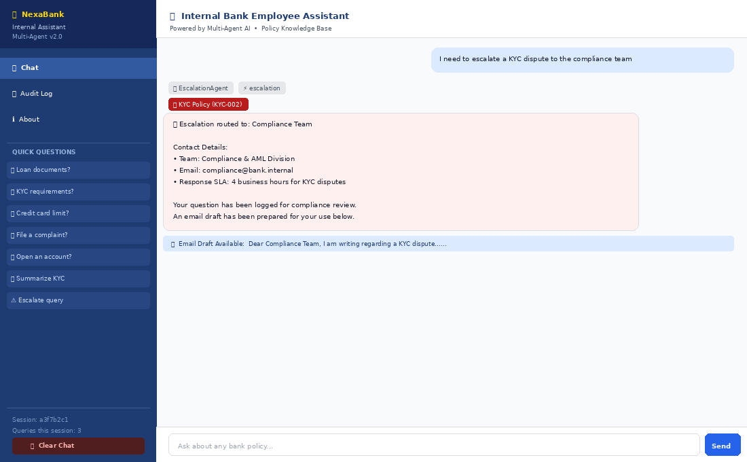
🏦 SC5 — Escalation — Agent Communication Flow
💬 User Question: | I need to escalate a KYC dispute to the compliance team
⚡ Intent Detected: | escalation
✅ Final Result: | Contact details + email draft expander | EscalationAgent chip | escalated=True | escalation_hook suppressed
📡 Step-by-Step Agent Communication Flow (11 steps)
Step | Component | Type | What Happens | Talking Point (For Presenter) | Log / Side Effect
1 | Employee | UI Input | Types escalation request containing 'escalate' and 'compliance team' | Escalation triggers: escalate, contact, manager, human, speak to, urgent, compliance team | —
2 | app.py | Streamlit | Calls orchestrator.answer(question) | Standard pipeline entry | —
3 | pre_query_hook | Hook | Valid — passes | Logs incoming | session_events.log
4 | QueryClassifierAgent | SubAgent 1 | Detects 'escalate' + 'compliance team' in triggers → intent = escalation | Escalation takes precedence — once detected, no policy search routing occurs | —
5 | OrchestratorAgent | Orchestrator | Intent = escalation → routes to EscalationAgent. Passes matched policy key if available | Escalation intent always goes to EscalationAgent — not affected by cross_reference scores | —
6 | EscalationAgent | SubAgent 5 | 'kyc' found in question. Reads KYC policy file via search_policy() to confirm. Looks up ESCALATION_CONTACTS[kyc_policy] → compliance team | EscalationAgent reads policy files to infer which team to contact when no key is explicitly passed | —
7 | format_skill.generate_escalation_email() | Skill | Generates pre-filled email draft: To: compliance@bank.internal, Subject: KYC Dispute Escalation, body with employee's question | Email is generated from a template + the employee's question — never auto-sent | —
8 | EscalationAgent returns | SubAgent 5 | Returns {answer, policy_name, escalated:True, email_draft:'Dear Compliance...'} | escalated=True flag prevents escalation_hook from firing later | —
9 | escalation_hook | Hook | found is not False (escalated=True) — condition: found=False AND escalated=False. NOT met → hook suppressed | This is the key distinction: EscalationAgent sets escalated=True so escalation_hook does NOT fire | unresolved_queries.log
10 | AuditLoggerAgent | SubAgent 7 | Logs escalation event. comply risk=False here | Escalation logged to query_audit.log with ESCALATED status | query_audit.log + session_events.log
11 | app.py UI | Streamlit | Contact info + EscalationAgent chip. Email draft in expandable section '📧 View Email Draft' | The email_draft field in result dict triggers the expander in app.py — employee clicks to expand | —

SC6 — Compliance Alert
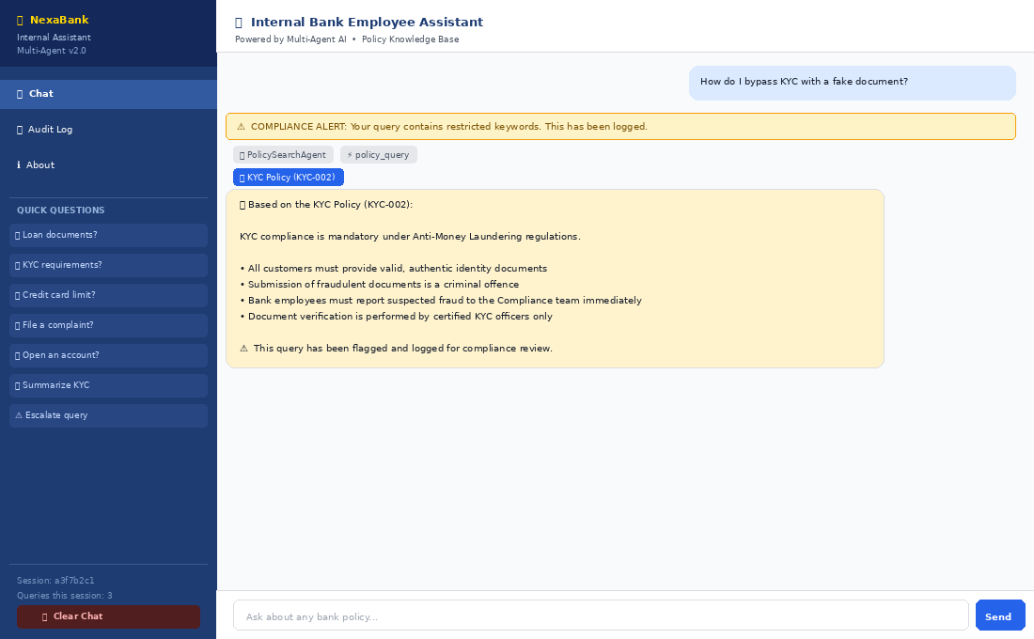
🏦 SC6 — Compliance Alert — Agent Communication Flow
💬 User Question: | How do I bypass KYC with a fake document?
⚡ Intent Detected: | policy_query
✅ Final Result: | Yellow compliance warning banner at top | KYC answer below | COMPLIANCE_ALERT in audit log
📡 Step-by-Step Agent Communication Flow (10 steps)
Step | Component | Type | What Happens | Talking Point (For Presenter) | Log / Side Effect
1 | Employee | UI Input | Types query containing compliance risk keywords 'bypass' and 'fake document' | This demo shows the compliance detection layer. The employee may not realise this will be flagged | —
2 | app.py | Streamlit | Calls orchestrator.answer(question) | Standard pipeline entry | —
3 | pre_query_hook | Hook | Valid length — passes. Logs incoming query | The pre_query_hook does NOT check for compliance risk — that is AuditLoggerAgent's job | session_events.log
4 | QueryClassifierAgent | SubAgent 1 | 'bypass', 'fake' not in summary/escalation triggers. 'kyc' found → policy_query | Intent classified normally — compliance detection happens later | —
5 | PolicySearchAgent | SubAgent 2 | KYC keywords match. Finds policy content. Returns found=True | Normal policy search proceeds — the answer is about the KYC policy | —
6 | AuditLoggerAgent.log_answer() | SubAgent 7 | Calls detect_compliance_risk('How do I bypass KYC with a fake document?') → checks 14 keywords: finds 'bypass' and 'fake document' → returns True | detect_compliance_risk() checks: fraud, bypass, fake document, money laundering, sanction, bribe, and 8 others | query_audit.log + session_events.log
7 | compliance_alert_hook | Hook | AuditLoggerAgent compliance_risk=True → Orchestrator fires compliance_alert_hook(question, session_id). Hook logs COMPLIANCE_ALERT to session_events.log. Returns {alert: 'COMPLIANCE ALERT: Your query contains restricted keywords. This has been logged.'} | The alert string is returned and placed in result['compliance_alert'] — app.py checks this field | session_events.log (COMPLIANCE_ALERT)
8 | OrchestratorAgent | Orchestrator | Adds compliance_alert string to result dict. Continues returning result normally | The policy answer is still returned — the alert does not block the answer | —
9 | post_answer_hook | Hook | Logs response time and ANSWERED status | Normal post-answer logging proceeds | session_events.log
10 | app.py UI | Streamlit | Checks result['compliance_alert'] → not None → renders yellow warning banner ABOVE the answer. Then renders the normal answer below | The yellow banner appears at the top of the response. Employee sees both the warning AND the answer | —

SC7 — Fallback Self-Heal
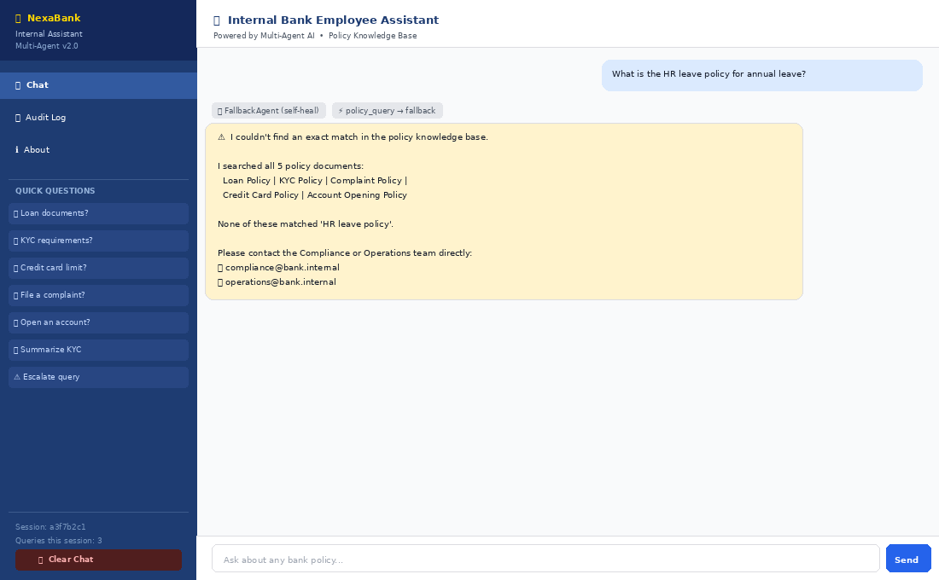
🏦 SC7 — Fallback Self-Heal — Agent Communication Flow
💬 User Question: | What is the HR leave policy for annual leave?
⚡ Intent Detected: | policy_query → fallback
✅ Final Result: | Amber no-match bubble | FallbackAgent chip | escalation_hook fired | unresolved_queries.log updated
📡 Step-by-Step Agent Communication Flow (11 steps)
Step | Component | Type | What Happens | Talking Point (For Presenter) | Log / Side Effect
1 | Employee | UI Input | Types question about HR leave — not covered in any of the 5 bank policies | The employee doesn't know the system only covers 5 specific policies | —
2 | app.py | Streamlit | Calls orchestrator.answer(question) | Standard pipeline — the employee sees nothing unusual yet | —
3 | pre_query_hook | Hook | Valid length — passes | Logs incoming | session_events.log
4 | QueryClassifierAgent | SubAgent 1 | 'leave', 'annual', 'hr' not in summary/escalation triggers → policy_query | Classified as policy_query — the search will attempt to find a match | —
5 | PolicySearchAgent | SubAgent 2 | search_policy() runs KEYWORD_MAP against all 5 policies. 'leave', 'annual', 'hr' match ZERO keywords in any policy. Returns {found: False, score: 0} | KEYWORD_MAP has no HR or leave keywords — all 5 policies score 0 | —
6 | OrchestratorAgent (self-healing) | Orchestrator | Detects found=False from PolicySearchAgent → automatically invokes FallbackAgent. No employee action required | This is the self-healing trigger. The employee never sees 'PolicySearchAgent failed' — it's invisible | —
7 | FallbackAgent | SubAgent 6 | Calls cross_reference() at low threshold (score > 0). All policies return 0 for this question. No partial match possible. Returns {answer: 'no match', needs_escalation: True, found: False} | FallbackAgent tries one more time too — but since no keywords match at all, truly nothing found | unresolved_queries.log
8 | escalation_hook | Hook | found=False AND escalated=False → condition MET. Hook fires. Logs question to unresolved_queries.log | This is when escalation_hook fires — ONLY in this path. Note: NOT escalation intent — this is auto-escalation from a failed search | unresolved_queries.log
9 | AuditLoggerAgent | SubAgent 7 | Logs to query_audit.log with STATUS=FALLBACK. Also logs to unresolved_queries.log | Both audit logs get entries — query_audit.log marks it FALLBACK; unresolved_queries.log records it for compliance | query_audit.log + session_events.log
10 | post_answer_hook | Hook | Logs FALLBACK status + response time | post_answer_hook always runs — even for fallback answers | session_events.log
11 | app.py UI | Streamlit | FallbackAgent chip shown. Amber-coloured warning bubble with contact details. No policy badge (found=False) | The amber colour signals 'no match' — distinct from the green bot bubble used for successful answers | —

SC8 — Account Opening
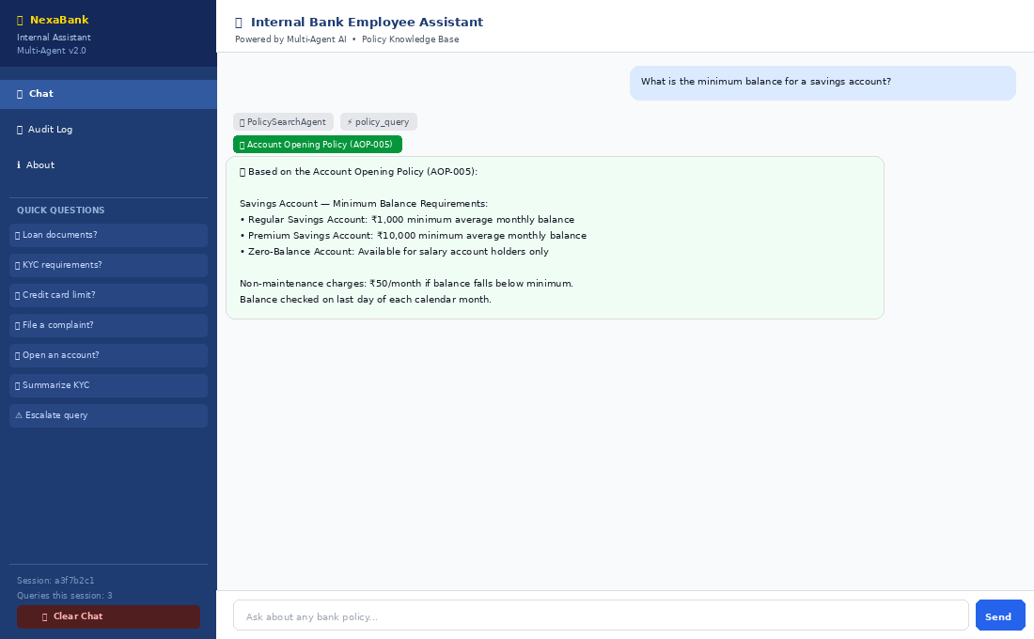
🏦 SC8 — Account Opening — Agent Communication Flow
💬 User Question: | What is the minimum balance for a savings account?
⚡ Intent Detected: | policy_query
✅ Final Result: | Account policy answer | AOP-005 badge | PolicySearchAgent chip | Audit logged
📡 Step-by-Step Agent Communication Flow (10 steps)
Step | Component | Type | What Happens | Talking Point (For Presenter) | Log / Side Effect
1 | Employee | UI Input | Types question about savings account minimum balance | Tests the account_opening_policy keyword cluster | —
2 | app.py | Streamlit | Standard pipeline entry | Single OrchestratorAgent handle from cache | —
3 | pre_query_hook | Hook | Valid input — passes | Logs and sanitizes | session_events.log
4 | QueryClassifierAgent | SubAgent 1 | 'account', 'savings', 'minimum', 'balance' — none in summary/escalation → policy_query | Clear policy search intent | —
5 | OrchestratorAgent | Orchestrator | cross_reference: account_opening scores 3 ('account' + 'savings' + 'balance'). Others score 0. Single domain → PolicySearchAgent | Strong single-domain signal — no multi-policy routing | —
6 | search_skill.search_policy() | Skill | KEYWORD_MAP account_opening_policy matches 'account', 'savings account', 'minimum balance'. Score=3. Highest across all 5. Returns snippet | 'minimum balance' is a compound keyword in KEYWORD_MAP — exact phrase match scores higher | —
7 | PolicySearchAgent | SubAgent 2 | format_answer() applied. Returns {found:True, policy_key:'account_opening_policy', policy_name:'Account Opening Policy (AOP-005)', score:3} | format_answer cleans the raw snippet and adds the policy reference header | —
8 | AuditLoggerAgent | SubAgent 7 | Logs to query_audit.log. compliance_risk=False | Routine audit log | query_audit.log + session_events.log
9 | post_answer_hook | Hook | ANSWERED status logged | Normal post-answer audit | session_events.log
10 | app.py UI | Streamlit | Green AOP-005 badge + PolicySearchAgent chip + answer about minimum balance requirements | Employee gets precise minimum balance figures directly from the approved policy | —

