Sheet1
 | field | box | keep box | net | middle | net | keep box | box | field
 | -100 | 50 | 150 | 210 | 250 | 290 | 350 | 450 | 600
 | 0 | 150 | 250 | 310 | 350 | 390 | 450 | 550 | 700

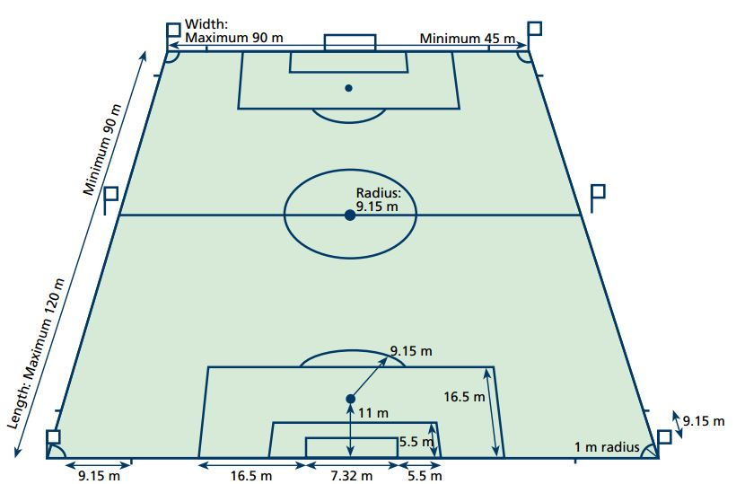
keep box | 60
button | 110
box | 160
circle | 500
midline | 600

