Bug report
LUMINAR APP
OS: windows 10 |  |  | Date:14/07/2023
Reported by: Rakhi |  |  | Identified by:Athulya baji k

Bug_id | Test_id | Expected Result | Bug Description | Steps to reproduce | screenshot | Severity | Priority | status
LUM_HM_01 | LUMINAR_HP_02 | The text on the logo should be visible | The text on the logo is not visible | 1.install the app from the play store 2.check visibility of the logo text |  | minor | p2 | New
LUM_HM_02 | LUMINAR_HP_06 | clicking location logo should load luminar office location | clicking location logo not loads luminar office location | 1.open luminar app 2.click on the location logo |  | major | p1 | New
LUM_HM_03 | LUMINAR_HP_08 | clicking see all courses button in course certificate should show course list | clicking see all courses button in course certificate not shows course list | 1.open luminar app 2.click hamburger menu 3.click course certificates 4.seach for courses in search field. | 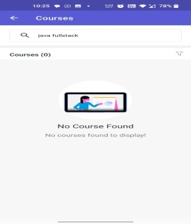 | major | p1 | New
LUM_HM_04 | LUMINAR_HP_09 | applying filter option should load filtered course details. | user can not filter courses by applying filter option. | 1.open luminar app 2.click hamburger menu 3.click course certificates 4.click filter option 5.select options and apply filter. | 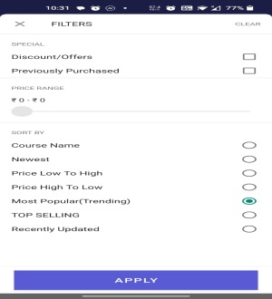 | major | p1 | New
LUM_HM_05 | LUMINAR_HP_10 | verify that clicking offline download option shows downloded contents. | offline download not shows downloded contents. | 1.open luminar app 2.click hamburger menu 3.click offline downloads |  | major | p2 | New
LUM_HM_06 | LUMINAR_HP_12 | study material option should show uploaded study materials and vedios | study material option not shows uploaded study materials and vedios. | 1.open luminar app 2.click hamburger menu 3.click study mater |  | major | p1 | New
LUM_HM_07 | LUMINAR_HP_14 | testimonial details should be editable. | testimonial details can not edit. | 1.open luminar app 2.click hamburger menu 3.click students testimonial |  | minor | p3 | New
LUM_HM_08 | LUMINAR_HP_15 | testimonial details should be deletable.. | testimonial details can not delete. | 1.open luminar app 2.click hamburger menu 3.click students testimonial |  | minor | p4 | New
LUM_HM_09 | LUMINAR_HP_19 | All fields should be editable in basic information. | user can't edit all fields. | 1.open luminar app 2.click hamburger menu 3.click edit profile 4.click info 5.click basic information. 6.click edit 7.edit entered data. | 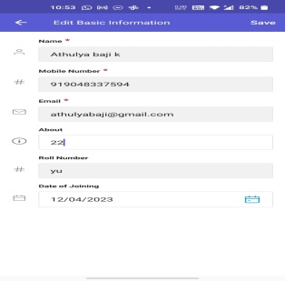 | major | p3 | New
LUM_HM_10 | LUMINAR_HP_20 | About field should accept only the character value. | About field accepts numeric value. | 1.open luminar app 2.click hamburger menu 3.click edit profile 4.click info 5.click basic information. 6.click edit 7.enter numeric value in to about field. |  | minor | p4 | New
LUM_HM_11 | LUMINAR_HP_21 | Roll Number field should accept only the numeric value | Roll number field accepts alphabet value. | 1.open luminar app 2.click hamburger menu 3.click edit profile 4.click info 5.click basic information. 6.click edit 7.enter alphabet value in to roll numbert field. |  | minor | p4 | New
LUM_HM_12 | LUMINAR_HP_25 | validation message should display when fields are empty. | message is not displayed when fields are empty | 1.open luminar app 2.click hamburger menu 3.click edit profile 4.click info 5.click basic information. 6.click edit 7.left fields empty. 8.click save button | 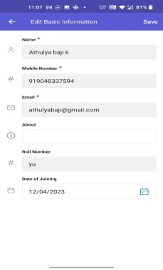 | major | p3 | New
LUM_HM_13 | LUMINAR_HP_26 | an edit option should be present next to the parent's information | edit optionis not present next to the parent's information | 1.open luminar app 2.click hamburger menu 3.click edit profile 4.click info 5.click parent's information. |  | major | p1 | New
LUM_HM_14 | LUMINAR_HP_27 | paraten's information fields should display while clicking parent's information | paraten's information fields should display while clicking parent's information | 1.open luminar app 2.click hamburger menu 3.click edit profile 4.click info 5.click parent's information. |  | major | p2 | New
LUM_HM_15 | LUMINAR_HP_46 | an error message should display when fields are empty in address. | error message is not displayed when fields are empty in address. | 1.open luminar app 2.click hamburger menu 3.click edit profile 4.click info 5.click address 6.click edit 7.leave some fields empty and click save button |  | minor | p3 | New
LUM_HM_16 | LUMINAR_HP_47 | an error message should display when fields are empty in personal details | error message is not displayed when fields are empty in personal details | 1.open luminar app 2.click hamburger menu 3.click edit profile 4.click info 5.click personal details 6.click edit 7.leave some fields empty and click save button | 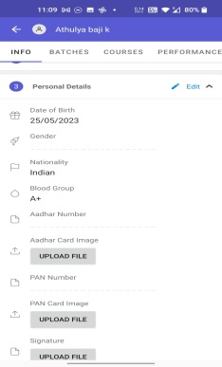 | minor | p4 | New
LUM_HM_17 | LUMINAR_HP_51 | permanent address field should be text area | permanent address field is not text area | 1.open luminar app 2.click hamburger menu 3.click edit profile 4.click info 5.click address 6.click edit | 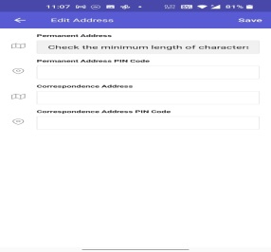 | minor | p4 | New
LUM_HM_18 | LUMINAR_HP_52 | correspondance address field should be text area | correspondance address field is not text area | 1.open luminar app 2.click hamburger menu 3.click edit profile 4.click info 5.click address 6.click edit |  | minor | p4 | New
LUM_HM_19 | LUMINAR_HP_54 | user should be able to enable picture in picture mode by clicking toggle button. | user can not enable picture in picture mode by clicking toggle button. | 1.open luminar app 2.click hamburger menu 3.settings. 4.notification settings 5.go to settings. 6.click Enable picture-in-picture toggle button. | 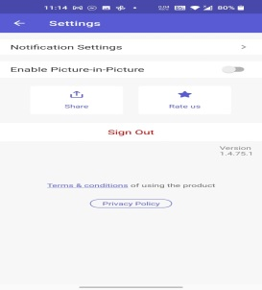 | major | p1 | New
LUM_HM_20 | LUMINAR_HP_58 | user should be able to get unpaid payment details by clicking UNPAID option | if the user clicks the button,the unpaid details are not available | 1.open luminar app 2.click hamburger menu 3.click payments 4.click UNPAID |  | major | p1 | New
LUM_HM_21 | LUMINAR_HP_59 | user should be able to get Upcoming payment details by clicking UPCOMING option | if the user clicks the button, the upcoming details are not available | 1.open luminar app 2.click hamburger menu 3.click payments 4.click UPCOMING |  | major | p1 | New
LUM_HM_22 | LUMINAR_HP_60 | user should be able to get paid payment details by clicking PAID option | if the user clicks the button,the paid details are not available | 1.open luminar app 2.click hamburger menu 3.click payments 4.click PAID. |  | major | p1 | New
LUM_HM_23 | LUMINAR_BT_02 | Batch timing should be specified | Batch time not specified | 1.open luminar app 2.click Batches 3.select batch |  | minor | p4 | New
LUM_HM_24 | LUMINAR_BT_03 | attendance should be displayed | attendance is not displayed. | 1.open luminar app 2.click Batches 3.select batch 4.attendance |  | major | p1 | New
LUM_HM_25 | LUMINAR_BT_09 | The vedio should be downloadable | The vedio is not downloadable | 1.open luminar app 2.click Batches 3.select batch 4.click vedios 5.select vedio |  | enhancement | p3 | New
LUM_HM_26 | LUMINAR_BT_10 | The vedio should be replayable | vedio is not replayable | 1.open luminar app 2.click Batches 3.select batch 4.click vedios 5.select vedio |  | minor | p4 | New
LUM_HM_27 | LUMINAR_BT_11 | vedio quality should be changeble. | vedio quality is not changeble. | 1.open luminar app 2.click Batches 3.select batch 4.click vedios 5.select vedio |  | minor | p3 | New
LUM_HM_28 | LUMINAR_BT_12 | The vedio should be able to zoom in and zoom out | vedio can not able to zoom in and zoom out | 1.open luminar app 2.click Batches 3.select batch 4.click vedios 5.select vedio |  | minor | p3 | New

Defect Distribution Graph
DEFECT DISTRIBUTION GRAPH
MODULE NAME | DEFECT DISTRIBUTION
HOME PAGE | 22
BATCHES | 6

