Dashboad_Image
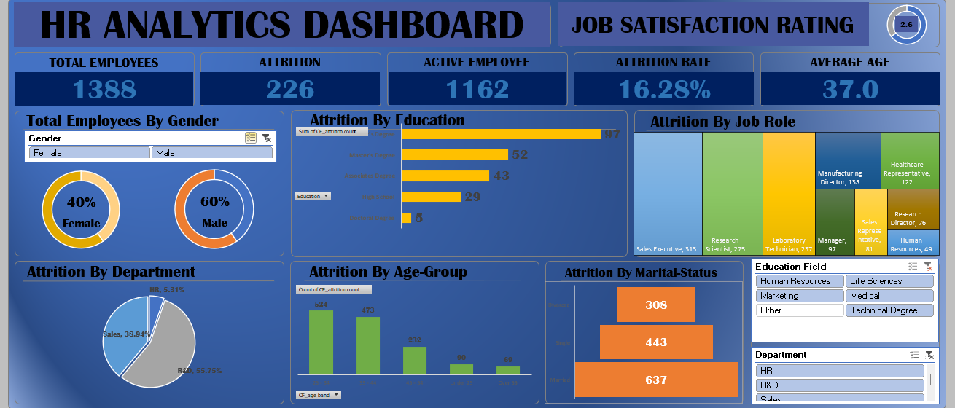

Rating
Average of Job Satisfaction
2.6

Rating | 2.6 | 65.66%
Remaining Rating | 1.4 | 34.34%

Employee by Gender
Row Labels | Count of Employee Number
Female | 588
Male | 882
Grand Total | 1470

Column1 | Column2 | Column3 | Column4
Female | 588 | 40%
Male | 882 | 60%

Education-wise Attrition
Row Labels | Sum of CF_attrition count
Doctoral Degree | 5
High School | 31
Associates Degree | 44
Master's Degree | 58
Bachelor's Degree | 99
Grand Total | 237

Department-wise Attrition
Row Labels | Sum of CF_attrition count | Department | Attrition | Attrition Percentage | Column1
HR | 12 | HR | 12 | 5.06%
R&D | 133 | R&D | 133 | 56.12%
Sales | 92 | Sales | 92 | 38.82%
Grand Total | 237

Attrition By Age-Group
Row Labels | Count of CF_attrition count
25 - 34 | 554
35 - 44 | 505
45 - 54 | 245
Under 25 | 97
Over 55 | 69
Grand Total | 1470

Dashboard
`
HR ANALYTICS DASHBOARD
JOB SATISFACTION RATING
 | 65.66%
 | 34.34%
2.6

TOTAL EMPLOYEES
ATTRITION
ACTIVE EMPLOYEE
ATTRITION RATE
AVERAGE AGE
237
1233
16.12%
36.9
1470

Total Employees By Gender
Attrition By Education
Attrition By Job Role
 | Total
Doctoral Degree | 5
High School | 31
Associates Degree | 44
Master's Degree | 58
Bachelor's Degree | 99

 | 40%
 | 60%
 | 40%
 | 60%

Attrition By Department
Attrition By Age-Group
Attrition By Marital-Status

 | 5.06%
 | 56.12%
 | 38.82%
 | Total
25 - 34 | 554
35 - 44 | 505
45 - 54 | 245
Under 25 | 97
Over 55 | 69

