Equity
Product Dashboard
As on 31 March, 2026
Name of Scheme | Invesco India Business Cycle Fund | Invesco India Consumption Fund | Invesco India Contra Fund | Invesco India ELSS Tax Saver Fund | Invesco India ESG Integration Strategy Fund |  | Invesco India Financial Services Fund |  | Invesco India Flexi Cap Fund | Invesco India Focused Fund |  | Invesco India Infrastructure Fund | Invesco India Large & Mid Cap Fund | Invesco India Largecap Fund | Invesco India Manufacturing Fund | Invesco India Midcap Fund | Invesco India Multicap Fund |  | Invesco India PSU Equity Fund |  | Invesco India Smallcap Fund |  | Invesco India Technology Fund

Type of the Scheme | An open ended equity scheme following business cycles based investing theme | An open ended equity scheme following consumption theme | An open ended equity scheme following contrarian investment strategy | An open ended equity linked saving scheme with a statutory lock in of 3 years and tax benefit | An open ended equity scheme investing in companies following Environmental, Social and Governance (ESG) theme |  | An open ended equity scheme investing in financial services sector |  | An open ended dynamic equity scheme investing across large cap, mid cap, small cap stocks | An open ended equity scheme investing in maximum 30 stocks across market capitalization (i.e. Multicap) |  | An open ended equity scheme following Infrastructure theme | Large & Mid Cap Fund - An open ended equity scheme investing in both large cap and mid cap stocks | Large Cap Fund - An open ended equity scheme predominantly investing in large cap stocks | An open ended equity scheme following manufacturing theme | Mid Cap Fund - An open ended equity scheme predominantly investing in mid cap stocks | Multi Cap Fund - An open ended equity scheme investing across large cap, mid cap, small cap stocks |  | An open ended equity scheme following PSU theme |  | Small Cap Fund – An open ended equity scheme predominantly investing in small cap stocks |  | An open ended equity scheme investing in technology and technology related sectors
Inception Date
Regular/Existing Plan | 2025-02-27 | 2025-10-27 | 2007-04-11 | 2006-12-29 | 2021-03-20 |  | 2008-07-14 |  | 2022-02-14 | 2020-09-29 |  | 2007-11-21 | 2007-08-09 | 2009-08-21 | 2024-08-14 | 2007-04-19 | 2008-03-17 |  | 2009-11-18 |  | 2018-10-30 |  | 2024-09-23
Direct Plan | 2025-02-27 | 2025-10-27 | 2013-01-01 | 2013-01-01 | 2021-03-20 |  | 2013-01-01 |  | 2022-02-14 | 2020-09-29 |  | 2013-01-01 | 2013-01-01 | 2013-01-01 | 2024-08-14 | 2013-01-01 | 2013-01-01 |  | 2013-01-01 |  | 2018-10-30 |  | 2024-09-23
Maturity Date | NA | NA | NA | NA | NA |  | NA |  | NA | NA |  | NA | NA | NA | NA | NA | NA |  | NA |  | NA |  | NA
Investment Objective | To generate long term capital appreciation by investing predominantly in equity and equity related securities with a focus on riding business cycles through dynamic allocation between various sectors and stocks at different stages of business cycles in the economy. There is no assurance that the investment objective of the Scheme will be achieved. | To generate long term capital appreciation by investing predominantly in equity and equity related instruments of companies benefitting from consumption theme. There is no assurance that the investment objective of the Scheme will be achieved. | To generate capital appreciation by investing predominantly in Equity and Equity Related Instruments through contrarian investing. There is no assurance that the investment objective of the Scheme will be achieved. | To generate long term capital appreciation from a diversified portfolio of predominantly equity and equity-related instruments. There is no assurance that the investment objective of the Scheme will be achieved. | To generate capital appreciation from a diversified portfolio of Equity and Equity Related Instruments of companies which are selected based on Environmental, Social and Governance (ESG) integration strategy as defined by our proprietary investment framework.There is no assurance that the investment objective of the Scheme will be achieved. |  | To generate capital appreciation from a portfolio of Equity and Equity Related Instruments of companies engaged in the business of banking and financial services. There is no assurance that the investment objective of the Scheme will be achieved. |  | To generate capital appreciation by dynamically investing in a mix of equity and equity related instruments across market capitalization i.e. large, mid and small cap stocks. There is no assurance that the investment objective of the Scheme will be achieved. | To generate capital appreciation by investing in upto 30 stocks across market capitalization.There is no assurance that the investment objective of the Scheme will be achieved. |  | To generate capital appreciation by investing in a portfolio that is predominantly constituted of Equity and Equity Related Instruments of infrastructure companies.There is no assurance that the investment objective of the Scheme will be achieved. | To generate capital appreciation from a diversified portfolio of predominantly Equity and Equity Related Instruments of Large and Midcap companies.There is no assurance that the investment objective of the Scheme will be achieved. | To generate capital appreciation by investing predominantly in Largecap companies.There is no assurance that the investment objective of the Scheme will be achieved. | To generate capital appreciation from a diversified portfolio of Equity and Equity Related Instruments of companies following the manufacturing theme. There is no assurance that the investment objective of the Scheme will be achieved. | To generate capital appreciation by investing predominantly in Midcap companies.There is no assurance that the investment objective of the Scheme will be achieved. | To generate capital appreciation by investing predominantly in Equity and Equity Related Instruments across market capitalization.There is no assurance that the investment objective of the Scheme will be achieved. |  | To generate capital appreciation by investing in Equity and Equity Related Instruments of companies where the Central / State Government(s) has majority shareholding or management control or has powers to appoint majority of directors.There is no assurance that the investment objective of the Scheme will be achieved. |  | To generate capital appreciation by investing predominantly in stocks of Smallcap companies.There is no assurance that the investment objective of the Scheme will be achieved. |  | To generate capital appreciation by investing in equity and equity related instruments of companies in the technology and technology related sectors, companies focused on driving transformative innovations across technology, automation, robotics, artificial intelligence, clod computing and other technology companies including those benefitting from the increased digital adoption.There is no assurance that the investment objective of the Scheme will be achieved.
Benchmark | Nifty 500 TRI | Nifty India Consumption TRI | BSE 500 TRI | BSE 500 TRI | Nifty100 ESG Index TRI |  | Nifty Financial Services TRI |  | BSE 500 TRI | BSE 500 TRI |  | BSE India Infrastructure Index TRI | NIFTY Large Midcap 250 TRI | Nifty 100 TRI | Nifty India Manufacturing TRI | BSE 150 Midcap TRI | NIFTY 500 Multicap 50:25:25 TRI |  | BSE PSU TRI |  | BSE 250 Small Cap Index TRI |  | Nifty IT TRI
Fund Manager | Aditya Khemani | Manish Poddar | Taher Badshah | Depesh Kashyap | Taher Badshah | Haresh Kapoor | Hiten Jain | Haresh Kapoor | Taher Badshah | Taher Badshah | Hiten Jain | Sagar Gandhi | Aditya Khemani | Hiten Jain | Nikhil Kale | Aditya Khemani | Taher Badshah | Manish Poddar | Sagar Gandhi | Hiten Jain | Taher Badshah | Aditya Khemani | Hiten Jain | Aditya Khemani

Managing this fund Since | Since 27 February , 2025 | Since 27 October , 2025 | Since 13 January , 2017 | Since 1 July , 2025 | Since 20 March , 2021 | Since 01 January , 2026 | Since 19 May , 2020 | Since 01 January , 2026 | Since 14 February , 2022 | Since 29 September , 2020 | Since 14 September , 2022 | Since 1 March , 2025 | Since 9 November , 2023 | Since 1 December , 2023 | Since 1 December , 2025 | Since 9 November , 2023 | Since 1 July , 2025 | Since 1 July , 2025 | Since 1 July , 2025 | Since 1 July , 2025 | Since 30 October , 2018 | Since 9 November , 2023 | Since 23 September , 2024 | Since 23 September , 2024
Capital appreciation over long term Investments Capital appreciation over long term Investments
Predominantly in equity and equity related instruments of companies benefitting from consumption theme.
Product Labelling Suitable for investors who are seeking* | 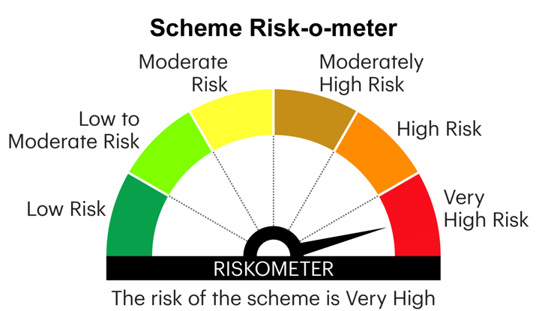
* Investors should consult their financial advisers if in doubt about whether the product is suitable for them.
Benchmark Riskometer | NA |  |  |  |  |  |  |  |  |  |  |  |  |  |  |  |  |  | 
PRC | NA | NA | NA | NA | NA |  | NA |  | NA | NA |  | NA | NA | NA | NA | NA | NA |  | NA |  | NA |  | NA

Notes
1. 1Additional Benchmark
2. Past performance may or may not be sustained in future. The performance details provided herein are of existing plan & Direct plan – Growth Option. Different plans have different expense structure. For calculating returns since inception for Direct Plan, NAV as on January 1, 2013, of corresponding growth option of existing plan is considered. CAGR – Compounded Annualised Growth Rate
3. Returns are given only in respect of schemes which have completed 6 months. For calculating returns since inception for open ended equity schemes NAV as on the date of allotment is taken as Rs. 10/. Since inception date is deemed to be date of allotment. Face value is Rs. 10
4. 2Kindly also visit our website www.invescomutualfund.com for latest available performance
5. Benchmark Returns are calculated using Total Return variant of respective Benchmark Index
6. Scheme which has been in existence for more than six months but less than one year, then simple annualized growth rate of the scheme for the past 6 months has been provided. NA: Not applicable
7. `Weighted Average Portfolio BRSR Score : 74.48. BRSR scores and BRSR core scores as provided by Stakeholders Empowerment Services (SES)ESG Research Private Limited, an ESG rating provider registered with SEBI.

Fixed Income
Product Dashboard
As on 31 March, 2026
Name of Scheme | Invesco India Banking and PSU Fund |  | Invesco India Corporate Bond Fund |  | Invesco India Credit Risk Fund |  | Invesco India Gilt Fund |  | Invesco India Liquid Fund | Invesco India Low Duration Fund |  | Invesco India Medium Duration Fund |  | Invesco India Money Market Fund |  | Invesco India Nifty G-sec Jul 2027 Index Fund |  | Invesco India Nifty G-sec Sep 2032 Index Fund |  | Invesco India Overnight Fund | Invesco India Short Duration Fund |  | Invesco India Ultra Short Duration Fund

Type of the Scheme | An open ended debt scheme predominantly investing in Debt instruments of banks, Public Sector Undertakings, Public Financial Institutions and Municipal Bonds. A relatively high interest rate risk and relatively low credit risk. |  | An open ended debt scheme predominantly investing in AA+ and above rated corporate bonds. A relatively high interest rate risk and relatively low credit risk. |  | An open ended debt scheme predominantly investing in AA and below rated corporate bonds (excluding AA+ rated corporate bonds). A relatively high interest rate risk and moderate credit risk. |  | An open ended debt scheme investing in government securities across maturity. A relatively high interest rate risk and relatively low credit risk. |  | An open ended liquid scheme. A relatively low interest rate risk and relatively low credit risk. | An open ended low duration debt scheme investing in instruments such that the Macaulay duration^ of the portfolio is between 6 months to 12 months. A relatively low interest rate risk and moderate credit risk |  | An open ended medium term debt scheme investing in instruments such that the Macaulay duration^ of the portfolio is between 3 years and 4 years. A relatively high interest rate risk and moderate credit risk. |  | ^An open ended debt scheme investing in money market instruments. A relatively low interest rate risk and moderate credit risk |  | An open-ended Target Maturity Index Fund tracking Nifty G-sec Jul 2027 Index. A relatively high interest rate risk and relatively low credit risk. |  | An open-ended Target Maturity Index Fund tracking Nifty G-sec Sep 2032 Index. A relatively high interest rate risk and relatively low credit risk. |  | An open ended debt scheme investing in overnight securities. A relatively low interest rate risk and relatively low credit risk. | An open ended short term debt scheme investing in instruments such that the Macaulay duration^ of the portfolio is between 1 year to 3 years. A moderate interest rate risk and relatively low credit risk. |  | An open ended ultra-short term debt scheme investing in instruments such that the Macaulay duration^ of the portfolio is between 3 months to 6 months. A relatively low interest rate risk and moderate credit risk. There is no assurance that the investment objective of the Scheme will be achieved.
Inception Date
Regular/Existing Plan | 2012-12-29 |  | 2007-08-02 |  | 2014-09-04 |  | 2008-02-09 |  | 2006-11-17 | 2007-01-18 |  | 2021-07-16 |  | 2009-08-28 |  | 2023-03-20 |  | 2023-03-29 |  | 2020-01-08 | 2007-03-24 |  | 2010-12-30
Direct Plan | 2013-01-01 |  | 2013-01-01 |  | 2014-09-04 |  | 2013-01-01 |  | 2013-01-01 | 2013-01-01 |  | 2021-07-16 |  | 2013-01-01 |  | 2023-03-20 |  | 2023-03-29 |  | 2020-01-08 | 2013-01-01 |  | 2013-01-01
Maturity Date | NA |  | NA |  | NA |  | NA |  | NA | NA |  | NA |  | NA |  | NA |  | NA |  | NA | NA |  | NA
Investment Objective | To generate returns by investing primarily in debt & Money Market Instruments issued by banks, Public Financial Institutions (PFIs), Public Sector Undertakings (PSUs) and Municipal Bonds. There is no assurance that the investment objective of the Scheme will be achieved. |  | To generate regular and stable income by investing predominantly in bonds issued by corporates. The scheme will invest in bonds which are rated AA+/ AAA by credit rating agencies. There is no assurance that the investment objective of the Scheme will be achieved. |  | To generate accrual income and capital appreciation by investing in debt securities of varying maturities across the credit spectrum. There is no assurance that the investment objective of the Scheme will be achieved. |  | To generate returns by investing predominantly in a portfolio of securities issued and guaranteed by Central and State Government across maturities. There is no assurance that the investment objective of the Scheme will be achieved. |  | To generate income commensurate with low risk and high liquidity, through a portfolio of debt and Money Market Instruments. There is no assurance that the investment objective of the Scheme will be achieved. | To generate income by investing in debt and Money Market Instruments. There is no assurance that the investment objective of the Scheme will be achieved. |  | To generate income by investing in a portfolio of Debt and Money Market Instruments such that the Macaulay duration of the portfolio is between 3 years and 4 years. There is no assurance that the investment objective of the Scheme will be achieved. |  | To generate superior risk-adjusted returns by investing in Money Market Instruments. There is no assurance that the investment objective of the Scheme will be achieved. |  | To generate returns which correspond (before fees and expenses) to the performance of Nifty G-sec Jul 2027 Index, subject to tracking difference. There is no assurance that the investment objective of the Scheme will be achieved. |  | To generate returns which correspond (before fees and expenses) to the performance of Nifty G-sec Sep 2032 Index, subject to tracking difference. There is no assurance that the investment objective of the Scheme will be achieved. |  | To generate income commensurate with low risk and high liquidity by investing in overnight securities having residual maturity of 1 business day. There is no assurance that the investment objective of the Scheme will be achieved. | To generate steady returns with a moderate risk for investors by investing in a portfolio of short term debt and Money Market Instruments. There is no assurance that the investment objective of the Scheme will be achieved. |  | To primarily generate accrual income by investing in a portfolio of short term Money Market and Debt Instruments. There is no assurance that the investment objective of the Scheme will be achieved.
Benchmark | NIFTY Banking and PSU Debt Index A-II |  | NIFTY Corporate Bond Index A-II |  | NIFTY Credit Risk Bond Index B II |  | NIFTY All Duration G-Sec Index |  | NIFTY Liquid Index A-I | NIFTY Low Duration Debt Index A-I |  | Nifty Medium Duration Debt Index A-III |  | NIFTY Money Market Index A-I |  | Nifty G sec Jul 2027 Index |  | Nifty G sec Sep 2032 Index |  | NIFTY 1D Rate Index | NIFTY Short Duration Debt Index A-II |  | Nifty Ultra Short Duration Debt Index A-I
Fund Manager | Vikas Garg | Krishna Cheemalapati | Vikas Garg | Krishna Cheemalapati | Vikas Garg | Krishna Cheemalapati | Krishna Cheemalapati | Vikas Garg | Krishna Cheemalapati | Krishna Cheemalapati | Vikas Garg | Vikas Garg | Krishna Cheemalapati | Krishna Cheemalapati | Vikas Garg | Krishna Cheemalapati | Gaurav Jakhotia | Krishna Cheemalapati | Gaurav Jakhotia | Krishna Cheemalapati | Vikas Garg | Gaurav Jakhotia | Krishna Cheemalapati | Vikas Garg

Managing this fund | Since 26 September , 2020 | Since 16 December , 2020 | Since 26 September , 2020 | Since 16 December , 2020 | Since 26 September , 2020 | Since 16 December , 2020 | Since 27 July , 2021 | Since 26 September , 2020 | Since 25 April , 2011 | Since 1 January , 2013 | Since 16 December , 2020 | Since 16 July , 2021 | Since 16 July , 2021 | Since 4 January , 2020 | Since 16 December , 2020 | Since 20 March , 2023 | Since 1 April , 2025 | Since 29 March , 2023 | Since 1 April , 2025 | Since 8 January , 2020 | Since 26 September, 2020 | Since 01 April, 2025 | Since 4 January , 2020 | Since 27 July , 2021
Product Labelling Suitable for investors who are seeking* | 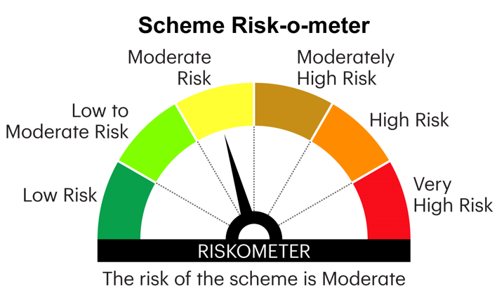 |  |  |  |  |  |  |  | 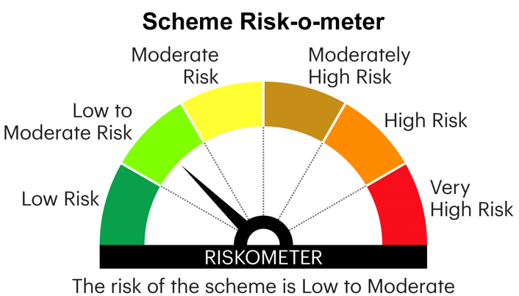 |  |  |  |  |  |  |  |  |  |  | 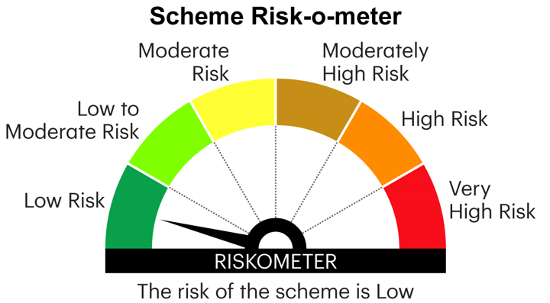
* Investors should consult their financial advisers if in doubt about whether the product is suitable for them.
Benchmark Riskometer | 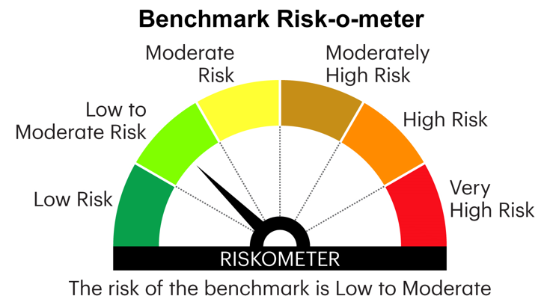 |  | 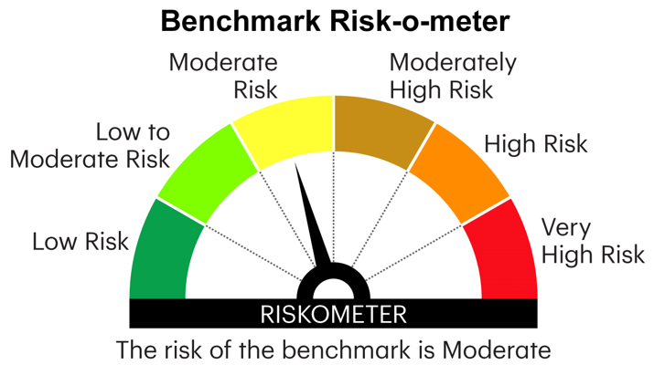 |  | 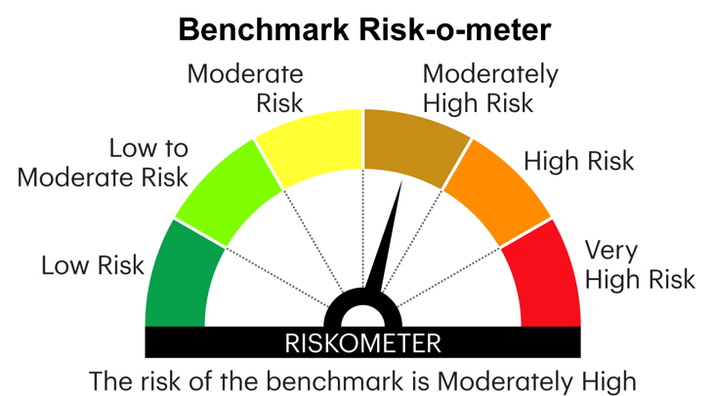 |  |  |  |  |  |  |  |  |  |  |  |  |  |  | 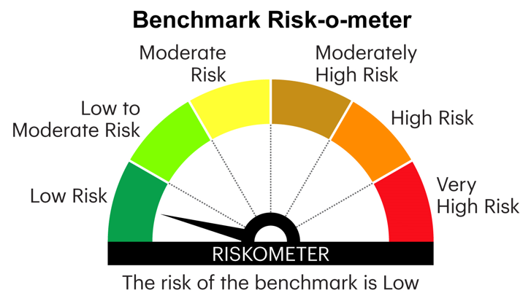
PRC | NA |  | NA |  | 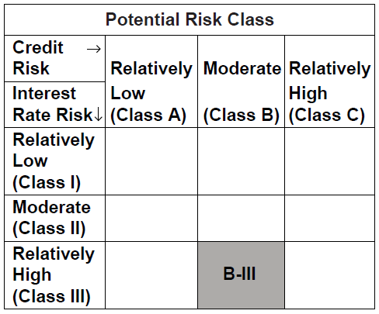 |  | 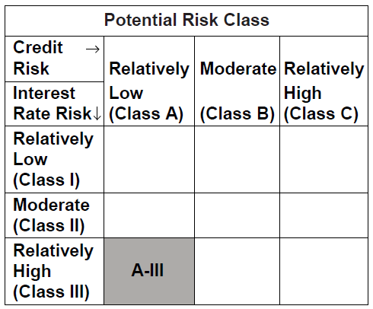 NA |  | NA | # |  |  |  | ^ |  | NA |  | NA |  | 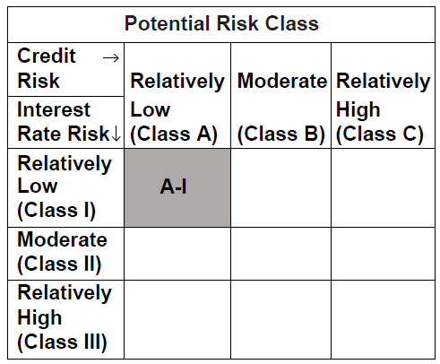 NA | 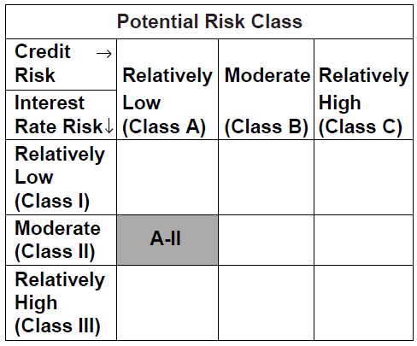 NA |  | 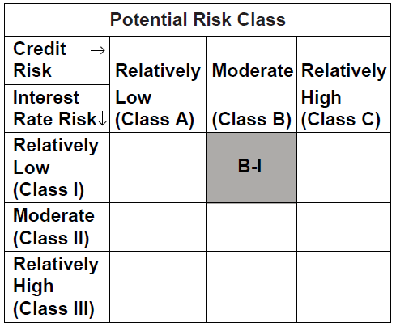 NA

Notes
1. 1Additional Benchmark
2. Past performance may or may not be sustained in future. The performance details provided herein are of existing plan & Direct plan – Growth Option. Different plans have different expense structure. For calculating returns since inception for Direct Plan, NAV as on January 1, 2013, of corresponding growth option of existing plan is considered. CAGR – Compounded Annualised Growth Rate
3. Returns are given only in respect of schemes which have completed 6 months. For calculating returns since inception for open ended debt schemes NAV as on the date of allotment is taken as Rs. 1,000/. Since inception date is deemed to be date of allotment. Face value is Rs. 1000
4. 2Kindly visit our website www.invescomutualfund.com for latest available performance
5. ^Macaulay duration of a bond is the number of years taken to recover the initial investment of a bond. It is calculated as the weighted average number of years to receive the cash flow wherein the present value of respective cash flows is multiplied with the time to that respective cash flows. The total of such values is divided by the price of the security to arrive at the duration.

Hybrid
Product Dashboard
As on 31 March, 2026
Name of Scheme | Invesco India Aggressive Hybrid Fund |  |  | Invesco India Arbitrage Fund |  | Invesco India Balanced Advantage Fund |  |  | Invesco India Equity Savings Fund |  |  | Invesco India Multi Asset Allocation Fund

Type of the Scheme | An open ended hybrid scheme investing predominantly in equity and equity related instruments |  |  | An open ended scheme investing in arbitrage opportunities |  | An open ended dynamic asset allocation fund |  |  | An open ended scheme investing in equity, arbitrage and debt |  |  | An open ended scheme investing in Equity, Debt, Gold ETFs / Silver ETFs
Inception Date
Regular/Existing Plan | 2018-06-30 |  |  | 2007-04-30 |  | 2007-10-04 |  |  | 2019-03-07 |  |  | 2024-12-17
Direct Plan | 2018-06-30 |  |  | 2013-01-01 |  | 2013-01-01 |  |  | 2019-03-07 |  |  | 2024-12-17
Maturity Date | NA |  |  | NA |  | NA |  |  | NA |  |  | NA
Investment Objective | To generate capital appreciation and current income by investing in equity & equity related instruments as well as debt securities.There is no assurance that the investment objective of the Scheme will be achieved. |  |  | To generate income by predominantly investing in arbitrage opportunities in the cash and derivatives market, and by investing the balance in debt and money market instruments. There is no assurance that the investment objective of the Scheme will be achieved. |  | To generate capital appreciation/income from a mix of equity and debt securities which are managed dynamically.There is no assurance that the investment objectiveof the Scheme will be achieved. |  |  | To generate capital appreciation and income by investing in equity and equity related instruments, arbitrage opportunities and fixed income instruments (including debt, government securities and money market instruments). There is no assurance that the investment objectiveof the Scheme will be achieved. |  |  | To generate long-term capital appreciation/income from an actively managed portfolio of multiple asset classes. There is no assurance that the investment objective of the Scheme will be achieved.
Benchmark | CRISIL Hybrid 35+65 - Aggressive Index |  |  | Nifty 50 Arbitrage |  | NIFTY 50 Hybrid Composite Debt 50:50 Index |  |  | Nifty Equity Savings Index |  |  | Nifty 200 TRI (60%) + CRISIL 10 year Gilt Index (30%) + Domestic Price of Gold (5%) + Domestic Price of Silver (5%)
Fund Manager | Amey Sathe | Hiten Jain | Krishna Cheemalapati | Deepak Gupta | Manish Kalani | Amey Sathe | Manish Kalani | Krishna Cheemalapati | Amey Sathe | Deepak Gupta | Krishna Cheemalapati | Taher Badshah | Amey Sathe | Krishna Cheemalapati

Managing this fund Since | Since 4 November , 2025 | Since 1 December , 2023 | Since 30 June , 2018 | Since 11 November , 2021 | Since 1 July, 2025 | Since 4 November , 2025 | Since 1 July, 2025 | Since 1 March, 2025 | Since 04 November, 2025 | Since 1 December , 2023 | Since 07 March, 2019 | Since 17 December, 2024 | Since 4 November , 2025 | Since 1 March, 2025
Income over medium-term
Income by predominantly investing in arbitrage opportunities in the cash and derivatives market, and by investing the balance in debt and money market instruments
Product Labelling Suitable for investors who are seeking*
* Investors should consult their financial advisers if in doubt about whether the product is suitable for them.
Benchmark Riskometer | 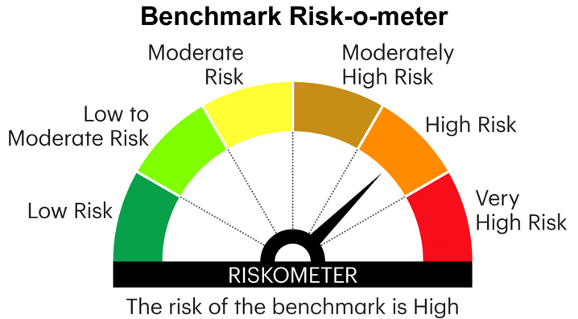
PRC | NA |  |  | NA |  | NA |  |  | NA |  |  | NA
Notes
1. 1Additional Benchmark
2. Past performance may or may not be sustained in future. The performance details provided herein are of existing plan & Direct plan – Growth Option. Different plans have different expense structure. For calculating returns since inception for Direct Plan, NAV as on January 1, 2013, of corresponding growth option of existing plan is considered. CAGR – Compounded Annualised Growth Rate
3. Returns are given only in respect of schemes which have completed 6 months. For calculating returns since inception for open ended equity schemes NAV as on the date of allotment is taken as Rs. 10/. Since inception date is deemed to be date of allotment. Face value is Rs. 10
4. 2Kindly also visit our website www.invescomutualfund.com for latest available performance
5. Benchmark Returns are calculated using Total Return variant of respective Benchmark Index. Inception date of the Invesco India Arbitrage Fund is 30 April, 2007 which is prior to the date (i.e. 01 April, 2010) from which figures for Nifty 50 Arbitrage Index (Benchmark Index) are available. Hence returns since inception and for other required periods are not available for Nifty 50 Arbitrage Index. NA - Not Available

ETF & Onshore FOF
Product Dashboard
As on 31 March, 2026
Name of Scheme | Invesco India Nifty 50 Exchange Traded Fund (Scrip Code: NSE – IVZINNIFTY) | Invesco India Gold Exchange Traded Fund (Scrip Code: NSE – IVZINGOLD; BSE - 533172) | Invesco India Gold ETF Fund of Fund | Invesco India Income Plus Arbitrage Active Fund of Fund

Type of the Scheme | An open ended scheme replicating Nifty 50 Index | An open ended scheme tracking returns provided by investment in physical gold | An open ended fund of fund scheme investing in Invesco India Gold Exchange Traded Fund | An open ended fund of fund scheme investing in units of actively managed debt oriented schemes and equity arbitrage schemes
Inception Date
Regular/Existing Plan | 2011-06-13 | 2010-03-12 | 2011-12-05 | 2025-07-21
Direct Plan | NA | NA | 2013-01-01 | NA
Maturity Date | NA | NA | NA | NA
Investment Objective | To generate returns which closely correspond to the returns generated by securities as represented by Nifty 50, subject to tracking error, if any. There is no assurance that the investment objective of the Scheme will be achieved. | To generate returns that closely correspond to the returns provided by investment in physical gold in the domestic market, subject to tracking error. There is no assurance that the investment objective of the Scheme will be achieved. | To provide returns that closely corresponds to returns provided by Invesco India Gold Exchange Traded Fund. There is no assurance that the investment objective of the Scheme will be achieved. | To generate income by investing in units of actively managed debt oriented and equity arbitrage schemes. There is no assurance that the investment objective of the Scheme will be achieved.
Benchmark | Nifty 50 TRI | Price of Gold | Price of Gold | Nifty Composite Debt Index (60%) + Nifty 50 Arbitrage (40%)
Fund Manager | Abhisek Bahinipati | Abhisek Bahinipati | Abhisek Bahinipati | Vikas Garg | Deepak Gupta

Managing this fund | Since 1 November , 2025 | Since 1 November , 2025 | Since 1 November , 2025 | Since July 01, 2025 | Since July 01, 2025
Product Labelling Suitable for investors who are seeking* |  | 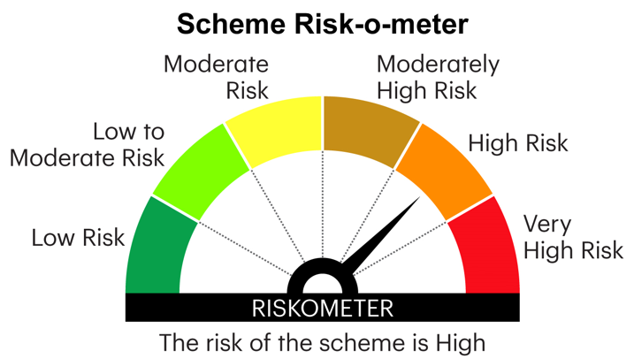
* Investors should consult their financial advisers if in doubt about whether the product is suitable for them.
Benchmark Riskometer
PRC | NA | NA | NA | NA
1. 1Additional Benchmark
2. Fund of Funds Schemes - The investor will bear the recurring expenses of the scheme, in addition to the expenses of underlying scheme.
3. Past performance may or may not be sustained in future. The performance details provided herein are of existing plan & Direct plan – Growth Option. Different plans have different expense structure. For calculating returns since inception for Direct Plan, NAV as on January 1, 2013, of corresponding growth option of existing plan is considered. CAGR – Compounded Annualised Growth Rate
3. Returns are given only in respect of schemes which have completed 6 months. Returns for Invesco India Nifty Exchange Traded Fund are calculated after considering dividend reinvestment of Rs. 5 per unit on record date - December 26, 2012 at ex-dividend NAV of Rs. 591.3176 per unit. For calculating returns since inception for Invesco India Gold Exchange Traded Fund, NAV as on the date of allotment is taken as Rs.1,680.0014/- and for Invesco India Nifty Exchange Traded Fund, NAV as on the date of allotment is taken as Rs. 548.28/-. Face Value per unit is Rs. 10/- for all schemes except for Invesco India Gold Exchange Traded Fund where Face Value per unit Rs. 100/-
5. 2Kindly visit our website www.invescomutualfund.com for latest available performance
6. 3Benchmark Returns are calculated using Total Return variant
7. 4The Scheme invests minimum 95% of its net assets in physical gold and currently there is no suitable additional benchmark available for the Scheme.

