Instructions
INSTRUCTIONS |  |  |  | THE WEEKLY CREW
 |  |  |  | theweeklycrew.etsy.com
To maximize the use of this template, please take the time to read through the instructions found in this sheet. Here, you will see the function of each tab and learn more about the different terminologies used in the template. If you have trouble accessing the template, please read through the guide on How to Access the Template and follow the steps. If you have any questions or concerns, please just reach out to me on Etsy, and I will get back to you as soon as possible. Thank you so much for including The Weekly Crew as part of your personal growth journey! I hope this template helps you reach your goals! Wishing you all the best! :)

 |  |  | HOW TO ACCESS THE TEMPLATE
 | J U M P T O I N S T R U C T I O N S
 |  |  | a step-by-step guide on how to access & edit the template

 |  |  |  | INSTALLATION OF FONTS (optional)
 | HABIT TRACKER |  |  | If you have yet to install the fonts, please go to the folder \ 03 - MS Excel \ Install Fonts. Please quit Microsoft Excel and re-open the program after installation.

 |  |  |  | S T E P 1
 |  |  |  | Double-click on EACH FONT FILE.

 | FAQs |  |  | S T E P 2
 |  |  |  | Click on INSTALL.

 |  |  |  | STILL NOT SHOWING UP?
 |  |  |  | If the fonts are still not showing up correctly after proper installation, please quit Microsoft Excel and reopen the program. If it still does not work, please restart your computer. Please refer to the The Weekly Crew Guide found in folder 01 - Guide for more information.

PLEASE NOTE

please keep this in mind when using the template

 | PLEASE DO NOT EDIT CELLS WITH A BACKGROUND COLOR
 | Any changes made to these cells will show a warning before allowing you to edit the cell. Please refrain from altering these cells to avoid inaccuracies in the template.

 | REMOVING THE PROTECTION ON THE TABS
 | If you want to get rid of the sheet protection, please go to Review > Unprotect Sheet. No password is needed to unprotect the sheet. I highly advise against this, however! Altering or removing formulas in the spreadsheet will change how it works.

TRACKING HABITS FOR THE NEXT MONTH

 | Simply duplicate the Habit Tracker tab by right-clicking on the tab name and selecting Move or copy. In the pop-up that appears, check the Create a copy checkbox and press OK. Select the new month and year and reset your checkboxes by selecting them all and hitting Delete on your keyboard until all checkboxes are unchecked. You may also customize your habits in the new tab if necessary. You may also rename the new Habit Tracker tab to the period you are tracking for (e.g. Jan, Feb, Mar, etc.)

HABIT TRACKER TAB

track daily, weekly, and monthly habits

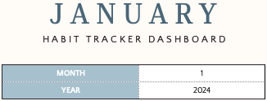
 |  | STEP 1. SELECT THE MONTH FROM THE DROPDOWN
 |  | Click on the arrow to select the month you are tracking habits for through the Month field. As you do this, you will see the month title above change automatically.

 |  | STEP 2. ENTER THE YEAR
 |  | Under the Year field, enter the year you want to track habits for.

 | DAILY HABITS

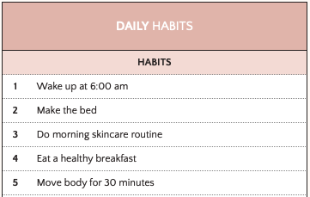

 |  | STEP 3. ADD YOUR DAILY HABITS
 |  | Under the Daily Habits section, enter the habits you want to do regularly. You may enter up to 30 daily habits in the template.

 |  | IF YOU WANT TO REDUCE THE NUMBER OF DAILY HABITS AVAILABLE, you may hide rows by selecting the row number and right-clicking to select Hide.

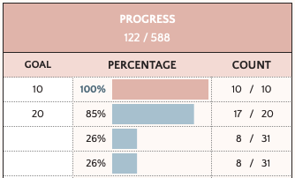

 |  | STEP 4. ENTER YOUR GOAL
 |  | To the right of the Habit Tracker, you will see the Progress section. Here, you can enter your goal for each daily habit. So if you wish to do the habit only 10 times a month, then you may enter "10" under the Goal column. This value will be the basis for your Percentage and Count columns.

 |  | IF YOU WISH TO DO THE HABIT EVERY DAY, you may leave the Goal column blank.

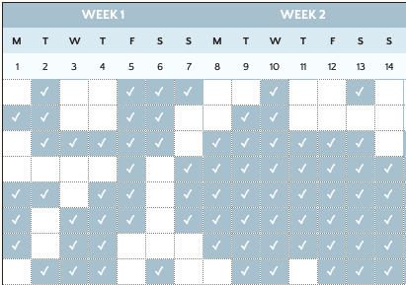

 |  | STEP 5. TRACK YOUR DAILY HABITS
 |  | Check the corresponding habit and day's checkbox to mark a habit as complete. Click on the checkbox to check or uncheck it.

 |  | QUICK TIP: CHECK & UNCHECK EASILY Select multiple cells at once and hit the spacebar on your keyboard.

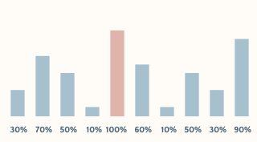

 |  | STEP 6. CHECK YOUR DAILY PROGRESS
 |  | On top of the checkboxes, you will see a progress bar on top of each day. This will show your percentage progress. The progress bar turns pink when the all habits for the day are completed.

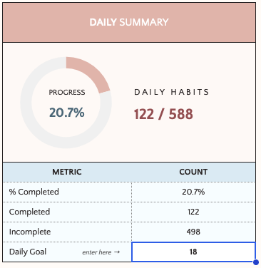

 |  | STEP 7. SET NUMBER OF DAILY HABIT GOALS (optional)
 |  | If you wish to set a number for the habits you aim to complete in a day, you may do so through the Daily Goal field of the Daily Summary section. So if you have a total of 20 daily habits, but doing 18 is your goal, then you may write 18 in the Daily Goal field. Completing 18 habits for the day will show 100% in your progress bar.

 |  | THE DAILY GOAL WILL APPLY TO ALL DAYS OF THE MONTH. If you wish to customize your goal for each day, please refer to the next step.

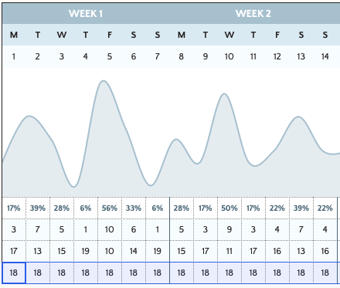

 |  | STEP 8. CUSTOMIZE DAILY HABIT GOALS FOR EACH DAY (optional)
 |  | If you wish to customize your daily goal for each day, enter your goal manually under each day. This will override the daily goal you have set in the Daily Summary section. This new goal for a specific day will be the basis for the progress percentage.

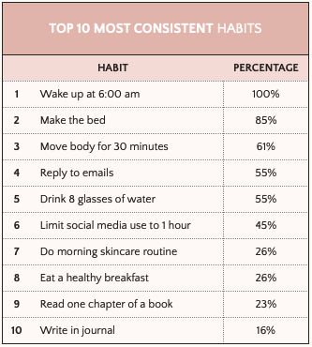

 |  | STEP 9. SEE AN ANALYSIS OF YOUR HABITS
 |  | See your most consistent habits in through the Top 10 Most Consistent Habits section. You may also see your total habits completed and incomplete through the Daily Summary section. All analyses will automatically update as you check your habits.

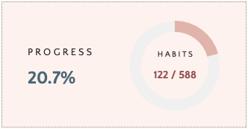

 | WEEKLY HABITS

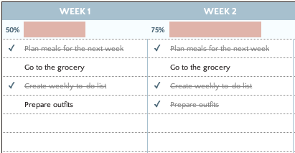

 |  | STEP 10. ENTER YOUR WEEKLY HABITS
 |  | Enter the habits you want to do for each week. The Weekly Habits section allows you to add habits for 5 weeks, plus a section for other habits. You may enter up to 15 habits for each week. Check the checkbox as you finish doing each habit.

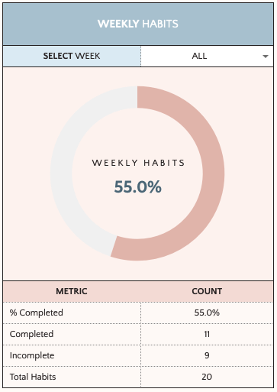

 |  | STEP 11. SEE YOUR PROGRESS FOR ALL AND EACH WEEK
 |  | Under the Select Week field, see your progress for each week. You may all select ALL to see your progress for all weekly habits. See your stats automatically update as you select a week in the Select Week dropdown. Check your completed, incomplete, and total habits.

 |  | USE THE SELECT WEEK FIELD TO SEE STATS FOR ALL OR EACH WEEK.

 | MONTHLY HABITS

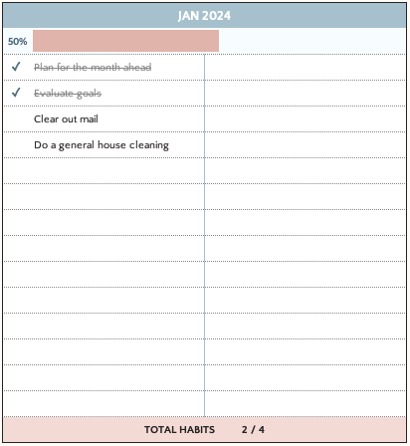

 |  | STEP 12. ENTER YOUR MONTHLY HABITS
 |  | Enter the habits you want to do each month. The Monthly Habits section allows you to add up to 28 habits. Check the checkbox as you finish doing each habit.

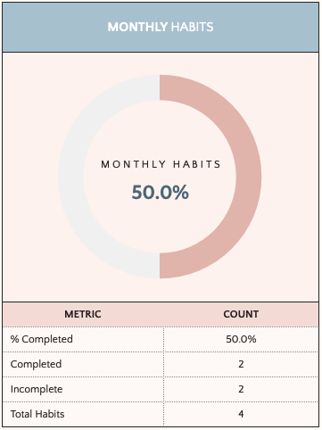

 |  | STEP 13. SEE YOUR MONTHLY HABIT PROGRESS
 |  | See your monthly habit stats automatically update as you check habits. Track your completed, incomplete, and total habits.

 | GO BACK TO TOP

FREQUENTLY ASKED QUESTIONS

see if any of your questions are answered here!

1. | I CAN'T EDIT ANY OF THE CELLS. I KEEP GETTING A POP-UP MESSAGE. IS THIS NORMAL?
 | Yes, this is completely normal! The protection on the sheet is to prevent cells with formulas from being edited accidentally. However, I've put exceptions on cells you're supposed to edit. As a general rule, only edit the cells with a plain white background. Cells with a colored background would have formulas in them and shouldn't be edited! If you want to get rid of this feature, please go to Review > Unprotect Sheet. No password is needed to unprotect the sheet. I highly advise against this, however! Altering or removing formulas in the spreadsheet will change how it works!

2. | CAN I HIDE ROWS I WON'T BE USING?
 | Yes, you definitely can! To do this, please select the entire row and right-click to select Hide. If you wish to unhide the rows, you may select the two rows adjacent to the hidden row and right-click to select Unhide.

3. | CAN I ADD MORE HABITS?
 | Yes, you may definitely do so! Just add new rows anywhere in between the already-existing rows. This will ensure that any newly-added rows are included in the calculations. Please refrain from adding new rows before the first row and after the last. If you need any assistance in adding more habits, please just let me know!

 | STILL HAVE A QUESTION?

 | Please just leave me a message on Etsy! I will get back to you within 24 hours!

 | GO BACK TO TOP

Habit Tracker
 | Met | Not Met
40% | 0% | 40%
4 | 0% | 70%
6 | 0% | 50%
10 | 0% | 60%
 | 0% | 70%
 | 0% | 60%
 | 0% | 40%
 | 0% | 50%
 | 0% | 70%
 | 100% | 0%
 | 0% | 50%
 | 0% | 60%
 | 0% | 70%
 | 0% | 50%
 | 0% | 60%
 | 0% | 60%
 | 0% | 60%
 | 0% | 80%
 | 0% | 60%
 | 100% | 0%
 | 0% | 50%
 | 0% | 80%
 | 0% | 60%
 | 0% | 80%
 | 0% | 60%
 | 0% | 90%
 | 0% | 50%
N O T E S | 0% | 40%
 | 0% | 70%
 | 0% | 50%
 | 0% | 40%
...
J A N U A R Y |  |  |  |  | D A I L Y P E R C E N T A G E P R O G R E S S

H A B I T T R A C K E R D A S H B O A R D |  |  |  |  |  |  |  |  |  |  |  |  |  |  |  |  |  |  |  |  |  |  |  |  |  |  |  |  |  |  |  |  |  |  |  |  | P R O G R E S S |  |  | H A B I T S
 |  |  |  |  |  |  |  |  |  |  |  |  |  |  |  |  |  |  |  |  |  |  |  |  |  |  |  |  |  |  |  |  |  |  |  |  | 69.4% |  |  | 193 / 278
MONTH |  |  | 1
YEAR |  |  | 2024 |  | 40% | 70% | 50% | 60% | 70% | 60% | 40% | 50% | 70% | 100% | 50% | 60% | 70% | 50% | 60% | 60% | 60% | 80% | 60% | 100% | 50% | 80% | 60% | 80% | 60% | 90% | 50% | 40% | 70% | 50% | 40% |  | 69.4% | 30.6%

DAILY HABITS |  |  |  |  | WEEK 1 |  |  |  |  |  |  | WEEK 2 |  |  |  |  |  |  | WEEK 3 |  |  |  |  |  |  | WEEK 4 |  |  |  |  |  |  | WEEK 5 |  |  | PROGRESS
 |  |  |  |  | M | T | W | T | F | S | S | M | T | W | T | F | S | S | M | T | W | T | F | S | S | M | T | W | T | F | S | S | M | T | W | 193 / 278
HABITS |  |  |  |  | 1 | 2 | 3 | 4 | 5 | 6 | 7 | 8 | 9 | 10 | 11 | 12 | 13 | 14 | 15 | 16 | 17 | 18 | 19 | 20 | 21 | 22 | 23 | 24 | 25 | 26 | 27 | 28 | 29 | 30 | 31 | GOAL |  | PERCENTAGE |  |  | COUNT
1 | Wake up at 6:00 am |  |  |  |  | ✓ |  |  | ✓ | ✓ | ✓ |  |  | ✓ |  |  | ✓ |  |  |  |  | ✓ |  | ✓ | ✓ |  | ✓ |  | ✓ | ✓ |  |  |  |  |  | 10 |  | 120% | 120% |  | 12 | / | 10
2 | Make the bed |  |  |  | ✓ | ✓ |  |  | ✓ | ✓ |  |  | ✓ | ✓ |  |  |  |  |  | ✓ | ✓ | ✓ |  | ✓ | ✓ | ✓ | ✓ |  | ✓ | ✓ |  | ✓ | ✓ | ✓ | ✓ | 20 |  | 95% | 95% |  | 19 | / | 20
3 | Do morning skincare routine |  |  |  |  | ✓ | ✓ | ✓ | ✓ | ✓ |  | ✓ | ✓ | ✓ | ✓ | ✓ | ✓ |  | ✓ |  | ✓ | ✓ | ✓ | ✓ |  | ✓ | ✓ | ✓ |  |  | ✓ |  |  |  |  |  |  | 65% | 65% |  | 20 | / | 31
4 | Eat a healthy breakfast |  |  |  |  |  |  |  | ✓ |  | ✓ | ✓ | ✓ | ✓ | ✓ | ✓ | ✓ | ✓ | ✓ | ✓ |  | ✓ | ✓ | ✓ | ✓ | ✓ | ✓ | ✓ |  | ✓ | ✓ |  | ✓ | ✓ |  |  |  | 71% | 71% |  | 22 | / | 31
5 | Move body for 30 minutes |  |  |  | ✓ | ✓ |  | ✓ | ✓ |  | ✓ | ✓ | ✓ | ✓ | ✓ | ✓ | ✓ | ✓ | ✓ | ✓ | ✓ | ✓ | ✓ | ✓ | ✓ | ✓ | ✓ | ✓ | ✓ | ✓ | ✓ | ✓ | ✓ | ✓ | ✓ |  |  | 94% | 94% |  | 29 | / | 31
6 | Reply to emails |  |  |  | ✓ |  | ✓ | ✓ | ✓ |  | ✓ | ✓ | ✓ | ✓ | ✓ | ✓ | ✓ | ✓ | ✓ | ✓ | ✓ | ✓ | ✓ | ✓ | ✓ | ✓ |  | ✓ | ✓ | ✓ | ✓ | ✓ | ✓ |  | ✓ |  |  | 87% | 87% |  | 27 | / | 31
7 | Drink 8 glasses of water |  |  |  | ✓ |  | ✓ | ✓ |  |  |  | ✓ | ✓ | ✓ | ✓ | ✓ | ✓ | ✓ | ✓ | ✓ | ✓ | ✓ | ✓ | ✓ |  | ✓ |  | ✓ | ✓ | ✓ |  |  | ✓ | ✓ | ✓ |  |  | 74% | 74% |  | 23 | / | 31
8 | Limit social media use to 1 hour |  |  |  |  | ✓ | ✓ | ✓ |  | ✓ |  |  | ✓ | ✓ |  | ✓ | ✓ | ✓ | ✓ | ✓ | ✓ | ✓ | ✓ | ✓ |  | ✓ |  | ✓ | ✓ | ✓ |  |  | ✓ |  |  |  |  | 65% | 65% |  | 20 | / | 31
9 | Read one chapter of a book |  |  |  |  | ✓ | ✓ | ✓ |  | ✓ |  |  |  | ✓ |  |  |  |  |  |  |  |  |  | ✓ |  |  | ✓ | ✓ |  | ✓ | ✓ | ✓ | ✓ | ✓ |  |  |  | 42% | 42% |  | 13 | / | 31
10 | Write in journal |  |  |  |  | ✓ |  |  | ✓ | ✓ |  |  |  | ✓ |  |  |  |  |  |  |  |  |  | ✓ |  | ✓ |  | ✓ |  | ✓ |  |  |  |  |  |  |  | 26% | 26% |  | 8 | / | 31
11
12
13
14
15
16
17
18
19
20
21
22
23
24
25
26
27
28
29
30

DAILY SUMMARY |  |  |  |  | WEEK 1 |  |  |  |  |  |  | WEEK 2 |  |  |  |  |  |  | WEEK 3 |  |  |  |  |  |  | WEEK 4 |  |  |  |  |  |  | WEEK 5 |  |  | TOP 10 MOST CONSISTENT HABITS
 |  |  |  |  | M | T | W | T | F | S | S | M | T | W | T | F | S | S | M | T | W | T | F | S | S | M | T | W | T | F | S | S | M | T | W
 |  |  |  |  | 1 | 2 | 3 | 4 | 5 | 6 | 7 | 8 | 9 | 10 | 11 | 12 | 13 | 14 | 15 | 16 | 17 | 18 | 19 | 20 | 21 | 22 | 23 | 24 | 25 | 26 | 27 | 28 | 29 | 30 | 31 | HABIT |  |  |  |  | PERCENTAGE
 |  |  |  |  |  |  |  |  |  |  |  |  |  |  |  |  |  |  |  |  |  |  |  |  |  |  |  |  |  |  |  |  |  |  |  | 1 | Wake up at 6:00 am |  |  |  | 120%
PROGRESS |  |  | D A I L Y H A B I T S |  |  |  |  |  |  |  |  |  |  |  |  |  |  |  |  |  |  |  |  |  |  |  |  |  |  |  |  |  |  |  |  | 2 | Make the bed |  |  |  | 95%
69.4% |  |  | 193 / 278 |  |  |  |  |  |  |  |  |  |  |  |  |  |  |  |  |  |  |  |  |  |  |  |  |  |  |  |  |  |  |  |  | 3 | Move body for 30 minutes |  |  |  | 94%
 |  |  |  |  |  |  |  |  |  |  |  |  |  |  |  |  |  |  |  |  |  |  |  |  |  |  |  |  |  |  |  |  |  |  |  | 4 | Reply to emails |  |  |  | 87%
 |  |  |  |  |  |  |  |  |  |  |  |  |  |  |  |  |  |  |  |  |  |  |  |  |  |  |  |  |  |  |  |  |  |  |  | 5 | Drink 8 glasses of water |  |  |  | 74%
METRIC |  |  | COUNT |  |  |  |  |  |  |  |  |  |  |  |  |  |  |  |  |  |  |  |  |  |  |  |  |  |  |  |  |  |  |  |  | 6 | Eat a healthy breakfast |  |  |  | 71%
% Completed |  |  | 69.4% |  | 40% | 70% | 50% | 60% | 70% | 60% | 40% | 50% | 70% | 100% | 50% | 60% | 70% | 50% | 60% | 60% | 60% | 80% | 60% | 100% | 50% | 80% | 60% | 80% | 60% | 90% | 50% | 40% | 70% | 50% | 40% | 7 | Do morning skincare routine |  |  |  | 65%
Completed |  |  | 193 |  | 4 | 7 | 5 | 6 | 7 | 6 | 4 | 5 | 7 | 10 | 5 | 6 | 7 | 5 | 6 | 6 | 6 | 8 | 6 | 10 | 5 | 8 | 6 | 8 | 6 | 9 | 5 | 4 | 7 | 5 | 4 | 8 | Limit social media use to 1 hour |  |  |  | 65%
Incomplete |  |  | 117 |  | 6 | 3 | 5 | 4 | 3 | 4 | 6 | 5 | 3 | 0 | 5 | 4 | 3 | 5 | 4 | 4 | 4 | 2 | 4 | 0 | 5 | 2 | 4 | 2 | 4 | 1 | 5 | 6 | 3 | 5 | 6 | 9 | Read one chapter of a book |  |  |  | 42%
Daily Goal enter here → |  |  | 10 |  | 10 | 10 | 10 | 10 | 10 | 10 | 10 | 10 | 10 | 10 | 10 | 10 | 10 | 10 | 10 | 10 | 10 | 10 | 10 | 10 | 10 | 10 | 10 | 10 | 10 | 10 | 10 | 10 | 10 | 10 | 10 | 10 | Write in journal |  |  |  | 26%

WEEKLY HABITS |  |  |  | ALL | WEEK 1 |  |  |  |  |  |  | WEEK 2 |  |  |  |  |  |  | WEEK 3 |  |  |  |  |  |  | WEEK 4 |  |  |  |  |  |  | WEEK 5 |  |  |  |  |  | OTHERS
 |  |  |  | WEEK 1 | 50% | 50% |  |  |  |  |  | 75% | 75% |  |  |  |  |  | 25% | 25% |  |  |  |  |  | 50% | 50% |  |  |  |  |  | 100% | 100%
SELECT WEEK |  |  | ALL | WEEK 2 | ✓ | Plan meals for the next week |  |  |  |  |  | ✓ | Plan meals for the next week |  |  |  |  |  |  | Plan meals for the next week |  |  |  |  |  | ✓ | Plan meals for the next week |  |  |  |  |  | ✓ | Plan meals for the next week
 |  |  |  | WEEK 3 |  | Go to the grocery |  |  |  |  |  |  | Go to the grocery |  |  |  |  |  |  | Go to the grocery |  |  |  |  |  |  | Go to the grocery |  |  |  |  |  | ✓ | Go to the grocery
 |  |  |  | WEEK 4 | ✓ | Create weekly to-do list |  |  |  |  |  | ✓ | Create weekly to-do list |  |  |  |  |  |  | Create weekly to-do list |  |  |  |  |  |  | Create weekly to-do list |  |  |  |  |  | ✓ | Create weekly to-do list
 |  |  |  | WEEK 5 |  | Prepare outfits |  |  |  |  |  | ✓ | Prepare outfits |  |  |  |  |  | ✓ | Prepare outfits |  |  |  |  |  | ✓ | Prepare outfits |  |  |  |  |  | ✓ | Prepare outfits
 |  |  |  | OTHERS
W E E K L Y H A B I T S
60.0%

 |  | 60.0% | 40.0%

METRIC |  |  | COUNT
% Completed |  |  | 60.0%
Completed |  |  | 12
Incomplete |  |  | 8
Total Habits |  |  | 20 |  | TOTAL HABITS 2 / 4 |  |  |  |  |  |  | TOTAL HABITS 3 / 4 |  |  |  |  |  |  | TOTAL HABITS 1 / 4 |  |  |  |  |  |  | TOTAL HABITS 2 / 4 |  |  |  |  |  |  | TOTAL HABITS 4 / 4 |  |  |  |  |  | TOTAL HABITS 0 / 0

MONTHLY HABITS |  |  |  |  | JAN 2024
 |  |  |  |  | 50% | 50% |  |  |  |  |  |  |  |  |  |  |  |  |  |  | T H I S M O N T H ' S G O A L S |  |  |  |  |  |  |  |  |  |  |  |  |  | N O T E S
 |  |  |  |  | ✓ | Plan for the month ahead |  |  |  |  |  |  |  |  |  |  |  |  |  |  | ✓
 |  |  |  |  | ✓ | Evaluate goals
 |  |  |  |  |  | Clear out mail
 |  |  |  |  |  | Do a general house cleaning
M O N T H L Y H A B I T S
50.0%

 |  | 50.0% | 50.0%

METRIC |  |  | COUNT
% Completed |  |  | 50.0%
Completed |  |  | 2
Incomplete |  |  | 2
Total Habits |  |  | 4 |  | TOTAL HABITS 2 / 4

BONUS - Goal Tracker
GOAL TRACKER |  |  |  |  |  |  |  |  |  |  |  |  | HERE'S A TIP! Use the Goal Tracker to track weekly, monthly, yearly, and even life goals! Duplicate the Goal Tracker as many times as you wish!

AREAS OF LIFE |  |  |  |  |  |  |  | P A Y O F F C R E D I T C A R D D E B T |  |  |  |  |  | U P S K I L L T O G E T A P R O M O T I O N

CATEGORY |  |  |  | GOALS ACHIEVED |  | PROGRESS |  |  |  |  |  |  |  | 
💰 Finances |  |  |  | 0 / 1 |  | 0.00%
💼 Career |  |  |  | 1 / 1 |  | 100.00%
📈 Personal Growth |  |  |  | 0 / 0 |  | 0.00%
❤️ Health & Wellness |  |  |  | 0 / 0 |  | 0.00%
👯‍♀️ Relationships |  |  |  | 0 / 0 |  | 0.00%

 |  |  |  |  |  |  |  | AREA OF LIFE | 💰 Finances |  |  |  |  | AREA OF LIFE | 💼 Career
 |  |  |  |  |  |  |  | REWARD | Go on a weekend getaway |  |  |  |  | REWARD | Relax and have a spa day
 |  | A C H I E V E D |  |  |  |  |  | STATUS | ○ In Progress |  |  |  |  | STATUS | ✓ Achieved
 |  | 1 / 2 goals |  |  | PROGRESS
 |  |  |  |  | 50.00% |  |  | S T E P S T O R E A C H G O A L |  |  |  |  |  | S T E P S T O R E A C H G O A L
 |  | Keep up the good work! |  |  |  |  |  | 1 |  |  |  | ✓ |  | 1 |  |  |  | ✓
 |  |  |  |  |  |  |  | 2 |  |  |  |  |  | 2
 |  | 50.00% | 50.00% |  |  |  |  | 3 |  |  |  |  |  | 3
 |  |  |  |  |  |  |  | 4 |  |  |  |  |  | 4
T O P P R I O R I T I E S |  |  |  |  |  |  |  | 5 |  |  |  |  |  | 5
✓ |  |  |  |  |  |  |  | 6 |  |  |  |  |  | 6
 |  |  |  |  |  |  |  | 7 |  |  |  |  |  | 7
 |  |  |  |  |  |  |  | 8 |  |  |  |  |  | 8

 |  |  |  |  |  |  |  | DEADLINE | 2025-01-01 | PROGRESS | 0.00% |  |  | DEADLINE | 2025-01-01 | PROGRESS | 0.00%

 | G O A L |  |  |  |  |  |  | G O A L |  |  |  |  |  | G O A L

 | AREA OF LIFE |  |  |  |  |  |  | AREA OF LIFE |  |  |  |  |  | AREA OF LIFE
 | REWARD |  |  |  |  |  |  | REWARD |  |  |  |  |  | REWARD
 | STATUS |  | ✕ Not Started |  |  |  |  | STATUS | ✕ Not Started |  |  |  |  | STATUS | ✕ Not Started

 | S T E P S T O R E A C H G O A L |  |  |  |  |  |  | S T E P S T O R E A C H G O A L |  |  |  |  |  | S T E P S T O R E A C H G O A L
 | 1 |  |  |  |  |  | ✓ | 1 |  |  |  | ✓ |  | 1 |  |  |  | ✓
 | 2 |  |  |  |  |  |  | 2 |  |  |  |  |  | 2
 | 3 |  |  |  |  |  |  | 3 |  |  |  |  |  | 3
 | 4 |  |  |  |  |  |  | 4 |  |  |  |  |  | 4
 | 5 |  |  |  |  |  |  | 5 |  |  |  |  |  | 5
 | 6 |  |  |  |  |  |  | 6 |  |  |  |  |  | 6
 | 7 |  |  |  |  |  |  | 7 |  |  |  |  |  | 7
 | 8 |  |  |  |  |  |  | 8 |  |  |  |  |  | 8

 | DEADLINE |  |  |  | PROGRESS | 0.00% |  | DEADLINE |  | PROGRESS | 0.00% |  |  | DEADLINE |  | PROGRESS | 0.00%

 | G O A L |  |  |  |  |  |  | G O A L |  |  |  |  |  | G O A L

 | AREA OF LIFE |  |  |  |  |  |  | AREA OF LIFE |  |  |  |  |  | AREA OF LIFE
 | REWARD |  |  |  |  |  |  | REWARD |  |  |  |  |  | REWARD
 | STATUS |  | ✕ Not Started |  |  |  |  | STATUS | ✕ Not Started |  |  |  |  | STATUS | ✕ Not Started

 | S T E P S T O R E A C H G O A L |  |  |  |  |  |  | S T E P S T O R E A C H G O A L |  |  |  |  |  | S T E P S T O R E A C H G O A L
 | 1 |  |  |  |  |  | ✓ | 1 |  |  |  | ✓ |  | 1 |  |  |  | ✓
 | 2 |  |  |  |  |  |  | 2 |  |  |  |  |  | 2
 | 3 |  |  |  |  |  |  | 3 |  |  |  |  |  | 3
 | 4 |  |  |  |  |  |  | 4 |  |  |  |  |  | 4
 | 5 |  |  |  |  |  |  | 5 |  |  |  |  |  | 5
 | 6 |  |  |  |  |  |  | 6 |  |  |  |  |  | 6
 | 7 |  |  |  |  |  |  | 7 |  |  |  |  |  | 7
 | 8 |  |  |  |  |  |  | 8 |  |  |  |  |  | 8

 | DEADLINE |  |  |  | PROGRESS | 0.00% |  | DEADLINE |  | PROGRESS | 0.00% |  |  | DEADLINE |  | PROGRESS | 0.00%

