Gayane Arakelyan
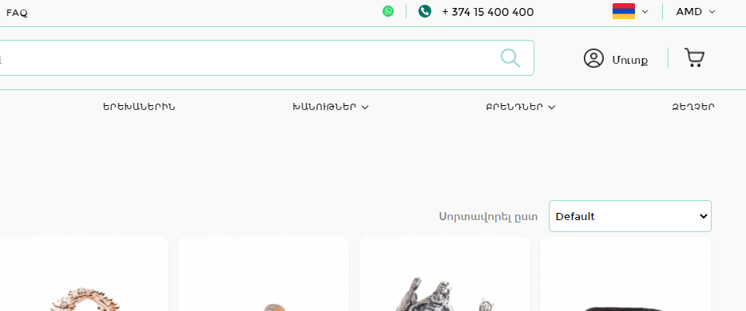
 | 4u.am | 4u.am
Summary: | there is no " Viber" Icon on contact details | there is no translation into English in FAQ
Environment: | Google Chrome browser, Toshiba Laptop | Google Chrome browser, Toshiba Laptop
User Role: | General user | General user
Description: | in Contact details there is no Viber icon , however it says that you can make orders via Viber application, so there is mismatching infomation Ինչպե՞ս կարող եմ պատվեր գրանցել: Պատվեր կարող եք գրանցել կայքի, կայքում գործող LIVE Chat-ի, Facebook, Instagram, Tik-Tok սոցիալական հարթակների, Viber, WhatsApp հավելվածների և հեռախոսազանգի միջոցով: Բոլոր հղումները կան առաջին էջում: | there is no translation into ENglish in FAQ
Steps to reproduce: | Open 4u.am , check/find the Viber icon on the main page | open 4u.am , click on ENglish version/US flag, go to FAQ and check the langugae
Actual Result: | activate Viber Icon and make possible to make orders via Viber application | have it translated into ENglish

Zhanna
4u.am bugs | 1 | 2 | 3 | 4 | 5 | 6 | 7 | 8 | 9
Summary: | "+" in phone number field overlaps 2-3 phone number digits in the form | "Show Password" icon works incorrect in password field | Incorrect error notification for all required fields in Registration, also in other pages where applying any data is required | There is no english and russian translation for FAQ in Eng & Ru versions | Content difference between english and armenian version in BLOG section | Translation missings in Blog for navigation buttons | Cursor change problem for clickable buttons | The buttons to increase or decrease the number of selected items in basket don't work | Dropdown arrow is not working correct in all sections of website
Environment: | Windows 10, Google Chrome browser | Windows 10, Google Chrome browser | Windows 10, Google Chrome browser | Windows 10, Google Chrome browser | Windows 10, Google Chrome browser | Windows 10, Google Chrome browser | Windows 10, Google Chrome browser | Windows 10, Google Chrome browser | Windows 10, Google Chrome browser
User Role: | General user | General user | General user | General user | General user | General user | General user | General user | General user
Description: | During the registration when trying to apply phone number, "+" overlaps and it's impossible to see 2-3 digits of phone number. | When you're trying to disable "show" icon, it doesn't turn to light grey color in password field, the same problem exists in "repeat password" field but it doesn't turn to green color while is enabled. | When you try to register without entering any data, the error notification is written grammatically incorrect and in the wrong sense | When you choose english or russian version of website, the FAQ section is still armenian | When you change language in Blog , the content is not the same, also there is missing russian version of Blog | There are some navigation buttons under the banner in Blog section which are not translated to armenian | When you hover the "Cart" (basket)button , the cursor is not changed to POINTER | It's impossible to add and subtract selected items in Basket, for example you can add 1 more wine to your basket only from menu, it's also impossible in process of ordering. | When you open dropdowns, the arrow doesnt rotate to UP
Steps to reproduce: | 1. Open 4u.am | 1. Open 4u.am | 1. Open 4u.am | 1. Open 4u.am/en or 4u.am/ru | 1. Open 4u.am | 1. Open 4u.am | 1. Open 4u.am | 1. Open 4u.am | 1. Open 4u.am
 | 2. Go to Registration section | 2. Go to Registration section | 2. Go to Registration section | Open FAQ section | 2. Go to Blog section (https://blog.4u.am/?lang=hy) | 2. Go to Blog section (https://blog.4u.am/?lang=hy) | 2. Hover the "Cart" | 2. Add to your Basket some items without Loging in | 2. Add to your Basket some items without Loging in->Go to Basket->Click on "Order" button->Click on "Continue without registration" and select for example "Time" Dropdown, also "Select the city"
 | 3. Apply tel.number in phone field | 3. Apply any passwords in Password and Repeat Password fields | 3.Click on Register button without entering any data |  | 3.Change to English | 3. Look at the section under the banner |  | 3.Go to Basket
 |  | 4. Try to enable and disable "Show password" icons in Password and Repeat Password fields |  |  |  |  |  | 4.try to increase or decrease the quantity of items
Actual Result: | 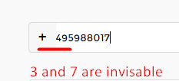 | Disabled Enabled | 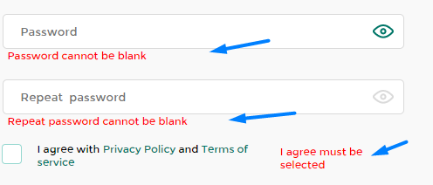 All error notifications are not grammatically correct and are not understandable | FAQ is still in armenian | Blog content is different |  the buttons in navigation which are under the banner are not translated to armenian when you choose armenian | When you hover the "Cart"(basket) button it's not changed as hovered and the cursor is not becoming "POINTER" | 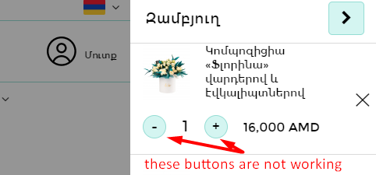 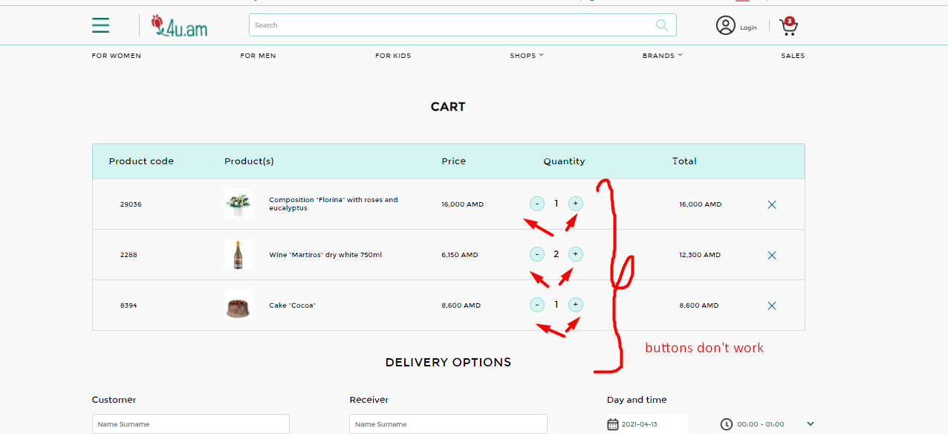 The quantity did not change when you click on - and + buttons | the arrow doesn't rotate correct when the dropdown is opened
Expected Result: | Phone number format must be shown correct : +374xxxxxx | The color of icon must be changed similar for both fields. | Error notifications must be written semantically correct. For example instead of these error notification can be written:Please enter your Name, Enter email address, Please enter a password.,Please select agrrement of Privacy Policy and etc. | The section FAQ must be translated according to the selected language. | To being user friendly the content must be same for all versions of the Blog | It will be more correct if section names on buttons are translated to armenian too (for example: Ծաղիկներ, Նվեր-տուփեր, Տորթեր և Քաղցրավենիք) | The cursor must be changed to"POINTER" when you hover "Cart"(basket) button (hovering clickable buttons it's always must work like that) | Clicking on - or + buttons in Basket must change quantity of items | The arrows must be turned to UP when dropdown is open

Description:
Steps to reproduce:
Actual Result:
Expected Result:

Olga
 |  | # | Action | Message | Duration / Fetch
3 | 3 | 1 | SHOW databases | 7 row(s) returned | 0.015 sec / 0.000 sec
3 | 3 | 2 | USE acadb | 0 row(s) affected | 0.000 sec
3 | 3 | 3 | SHOW tables | 3 row(s) returned | 0.015 sec / 0.000 sec
3 | 3 | 4 | CREATE TABLE Persons ( ID int NOT NULL PRIMARY KEY AUTO_INCREMENT , ContactName varchar(255), Age int, City varchar(255)); | 0 row(s) affected | 0.110 sec
3 | 3 | 5 | SHOW tables | 4 row(s) returned | 0.016 sec / 0.000 sec
3 | 3 | 6 | INSERT INTO persons (ContactName, Age, City) VALUES ('John Wayn', '21', 'Dublin'), ('Lily Ewans', '25', 'Mexico'), ('Dolly Paroson', '28', 'New York'), ('May Lool', '44', 'London'), ('Endy Yand', '44', 'London'), ('Mooor Many', '62', 'Lisbon') | 6 row(s) affected Records: 6 Duplicates: 0 Warnings: 0 | 0.016 sec
3 | 3 | 7 | CREATE TABLE ordernumber ( Orderid int NOT NULL PRIMARY KEY AUTO_INCREMENT, Ordername varchar(255), City varchar(255), Orderprice int) | 0 row(s) affected | 0.109 sec
3 | 3 | 8 | INSERT INTO ordernumber (Ordername, City, Orderprice) VALUES ('Chairs', 'Dublin', '500'), ('Honey','Mexico', '750'), ('Blue table', 'New York', '480'), ('Orange ball', 'London', '920'), ('Red wardrobe', 'Delhi', '580'), ('White cupboard','Tokyo', '790'), ('Puprle sofa','Cairo', '754' ) | 7 row(s) affected Records: 7 Duplicates: 0 Warnings: 0 | 0.015 sec
3 | 3 | 9 | SELECT 'persons.Contactname', 'Ordername.ordernumber' FROM persons INNER JOIN ordernumber ON 'persons.City' = 'Ordernumber.City' | 0 row(s) returned | 0.016 sec / 0.000 sec
3 | 3 | 10 | SELECT 'persons.ContactName', 'persons.Age', 'Ordername.ordernumber' FROM ordernumber RIGHT JOIN persons ON persons.City = ordernumber.City; | 6 row(s) returned | 0.000 sec / 0.000 sec
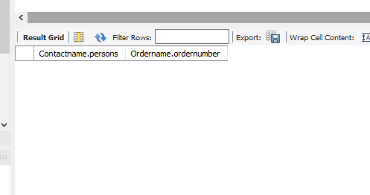
3
3
3
3
3
3
3
3

Maga(SQL)
SQL
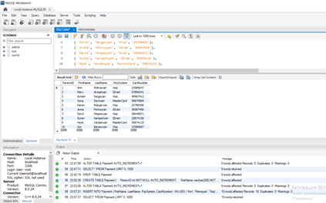
1.CRAETE DATABASE ACAstudentsinformation;
2.USE ACAstudentsinformation;
3.CREATE TABLE Payment ( PersonID int NOT NULL AUTO_INCREMENT, FirstName varchar(100) NOT NULL, LastName varchar(100), PaySystem varchar (100), CardNumber int, PRIMARY KEY (PersonID) );
4.ALTER TABLE Payment AUTO_INCREMENT=1;
5.SELECT *FROM Payment;
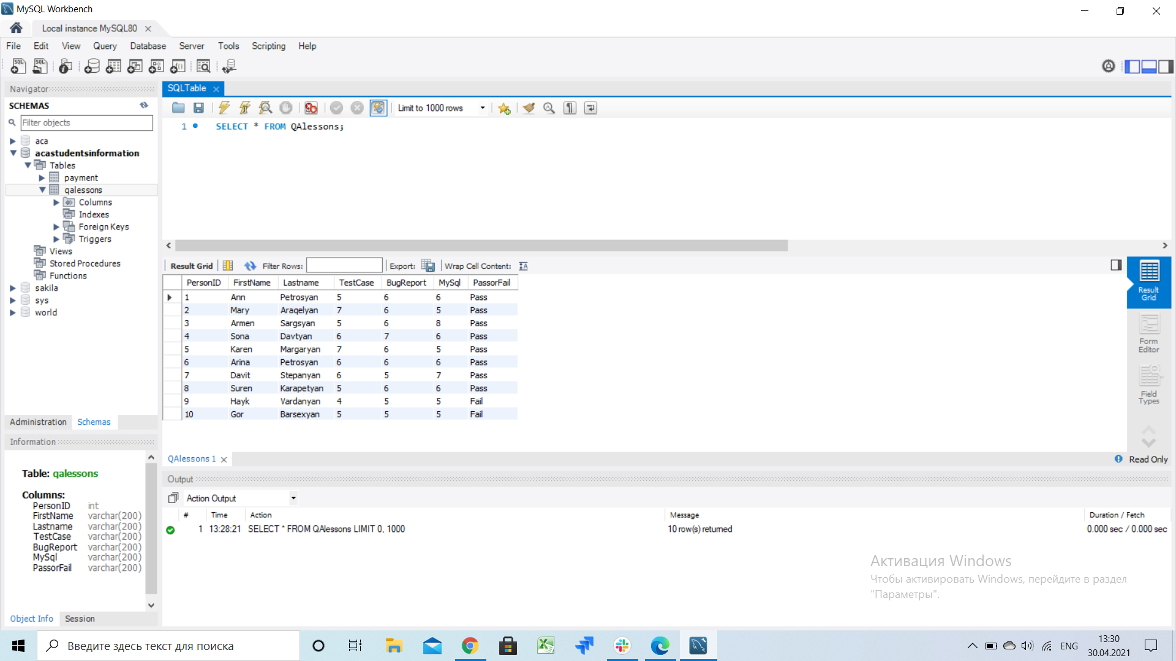
6.CREATE TABLE QAlessons (PersonID int, FirstName varchar (200),Lastname varchar (200),TestCase varchar (200),BugReport varchar (200),MySql varchar (200));
7.ALTER TABLE QAlessons ADD COLUMN PassorFail varchar (200);
8.SET SQL_SAFE_UPDATES = 0;
9.UPDATE QAlessons SET TestCase=5,BugReport=6, MySQL=6 WHERE PersonID=1;...
10.UPDATE QAlessons SET PassorFail = 'Pass' WHERE TestCase>=5 AND BugReport>=5 AND MySQL>=5;
11.UPDATE QAlessons SET PassorFail = 'Fail' WHERE TestCase<=5 AND BugReport<=5 AND MySQL<=5;
12.SELECT *FROM QAlessons;

SQL JOIN

1.CREATE DATABASE SQLjoin;
2.USE SQLjoin;
3.CREATE TABLE Clients ( N int NOT NULL AUTO_INCREMENT,
ID int NOT NULL,
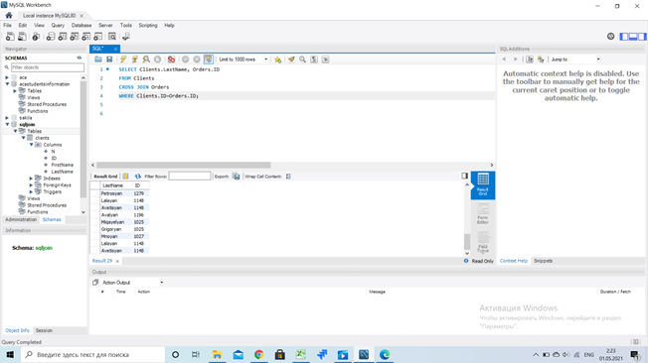
FirstName varchar(100),
LastName varchar(100),
PRIMARY KEY (N)
);
4.INSERT INTO Clients VALUES ( N, ID= 1012, FirstName='Lilit', LastName= 'Muradyan'),
( N, ID= 1225, FirstName= 'Aram', LastName= 'Grigoryan'),
(N, ID= 2154, FirstName= 'Areg', LastName= 'Sargsyan'),
(N, ID= 1236, FirstName= 'Armine', LastName= 'Barseghyan'),
(N, ID=1328, FirstName= 'Gor', LastName= 'Gevorgyan'),
(N, ID= 4547, FirstName= 'Mher', LastName= 'Davtyan'),
(N, ID= 8939, FirstName='Tatev', LastName='Kirakosyan');...
5. SELECT * FROM Clients;
6.USE SQLjoin;
7.CREATE TABLE Orders ( N int NOT NULL AUTO_INCREMENT, ID numeric NOT NULL, OrderN numeric, PRIMARY KEY (N));
8.UPDATE Orders SET OrderN= '1587' WHERE N=1;...
9.SELECT * FROM Orders;
10.SELECT FirstName
FROM Clients
INNER JOIN Orders
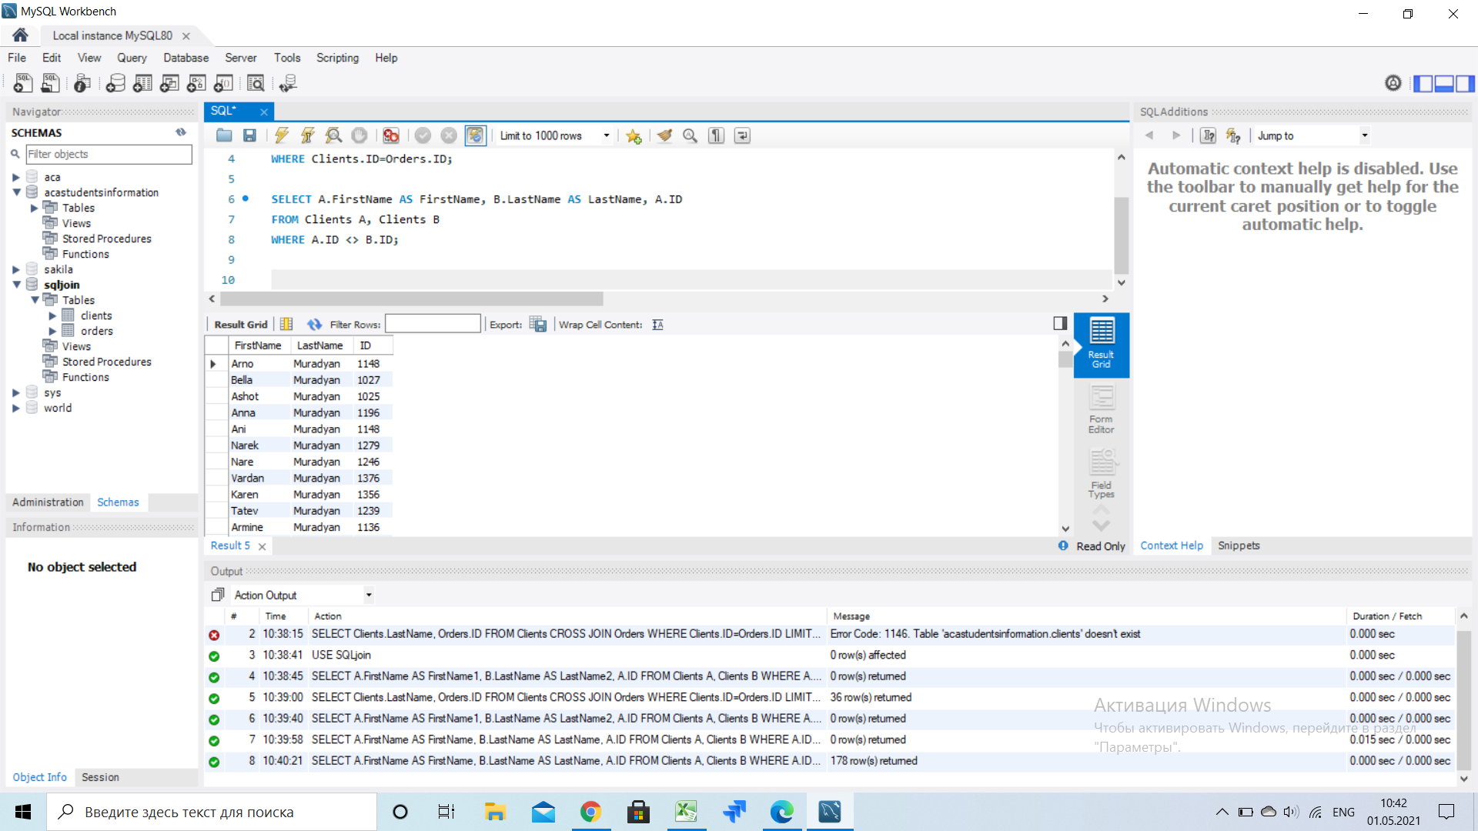
ON Clients.ID = Orders.ID;
11.SELECT LastName
FROM Clients
LEFT JOIN Orders
ON Clients.ID = Orders.ID;
WHERE Clients.ID=Orders.ID;
12.SELECT Orders.OrderN,Clients.LastName, Clients.FirstName
FROM Clients
RIGHT JOIN Clients
ON Orders.ID = Clients.ID;
13.SELECT Clients.LastName, Orders.ID
FROM Clients
CROSS JOIN Orders
WHERE Clients.ID=Orders.ID;
14.SELECT A.FirstName AS FirstName, B.LastName AS LastName, A.ID
FROM Clients A, Clients B
WHERE A.ID <> B.ID;

Liza_SQL
N | Command | Action | Action Result
1 | Creating Database | CREATE DATABASE ACA_Students
2 | Open DB | USE ACA_Students
3 | Creating Table | CREATE TABLE Payment (LastName varchar(255), FirstName varchar(255), Payment_method varchar(255), Card_number int ) | 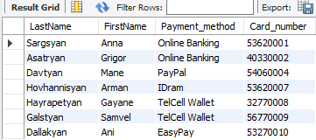
4 | View | SELECT * FROM Payment
5 | Inserting Datas Into 'Payment' Table | INSERT INTO Payment (LastName, FirstName, Payment_method, Card_number) VALUES ('Sargsyan', 'Anna', 'Online Banking', '53620001')
6 |  | INSERT INTO Payment (LastName, FirstName, Payment_method, Card_number) VALUES ('Asatryan', 'Grigor', 'Online Banking', '40330002')
7 |  | INSERT INTO Payment (LastName, FirstName, Payment_method, Card_number) VALUES ('Davtyan', 'Mane', 'PayPal', '54060004')
8 |  | INSERT INTO Payment (LastName, FirstName, Payment_method, Card_number) VALUES ('Hovhannisyan', 'Arman', 'IDram', '53620007')
9 |  | INSERT INTO Payment (LastName, FirstName, Payment_method, Card_number) VALUES ('Hayrapetyan', 'Gayane', 'TelCell Wallet', '32770008')
10 |  | INSERT INTO Payment (LastName, FirstName, Payment_method, Card_number) VALUES ('Galstyan', 'Samvel', 'TelCell Wallet', '56770009')
11 |  | INSERT INTO Payment (LastName, FirstName, Payment_method, Card_number) VALUES ('Dallakyan', 'Ani', 'EasyPay', '53270010')
12 | Creating clone table with LastName and FirstName from "Payment" | CREATE TABLE Students_Grades AS SELECT LastName, FirstName FROM Payment
13 | Adding Columns and setting formats | ALTER TABLE Students_Grades ADD Test_Case INT
14 |  | ALTER TABLE Students_Grades ADD Bug_Reporting INT
15 |  | ALTER TABLE Students_Grades ADD TestRail INT
16 |  | ALTER TABLE Students_Grades ADD Jira INT
17 |  | ALTER TABLE Students_Grades ADD MySQL INT
18 |  | ALTER TABLE Students_Grades ADD Pass_Fail varchar (255)
19 | View | SELECT * FROM Students_Grades
20 | Setting Datas in the Null fields (Update) | UPDATE Students_Grades SET Test_Case = '6', Bug_Reporting = '7', TestRail = '7', Jira = '6', MySQL = '5' WHERE LastName = 'Sargsyan'
21 |  | UPDATE Students_Grades SET Test_Case = '9', Bug_Reporting = '9', TestRail = '10', Jira = '10', MySQL = '9' WHERE LastName = 'Asatryan'
22 |  | UPDATE Students_Grades SET Test_Case = '4', Bug_Reporting = '6', TestRail = '5', Jira = '6', MySQL = '5' WHERE LastName = 'Davtyan'
23 |  | UPDATE Students_Grades SET Test_Case = '7', Bug_Reporting = '8', TestRail = '7', Jira = '6', MySQL = '4' WHERE LastName = 'Hovhannisyan'
24 |  | UPDATE Students_Grades SET Test_Case = '8', Bug_Reporting = '3', TestRail = '7', Jira = '6', MySQL = '3' WHERE LastName = 'Hayrapetyan'
25 |  | UPDATE Students_Grades SET Test_Case = '9', Bug_Reporting = '10', TestRail = '8', Jira = '8', MySQL = '8' WHERE LastName = 'Galstyan'
26 |  | UPDATE Students_Grades SET Test_Case = '5', Bug_Reporting = '7', TestRail = '7', Jira = '6', MySQL = '8' WHERE LastName = 'Dallakyan'
27 | View | SELECT * FROM Students_Grades
28 | Setting Datas in the Null fields (Update) | UPDATE Students_Grades SET Pass_Fail = 'Fail' WHERE LastName = 'Hayrapetyan' | 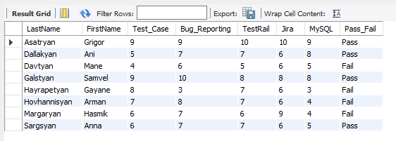
29 |  | UPDATE Students_Grades SET Pass_Fail = 'Pass' WHERE LastName = 'Sargsyan'
30 |  | UPDATE Students_Grades SET Pass_Fail = 'Pass' WHERE LastName = 'Asatryan'
31 |  | UPDATE Students_Grades SET Pass_Fail = 'Fail' WHERE LastName = 'Davtyan'
32 |  | UPDATE Students_Grades SET Pass_Fail = 'Fail' WHERE LastName = 'Hovhannisyan'
33 |  | UPDATE Students_Grades SET Pass_Fail = 'Pass' WHERE LastName = 'Galstyan'
34 |  | UPDATE Students_Grades SET Pass_Fail = 'Pass' WHERE LastName = 'Dallakyan'
35 |  | UPDATE Students_Grades SET LastName = 'Margaryan', FirstName = 'Hasmik', Pass_Fail = 'Fail' WHERE Jira = '9'
36 | View LastName by A-Z | SELECT * FROM Students_Grades ORDER BY LastName ASC

