euro
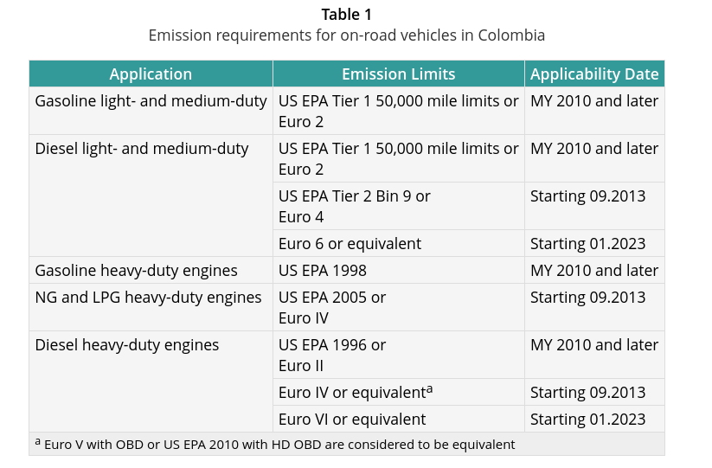
MC_2S_50_G | MC_4S_50_250_G | MC_4S_250_750_G | MC_4S_750_G | MC_ELEC
Euro 3 | Euro 3 | Euro 3 | Euro 3 | ELEC
Euro 3 | Euro 3 | Euro 3 | Euro 3 | ELEC
Euro 3 | Euro 3 | Euro 3 | Euro 3 | ELEC
Euro 3 | Euro 3 | Euro 3 | Euro 3 | ELEC
Euro 3 | Euro 3 | Euro 3 | Euro 3 | ELEC
Euro 2 | Euro 2 | Euro 2 | Euro 2 | ELEC
Euro 2 | Euro 2 | Euro 2 | Euro 2 | ELEC
Euro 2 | Euro 2 | Euro 2 | Euro 2 | ELEC
Euro 1 | Euro 1 | Euro 1 | Euro 1 | ELEC
Euro 1 | Euro 1 | Euro 1 | Euro 1 | ELEC
Euro 1 | Euro 1 | Euro 1 | Euro 1 | ELEC
Euro 1 | Euro 1 | Euro 1 | Euro 1 | ELEC
Euro 1 | Euro 1 | Euro 1 | Euro 1 | ELEC
Euro 1 | Euro 1 | Euro 1 | Euro 1 | ELEC
Euro 1 | Euro 1 | Euro 1 | Euro 1 | ELEC
Euro 1 | Euro 1 | Euro 1 | Euro 1 | ELEC
Euro 1 | Euro 1 | Euro 1 | Euro 1 | ELEC
Euro 1 | Euro 1 | Euro 1 | Euro 1 | ELEC
Open Loop | Open Loop | Open Loop | Open Loop | ELEC
Open Loop | Open Loop | Open Loop | Open Loop | ELEC
Open Loop | Open Loop | Open Loop | Open Loop | ELEC
Open Loop | Open Loop | Open Loop | Open Loop | ELEC
ECE 15/04 | ECE 15/04 | ECE 15/04 | ECE 15/04 | ELEC
ECE 15/04 | ECE 15/04 | ECE 15/04 | ECE 15/04 | ELEC
ECE 15/04 | ECE 15/04 | ECE 15/04 | ECE 15/04 | ELEC
ECE 15/04 | ECE 15/04 | ECE 15/04 | ECE 15/04 | ELEC
ECE 15/04 | ECE 15/04 | ECE 15/04 | ECE 15/04 | ELEC
ECE 15/04 | ECE 15/04 | ECE 15/04 | ECE 15/04 | ELEC
ECE 15/04 | ECE 15/04 | ECE 15/04 | ECE 15/04 | ELEC
ECE 15/04 | ECE 15/04 | ECE 15/04 | ECE 15/04 | ELEC
ECE 15/04 | ECE 15/04 | ECE 15/04 | ECE 15/04 | ELEC
ECE 15/04 | ECE 15/04 | ECE 15/04 | ECE 15/04 | ELEC
ECE 15/04 | ECE 15/04 | ECE 15/04 | ECE 15/04 | ELEC
ECE 15/04 | ECE 15/04 | ECE 15/04 | ECE 15/04 | ELEC
ECE 15/04 | ECE 15/04 | ECE 15/04 | ECE 15/04 | ELEC
ECE 15/04 | ECE 15/04 | ECE 15/04 | ECE 15/04 | ELEC
ECE 15/04 | ECE 15/04 | ECE 15/04 | ECE 15/04 | ELEC
ECE 15/04 | ECE 15/04 | ECE 15/04 | ECE 15/04 | ELEC
ECE 15/04 | ECE 15/04 | ECE 15/04 | ECE 15/04 | ELEC
ECE 15/04 | ECE 15/04 | ECE 15/04 | ECE 15/04 | ELEC
ECE 15/04 | ECE 15/04 | ECE 15/04 | ECE 15/04 | ELEC
ECE 15/04 | ECE 15/04 | ECE 15/04 | ECE 15/04 | ELEC
...

