1. Switching (half-bridge)
Switching (half-bridge)

The gate driving and switching characteristics of the power modules is evaluated using a single module and an RL load, effectively testing the converter with a buck topology.
Test group | Test | Procedure | Material | Acceptance criteria | Value / result |  | Comments | Attachment
MCU setup | PWM configuration | Set up a dev. board with a complementary PWM output with adjustable dead-time, frequency and duty cycle. | Dev. board | - |  | PENDING
 | Analog acquisition | Set up an ADC with 3 input channels, for DC voltage, output current and module temperature. | Same as before | - |  | PENDING
Testbench setup | Testbench | Set up a testbench following the attached schematic. Tie SC_END to an emergency stop. Heatsink the module so it can dissipate at least 5W. | Same as before, power supply, current and voltage probes, scope, multimeter, 1mH, 10A inductance, 7R, 300W resistor | 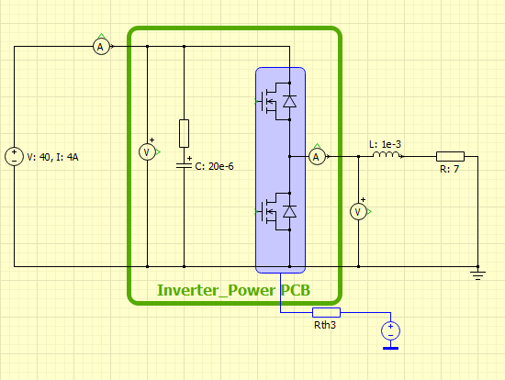 |  | PENDING
 | Software | Write a code that implements the attached control loop. Add a temperature cut-off and read the emergency stop state to disable the PWM output. | Same as before |  |  | PENDING
Open loop | No load, 12V | Disconnect the load from the converter, and generate a constant 10kHz, 30% duty, 500ns DT, complementary (top P, bot N) PWM signal to drive the half bridge. Capture Vgs on both MOSFETs and Vout. Compare with simulations. | Same as before | Vgs values within datasheet specification, no excessive ringing // Vout,RMS = 12V // Iout,RMS = 0A |  | PENDING
 | RL load, 12V | Connect the load to the converter, and generate a constant 10kHz, 30% duty, 500ns DT, complementary (top P, bot N) PWM signal to drive the half bridge. Capture Vgs on both MOSFETs and Vout. Compare with simulations. | Same as before | Vgs values within datasheet specification, no excessive ringing // Vout,RMS = 12V // Iout,RMS = 1.7A (1.3A..2.1A) |  | PENDING
Closed current loop | RL load, 5A | Connect the load to the converter, enable the current PI controller and set it up for 4A. Capture Vgs on both MOSFETs and Vout. Compare with simulations. | Same as before | Vgs values within datasheet specification, no excessive ringing // Vout,RMS = 35V // Iout,RMS = 4A (3.75A..4.2A) |  | PENDING

