0. Pre-inspection
Pre-inspection |  |  |  |  |  |  | Overall summary
 |  |  |  |  |  |  | OK | NOK | PENDING | TOTAL
 |  |  |  |  |  |  | 9 | 0 | 25 | 34
 |  |  |  |  |  |  | Percentage passed |  | 26%

The goal is to ensure physical integrity and quality of the test unit before testing and assembly. This assessment helps identify potential issues early in the testing process. |  |  |  |  |  |  | Tabs color code |  | Description
Test unit code | JOSE | Test date | Test location |  | Test engineer | David Redondo |  | Pre-inspection | Prior to testing
Picture of the unit (Top) |  |  | Checks |  |  |  |  | Subcircuits | Isolated evaluation of circuits
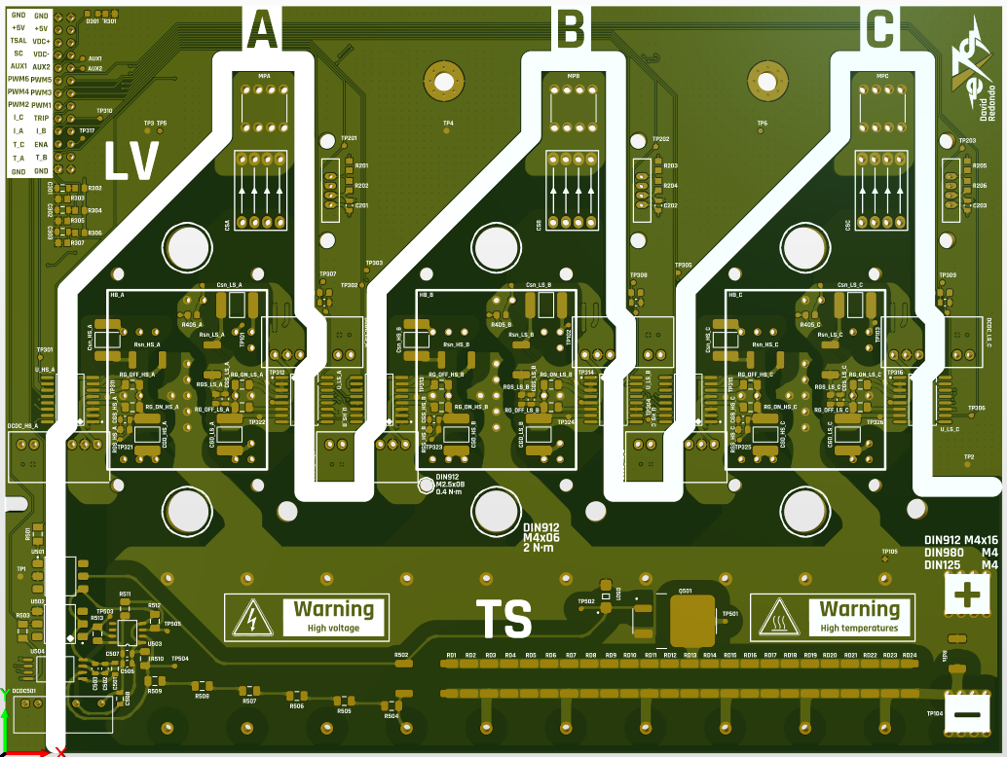 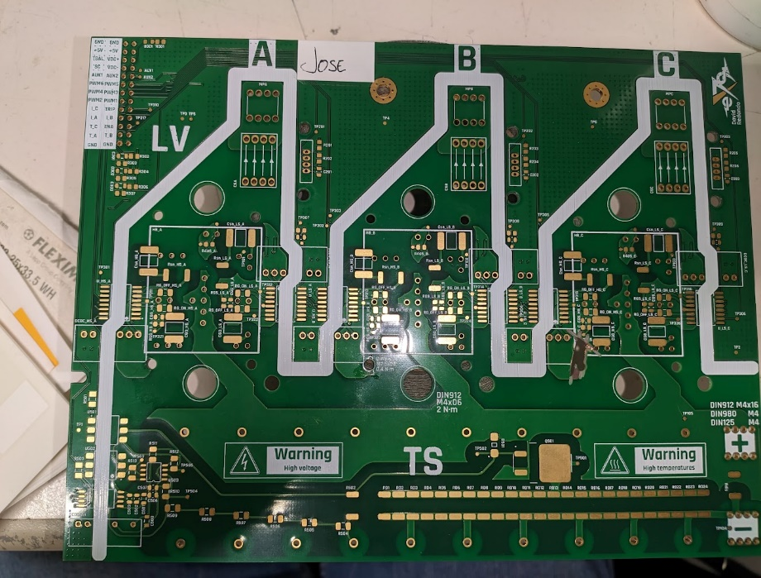 |  |  | Visual inspection (scratches, surface finish, silkscreen…) | No scratches, finish OK, thin soldermask noticeable on sharp corners in outer layers. ENIG looking good, but it should be chemical tin… Silkscreen on + and - DC connectors is swapped, |  | OK |  | Subystem | Overall functionality of a subystem
 |  |  |  |  |  |  |  | Integration | Subsystems tested together
 |  |  |  |  |  |  |  | Performance | Thermal, electrical, mechanical
 |  |  | Edge roughness | Silky smooth, some dents due to panelization |  | OK |  | Interface | Integration with external systems

 |  |  |  |  |  |  | WARNING
 |  |  | Board dimensions | 150mm x 200mm |  | OK | Tests with red text imply danger (high voltage, high temperature...)

 |  |  |  |  |  |  |  | Sheet summary
 |  |  | Layer copper thickness | 70um x 4 |  | OK |  | OK | NOK | PENDING | %

Picture of the unit (Bottom) |  |  | Press-fit vias copper thickness | 33-50um |  | OK | 0. Pre-inspection | 5 | 0 | 0 | 100%
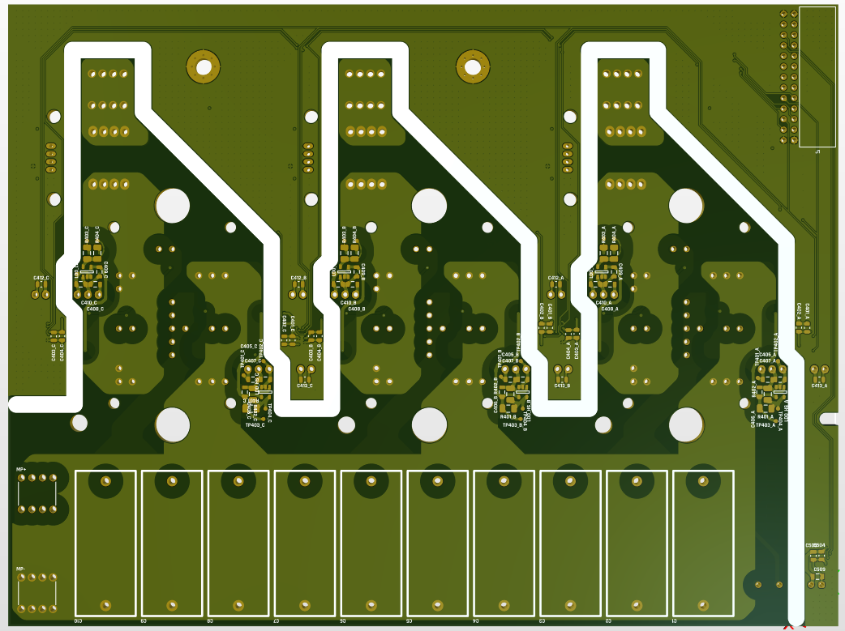 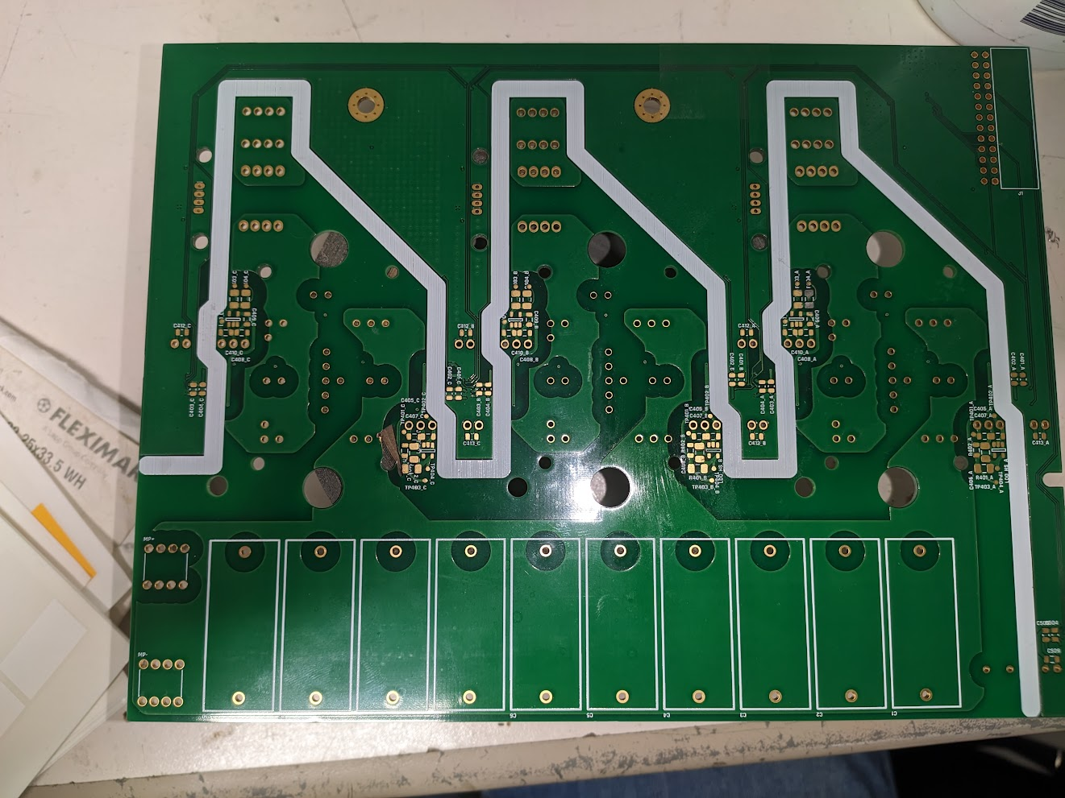

 |  |  | Board looks alright overall, despite the errors in the design. |  |  |  | 1. First contact | 2 | 0 | 8

 |  |  |  |  |  |  | 2. V-I sensing and discharge | 2 | 0 | 7

 |  |  |  |  |  |  | 3. Switching (half-bridge) | 0 | 0 | 7

 |  |  |  |  |  |  | 4. Discharge HV | 0 | 0 | 3

3. Switching (half-bridge)
Switching (half-bridge)

The gate driving and switching characteristics of the power modules is evaluated using a single module and an RL load, effectively testing the converter with a buck topology.
Test group | Test | Procedure | Material | Acceptance criteria | Value / result |  | Comments | Attachment
MCU setup | PWM configuration | Set up a dev. board with a complementary PWM output with adjustable dead-time, frequency and duty cycle. | Dev. board | - |  | PENDING
 | Analog acquisition | Set up an ADC with 3 input channels, for DC voltage, output current and module temperature. | Same as before | - |  | PENDING
Testbench setup | Testbench | Set up a testbench following the attached schematic. Tie SC_END to an emergency stop. Heatsink the module so it can dissipate at least 5W. | Same as before, power supply, current and voltage probes, scope, multimeter, 1mH, 10A inductance, 7R, 300W resistor | 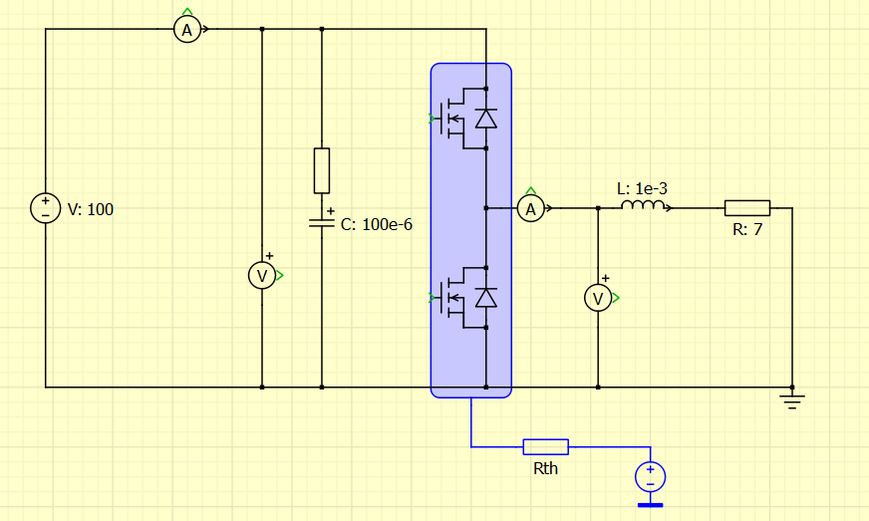 |  | PENDING
 | Software | Write a code that implements the attached control loop. Add a temperature cut-off and read the emergency stop state to disable the PWM output. | Same as before |  |  | PENDING
Open loop | No load, 12V | Disconnect the load from the converter, and generate a constant 10kHz, 30% duty, 100ns DT, complementary (top P, bot N) PWM signal to drive the half bridge. Capture Vgs on both MOSFETs and Vout. Compare with simulations. | Same as before | Vgs values within datasheet specification, no excessive ringing // Vout,RMS = 12V // Iout,RMS = 0A |  | PENDING
 | RL load, 12V | Connect the load to the converter, and generate a constant 10kHz, 30% duty, 100ns DT, complementary (top P, bot N) PWM signal to drive the half bridge. Capture Vgs on both MOSFETs and Vout. Compare with simulations. | Same as before | Vgs values within datasheet specification, no excessive ringing // Vout,RMS = 12V // Iout,RMS = 1.7A (1.3A..2.15A) |  | PENDING
Closed current loop | RL load, 5A | Connect the load to the converter, enable the current PI controller and set it up for 5A. Capture Vgs on both MOSFETs and Vout. Compare with simulations. | Same as before | Vgs values within datasheet specification, no excessive ringing // Vout,RMS = 35V // Iout,RMS = 5A (4.75A..5.2A) |  | PENDING

