0. Pre-inspection
Pre-inspection |  |  |  |  |  |  |  | Overall summary
 |  |  |  |  |  |  |  | OK | NOK | PENDING | TOTAL
 |  |  |  |  |  |  |  | 23 | 0 | 0 | 23
 |  |  |  |  |  |  |  | Percentage passed |  | 100%

The goal is to ensure physical integrity and quality of the test unit before testing and assembly. This assessment helps identify potential issues early in the testing process. |  |  |  |  |  |  |  | Tabs color code |  | Description
Test unit code | tau | Test date | 2024-04-10 | Test location | CITCEA-UPC | Test engineer | David Redondo |  | Pre-inspection | Prior to testing
Picture of the unit |  |  |  | Checks |  |  |  |  | Subcircuits | Isolated evaluation of circuits
 |  |  |  | DC-Link assembled |  |  | OK |  | Subystem | Overall functionality of a subystem
 |  |  |  |  |  |  |  |  | Integration | Subsystems tested together
 |  |  |  |  |  |  |  |  | Performance | Thermal, electrical, mechanical
 |  |  |  | HV PSU Setup |  |  | OK |  | Interface | Integration with external systems

 |  |  |  |  |  |  |  | WARNING
 |  |  |  | Precharge Setup |  |  | OK | Tests with red text imply danger (high voltage, high temperature...)

 |  |  |  |  |  |  |  |  | Sheet summary
 |  |  |  |  |  |  | OK |  | OK | NOK | PENDING | %

Picture of the setup |  |  |  |  |  |  | OK | 0. Pre-inspection | 5 | 0 | 0 | 100%
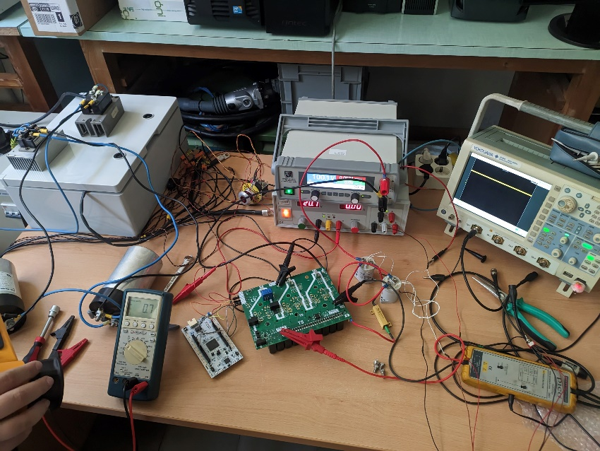 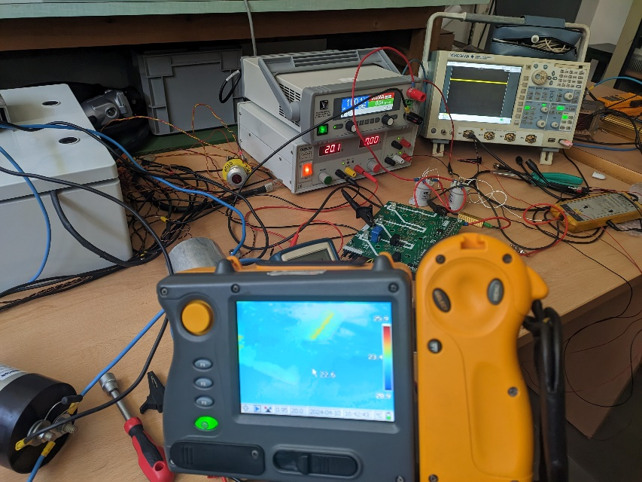

 |  |  |  |  |  |  |  | 5. Discharge HV | 18 | 0 | 0 | 100%

1. Discharge HV
Discharge HV

Measurements of voltage transients and resistor temperatures ensure safe and effective high voltage discharge.
Test group | Test | Procedure | Material | Acceptance criteria | Value / result |  | Comments | Attachment
Active discharge 50V | 50V (electrical) | Populate C1..C10 (100uF of total capacitance, watch for voltage rating). Without supplying the board from the LV side, apply 50V. between TS+ and TS-, precharging accordingly. Disconnect the voltage and capture the voltage transient between TS+ and TS-. Capture the temperature of the discharge resistors and MOSFET. | Same as before, C1..C10, scope, multimeter, power supply | TS+ - TS- is 10V 2,95s after removing voltage. |  | OK |  | 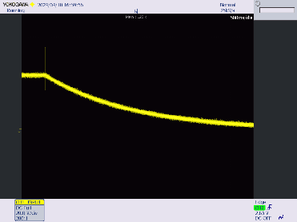
 | 50V (thermal) and voltage withstand | Without supplying the board from the LV side, apply 50V. between TS+ and TS-, precharging accordingly. Leave it for some minutes, then capture the temperature of the discharge resistors (including Rdis) and MOSFET. Check for any arc or sign of dielectric breakdown within the board. | Same as before, thermal camera | Discharge resistors and MOSFET do not exceed 120 degC, no arcing or breakdown |  | OK
Passive discharge 50V | 50V (electrical) | Connect SC_END to 20V, then apply 50V. between TS+ and TS-, precharging accordingly. Disconnect the voltage and capture the voltage transient between TS+ and TS-. Capture the temperature of Rdis. | Same as before | TS+ - TS- under 10V before Xmin after removing voltage. |  | OK
Active discharge 100V | 100V (electrical) | Populate C1..C10 (100uF of total capacitance, watch for voltage rating). Without supplying the board from the LV side, apply 100V. between TS+ and TS-, precharging accordingly. Disconnect the voltage and capture the voltage transient between TS+ and TS-. Capture the temperature of the discharge resistors and MOSFET. | Same as before, C1..C10, scope, multimeter, power supply | TS+ - TS- is 10V 4,23s after removing voltage. |  | OK |  | 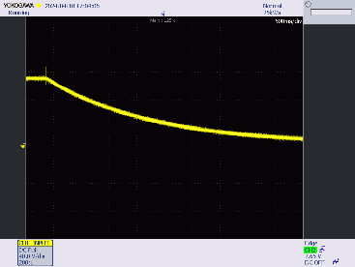
 | 100V (thermal) and voltage withstand | Without supplying the board from the LV side, apply 100V. between TS+ and TS-, precharging accordingly. Leave it for some minutes, then capture the temperature of the discharge resistors (including Rdis) and MOSFET. Check for any arc or sign of dielectric breakdown within the board. | Same as before, thermal camera | Discharge resistors and MOSFET do not exceed 120 degC, no arcing or breakdown |  | OK
Passive discharge 100V | 100V (electrical) | Connect SC_END to 20V, then apply 100V. between TS+ and TS-, precharging accordingly. Disconnect the voltage and capture the voltage transient between TS+ and TS-. Capture the temperature of Rdis. | Same as before | TS+ - TS- under 10V before Xmin after removing voltage. |  | OK
Active discharge 200V | 200V (electrical) | Populate C1..C10 (100uF of total capacitance, watch for voltage rating). Without supplying the board from the LV side, apply 200V. between TS+ and TS-, precharging accordingly. Disconnect the voltage and capture the voltage transient between TS+ and TS-. Capture the temperature of the discharge resistors and MOSFET. | Same as before, C1..C10, scope, multimeter, power supply | TS+ - TS- is 60V 2,21s after removing voltage. |  | OK |  | 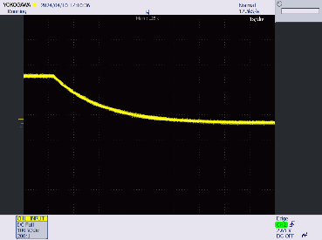
 | 200V (thermal) and voltage withstand | Without supplying the board from the LV side, apply 200V. between TS+ and TS-, precharging accordingly. Leave it for some minutes, then capture the temperature of the discharge resistors (including Rdis) and MOSFET. Check for any arc or sign of dielectric breakdown within the board. | Same as before, thermal camera | Discharge resistors and MOSFET do not exceed 120 degC, no arcing or breakdown |  | OK
Passive discharge 200V | 200V (electrical) | Connect SC_END to 20V, then apply 200V. between TS+ and TS-, precharging accordingly. Disconnect the voltage and capture the voltage transient between TS+ and TS-. Capture the temperature of Rdis. | Same as before | TS+ - TS- under 60V before Xmin after removing voltage. |  | OK
Active discharge 400V | 400V (electrical) | Populate C1..C10 (100uF of total capacitance, watch for voltage rating). Without supplying the board from the LV side, apply 400V. between TS+ and TS-, precharging accordingly. Disconnect the voltage and capture the voltage transient between TS+ and TS-. Capture the temperature of the discharge resistors and MOSFET. | Same as before, C1..C10, scope, multimeter, power supply | TS+ - TS- is 60V 3,48s after removing voltage. |  | OK |  | 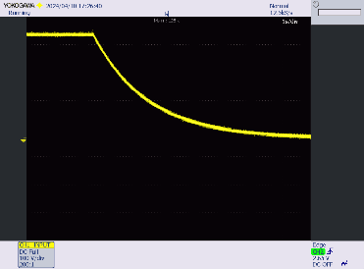
 | 400V (thermal) and voltage withstand | Without supplying the board from the LV side, apply 400V. between TS+ and TS-, precharging accordingly. Leave it for some minutes, then capture the temperature of the discharge resistors (including Rdis) and MOSFET. Check for any arc or sign of dielectric breakdown within the board. | Same as before, thermal camera | Discharge resistors and MOSFET do not exceed 120 degC, no arcing or breakdown |  | OK
Passive discharge 400V | 400V (electrical) | Connect SC_END to 20V, then apply 400V. between TS+ and TS-, precharging accordingly. Disconnect the voltage and capture the voltage transient between TS+ and TS-. Capture the temperature of Rdis. | Same as before | TS+ - TS- under 60V before Xmin after removing voltage. |  | OK
Active discharge 500V | 500V (electrical) | Populate C1..C10 (100uF of total capacitance, watch for voltage rating). Without supplying the board from the LV side, apply 500V. between TS+ and TS-, precharging accordingly. Disconnect the voltage and capture the voltage transient between TS+ and TS-. Capture the temperature of the discharge resistors and MOSFET. | Same as before, C1..C10, scope, multimeter, power supply | TS+ - TS- is 60V 3,9s after removing voltage. |  | OK | Zener failed and shorted itself, causing the discharge circuit not to kick in. Replacing component works. Look for possible causes | 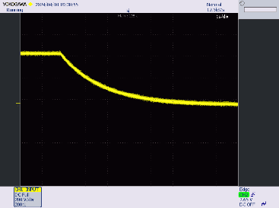
 | 500V (thermal) and voltage withstand | Without supplying the board from the LV side, apply 500V. between TS+ and TS-, precharging accordingly. Leave it for some minutes, then capture the temperature of the discharge resistors (including Rdis) and MOSFET. Check for any arc or sign of dielectric breakdown within the board. | Same as before, thermal camera | Discharge resistors and MOSFET do not exceed 120 degC, no arcing or breakdown |  | OK
Passive discharge 500V | 500V (electrical) | Connect SC_END to 20V, then apply 500V. between TS+ and TS-, precharging accordingly. Disconnect the voltage and capture the voltage transient between TS+ and TS-. Capture the temperature of Rdis. | Same as before | TS+ - TS- under 60V before Xmin after removing voltage. |  | OK
Active discharge 600V | 600V (electrical) | Populate C1..C10 (100uF of total capacitance, watch for voltage rating). Without supplying the board from the LV side, apply 600V. between TS+ and TS-, precharging accordingly. Disconnect the voltage and capture the voltage transient between TS+ and TS-. Capture the temperature of the discharge resistors and MOSFET. | Same as before, C1..C10, scope, multimeter, power supply | TS+ - TS- is 60V 4,23s after removing voltage. |  | OK |  | 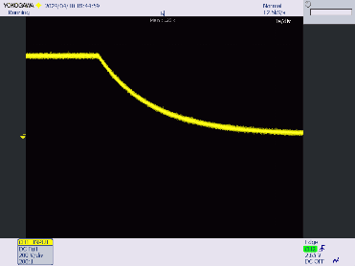
 | 600V (thermal) and voltage withstand | Without supplying the board from the LV side, apply 600V. between TS+ and TS-, precharging accordingly. Leave it for some minutes, then capture the temperature of the discharge resistors (including Rdis) and MOSFET. Check for any arc or sign of dielectric breakdown within the board. | Same as before, thermal camera | Discharge resistors and MOSFET do not exceed 120 degC, no arcing or breakdown | 90 degC | OK
Passive discharge 600V | 600V (electrical) | Connect SC_END to 20V, then apply 600V. between TS+ and TS-, precharging accordingly. Disconnect the voltage and capture the voltage transient between TS+ and TS-. Capture the temperature of Rdis. | Same as before | TS+ - TS- under 60V before Xmin after removing voltage. |  | OK

