0. Pre-inspection
Pre-inspection |  |  |  |  |  | Overall summary
 |  |  |  |  |  | OK | NOK | PENDING | TOTAL
 |  |  |  |  |  | 0 | 0 | 30 | 30
 |  |  |  |  |  | Percentage passed |  | 0%

The goal is to ensure physical integrity and quality of the test unit before further testing and assembly. This assessment helps identify potential issues early in the testing process. |  |  |  |  |  | Tabs color code |  | Description
Test unit code | v0.1-pre-1 | Test date | Test location | Test engineer | David Redondo |  | Pre-inspection | Prior to testing
Picture of the unit (Top) |  |  | Checks |  |  |  | Subcircuits | Isolated evaluation of circuits
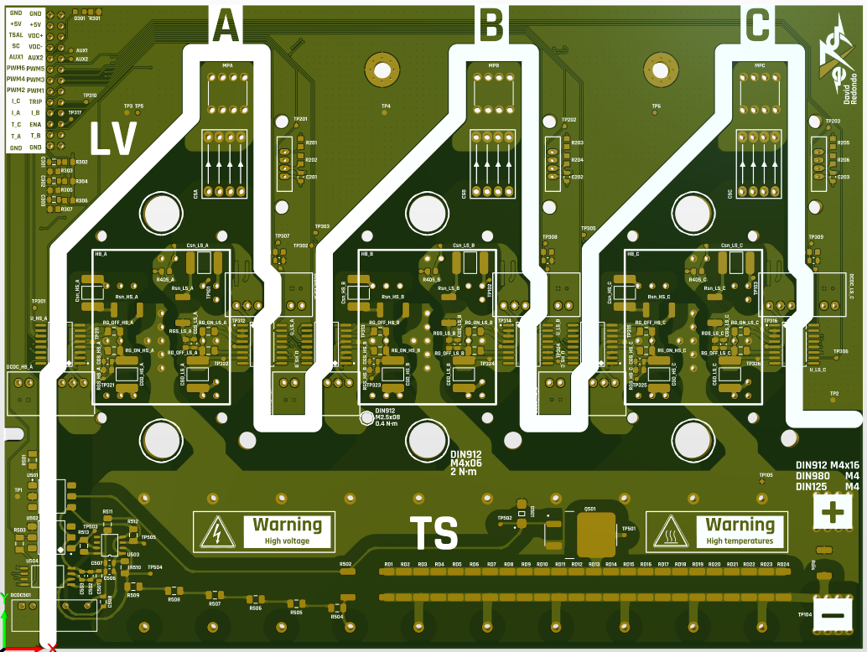 |  |  | Visual inspection (scratches, surface finish, silkscreen…) | PENDING |  |  | Integration | Circuits tested together
 |  |  |  |  |  |  | System | Overall functionality of a system
 |  |  |  |  |  |  | Performance | Thermal, electrical, mechanical
 |  |  | Edge roughness | PENDING |  |  | Interface | Integration with external systems

 |  |  |  |  |  | WARNING
 |  |  | Board dimensions | PENDING |  | Tests with orange cells imply danger (high voltage, high temperature...)

 |  |  |  |  |  |  | Sheet summary
 |  |  | Layer copper thickness | PENDING |  |  | OK | NOK | PENDING

Picture of the unit (Bottom) |  |  | Press-fit vias copper thickness | PENDING |  | 0. Pre-inspection | 0 | 0 | 8
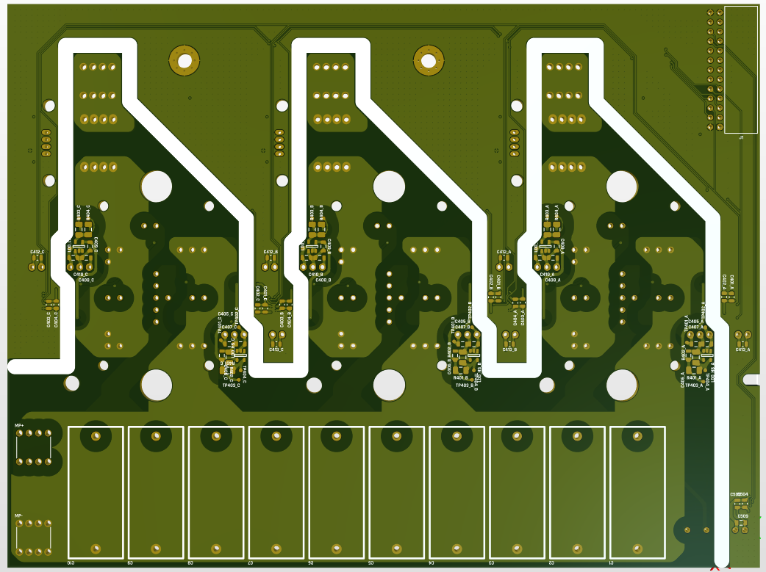

 |  |  |  | PENDING |  | 1. First contact | 0 | 0 | 10

 |  |  |  | PENDING |  | 2. V-I sensing and discharge | 0 | 0 | 9

 |  |  |  | PENDING |  | 3. Discharge HV | 0 | 0 | 3

 |  |  |  |  |  | 4. Switching | 0 | 0 | 0

