AB Tranche
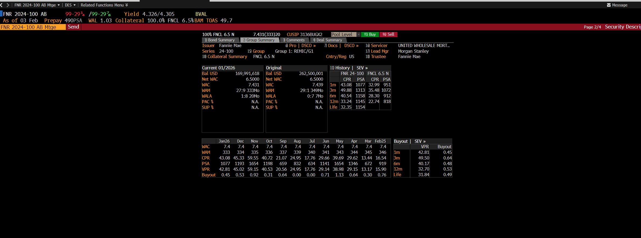

A Tranche
FNR 2024-100 A Mtge Send Page 1/4 Security Description
100% FNCL 6.5 N 7.431(333)20 CUSIP3136BUGC8 Pool Level 95) Buy 96) Sell
1) Bond Summary 2) Group Summary 3) Comments 4) Deal Summary
Issuer Fannie Mae 6)Pro | DSCO » 7)Docs | DSCO » 16)Servicer UNITED WHOLESALE MORT…
Series 24-100 Class A Mty 02/25/205114)ISIN US3136BUGC85 17)Lead Mgr Morgan Stanley
10)Class Description SEQ FIGI BBG01R3MD217 18)Trustee Fannie Mae
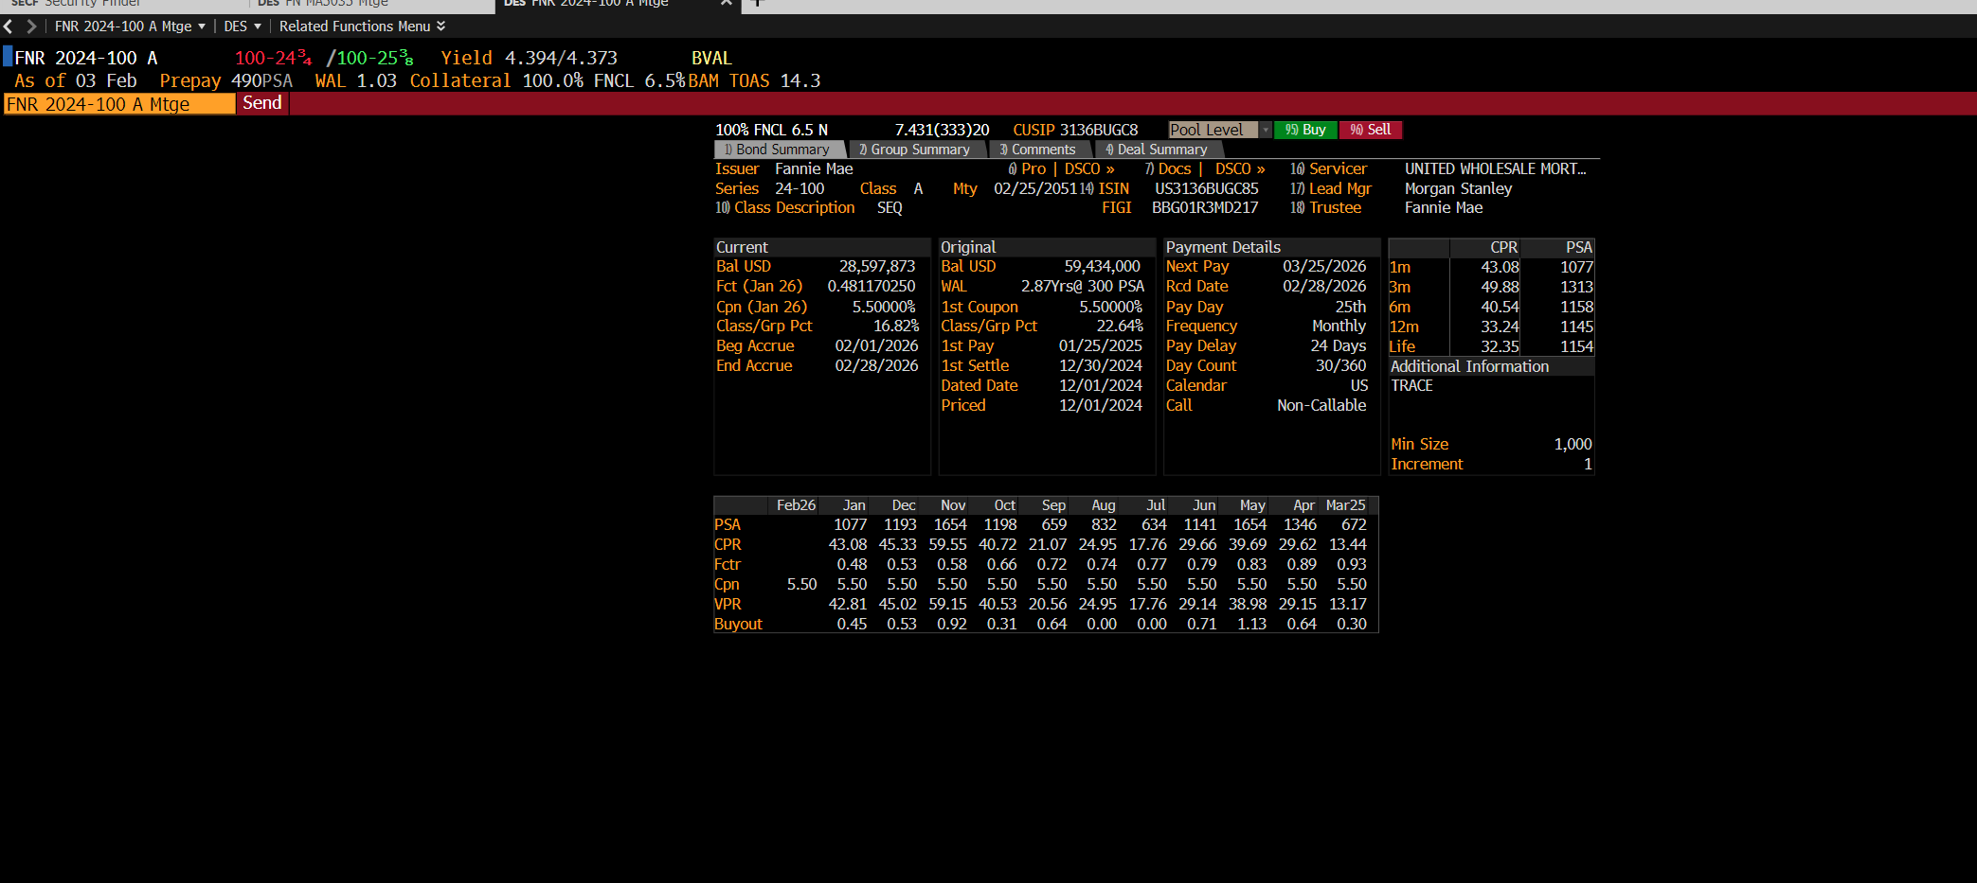
Current Original Payment Details |  | CPR | PSA
Bal USD 28,597,873 Bal USD 59,434,000 Next Pay 03/25/2026 | 1m | 43.08 | 1077
Fct (Jan 26) 0.481170250 WAL 2.87Yrs@ 300 PSA Rcd Date 02/28/2026 | 3m | 49.88 | 1313
Cpn (Jan 26) 5.50000% 1st Coupon 5.50000% Pay Day 25th | 6m | 40.54 | 1158
Class/Grp Pct 16.82% Class/Grp Pct 22.64% Frequency Monthly | 12m | 33.24 | 1145
Beg Accrue 02/01/2026 1st Pay 01/25/2025 Pay Delay 24 Days | Life | 32.35 | 1154
End Accrue 02/28/2026 1st Settle 12/30/2024 Day Count 30/360 Additional Information
Dated Date 12/01/2024 Calendar US TRACE
Priced 12/01/2024 Call Non-Callable

Min Size 1,000
Increment 1

 | 2026-02-26 | Jan | Dec | Nov | Oct | Sep | Aug | Jul | Jun | May | Apr | 2026-03-25
PSA |  | 1077 | 1193 | 1654 | 1198 | 659 | 832 | 634 | 1141 | 1654 | 1346 | 672
CPR |  | 43.08 | 45.33 | 59.55 | 40.72 | 21.07 | 24.95 | 17.76 | 29.66 | 39.69 | 29.62 | 13.44
Fctr |  | 0.48 | 0.53 | 0.58 | 0.66 | 0.72 | 0.74 | 0.77 | 0.79 | 0.83 | 0.89 | 0.93
Cpn | 5.5 | 5.5 | 5.5 | 5.5 | 5.5 | 5.5 | 5.5 | 5.5 | 5.5 | 5.5 | 5.5 | 5.5
VPR |  | 42.81 | 45.02 | 59.15 | 40.53 | 20.56 | 24.95 | 17.76 | 29.14 | 38.98 | 29.15 | 13.17
Buyout |  | 0.45 | 0.53 | 0.92 | 0.31 | 0.64 | 0 | 0 | 0.71 | 1.13 | 0.64 | 0.3

