SEQUENCES
ACTUAL SEQUENCES DATA EDA
Number of unique routes | 6112
Number of unique stops | 674
Average number of stops per route | 147.77
Maximum number of stops per route | 237
Minimum number of stops per route | 33
Most popular stop | PT | 1698 | mentions
Least popular stop | JC | 986 | mentions
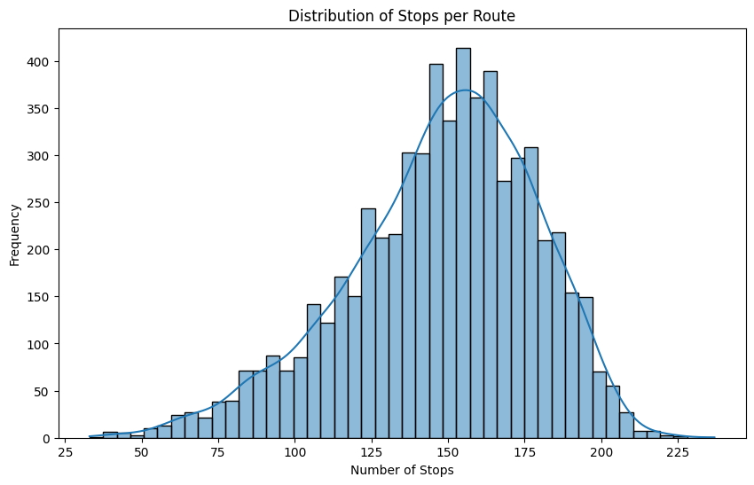
 |  |  |  | Further EDA Suggestions:
 |  |  |  | - Analyze the sequence of stops within each route.
 |  |  |  | - Examine the geographic distribution of stops if coordinates are available.
 |  |  |  | - Assess the time taken between stops if time data is available.

PACKAGE
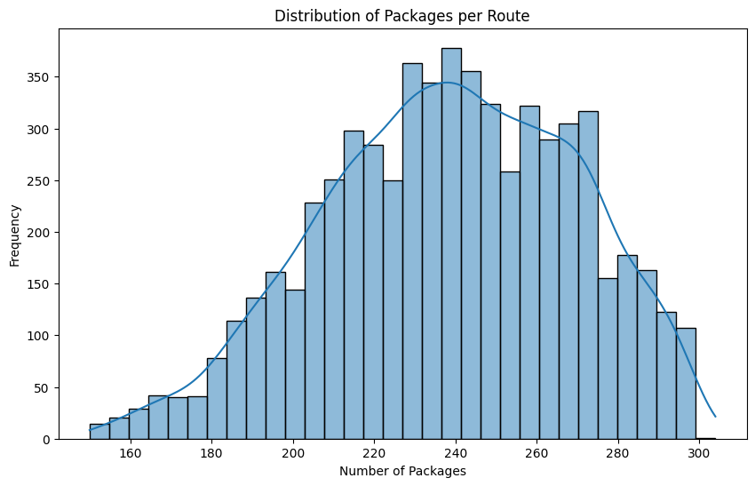
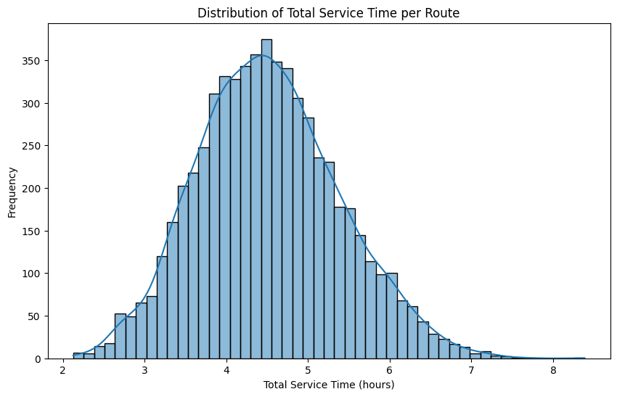
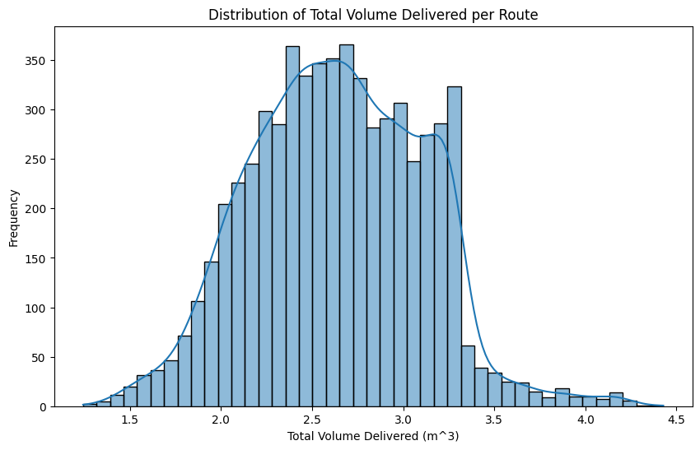
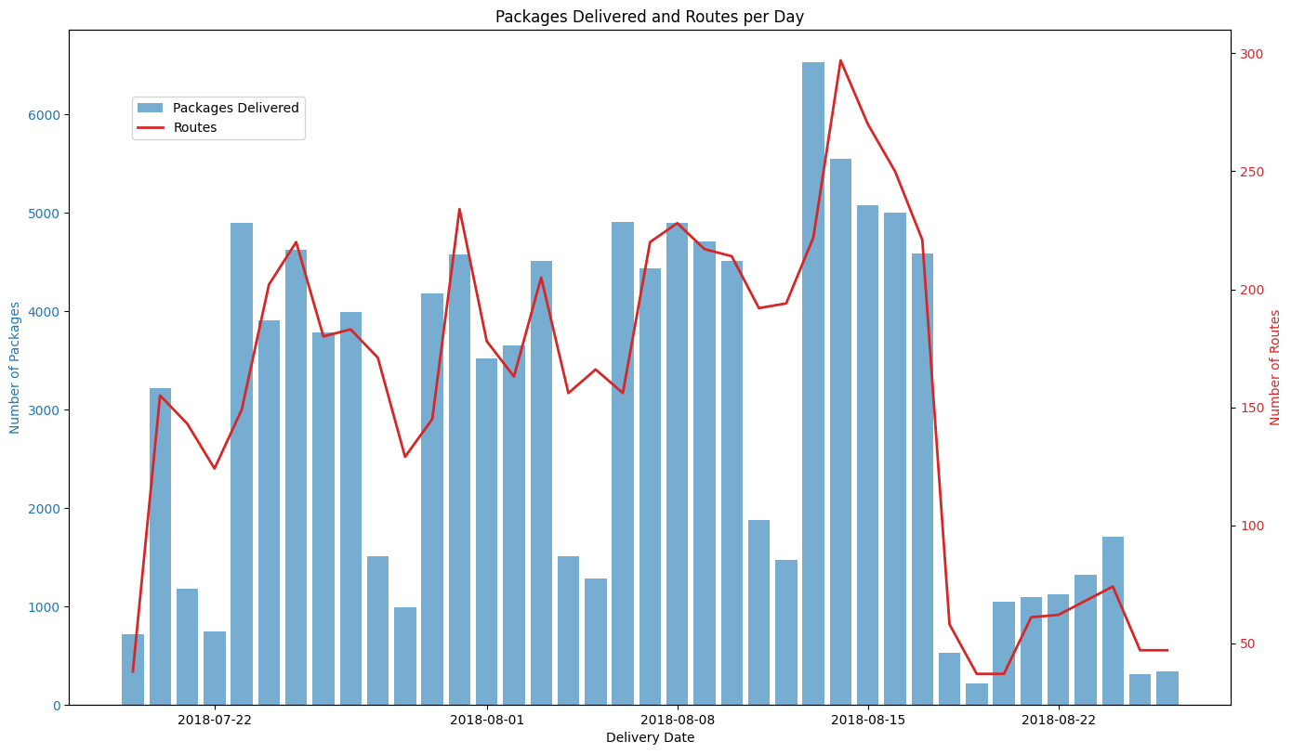
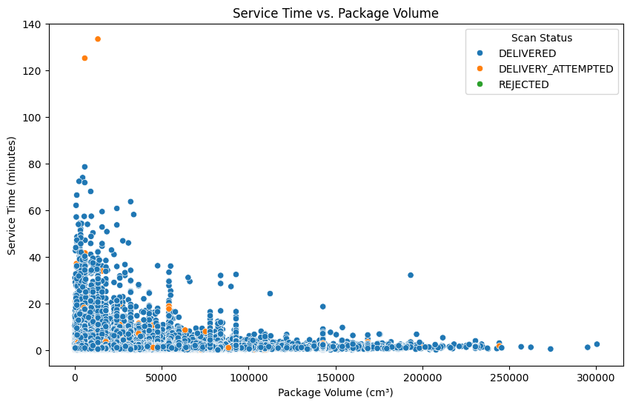
PACKAGE DATA EDA
Total number of packages delivered | 1446129
ScanStatus
DELIVERED | 1446129
DELIVERY_ATTEMPTED | 11014
REJECTED | 32
Name | count
Average number of packages per stop | 2158.7
Maximum number of packages per stop | 2789 at stop PT
Minimum number of packages per stop | 1567 at stop JC
Average number of packages per route | 238.412
Maximum number of packages per route | 304
Minimum number of packages per route | 150
Average total service time per route | 4.52 hours
Maximum total service time per route | 8.39 hours on route RouteID_a99c1bfb-d13d-4173-9e0a-959d727f37ce
Minimum total service time per route | 2.13 hours on route RouteID_d4f29f26-b6a8-4d59-8bd7-3381a44fb7e7
Average time taken per stop (in seconds) | 68.24
Highest time taken per stop (in seconds) | 8007 | 133.45
Lowest time taken per stop (in seconds) | 0.7
Average volume delivered per route | 2.641 m^3 |  |  |  | Further EDA Suggestions:
Maximum volume delivered per route | 4.428 m^3 |  |  |  | - Analyze the sequence of stops within each route.
Minimum volume delivered per route | 1.243 m^3 |  |  |  | - Examine the geographic distribution of stops if coordinates are available.
Total packages with delivery attempted once | 10785 |  |  |  | - Assess the time taken between stops if time data is available.
Total packages with delivery attempted twice | 113
Total packages with delivery attempted thrice | 1

 | Attempts | Total Packages | Delivered | Rejected
Total packages with delivery attempted once | Once | 10785 | 656 | 0
Total packages with delivery attempted twice | Twice | 113 | 4 | 0
Total packages with delivery attempted thrice | Thrice | 1 | 0 | 0

ROUTE
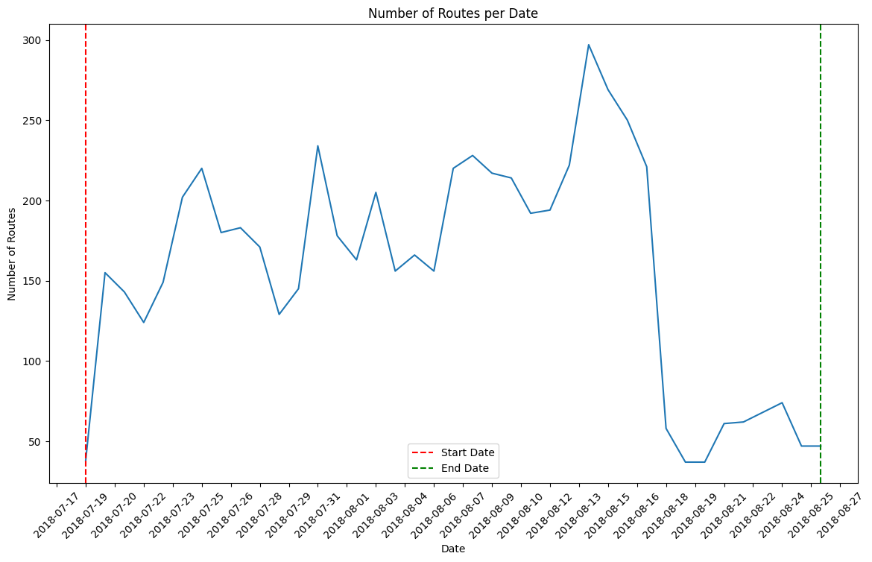
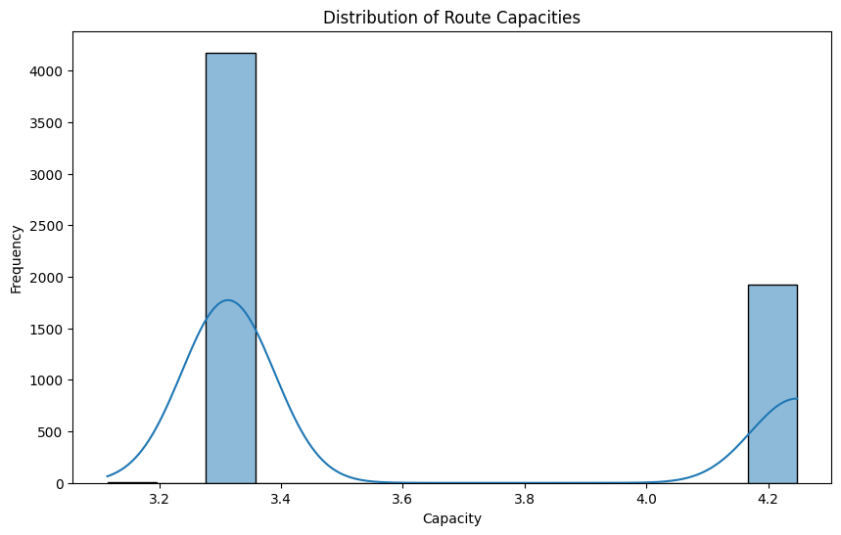
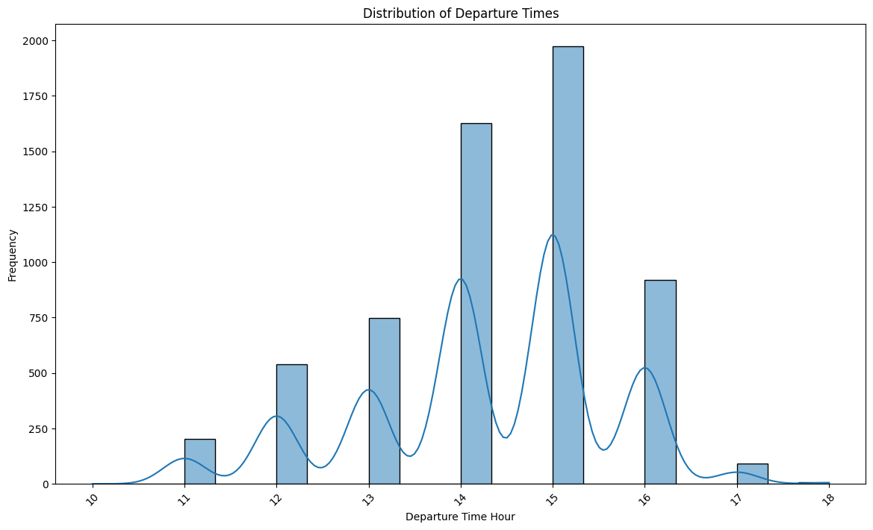
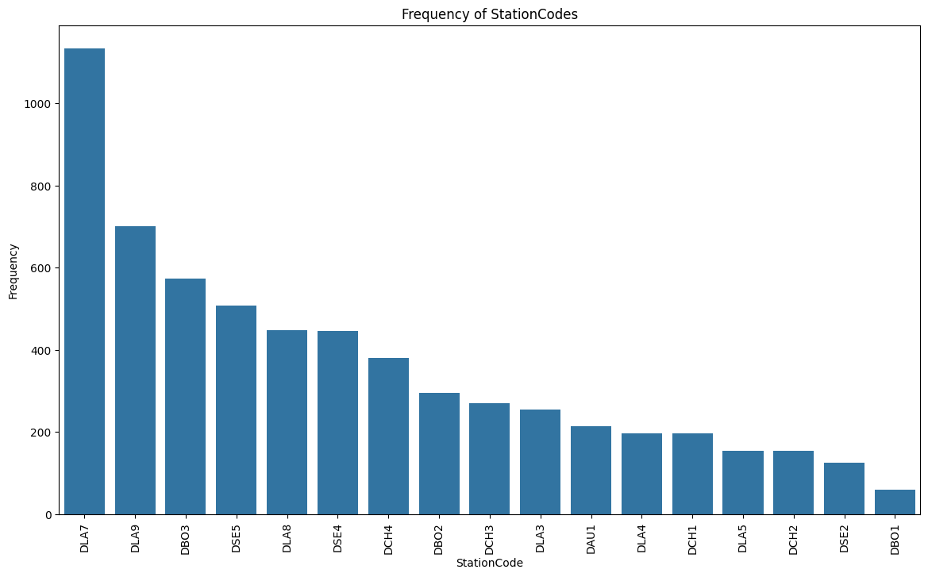
ROUTE DATA EDA
Number of unique StationCodes | 17

Top 5 Stations (StationCode - Count)
DLA7 | 1133
DLA9 | 701
DBO3 | 573
DSE5 | 508
DLA8 | 448

RouteScore Value Counts (High, Medium, Low)
High | 2718
Medium | 3292
Low | 102

Most recent date | 7/19/2018
Latest date | 8/26/2018

