Sheet1
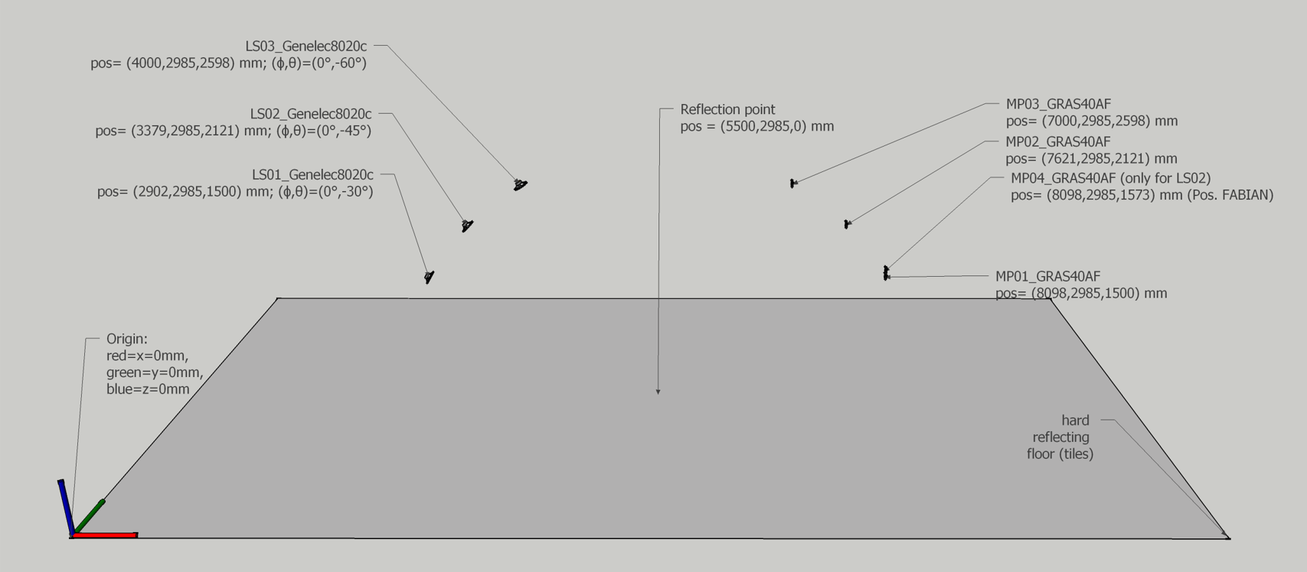
Measurement Mapping (Index -> LS ID & MP ID) |  |  |  |  | LS: louderspeaker, MP: microphone
…\01 single reflection (infinite plate)\RIRs\scene1_RIRs_Rigid.sofa
Index | Src ID | Rec ID | Source Pos (X, Y, Z) | Receiver Pos (X, Y, Z)
0 | Src01 | Rec01 | [2.902, 2.985, 1.500] | [8.098, 2.985, 1.740]
1 | Src02 | Rec01 | [3.379, 2.985, 2.121] | [8.098, 2.985, 1.740]
2 | Src03 | Rec01 | [4.000, 2.985, 2.598] | [8.098, 2.985, 1.740]
3 | Src01 | Rec02 | [2.902, 2.985, 1.500] | [7.621, 2.985, 2.361]
4 | Src02 | Rec02 | [3.379, 2.985, 2.121] | [7.621, 2.985, 2.361]
5 | Src03 | Rec02 | [4.000, 2.985, 2.598] | [7.621, 2.985, 2.361]
6 | Src01 | Rec03 | [2.902, 2.985, 1.500] | [7.000, 2.985, 2.838]
7 | Src02 | Rec03 | [3.379, 2.985, 2.121] | [7.000, 2.985, 2.838]
8 | Src03 | Rec03 | [4.000, 2.985, 2.598] | [7.000, 2.985, 2.838]
9 | Src02 | Rec04 | [3.379, 2.985, 2.121] | [8.098, 2.985, 1.813]
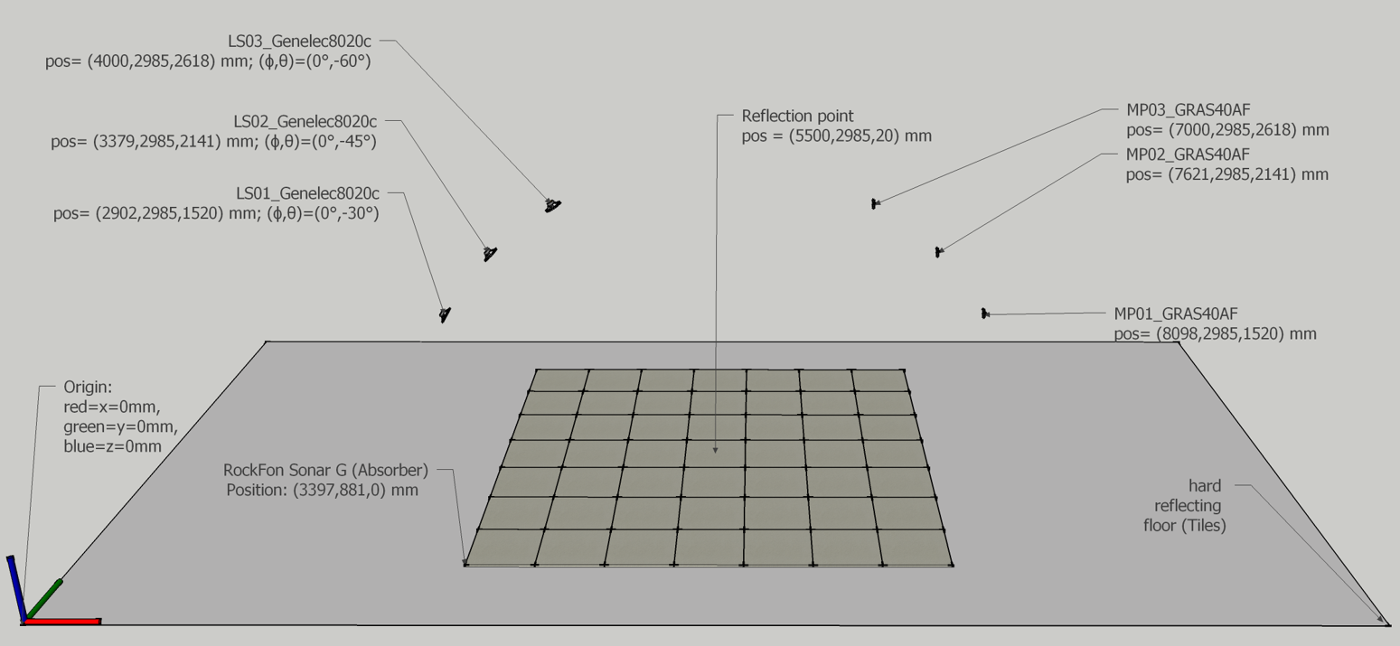
...\01 single reflection (infinite plate)\RIRs\scene1_RIRs_Absorbing.sofa
0 | Src01 | Rec01 | [2.902, 2.985, 1.500] | [8.098, 2.985, 1.500]
1 | Src02 | Rec01 | [3.379, 2.985, 2.121] | [8.098, 2.985, 1.500]
2 | Src03 | Rec01 | [4.000, 2.985, 2.598] | [8.098, 2.985, 1.500]
3 | Src01 | Rec02 | [2.902, 2.985, 1.500] | [7.621, 2.985, 2.121]
4 | Src02 | Rec02 | [3.379, 2.985, 2.121] | [7.621, 2.985, 2.121]
5 | Src03 | Rec02 | [4.000, 2.985, 2.598] | [7.621, 2.985, 2.121]
6 | Src01 | Rec03 | [2.902, 2.985, 1.500] | [7.000, 2.985, 2.598]
7 | Src02 | Rec03 | [3.379, 2.985, 2.121] | [7.000, 2.985, 2.598]
8 | Src03 | Rec03 | [4.000, 2.985, 2.598] | [7.000, 2.985, 2.598]

