H - Charts Dashboard
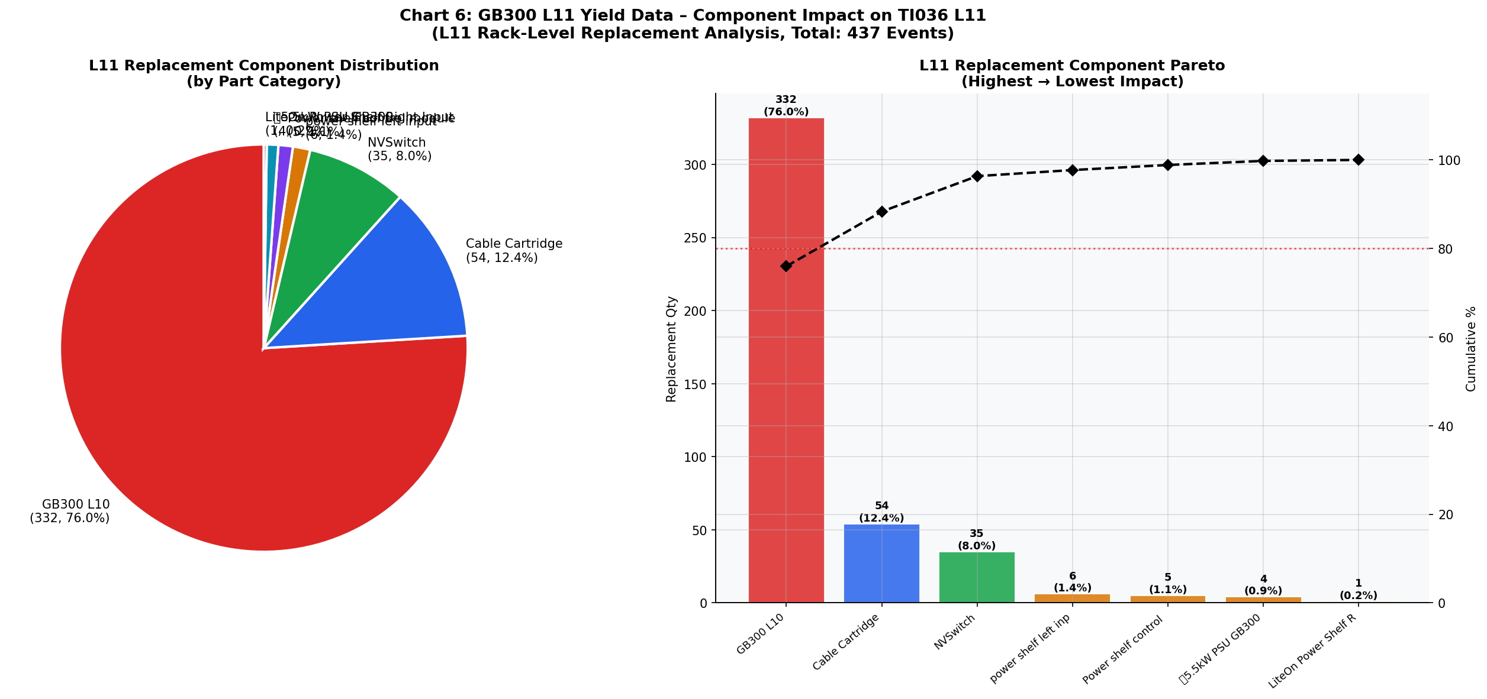
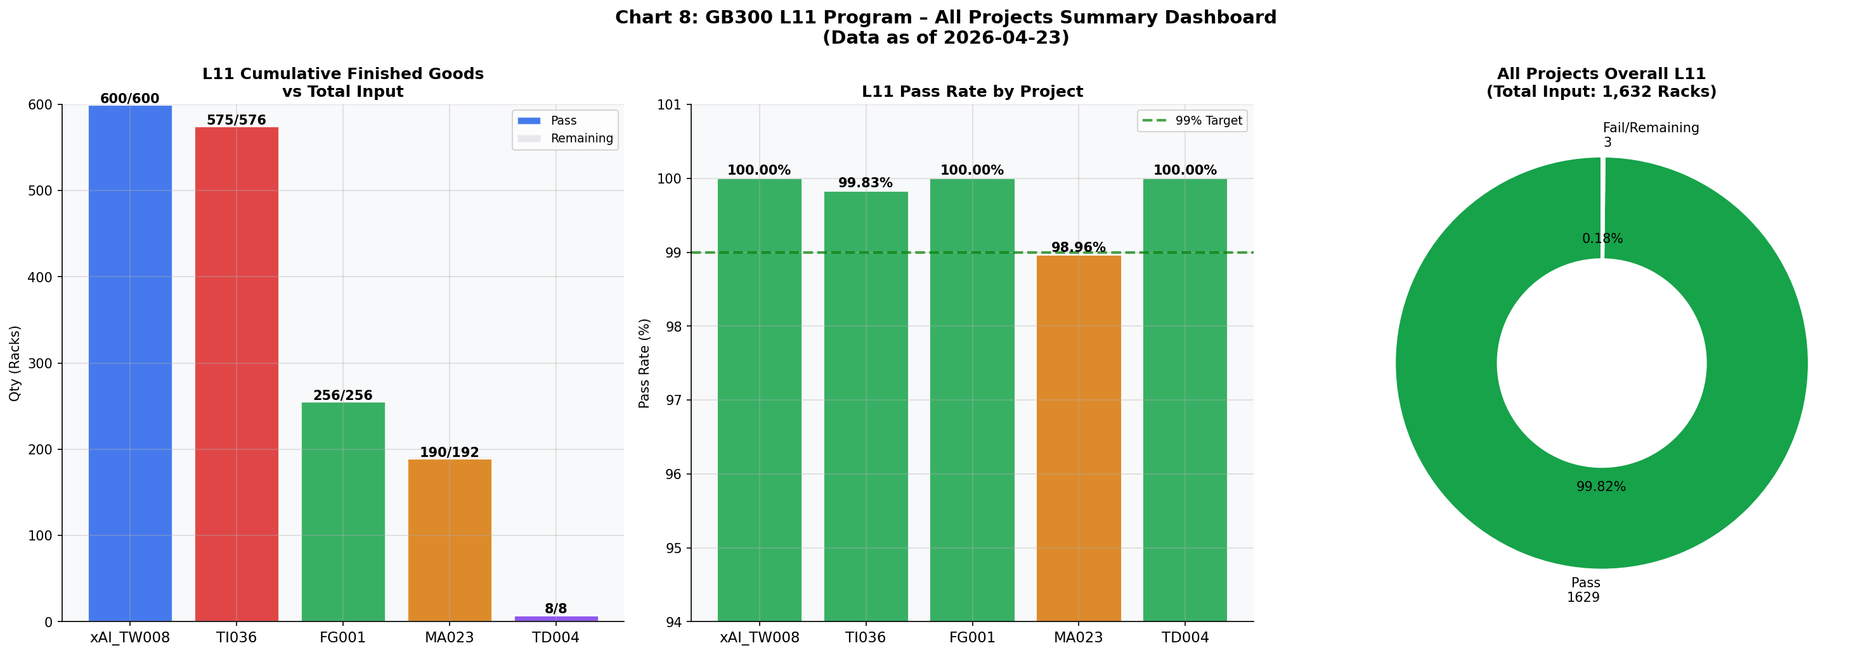
H. Quality Analysis Charts Dashboard
Chart 1: TI036 L11 Yield Trend | Chart 7: TI036 L10 Daily Yield Trend
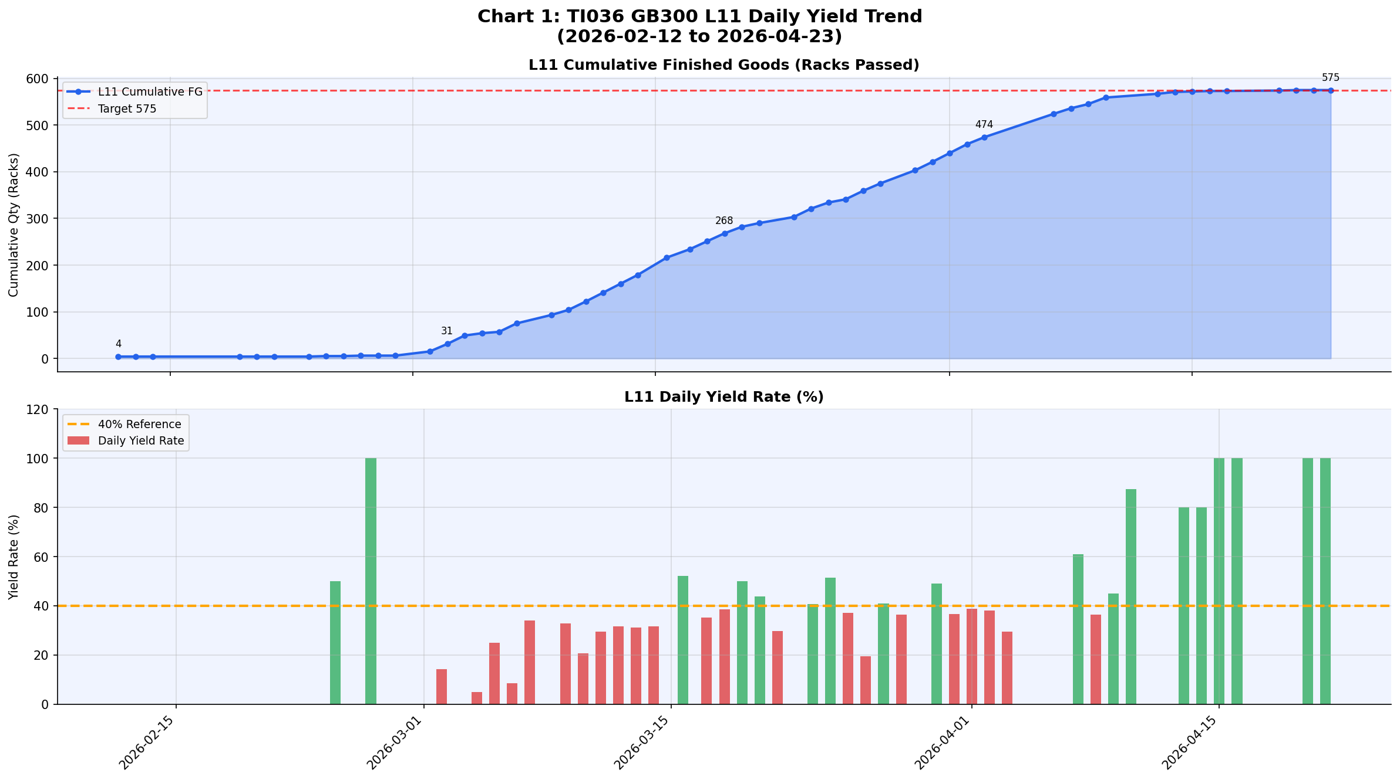
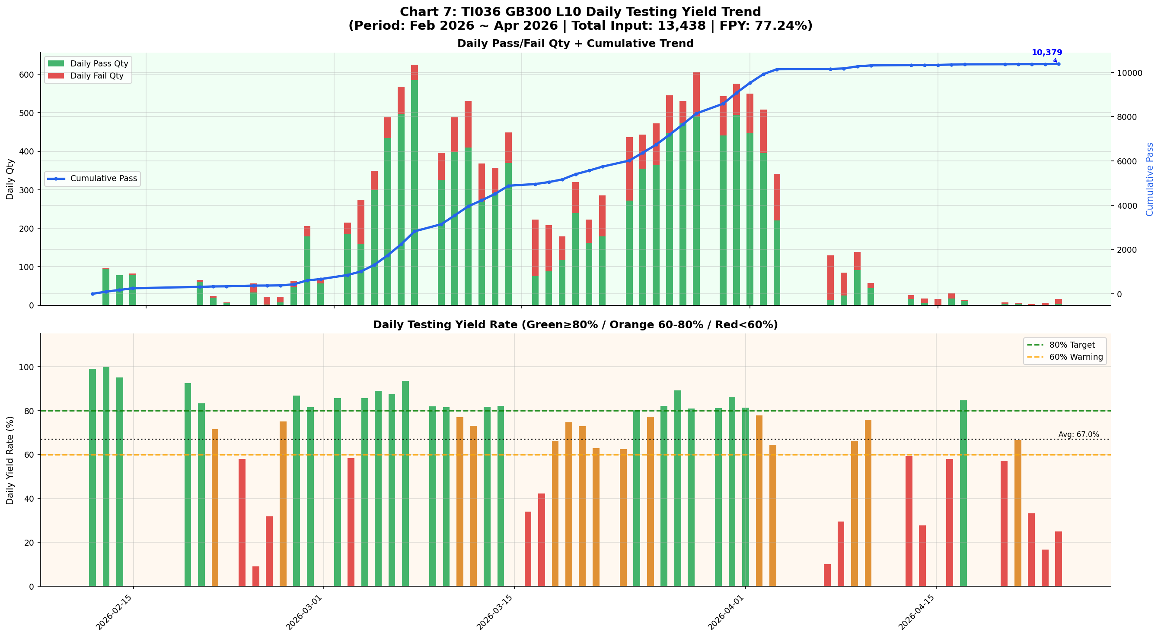

Chart 2: L10 FR Distribution & Action | Chart 3: Replacement Part TOP10 Pareto
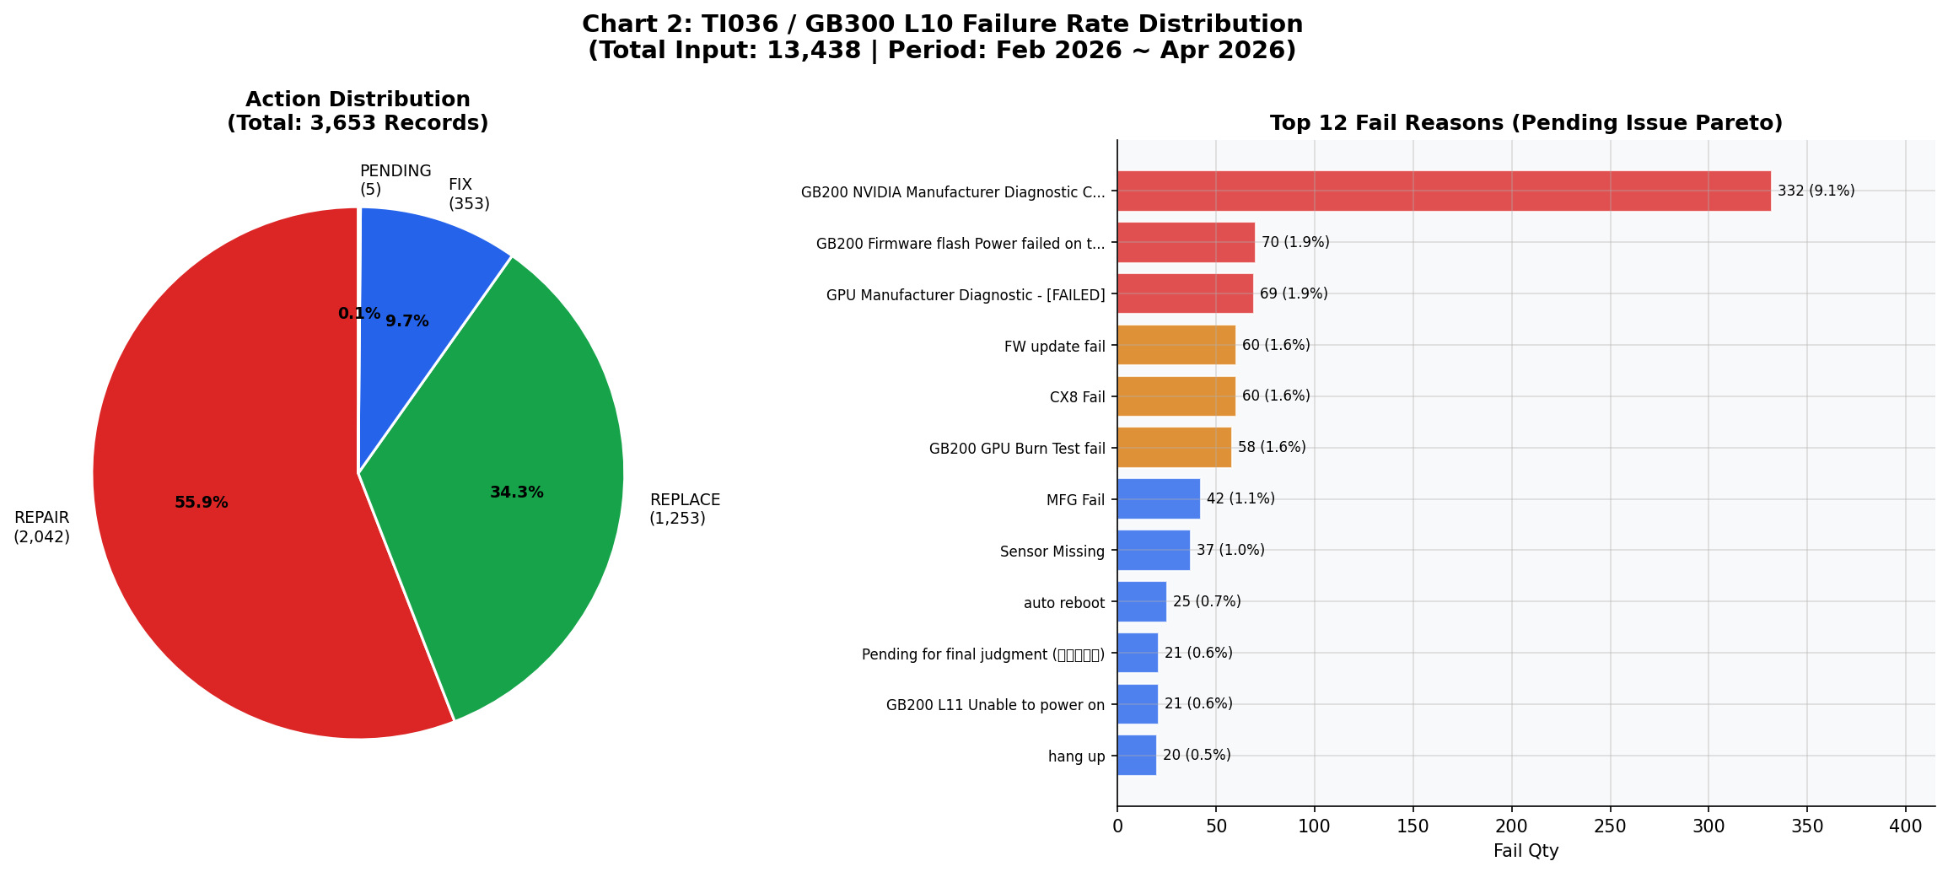
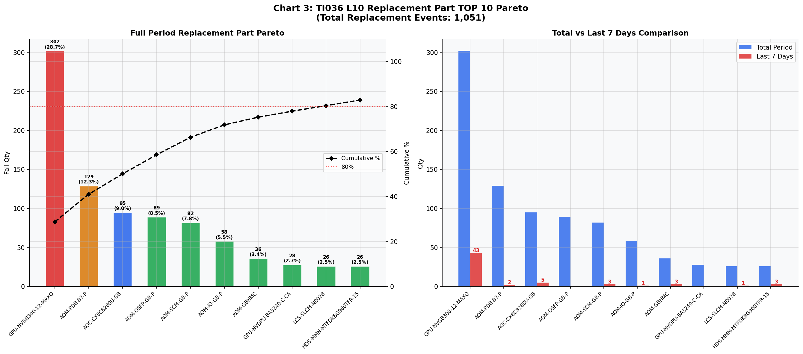

Chart 4: NDF Rate Analysis | Chart 5: Workmanship Root Cause Pareto
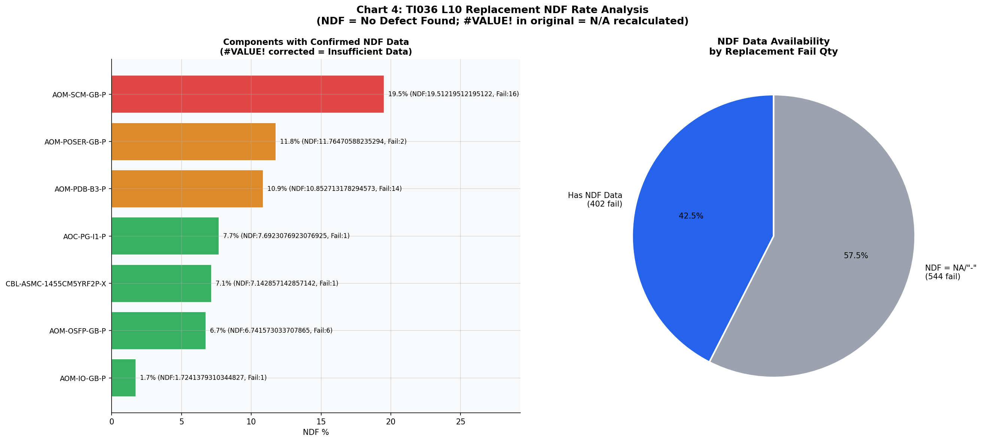
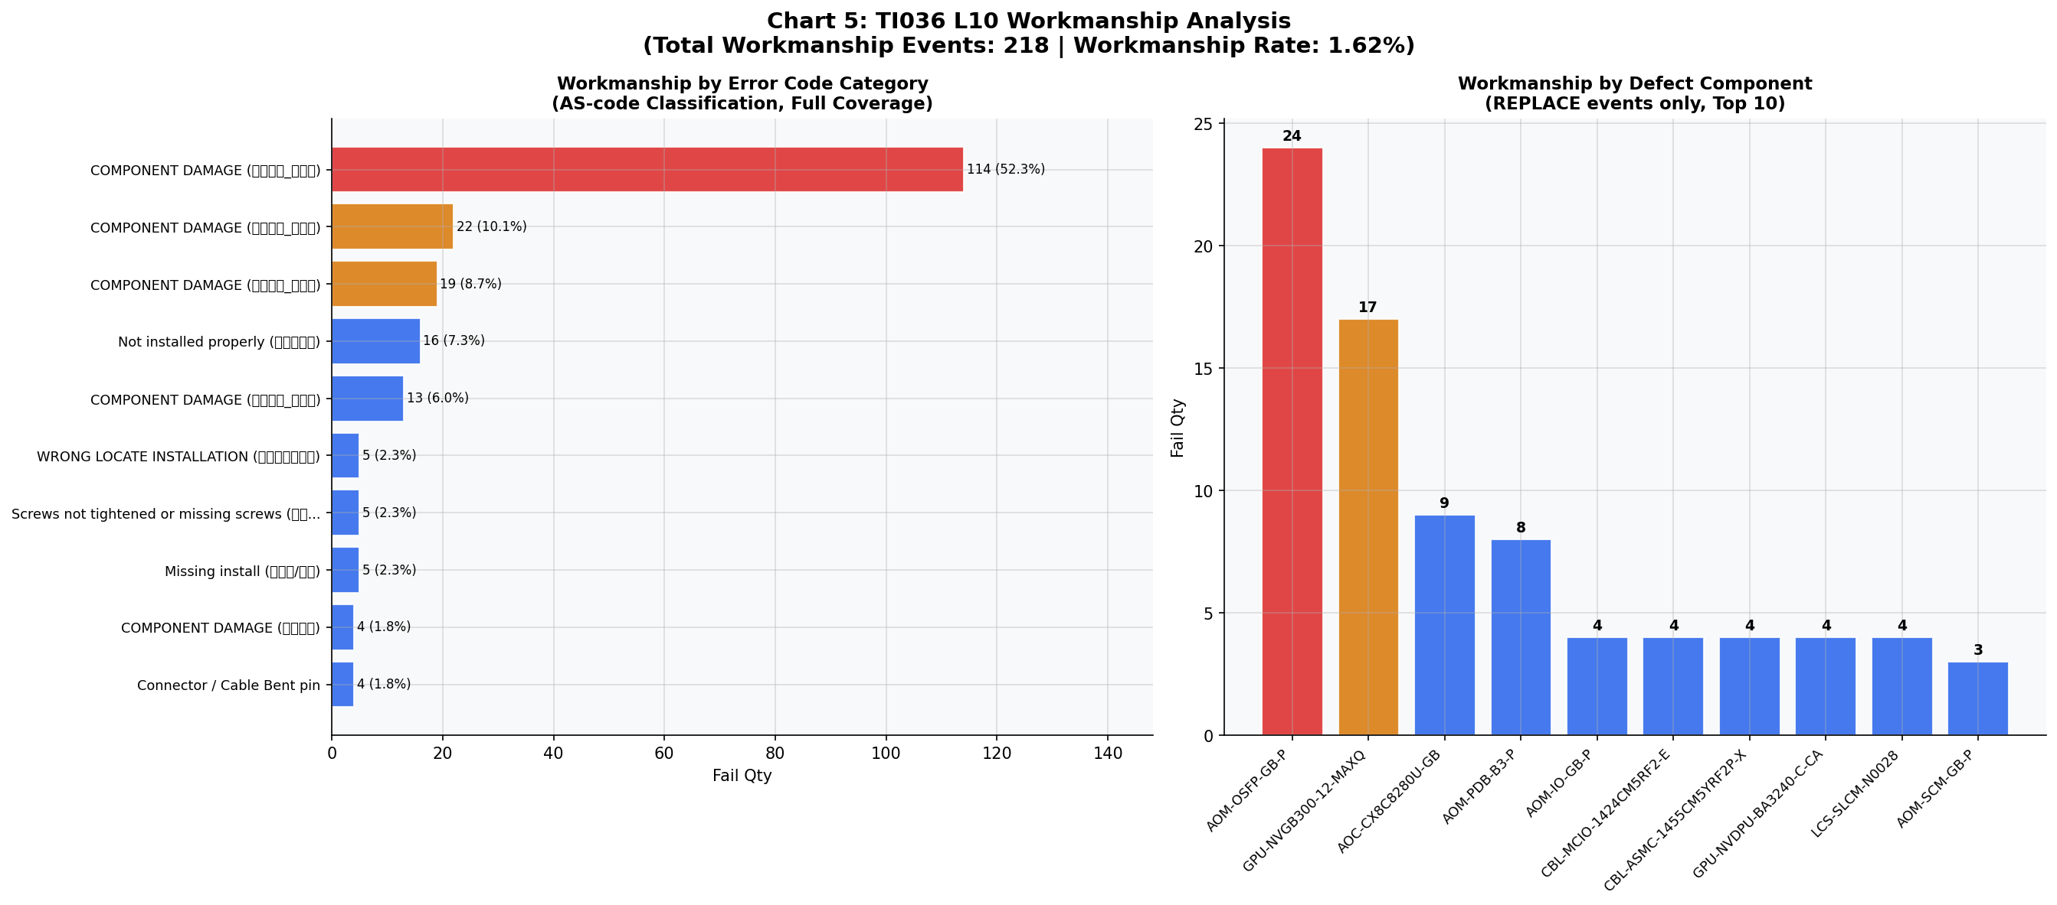

Chart 6: L11 Component Impact | Chart 8: All Projects L11 Dashboard

