DEFECT_PRIORITY
Row Labels | Count of NO
HIGH | 3
LOW | 2
MEDIUM | 1
Grand Total | 6

STATUS_SUMMARY
Row Labels | Count of NO
OPEN | 6
Grand Total | 6

TEST_EVIDANCE
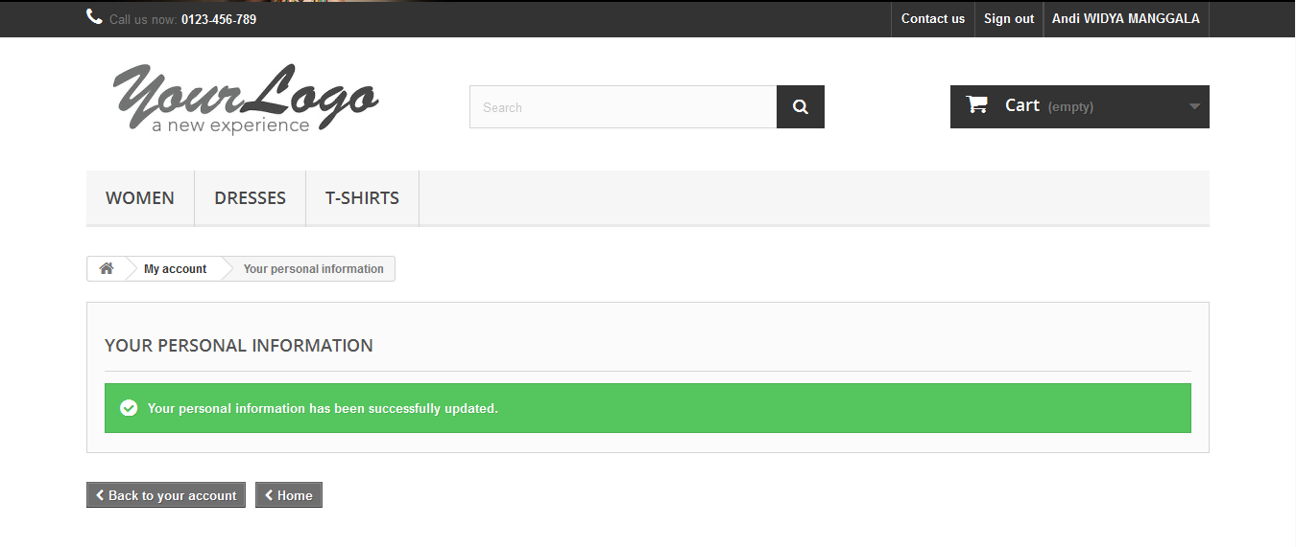
#INCIDENT_1


#INCIDENT_2
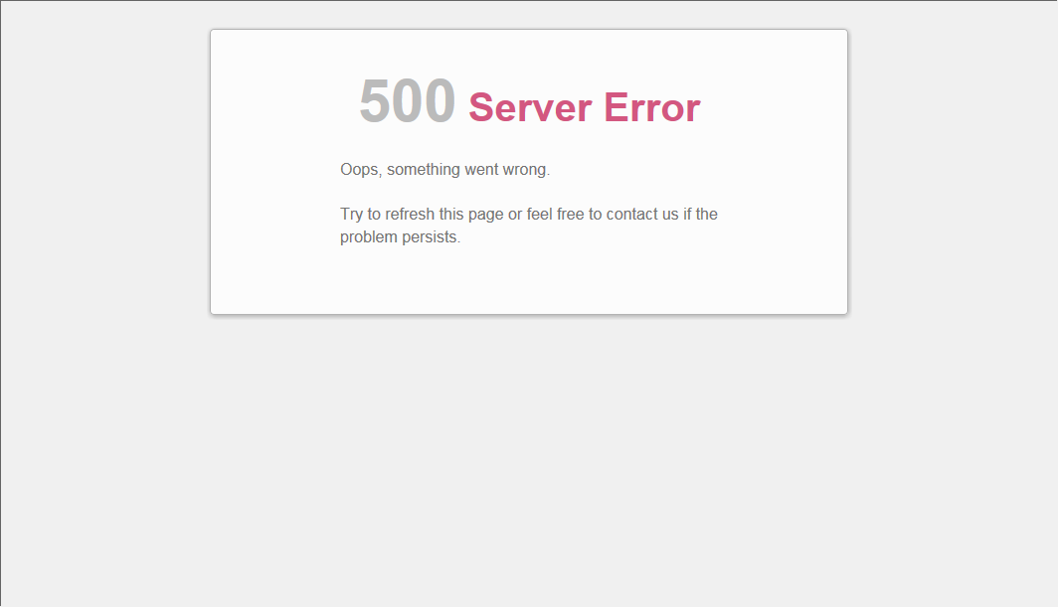

#INCIDENT_3

#INCIDENT_4


#INCIDENT_4
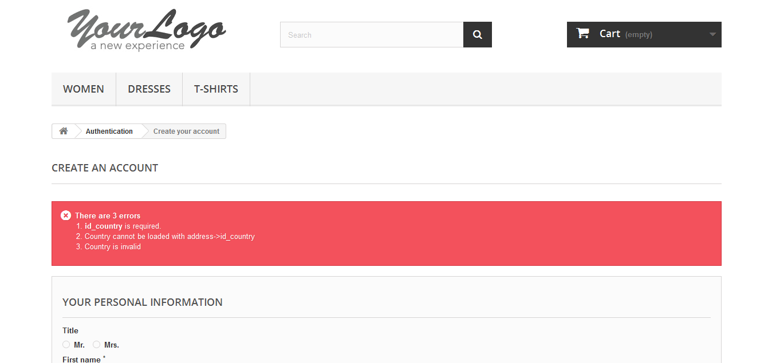

#INCIDENT_5
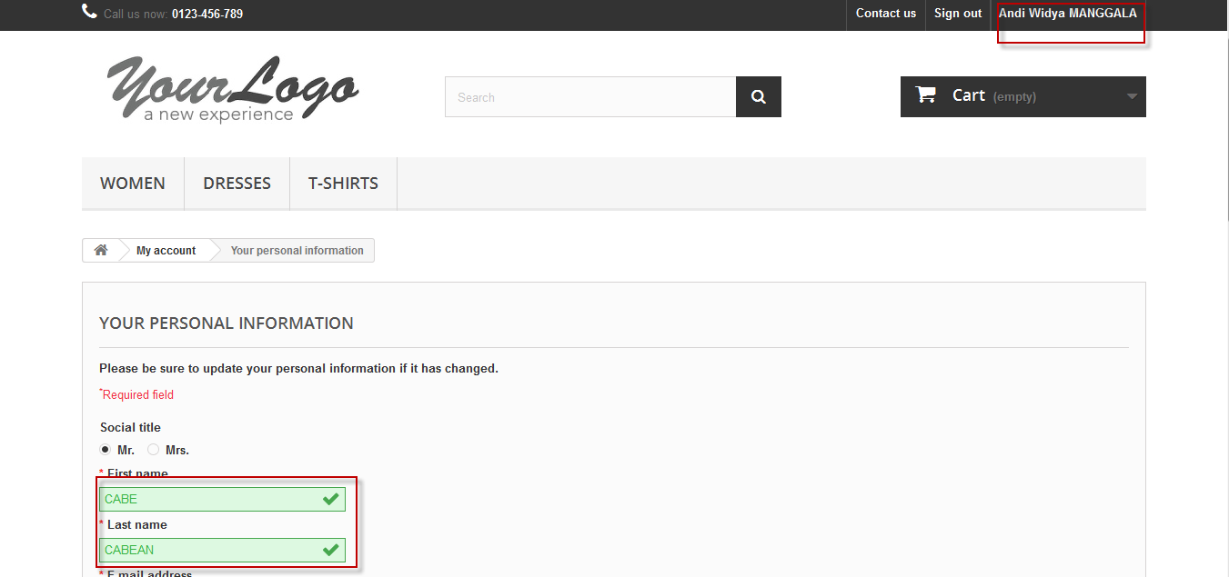

#INCIDENT_5
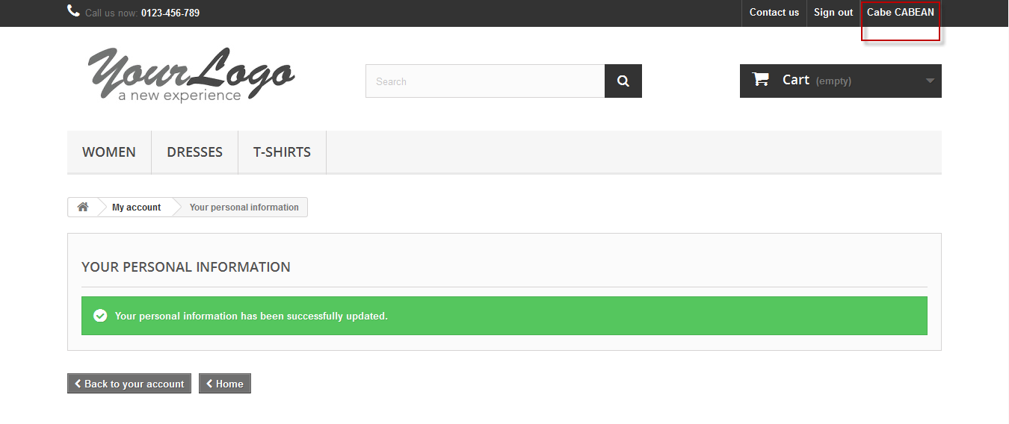

#INCIDENT_6
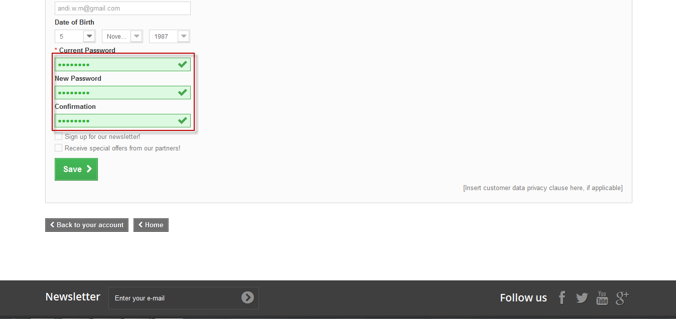

#INCIDENT_6

