EcgReport
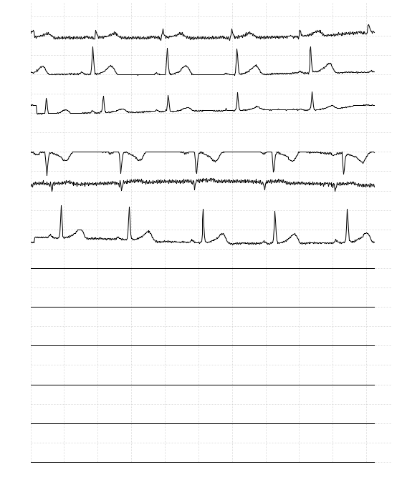
 |  |  |  |  | ECG Report
 | Patient Name : |  |  | Zaman Nipun | Sex: | Male | Thursday 04 August 2011

 |  |  | 24
 |  | Age:

