Sheet1
Menu Navigation | Action | URL | Status (Working/Not Working) | Screenshot
 | click to footer link /click every relative posts and footer links isn't working | https://blog.monaxa.com/forex-is-sexy/ | not working /404 error
 | can't see well, view height is so small | https://www.monaxa.com/en/economic-calendar | working well | 
 | click to view button | https://account.monaxa.com/downloads/ | not working /showing xml file | 
 | some warning in console | https://www.monaxa.com/en/indices | working well | 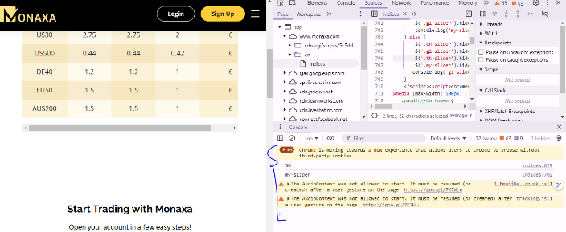
 | no need to show registration link user will confuss after login success | https://account.monaxa.com/pages/57/# | working well | 