Hoja1
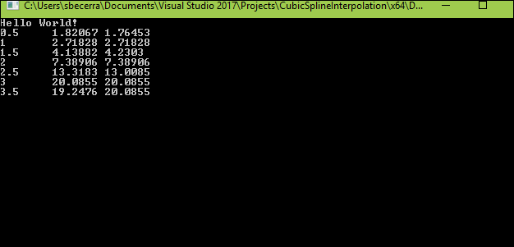
time | exponential | clamped | cubic
0.5 | 1.6487212707 | 1.82067 | 1.765
1 | 2.7182818285 | 2.71828 | 2.718
1.5 | 4.4816890703 | 4.13882 | 4.230
2 | 7.3890560989 | 7.38906 | 7.389
2.5 | 12.182493961 | 13.3183 | 13.009
3 | 20.085536923 | 20.0855 | 20.086
3.5 | 33.115451959 | 19.2476 | 20.086

