LB_schemes
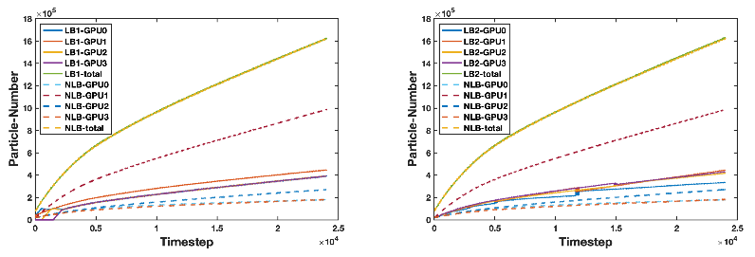

GPU help |  | Dynamic domain decomposition

 | tests based on LW

