Sheet1
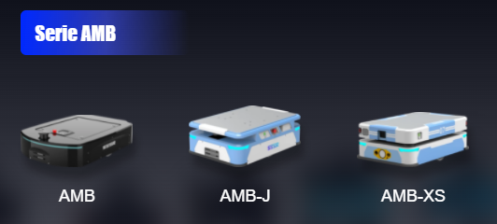
Proveedor | Nombre | Pais | Autonomia | Capacidad de carga | Sensores | Precio unidad | Path | Dimensiones | Garantía | Link
Flexli Technologies Private Limited | M Sort | India |  | 10 kg, 3m/s |  | 1400 dolares aprox (1 lakh) |  |  |  | https://www.indiamart.com/flexlitechnologies/sorting-robot-for-parcels.html | https://flexli.in/
Shanghai Seer Intelligent Technology Corporation | AMB 150J | China | Battery specifications 48/21 (Lithium Iron Phosphate)V/Ah Comprehensive battery life 8h Charging time (10-80%) ≤0.5h Charging method Manual/Automatic/Switch Battery cycle number > 2000 | 150Kg, 1.5m/s | Laser SLAM. Laser scanning height 222mm 2 lidars | >2000 dolares | Map area (single frame) ≤ 400000m² | 78*55*26 |  | https://www.seer-group.com/
Shanghai Seer Intelligent Technology Corporation | AMB 150 - AMB 150 D | China | Battery specifications 48/35 (Ternary Lithium)V/Ah Comprehensive battery life 12h Charging time (10-80%) ≤2h Charging method Manual/Automatic/Switch Battery cycle number > 500 | 150Kg, 1.4m/s | Laser SLAM. Laser scanning height 228mm 2 lidars | >2000 dolares | Map area (single frame) ≤ 400000m² | 80*56*20 |  | https://www.seer-group.com/
Shanghai Seer Intelligent Technology Corporation | AMB 300XS | China | Battery specifications 48/40 (Ternary Lithium)V/Ah Comprehensive battery life 8h Charging time (10-80%) ≤2.5h Charging method Manual/Automatic/Switch Battery cycle number > 500 | 300Kg, 1.5m/s | Laser SLAM. Laser scanning height 185.5mm 2 lidars | >2000 dolares | Map area (single frame) ≤ 400000m² | 84.5*58.5*30 |  | https://www.seer-group.com/
wangu intelligent control precision manufacturing(guangzhou)co.ltd |  | China | 8h of autonomy, Charging time <= 1.5h | 20-3000kg, 0-50m/min ajustable | ound-light alarm+Photoelectric sensor+anti-collision rubber edge | >2000 dolares | Magnetic Tape/QR code/Laser Optional | 850mm*W600mm*H320m | 2 años | http://www.gzwangu.com/CategoryResultlist?EntityTypeName=product&categoryId=1123708&categoryName=AGV | https://www.alibaba.com/product-detail/Factory-Competitive-Price-AGV-Automated-Guided_1600205877676.html?spm=a2700.7724857.normal_offer.d_title.322f4454P2pFKX
Hangzhou Ever-Power Transmission Co., Ltd. | NV-J500-60AC-1 | China | Lead Acid Battery (8 hours) - Lithium Battery ( 5 hours) | 500Kg, 1.2m/s | Obstacle Avoidance Sensor or Anti-collision Bumper | 1568 dolares | Natural (laser scanner + cameras) guide, line guide or inertial QR code | 93,65,290 | 1 year | https://www.alibaba.com/product-detail/agv-robot-whicle-automated-warehouse-montacargas_1600056485249.html?spm=a2700.details.maylikeexp.9.72281ecdSpnMwr |  |  | 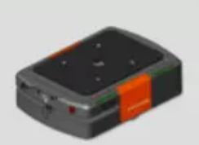
Shenzhen reeman intelligent equipment Co. Ltd | Hot weel robot chasis | China | 6h of battery duration | 60 Kg, 0.2 , 0.8 m/s | Laser SLAM+V-SLAM fusion technology | > 2500 dolares | Lidar sensors to scan the surrounding environment | 45, 45, 32 | 1 year | https://www.alibaba.com/product-detail/Factory-Cheap-Price-Autonomous-Charging-Roller_1600175190207.html?spm=a2700.7724857.normal_offer.d_title.322f4454P2pFKX | https://www.reemanrobot.com/ | 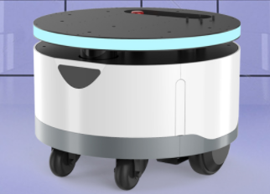
KUKA | KMP 600 | Internacional, sede en bogotá | 8 horas | 600Kg, 2m/s | Laser SLAM |  |  | 100,75,35 |  | https://www.kuka.com/ | https://www.directindustry.es/prod/kuka-ag/product-17587-2419865.html | 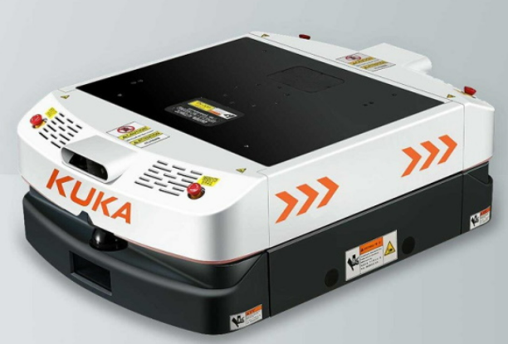
SSI Schafer | AGV WEASEL | United kingdom | 16 horas | 35Kg, 1m/s |  |  | follows an optical guiding line,meaning it does not require costly installation. | 60, 40, 51
WABGU Intelligent control precision manufacturing | Single Driving 2-directional Carrying Type AGV | China | ≥8H（24V 40AH | 50Kg, hasta 50m/min |  | 3880dolares x unit | Guiding Mode Magnetic Tape | L700mm*W460mm*H350mm{ | 12 meses | 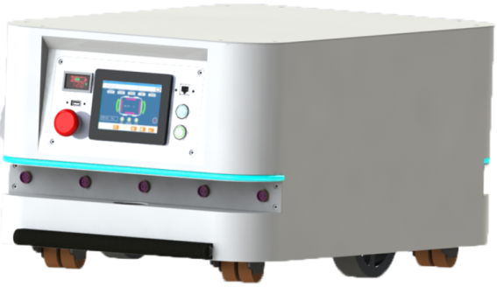 Documento de descargas
Hangzhou Yaoli Technology Co., Ltd. Trading Company |  | China | 5 horas, 10,000 cycles (typically 5 years) | 5 Kg, 2m/s |  | 1000 dolares minimo 10 unidades |  | 490mm * 390mm * 230mm | 1 año | 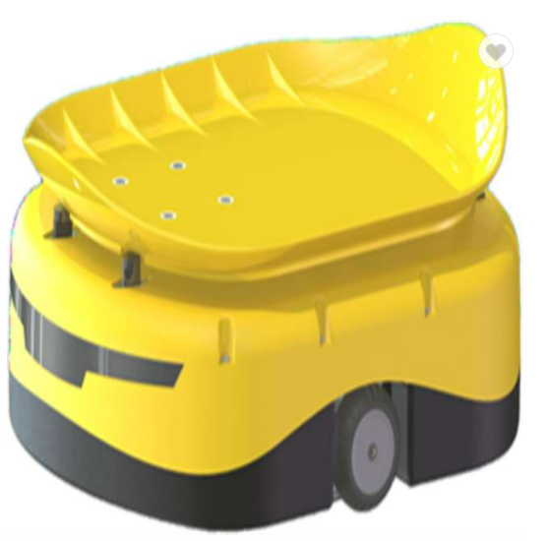 https://www.tompkinsinc.com/Portals/0/Content/Tompkins-Robotics.pdf | https://tompkinsrobotics.com/tsort-solutions/tompkins-robotics-t-sort-solution/
 |  |  | >10h | 10Kg, 1.2m/s | Based on the depth camera + lidar dual mode to achieve rapid map construction locally and in the cloud | 5950 dolares | Visual + laser + ultrasonic flexible obstacle avoidance | 52*48*120 cm |  | puesta en descargas, presentación
Shenzhen Hongyi Electronics Co., LTD | Standard Piggyback Small AGV Trolley, A TO B Transportation AGV, AGV Chassis | China | 8h of autonomy | 20kg, 20m/min | Magnetic stripe | 2480 dolares |  | L460*W415*H130mm | 1 año | https://hongtekelectric.en.alibaba.com/catalog/1971017/index.html | https://www.alibaba.com/product-detail/Standard-Piggyback-Small-AGV-Trolley-A_1600426484200.html?spm=a2700.icbuCatalog.0.0.20082cc6USc3r4 | 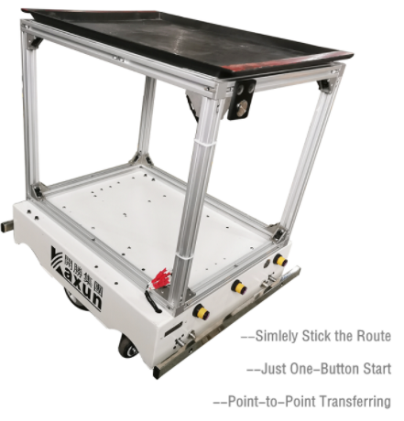
 |  |  |  | 0.33333333333

