Configuration Diagrams
Diagram to show where inputs are measured within site configuration

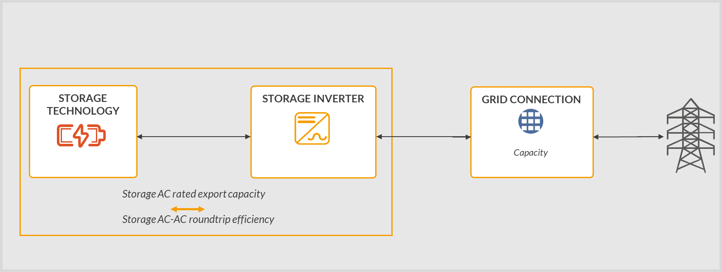 Standalone | 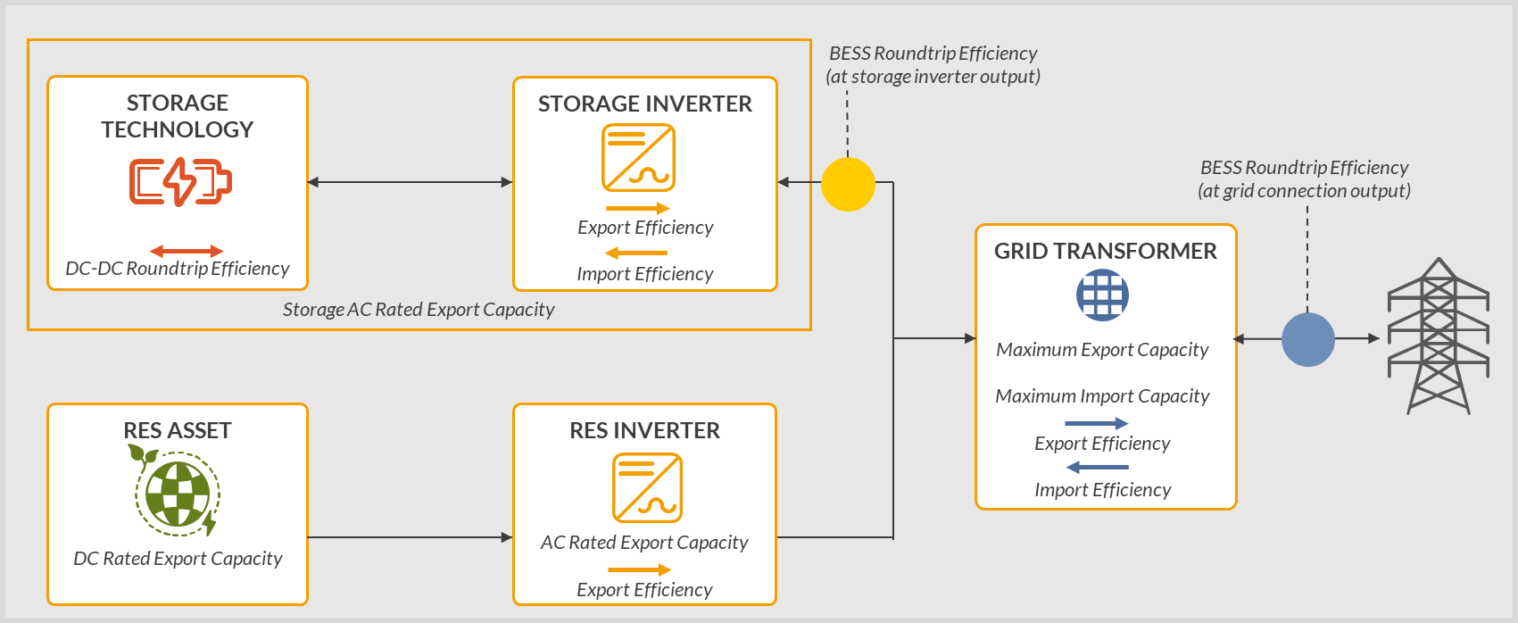 Co-located (AC-coupled) - Solar

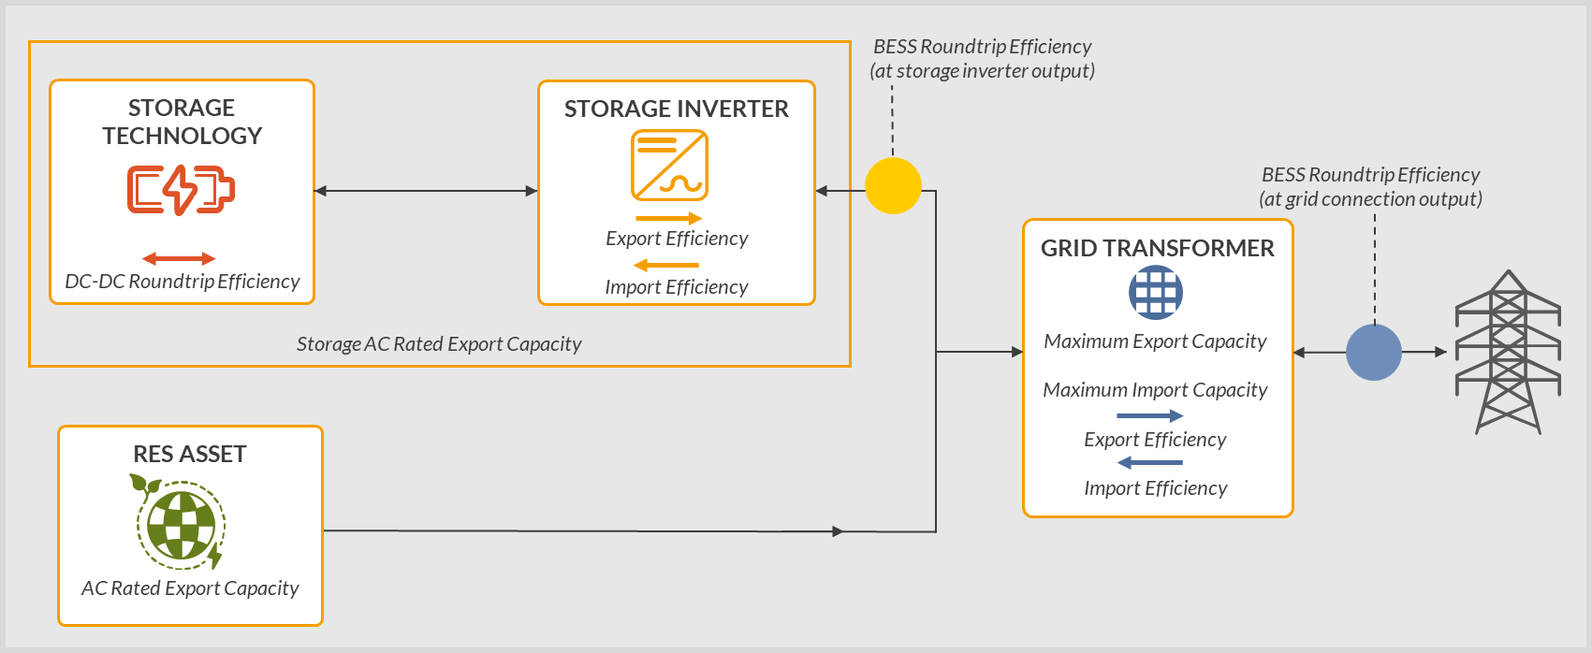 Co-located (AC-coupled) - Wind | 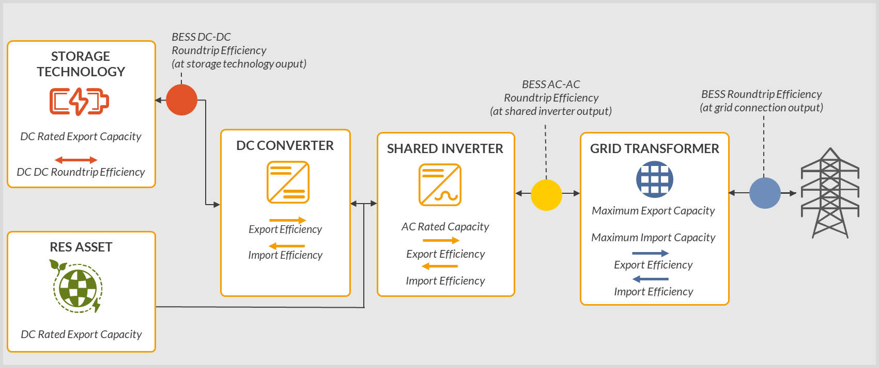 Co-located (DC-coupled) - Solar

