Sheet1
xxxoxssxxxxxxxxxxxxxxxxxxxxxxxxxxxxxxxxxxxxxxxxxxxiixxxxxxxxeexxxxxxxxqqqxxxxxxxmmmxxxxxxxaaaaaxxxxx |  |  |  |  |  |  |  |  |  |  |  | xxoxxssxxxxxxxxxxxxxxxxxxxxxxxxxxxxxxxxxxxxxxxxxxxiixxxxxxxxeexxxxxxxxqqqxxxxxxxmmmxxxxxxxaaaaaxxxxx |  |  |  |  |  |  |  |  |  |  |  |  |  |  | kai pataikai:
 |  | 0 | 1 | 2 | 3 | 4 | 5 | 6 | 7 | 8 | 9 |  |  | 0 | 1 | 2 | 3 | 4 | 5 | 6 | 7 | 8 | 9 |  | aircraft | 'a' | b | width: 200px;
0 | 0 | x | x | x | o | x | s | s | x | x | x | 0 | 0 | x | x | o | x | x | s | s | x | x | x |  | "aircraftV" | 'c'
10 | 1 | x | x | x | x | x | x | x | x | x | x | 10 | 1 | x | x | x | x | x | x | x | x | x | x |  | "destroyer1" | 'e' | f | width: 79px
20 | 2 | x | x | x | x | x | x | x | x | x | x | 20 | 2 | x | x | x | x | x | x | x | x | x | x |  | "destroyer1V" | 'g'
30 | 3 | x | x | x | x | x | x | x | x | x | x | 30 | 3 | x | x | x | x | x | x | x | x | x | x |  | "destroyer2" | 'i' | j | width: 79px;
40 | 4 | x | x | x | x | x | x | x | x | x | x | 40 | 4 | x | x | x | x | x | x | x | x | x | x |  | "destroyer2V" | 'k'
50 | 5 | i | i | x | x | x | x | x | x | x | x | 50 | 5 | i | i | x | x | x | x | x | x | x | x |  | "cruiser1" | 'm' | n | width: 120px
60 | 6 | e | e | x | x | x | x | x | x | x | x | 60 | 6 | e | e | x | x | x | x | x | x | x | x | "cruiser1V" | "plane1" | 'o' | p
70 | 7 | q | q | q | x | x | x | x | x | x | x | 70 | 7 | q | q | q | x | x | x | x | x | x | x |  | "cruiser2" | 'q' | r | width: 120px;
80 | 8 | m | m | m | x | x | x | x | x | x | x | 80 | 8 | m | m | m | x | x | x | x | x | x | x | "cruiser2V" | "plane2" | 's' | t
90 | 9 | a | a | a | a | a | x | x | x | x | x | 90 | 9 | a | a | a | a | a | x | x | x | x | x |  |  | u' | v
 |  |  |  |  |  |  |  |  |  |  |  |  |  |  |  |  |  |  |  |  |  |  |  |  |  | 'r' | t

xxypxtsxxxxxxxxxxxxxxxxxxxxxxxxxxxxxxxxxyyxxxxxxxxjjyxxxxxxxffyxxxxxxxrrrxxxxxxxnnnyxxxxxxbbbbbyxxxx |  |  |  |  |  |  |  |  |  |  |  | xxpxxstyxxxxxxxxxxxxxxxxxxxxxxxxxxxxxxxxyyxxxxxxxxjjyxxxxxxxffyxxxxxxxrrrxxxxxxxnnnyxxxxxxbbbbbyxxxx
 |  | 0 | 1 | 2 | 3 | 4 | 5 | 6 | 7 | 8 | 9 |  |  | 0 | 1 | 2 | 3 | 4 | 5 | 6 | 7 | 8 | 9
0 | 0 | x | x | y | p | x | t | s | x | x | x | 0 | 0 | x | x | p | x | x | s | t | y | x | x |  |  | bdfhjlnpr
10 | 1 | x | x | x | x | x | x | x | x | x | x | 10 | 1 | x | x | x | x | x | x | x | x | x | x
20 | 2 | x | x | x | x | x | x | x | x | x | x | 20 | 2 | x | x | x | x | x | x | x | x | x | x |  |  |  | A a
30 | 3 | x | x | x | x | x | x | x | x | x | x | 30 | 3 | x | x | x | x | x | x | x | x | x | x |  |  |  | B b
40 | 4 | y | y | x | x | x | x | x | x | x | x | 40 | 4 | y | y | x | x | x | x | x | x | x | x |  |  |  | C c
50 | 5 | j | j | y | x | x | x | x | x | x | x | 50 | 5 | j | j | y | x | x | x | x | x | x | x |  |  |  | D d
60 | 6 | f | f | y | x | x | x | x | x | x | x | 60 | 6 | f | f | y | x | x | x | x | x | x | x |  |  |  | E e
70 | 7 | r | r | r | x | x | x | x | x | x | x | 70 | 7 | r | r | r | x | x | x | x | x | x | x |  |  |  | F f
80 | 8 | n | n | n | y | x | x | x | x | x | x | 80 | 8 | n | n | n | y | x | x | x | x | x | x |  |  |  | G g
90 | 9 | b | b | b | b | b | y | x | x | x | x | 90 | 9 | b | b | b | b | b | y | x | x | x | x |  |  |  | H h
 |  |  |  |  |  |  |  |  |  |  |  |  |  |  |  |  |  |  |  |  |  |  |  |  |  |  | I i
xxpxxrrxxxxxxxxxxxxxxxxxxxxxxxxxxxxxxxxxxxxxxxxxxxiixxxxxxxxeexxxxxxxxqqqxxxxxxxmmmxxxxxxxbaaaaxxxxx |  |  |  |  |  |  |  |  |  |  |  |  |  |  |  |  |  |  |  |  |  |  |  |  |  |  | J j
 |  |  |  |  |  |  |  |  |  |  |  |  |  |  |  |  |  |  |  |  |  |  |  |  |  |  | K k
 |  |  |  |  |  |  |  |  |  |  |  |  |  |  |  |  |  |  |  |  |  |  |  |  |  |  | L l
 |  |  | a5, m3, q3, i2, e2 |  |  |  |  |  |  |  |  |  |  |  |  |  |  |  |  |  |  |  |  |  |  |  | M m
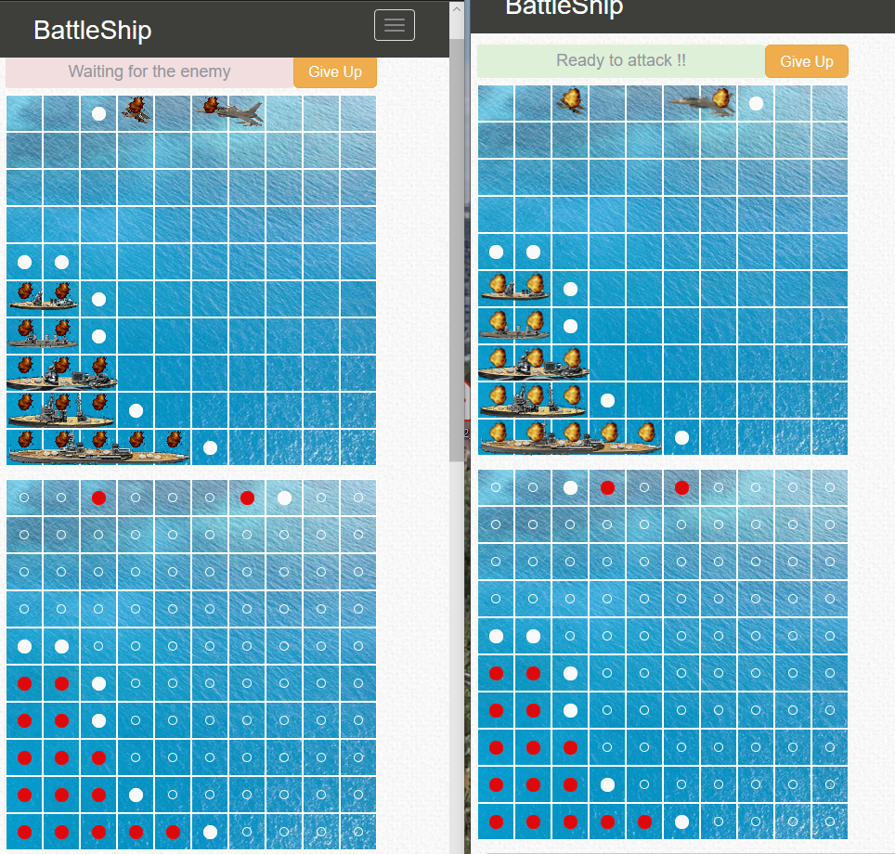
 |  |  |  |  |  |  |  |  |  |  |  |  |  |  |  |  |  |  |  |  |  |  |  |  |  |  | N n
 |  |  |  |  |  |  |  |  |  |  |  |  |  |  |  |  |  |  |  |  |  |  |  |  |  |  | O o
 |  |  |  |  |  |  |  |  |  |  |  |  |  |  |  |  |  |  |  |  |  |  |  |  |  |  | P p
 |  |  |  |  |  |  |  |  |  |  |  |  |  |  |  |  |  |  |  |  |  |  |  |  |  |  | Q q
 |  |  |  |  |  |  |  |  |  |  |  |  |  |  |  |  |  |  |  |  |  |  |  |  |  |  | R r
 |  |  |  |  |  |  |  |  |  |  |  |  |  |  |  |  |  |  |  |  |  |  |  |  |  |  | S s
 |  |  |  |  |  |  |  |  |  |  |  |  |  |  |  |  |  |  |  |  |  |  |  |  |  |  | T t
 |  |  |  |  |  |  |  |  |  |  |  |  |  |  |  |  |  |  |  |  |  |  |  |  |  |  | U u
 |  |  |  |  |  |  |  |  |  |  |  |  |  |  |  |  |  |  |  |  |  |  |  |  |  |  | V v
 |  |  |  |  |  |  |  |  |  |  |  |  |  |  |  |  |  |  |  |  |  |  |  |  |  |  | W w
 |  |  |  |  |  |  |  |  |  |  |  |  |  |  |  |  |  |  |  |  |  |  |  |  |  |  | X x
 |  |  |  |  |  |  |  |  |  |  |  |  |  |  |  |  |  |  |  |  |  |  |  |  |  |  | Y y
 |  |  |  |  |  |  |  |  |  |  |  |  |  |  |  |  |  |  |  |  |  |  |  |  |  |  | Z z

