AUSKF Regulations
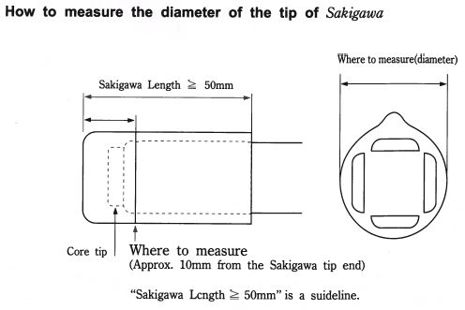



 | 2020 AUSKF National Championships Shinai regulations

 |  |  |  |  |  |  |  |  |  | 2020-01-15

 |  | Itto |  |  |  |  | Nito
 |  |  |  |  |  |  | Nito: Daito(longer Sword) |  |  |  |  | Nito: Shoto(shorter sword)
Division | Age | Length | Shinai Size | Weight | Diameter | Tip Length | Length | Shinai Size | Weight | Diameter | Tip Length | Length | Shinai Size | Weight | Diameter | Tip Length
Jr. Youth Girls | 12 to 15 | Max 114 Cm | 37 & Under | Min 400 G | Min 24 mm | Min 50 mm | No Nito on this Division |  |  |  |  | No Nito on this Division
Jr. Youth Boys | 12 to 15 | Max 114 Cm | 37 & Under | Min 440 G | Min 25 mm | Min 50 mm | No Nito on this Division |  |  |  |  | No Nito on this Division
Sr. Youth Girls | 16 to 18 | Max 117 Cm | 38 & Under | Min 420 G | Min 25 mm | Min 50 mm | No Nito on this Division |  |  |  |  | No Nito on this Division
Sr. Youth Boys | 16 to 18 | Max 117 Cm | 38 & Under | Min 480 G | Min 26 mm | Min 50 mm | No Nito on this Division |  |  |  |  | No Nito on this Division
Mudansha | Women 19 + | Max 120 Cm | 39 & Under | Min 440 G | Min 25 mm | Min 50 mm | Max 114 Cm | 37 & Under | Min 400 G | Min 24 mm | Min 50 mm | Max 62 Cm | 20 & Under | Min 250 G Max 280 G | Min 25 mm | Min 50 mm
 | Men 19 + | Max 120 Cm | 39 & Under | Min 510 G | Min 26 mm | Min 50 mm | Max 114 Cm | 37 & Under | Min 440 G | Min 25 mm | Min 50 mm | Max 62 Cm | 20 & Under | Min 280 G Max 300 G | Min 26 mm | Min 50 mm
Women's | 16 to 18 (H.S.) | Max 117 Cm | 38 & Under | Min 420 G | Min 25 mm | Min 50 mm | No Nito on this Division |  |  |  |  | No Nito on this Division
 | 18 + | Max 120 Cm | 39 & Under | Min 440 G | Min 25 mm | Min 50 mm | Max 114 Cm | 37 & Under | Min 400 G | Min 24 mm | Min 50 mm | Max 62 Cm | 20 & Under | Min 250 G Max 280 G | Min 25 mm | Min 50 mm
Men's | 16 to 18 (H.S.) | Max 117 Cm | 38 & Under | Min 480 G | Min 26 mm | Min 50 mm | No Nito on this Division |  |  |  |  | No Nito on this Division
 | 18 + | Max 120 Cm | 39 & Under | Min 510 G | Min 26 mm | Min 50 mm | Max 114 Cm | 37 & Under | Min 440 G | Min 25 mm | Min 50 mm | Max 62 Cm | 20 & Under | Min 280 G Max 300 G | Min 26 mm | Min 50 mm
Senior (Team Only) | Women 45 + | Max 120 Cm | 39 & Under | Min 440 G | Min 25 mm | Min 50 mm | Max 114 Cm | 37 & Under | Min 400 G | Min 24 mm | Min 50 mm | Max 62 Cm | 20 & Under | Min 250 G Max 280 G | Min 25 mm | Min 50 mm
 | Men 50 + | Max 120 Cm | 39 & Under | Min 510 G | Min 26 mm | Min 50 mm | Max 114 Cm | 37 & Under | Min 440 G | Min 25 mm | Min 50 mm | Max 62 Cm | 20 & Under | Min 280 G Max 300 G | Min 26 mm | Min 50 mm

