Stocks
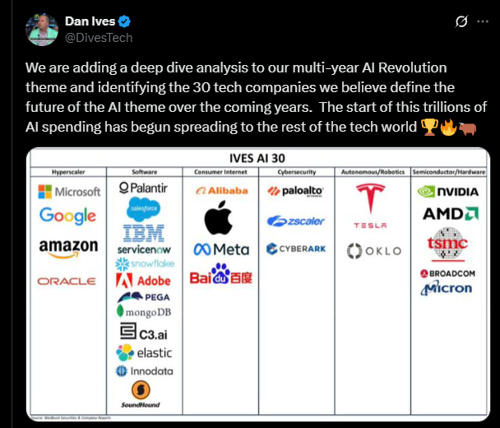
Ticker |  | Dan Ives List
ABT |  |  | NBIS | DHI | IBP | M.V Cunha | My List
ADMA |  |  | OUST | LEN | BLD | DCTH | TMDX
ARQT |  |  | CRWD | CCS | BLDR | DFH | AMD
ASTS |  |  | CRWV | TOL |  | OPRA | DUOL | OSCR | ABCL
ATGE |  |  | SMCI | PHM |  | HROW | DLO | LMND | MVST
AUR |  |  | DELL |  |  | LFMD | IBEX | TMDX | EOSE
BWXT |  |  | AUR |  |  | TBBB | VERX | UPST
BYRN |  |  | ADSK |  |  | IAS | ACLS | ZETA
CDLR |  |  | ASML |  |  |  | ADUS | CWAN
CEG |  |  | PYPL |  |  |  | OSIS
CHWY |  |  | INTC |  |  |  | CBOE
CLS |  |  | GEV |  |  |  | DASH
CRWD |  |  | PWR |  |  |  | LMND
DASH |  |  | IONQ |  |  |  | MDB
DAVE |  |  | UBER |  |  |  | EXEL
DDOG |  |  | RBRK |  |  |  | VEEV
DOCN |  |  | NET
DOCS |  |  | Unipath
FTNT
GRAL
HALO
HON
IBIT
IONQ
LMND
LOAR
LRN
LTH
LUNR
MOD
NBIS
NTRA
NVO
OKLO
OSIS
PEGA
PEN
PL
PSIX
PTGX
QBTS
RBRK
RDW
RGTI
RKLB
ROOT
SERV
SFM
SHOP
SMR
SYM
TEM
TGTX
TMDX
TOST
TTD
VRNA
WRD

 | NVO

