Sheet1
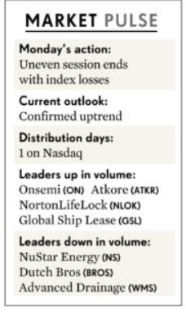
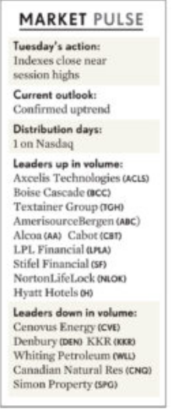
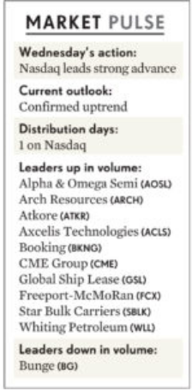
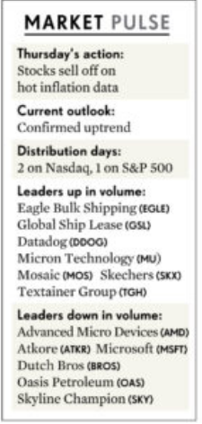
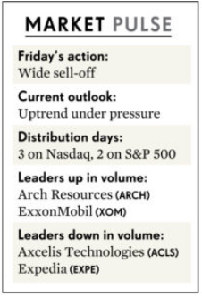
Week of 5/2/2022 - 5/6/2022

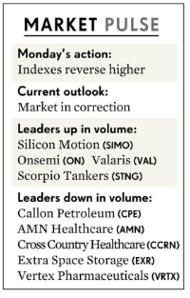

Week of 4/25/2022 - 4/29/2022

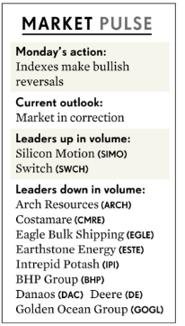
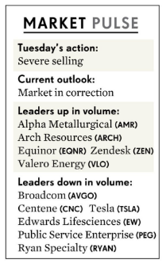
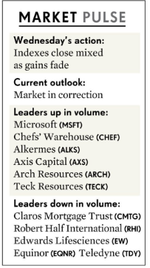
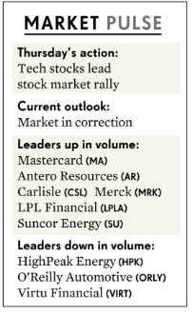
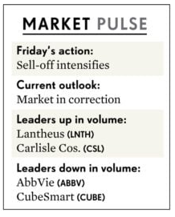

Week of 4/18/2022 - 4/22/2022

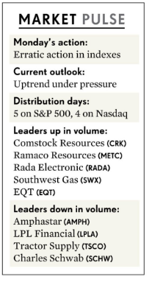
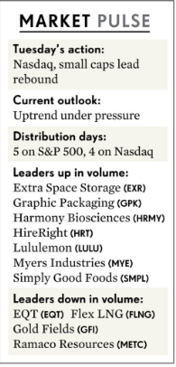
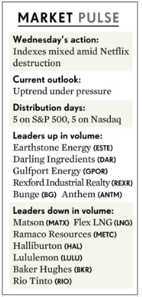
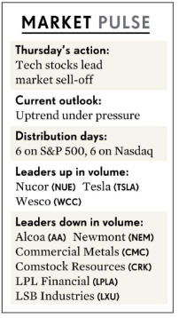
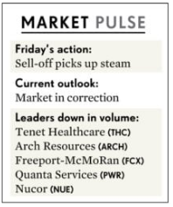

Week of 4/11/2022 - 4/15/2022

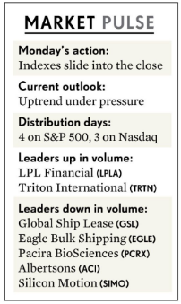
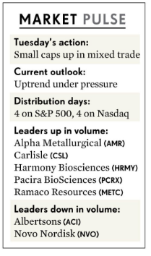
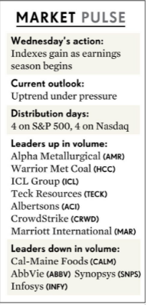
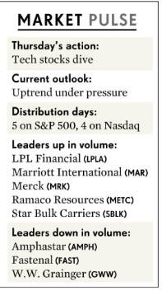
 | Good Friday - Markets Closed

Week of 4/4/2022 - 4/8/2022

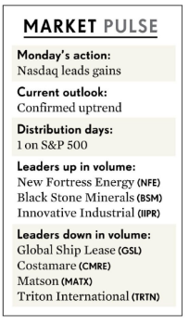
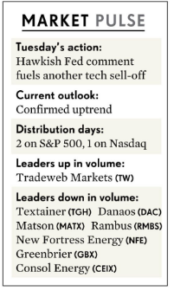
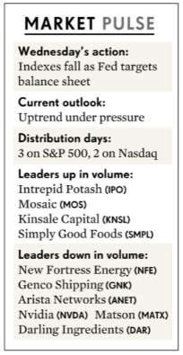
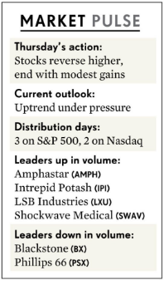
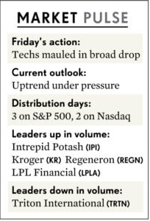

Week of 3/28/2022 - 4/1/2022

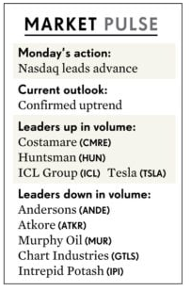
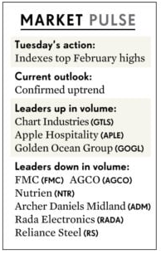
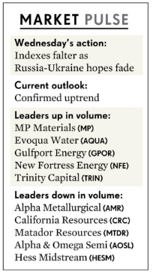
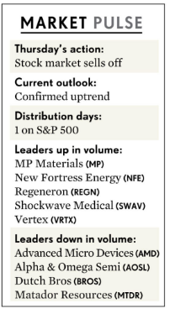
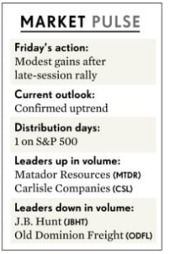

Week of 3/21/2022 - 3/25/2022

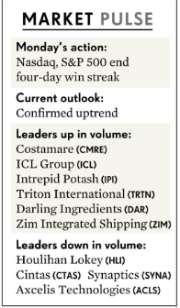
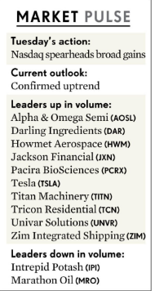
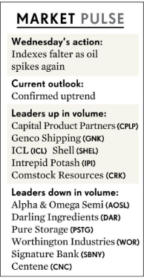
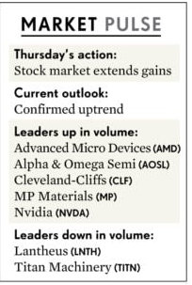
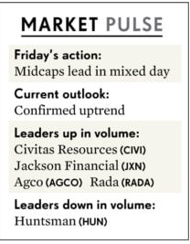

Week of 3/14/2022 - 3/18/2022

 |  | 3/14/2022: And the Nasdaq composite, falling 2%, took out its Feb. 24 intraday low. Translation: Its latest rally attempt has gone kaput. "The primary concern of the Fed is a full un-anchoring of inflation expectations which would then lead to a 1970s stagflationary environment," Joseph LaVorgna and Troy Ludtka, economists at Natixis, wrote in a Monday note to clients. "In response to such a development, the Fed may err on the side of causing a recession in order to further dampen already slowing demand with the intention of wringing inflationary pressure out of the system." 3/15/2022: The Fed is entering the tightening cycle cautiously, knowing there could be economic downside from the Russia-Ukraine war, Bell added. Still, inflation is still expected to be the key driver of future Fed action. China's stock market remains deeply troubled. China is dealing with a surge in Covid-19 cases, and authorities are imposing travel restrictions and otherwise limiting the movement of residents. Other worries hitting Chinese stocks include further regulations on China's tech sector, possible Chinese military aid to Russia, and continued distress in the property sector.
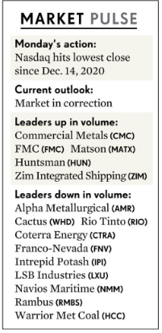
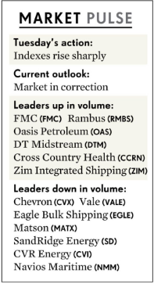
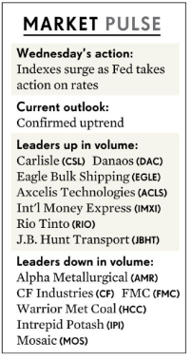
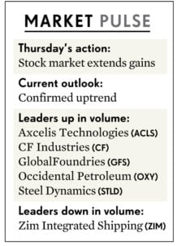
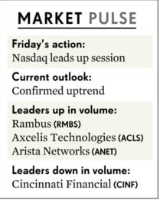

Week of 3/7/2022 - 3/11/2022

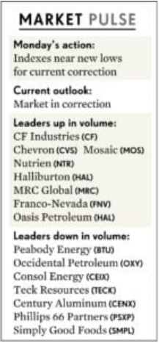
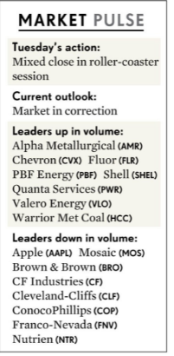
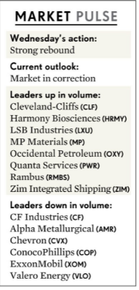
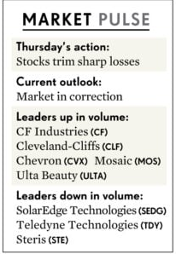
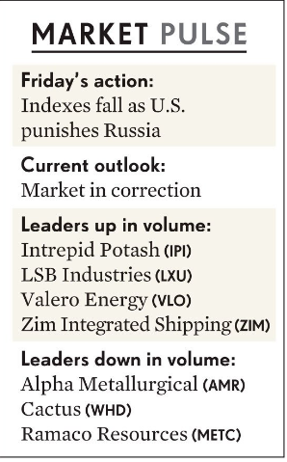

Week of 2/28/2022 - 3/4/2022

 |  | Wed: There were strong gains across all indexes, with jumps high enough to justify a follow-through day. The fly in the ointment was volume, which was lower on both the Nasdaq and, according to early data, also on the New York Stock Exchange. This missing vital ingredient means it did not qualify as a rally confirmation. "I think it's more likely than not that we can achieve what we call a soft landing," he (Jerome Powell) said. However, Oanda senior market analyst Edward Moya warned investors that the time will eventually come to pay the piper on the inflation front. "The problem is that eventually all these skyrocketing commodity price moves with grains, energy and metals will have a crippling inflation impact that could lead to aggressive tightening later this summer," he told Investor's Business Daily. (Bold by Sundeep) Tue: Liz Ann Sonders, chief investment strategist at Charles Schwab and a 35-year veteran observer of the equity markets, points out that contrarian market indicators carry meaning only when you have a catalyst that convinces the herd of institutional and individual investors that they are wrong about their stance on stocks. "The catalyst needs to create an outsized move in the market. Think of the example of everyone being on one side of the boat. Then the wind blows," Sonders told IBD. That said, she does note an interesting change in the level of bullishness among so-called "dumb money" traders today vs. 2020 and 2021. Whereas two years ago, the "dumb money" confidence level as tracked by research firm SentimenTrader was fairly positive, now it's dived to 25%. Meanwhile, the "smart money" traders now show a 75% bullishness level. "This is a very wide margin," Sonders said. According to Sonders, SentimenTrader makes the distinction between dumb and smart money by looking at activity in the equity options market for the former and put and call options trading in OEX and commercial hedger positions in the equity index futures market fo
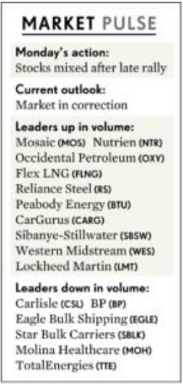
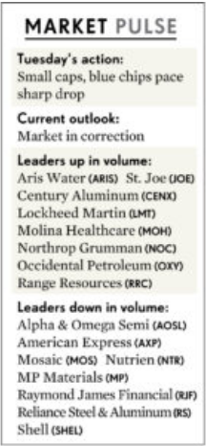
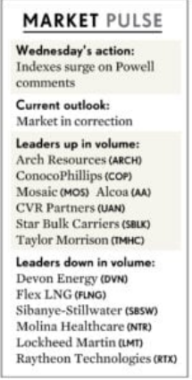
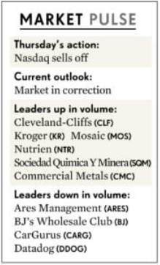
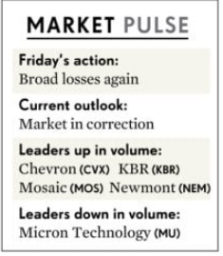

Week of 2/21/2022 - 2/25/2022





 |  | Observations by IBD from the week: Be on the lookout for a follow-through day, which would signal the start of a new uptrend, on Day 4 or later of a rally attempt. But this year's market volatility could make such a signal less significant. Follow-throughs in December and January failed. On a positive note, the Cboe Volatility Index, a measure of investor fear, briefly surged more than 30% above its 10-day moving average Thursday. A rise of more than 20% above its 10-day moving average can signal at least a short-term market low.
President's Day Holiday

Week of 2/14/2022 - 2/18/2022







Week of 2/7/2022 - 2/11/2022

