Sheet1
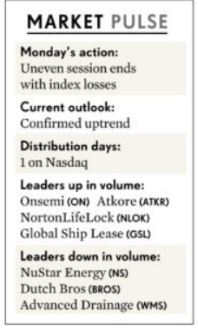
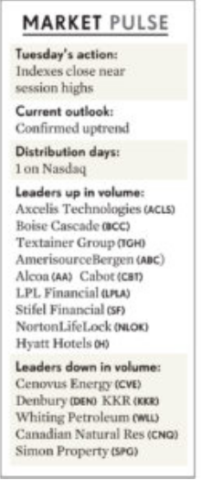
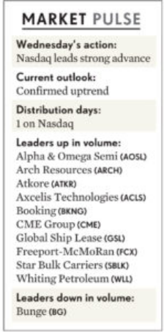
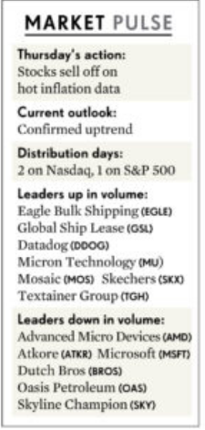
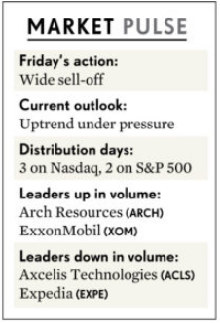
Week of 2/21/2022 - 2/25/2022

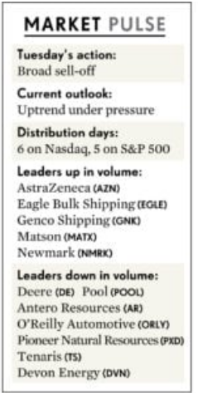
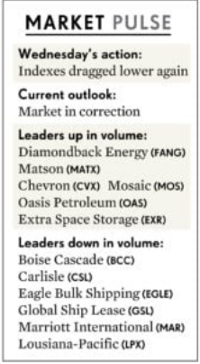
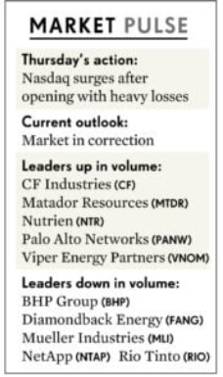
 | Observations by IBD from the week: Be on the lookout for a follow-through day, which would signal the start of a new uptrend, on Day 4 or later of a rally attempt. But this year's market volatility could make such a signal less significant. Follow-throughs in December and January failed. On a positive note, the Cboe Volatility Index, a measure of investor fear, briefly surged more than 30% above its 10-day moving average Thursday. A rise of more than 20% above its 10-day moving average can signal at least a short-term market low.
President's Day Holiday

Week of 2/14/2022 - 2/18/2022

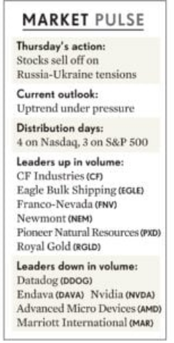
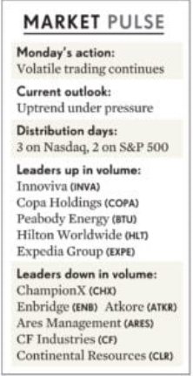
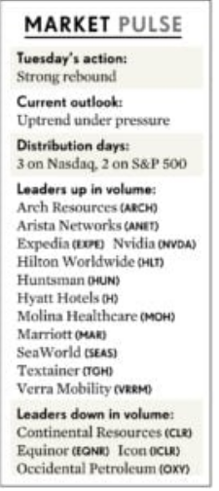
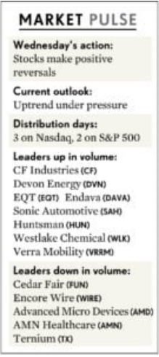
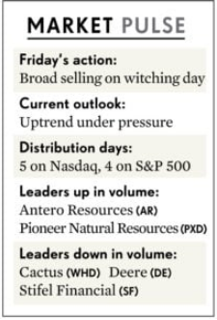

Week of 2/7/2022 - 2/11/2022

