Sheet1
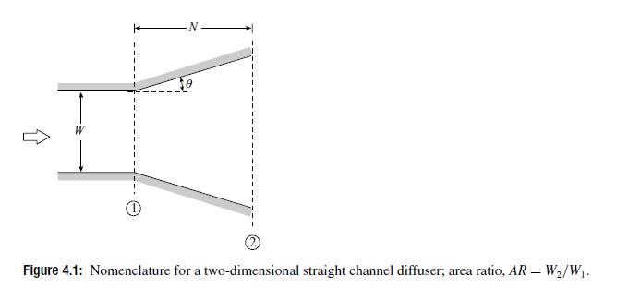
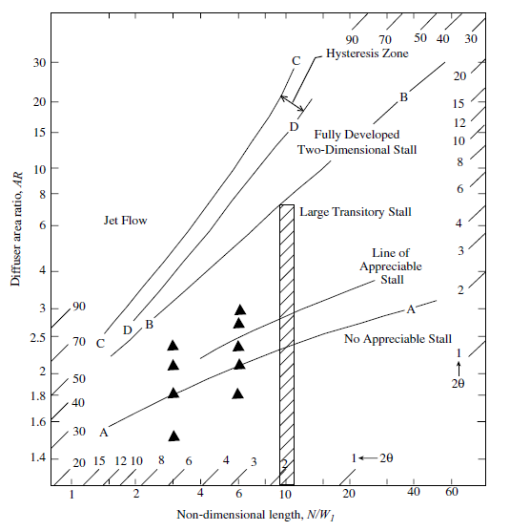
N/W1 | AR
2 | 1.66
4 | 1.92
10 | 2.35
20 | 2.8
40 | 3.1

