MediaSelection
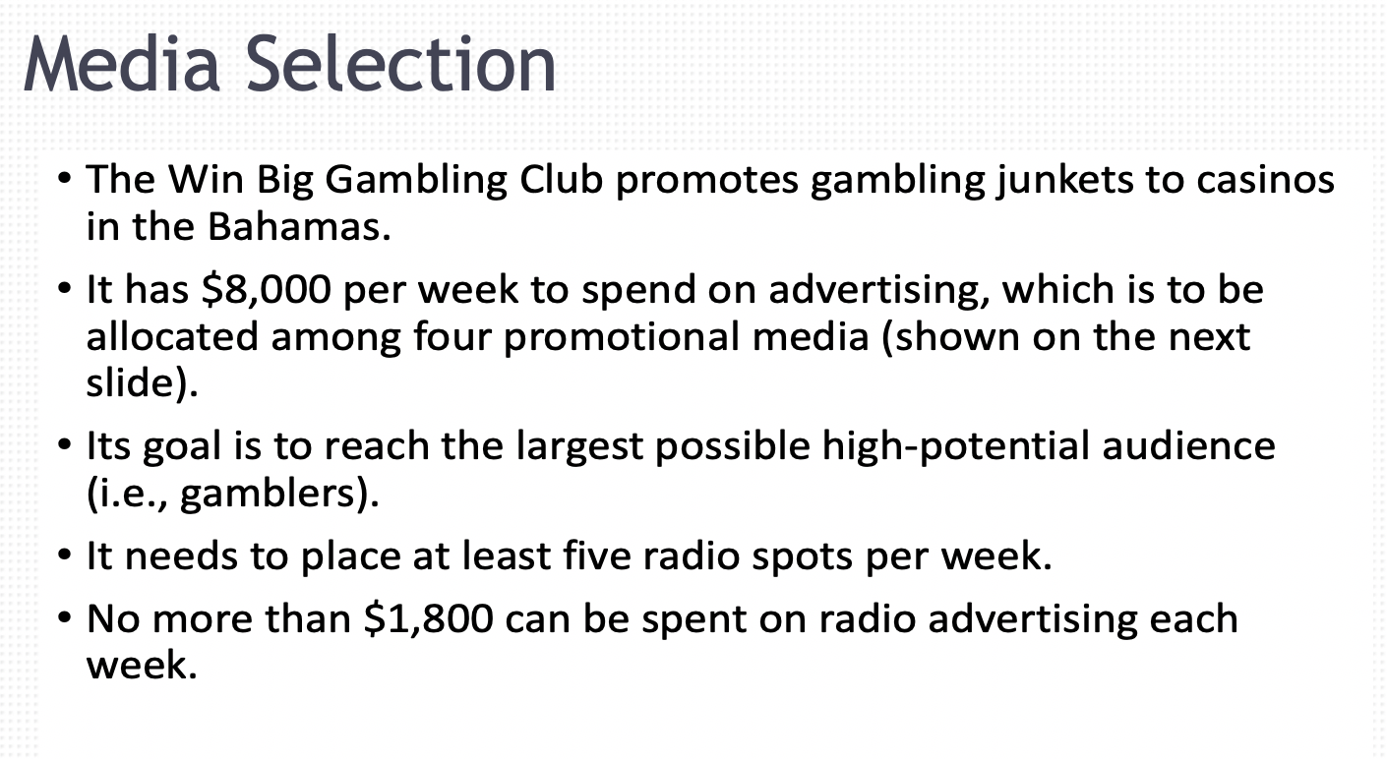
Win Big Gambling Club
 | TV | Newspaper | Radio 30 sec | Radio 1 min
Variables | X1 | X2 | X3 | X4
Solution | 1.96875 | 5 | 6.2068965517 | 0 | TOTAL audience per week
Audience per ad | 5000 | 8500 | 2400 | 2800 | 67240.301724
 |  |  |  |  | LHS |  | RHS
Constraints
Max TV | 1 |  |  |  | 1.96875 | <= | 12
Max Newspaper |  | 1 |  |  | 5 | <= | 5
Max 30-sec radio |  |  | 1 |  | 6.2068965517 | <= | 25
Max 1-min radio |  |  |  | 1 | 0 | <= | 20
Cost | 800 | 925 | 290 | 380 | 8000 | <= | 8000
Radio dollars |  |  | 290 | 380 | 1800 | <= | 1800
Radio spots |  |  | 1 | 1 | 6.2068965517 | >= | 5

