Tests
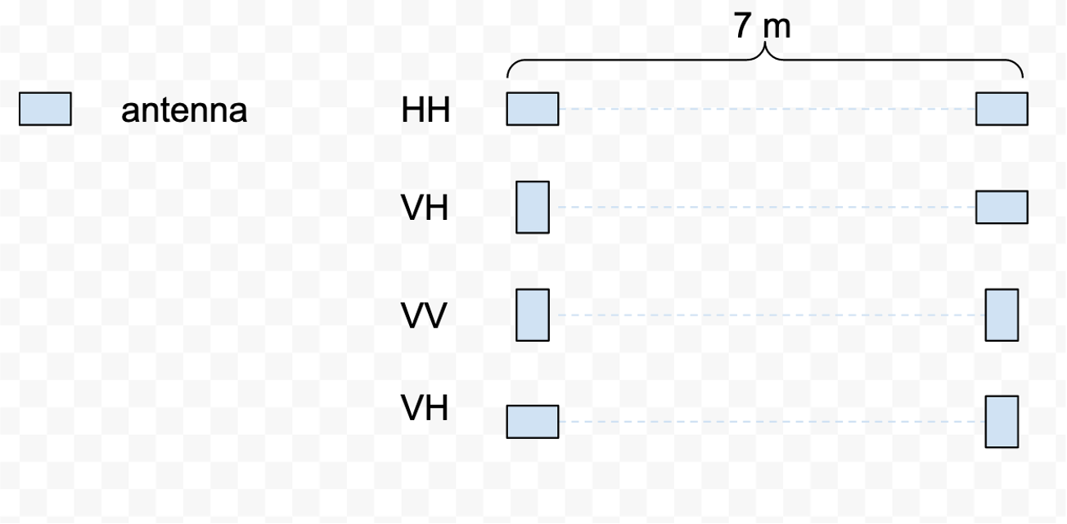
Test | Test Process | Other required equipment | # of bursts | # of chirps per measurement | Separation | Attenuation | Gain | Approx. test time (sec)
How do attenuation and gain settings affect data across environmental settings? | Take measuremnts in attended mode, four bursts/attenuation settings at a time. Pair each attenuation setting with each gain setting for 12 total measruements (e.g. [0,-14]; [0,-4]; [0, 6]) | none | 12 | 100 | 7m | 0, 10, 20, 30 | -14, -4, 6 | 1200
How does antenna separation change data? | Change antenna separation using ideal attn/gain settings at 2m, 4m, 7m, and 10m per measurement | none | 4 | 100 | 2m, 4m, 7m, 10m | ideal* | ideal | 400 | *ideal - whatever the best attenuation/gain settings are for your field site
How sensitive is ApRES to small displacements between survey and repeat locations? | See diagram 1 below. Choose one reference point to be your centerpoint. Align antennas along approximate direction of flow, or perpendicular to the divide. For each mesurement, move the antennas 1m in each of the four directions so that the antennas are offset by 1m first left, then right, then in front, and finally, behind, their original positions. Repeat measurements upon fieldsite reoccupation if possible. | none | 5 (+ 5 repeats, if possible) | 100 | 7m | ideal | ideal | 1000
Does skiddoo presence affect radar? | Take one measurement with the skidoo next to the transmitting antenna, next to the receiving antenna, and far away (>50m) from ether antenna. | skidoo | 3 | 100 | 7m | ideal | ideal | 300
Cross-polarized measurements at every location provides indication of ice fabric | See diagram 2 below. Rotate the antennas each measurement to achieve four antenna orientations: HH, VV, HV, and VH. | none | 4 | 100 | 7m | ideal | ideal | 400
How does the noise floor change per # of bursts across enviornmental settings? | Leave the ApRES running in attended or unattended mode for 2000 bursts | none | 1 | 2000 | 7m | ideal | ideal | 2000
Does a sled (ballast and no ballast) affect radar? | Take a reference measurement on the snow. Move the ApRES system onto the sled and move the sled so that the antennas are aligned with the reference measurement. With and without the sled ballast, take a measurement. | sled | 3 | 100 | sled separation** | ideal | ideal | 300 | **antenna separation on a sled will likely be less than 7m; 2m or more should work fine
How does ApRES data look if data collection happens while moving (slowly)? | With a skidoo or ski dragging the ApRES system on a sled, set the ApRES to collect 2000 measurements and move slowly (<5 km/hr, or as slow as the skidoo will go), for ~35 minutes. | skidoo, sled | 1 | 2000 | sled separation | ideal | ideal | 2000

 |  |  |  |  |  | total time (s) |  | 7600
Diagram 1 |  |  |  |  |  | total time (hrs) |  | 2.11
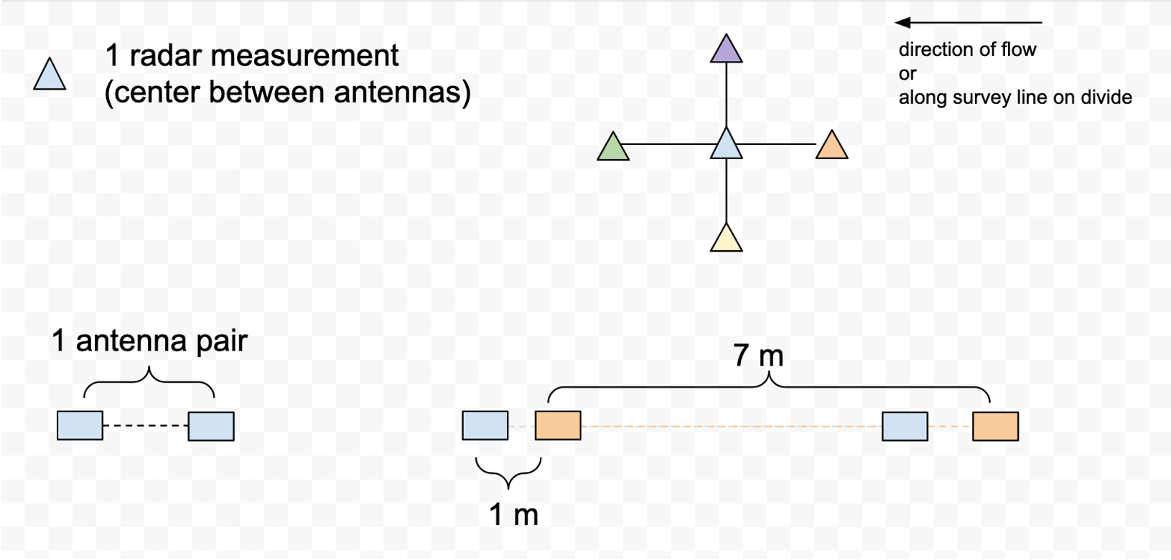

Diagram 2

