Sheet1
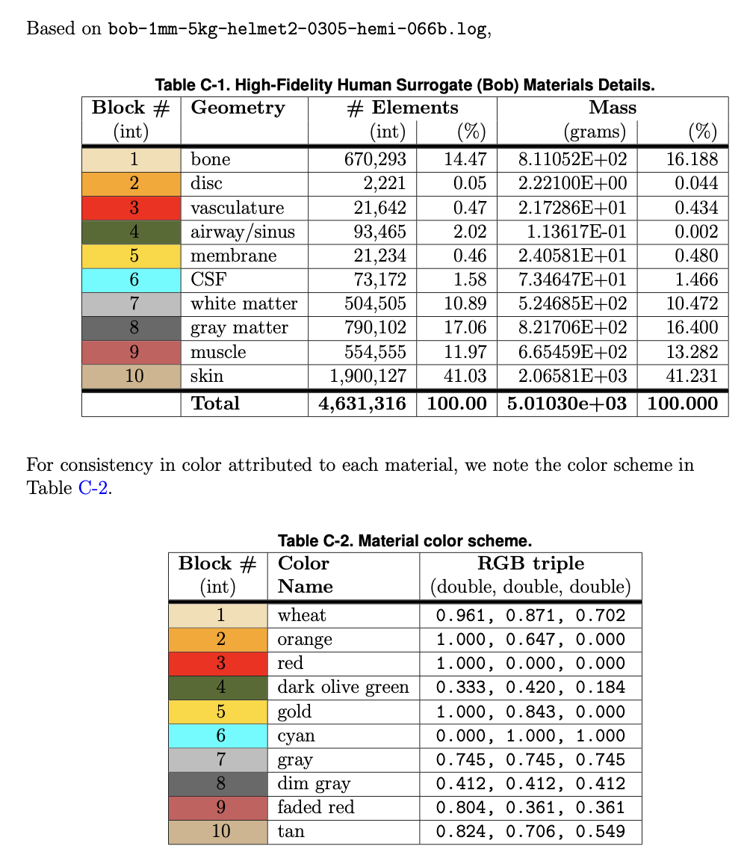

R | G | B | R | G | B | Block | Hex
0.961 | 0.871 | 0.702 | 245 | 222 | 179 | 1 | F5DEB3
1 | 0.647 | 0 | 255 | 165 | 0 | 2 | FFA500
1 | 0 | 0 | 255 | 0 | 0 | 3 | FF0000
0.333 | 0.42 | 0.184 | 85 | 107 | 47 | 4 | 556B2F
1 | 0.843 | 0 | 255 | 215 | 0 | 5 | FFD700
0 | 1 | 1 | 0 | 255 | 255 | 6 | 00FFFF
0.745 | 0.745 | 0.745 | 190 | 190 | 190 | 7 | BEBEBE
0.412 | 0.412 | 0.412 | 105 | 105 | 105 | 8 | 696969
0.804 | 0.361 | 0.361 | 205 | 92 | 92 | 9 | CD5C5C
0.824 | 0.706 | 0.549 | 210 | 180 | 140 | 10 | D2B48C

