DPO
Days Payable Outstanding (DPO)
 | The Days Payable Outstanding (DPO) is the estimated number of days a company takes on average before paying outstanding supplier or vendor invoices for purchases made on credit
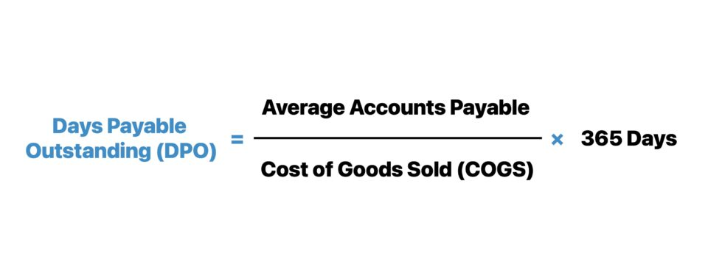

 | Days Payable Outstanding= Average Accounts Payable / Cost of Goods Sold * 365

 | Average Oayable = (Opening payable + Closing payable) / 2

 | XXXX Inc.
 | Consolidated Statements of Income

 |  |  | Financial Years ended 31 December
 | (Amounts in millions) |  | 20x4 |  | 20x3 |  | 20x2
 | Revenue:
 |  | Net sales | $545,337.10 | $- | $529,448.70 | $- | $526,475.40

 | XXXX Inc.
 | Consolidated Balance Sheets
 |  |  |  |  | As of 31 December
 | (Amounts in millions) |  |  |  | 20x4 |  | 20x3
 | Assets
 | Current assets
 |  | Cash and cash equivalents |  |  | $7,431.60 |  | $7,553.70
 |  | Accounts receivables |  |  | $61,754.00 |  | $64,185.00

Step 1 ➝ Calculate the company’s average (or ending) accounts payable balance |  |  |  |  |  |  | 62,969.50
Step 2 ➝ Divide the average (or ending) accounts payable balance by cost of goods sold (COGS) |  |  |  |  |  |  | 42.15 | 30
Step 3 ➝ Multiply the resulting figure by 365 days.

DIO
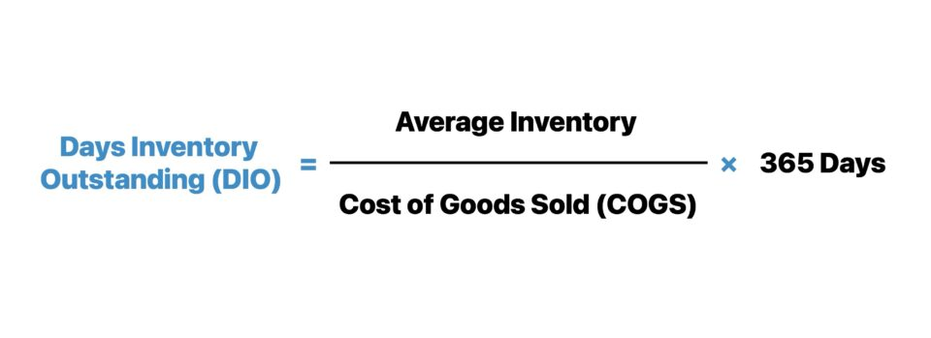
Days Inventory Outstanding Formula (DIO)

 | Days Inventory Outstanding (DIO) = (Average Inventory ÷ Cost of Goods Sold) × 365 Days

