BW vs ECC
Inspection Lot | Sum of results(BW) | Inspection Lot | Sum of results(ECC) | Not in ECC | not in BW | Comments
140009114570 | 0 | 140009029028 | 224328 | 140009114570 | 140009029028
140009114574 | 0 | 140009038577 | 4337 | 140009114574 | 140009038577
140009127719 | 5 | 140009091718 | 13 | 140009127719 | 140009091718
140009091718 | 13 | 140009101836 | 132.8 | 140009091718 | 140009101836
140009112852 | 29 | 140009101837 | 121.7 | 140009112852 | 140009101837
140009127611 | 33 | 140009101844 | 273 | 140009127611 | 140009101844
140009113071 | 37.5 | 140009108026 | 1016 | 140009113071 | 140009108026
140009114050 | 38 | 140009112852 | 29 | 140009114050 | 140009112852
140009113022 | 49.9 | 140009113022 | 49.9 | 140009113022 | 140009113022
140009126542 | 49.9 | 140009113027 | 108 | 140009126542 | 140009113027
140009127713 | 65 | 140009113053 | 67.9 | 140009127713 | 140009113053
140009126552 | 65.9 | 140009113071 | 37.5 | 140009126552 | 140009113071
140009113053 | 67.9 | 140009113077 | 158.9 | 140009113053 | 140009113077
140009113027 | 108 | 140009113080 | 166.6 | 140009113027 | 140009113080
140009101837 | 121.7 | 140009113157 | 12 | 140009101837 | #N/A | not in BW because the timestamp is after 10:30, expected in next delta run, not in BW due to timestamp difference
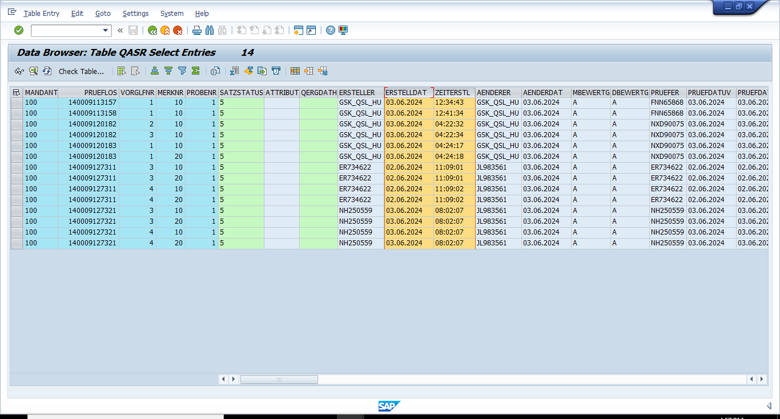
140009127710 | 127 | 140009113158 | 13 | 140009127710 | #N/A
140009101836 | 132.8 | 140009114050 | 38 | 140009101836 | 140009114050
140009127704 | 154 | 140009114570 | 0 | 140009127704 | 140009114570
140009113077 | 158.9 | 140009114574 | 0 | 140009113077 | 140009114574
140009113080 | 166.6 | 140009116429 | 4617 | 140009113080 | 140009116429
140009127707 | 223 | 140009120182 | 0 | 140009127707 | #N/A
140009101844 | 273 | 140009120183 | 9 | 140009101844 | #N/A
140009126586 | 323.8 | 140009126542 | 49.9 | 140009126586 | 140009126542
140009126588 | 612.8 | 140009126552 | 65.9 | 140009126588 | 140009126552
140009108026 | 1016 | 140009126586 | 323.8 | 140009108026 | 140009126586
140009127749 | 2020 | 140009126588 | 612.8 | 140009127749 | 140009126588
140009038577 | 4337 | 140009127311 | 0 | 140009038577 | #N/A
140009116429 | 4617 | 140009127321 | 0 | 140009116429 | #N/A
140009127701 | 5916 | 140009127611 | 33 | 140009127701 | 140009127611
140009127716 | 10606 | 140009127701 | 5916 | 140009127716 | 140009127701
140009029028 | 224328 | 140009127704 | 154 | 140009029028 | 140009127704
 |  | 140009127707 | 223 | #N/A | 140009127707
 |  | 140009127710 | 127 | #N/A | 140009127710
 |  | 140009127713 | 65 | #N/A | 140009127713
 |  | 140009127716 | 10606 | #N/A | 140009127716
 |  | 140009127719 | 5 | #N/A | 140009127719
 |  | 140009127749 | 2020 | #N/A | 140009127749

SUM_OF_X
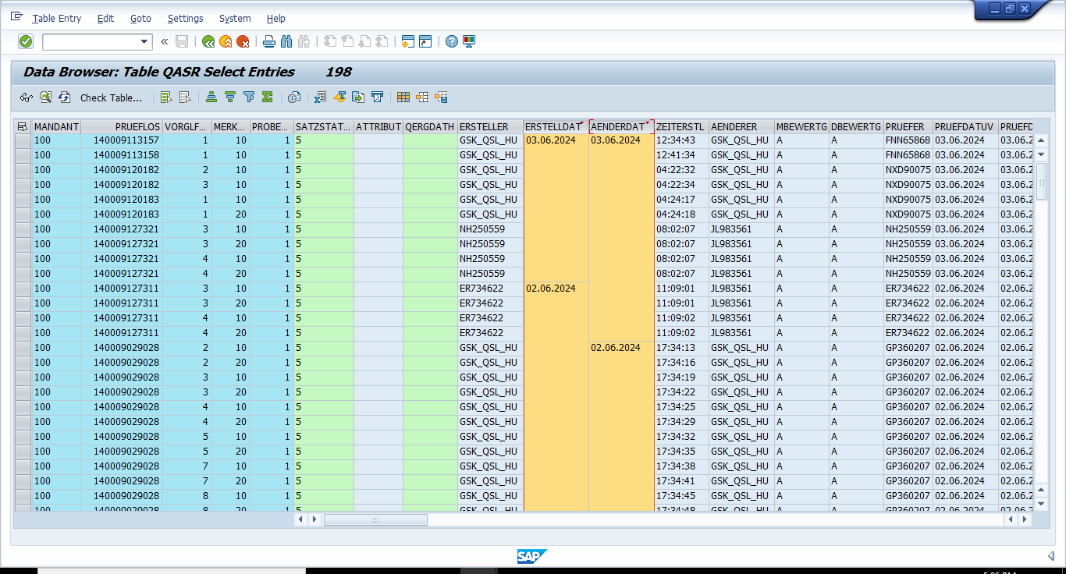
SUM_OF_X ECC Jun

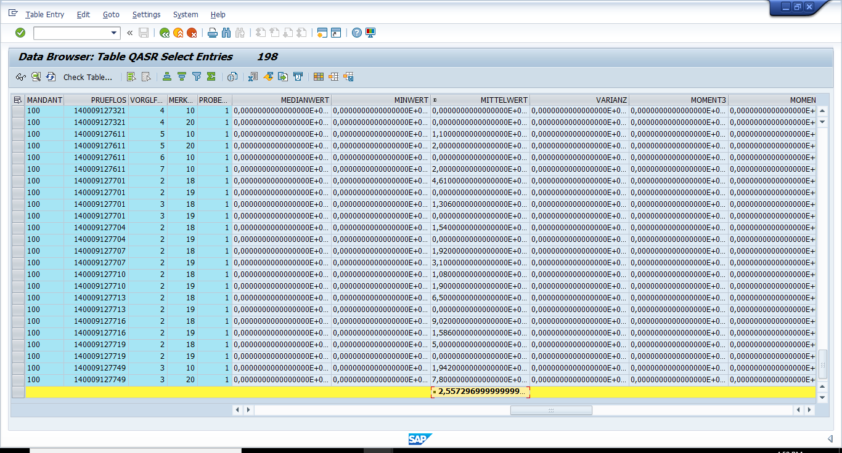

SUM_OF_X BW Jun

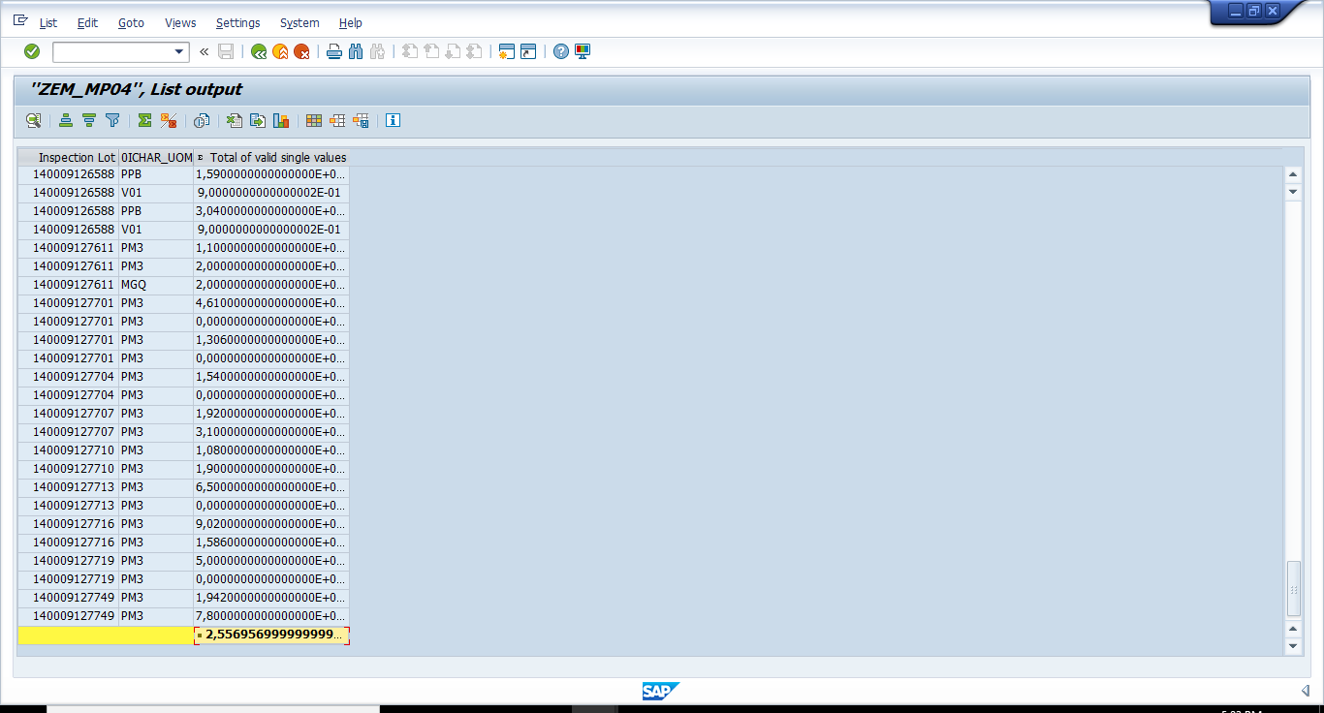

Difference is noted between the ECC and BW because of recently changed lots dated 03062024 and these lots are expected in the next delta run.

