WhatsApp | Design Review
Item | Description
Platform | WhatsApp IVA Review
Haptik SPOC | Solutions Consultant
Client SPOC
Date Completed

Topic | Review Checklist | Usage/Example/Recommendations | Yes/No/NA | Client Comments
Chat initiation | Do all your taskbox/menu items follow the same Call To Action (CTA) pattern? | Correct Usage ✅ Track my order Check my refund status Incorrect Usage ❌ Where is my order? Check refund status | FALSE
 | Does the bot have an introduction message with business name | Hi %name. Welcome to RelWood I am RelWhiz, RelWoods virtual assistant. How can I help you? | FALSE
 | WA IVA should follow either of these menu options? | Type 1: Numeric Menu Hi %name, I'm JioMart's Virtual Assistant 😃 How can I help you today? 1. Check Order Status 2. Item Related Query 3. Refund Related Query 4. Switch Accounts 5. Change Language 💡 Type any number from 1-5 to make a selection or ask me a question below. Type 2: Hybrid Correct Usage for Hybrid Menu ✅ 👋 Hello. Welcome to Disney+ Hotstar! You can ask me anything. People ask me most about these things 👇 ➜ For “I watched IPL matches for free last year, why is it paid now?” type FREE IPL ➜ For “How many devices can I watch on as a VIP user?” type HOW MANY DEVICES ➜ For “I am a subscriber, why am I being asked to pay again?” type PAY AGAIN 💡 Go ahead & type your query below or type MENU to view topics I can help you with. | FALSE
 | Either of the menu option should be in the given format | Correct Usage for Neumeric Menu ✅ Hi %name, I'm JioMart's Virtual Assistant 😃 How can I help you today? 1. Check Order Status 2. Item Related Query 3. Refund Related Query 4. Switch Accounts 5. Change Language 💡 Type any number from 1-5 to make a selection or ask me a question below. Correct Usage for Hybrid Menu ✅ 👋 Hello. Welcome to Disney+ Hotstar! You can ask me anything. People ask me most about these things 👇 ➜ For “I watched IPL matches for free last year, why is it paid now?” type FREE IPL ➜ For “How many devices can I watch on as a VIP user?” type HOW MANY DEVICES ➜ For “I am a subscriber, why am I being asked to pay again?” type PAY AGAIN 💡 Go ahead & type your query below or type MENU to view topics I can help you with. | FALSE
Navigation (Outro) | Is your journey ending abruptly at any point? | Principle of closure and adding tips Type 'Menu' to view the main menu. Note: Keywords need to be in bold and in single quotes | FALSE
 | Do all outro mesaages have consistency in the keywords? | Correct Usage ✅ User: I want a refund Bot: Sure. I can help you with a refund. Outro msg: Type 'Menu' to go back to the main menu. Incorrect Usage❌ User: I want a refund Bot: Sure. I can help you with a refund. Outro msg: What else can I help you with? | FALSE
 | Have you given examples whenever entities are collected? | Correct Usage ✅ Which city are you flying from? Eg: New York or NYC Incorrect Usage ❌ Which city are you flying from? | FALSE
Variation | Have you added at least 3 bot break variations? | Recommendation You should add at least 3 different bot break variations to the bot. | FALSE
 | Have you added variations to the menu start nodes? | Recommendation Menu items that lead to a start node should have at least 3 variations each. These are high traffic nodes and more variations make the bot smarter to the user. | FALSE
 | Have you added variations to the entity messages? | Recommendation You should add at least 2 variations to the entity bot says. | FALSE
 | Have you reviewed disambiguation tags for every node? | Recommendation You should add at least 2 variations at every Disambiguation tags | FALSE
Course Correction | Is the entity retry message informative and relevant? | Example Entity bot says: What's your phone number? User says: 000050009 Entity retry message: That seems incorrect. Please enter a valid 10-digit phone number. User says: 1009 Entity retry message: That does not seem right. Can you please retry with a valid 10-digit phone number. | FALSE
 | Have you written clear responses for API failures? | Method The IVA should be designed to handle all types of API falilure scenarios. The three cases that must be considered for most APIs: System failure, Timeout and Success. If the API has any in process cases, is the user being informed about it correctly? | FALSE
 | Is your IVA able to handle unexpected user behavior? | Method The IVA should be able to handle negative cases and journeys that are not linear. Example I don't remember account number I didn't receive OTP I did not get any email. | FALSE
Grammar Capitalisation Organisation Punctuation Spelling | Is there uniformity in sentence formatting and use of capitalisation? | Recommendations ▪️ Task box: Title case for all platforms/ Sentence case for WhatsApp. ▪️ Button text: Title/Sentence case ▪️ Quick replies: Title case if less than equal to 2 words - Sentence case if more than 2 word. ▪️ Use of emoji: Don't show emoji in the middle of sentences. Ensure they're either at the beginning or ending of text. No use of full-stop when appending emojis at the end of sense. | FALSE
 | Have you followed the right sentence structure for the Bot Says? | Method Bot says should follow the structure mentioned below. Affirmation + Message + Question/Conclusion + emoji (if required) Example Sure! I can help you with your e-ticket. Please type your 6-character confirmation code below 👇 | FALSE
 | Did you review all periods, exclamation marks and question marks? | Method Punctuation: Check alll periods, exclamation marks, question marks, commas Bullet Points: Use a period (full stop) after every bullet point that is a sentence. However, use no punctuation after bullets that are not sentences. | FALSE
 | Are all the words spelt correctly? | Method Use a spellcheck tool like Grammarly to check for spelling accuracy. | FALSE
 | Did you use British english or American english for the bot? | Method Review the audience of the bot and choose a certain english. Stick to it throughout the bot. Refer to this article to learn which countries speak British vs American english. | FALSE
Follow-up Bot Messages | Have you set-up a generic follow up question at the end of every journey to re-engage the user? | Method At the end of a journey a normal follow-up message must appear. Example Still looking for chairs? Tell me how many you need. | FALSE
 | Have you set-up feedback follow up question at the end of every journey? | Method At the end of any task node follow-up feedback message should appear | FALSE
 | Have you set-up a Contextual Follow-up: Follow-up message based on the use-case/journey at the end of your journeys? | Example Bot says: Was I able to resolve your payment issue? | FALSE
Small-talk Module (Check this during UAT) | Are small talk copies in sync with the brand's voice of communication? | Correct Usage ✅ I'm here to assist the customers of {client/your brand}. I was built by the team at {client/your brand}. Incorrect Usage ❌ Well...I assist the customers of Haptik. I was built by Team Haptik. 🤖 | FALSE
 | The IVA should provide the menu items to the user as a response to "What can you do for me?" For WA we only enable certain smalltalk modules, since we already have a menu node present in the journey add these types of variations to that node. | Correct Usage ✅ I am always here to help you. What can I do for you? Incorrect Usage ❌ As a chatbot, I'm online 24/7 to resolve any queries you have. | FALSE
Keywords and tips | A tip should either have the word tip or the bulb emoji - not both | Example: Tip: Type a number from 1, 2, 3, or 4 to make a selection. 💡 Type a number from above to make a selection. | FALSE
 | Tips or action items should come at the end of the message in keyword format. The keyword should be in bold and single quotes. | Example: Type 'Yes' to confirm and proceed. | FALSE
 | Do not put : after bulb emoji. Add a space after bulb emoji | Correct Usage ✅ 💡 Type a number from above to make a selection. Incorrect Usage ❌ 💡: Type a number from above to make a selection.
 | Check how is the menu tip placed in the journey (End node or multiple times in-between Avoid repetitive usage of Menu tip accross the journey |  | FALSE
Media/Links | LINKS 1. Is the format of sharing links consistent. Clickable item should always appear at the end of the message. 2. Links on whatsapp should be shortened links | Correct Usage ✅ Tap on the link below to make your recharge now 👇 <LINK> Incorrect Usage ❌ Click on this <LINK> to make your recharge now. | FALSE
 | IMAGES Account for Bot says to user says ratio when sharing multiple images on whatsapp. |  | FALSE
 | Add a bot says for an image input by the user always! | 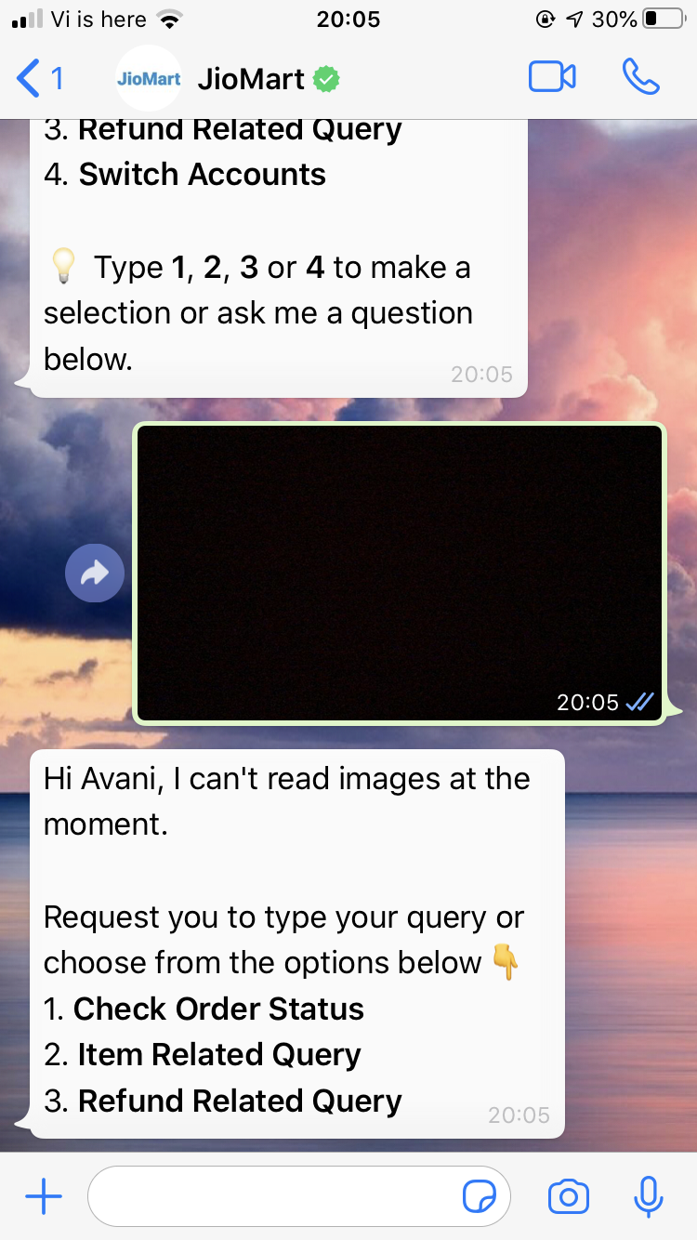 | FALSE
 | Make sure this image is present when asking the user to share a location | 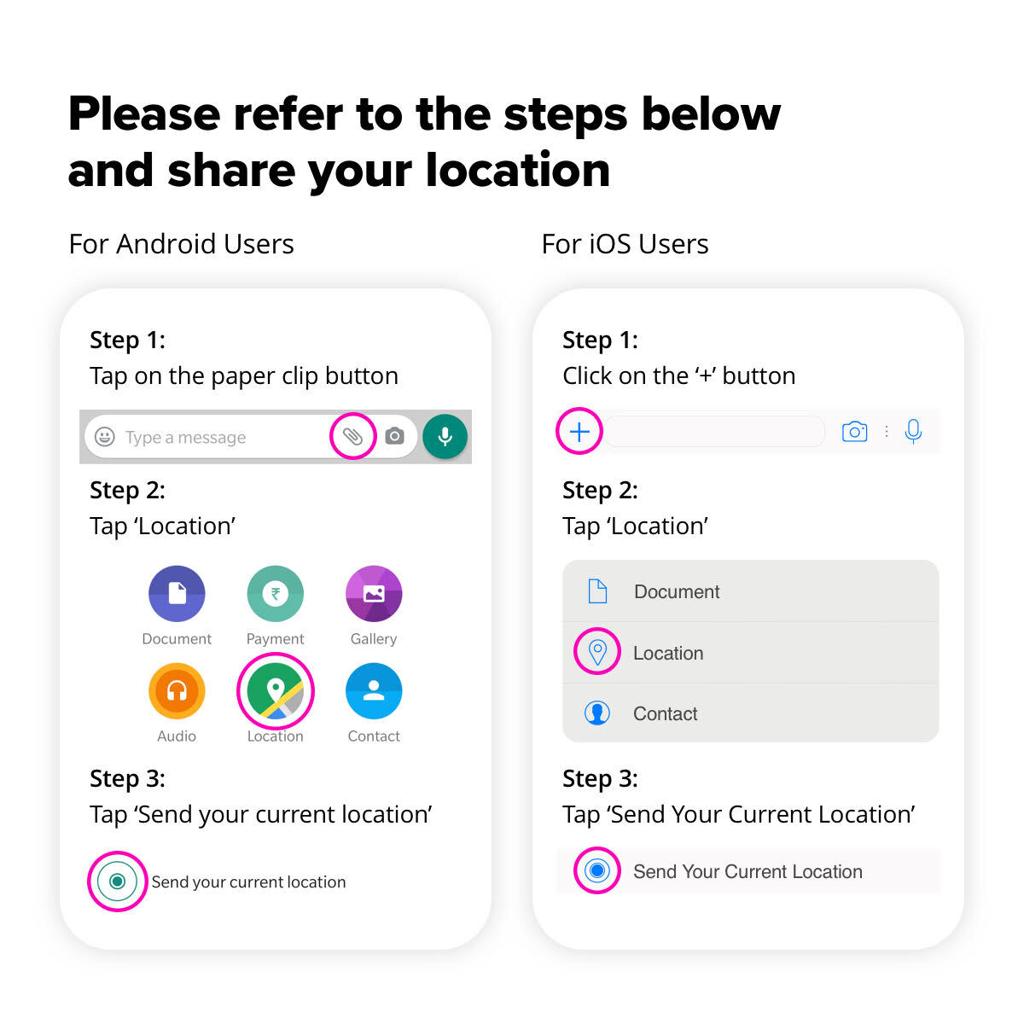 | FALSE
 | When the bot wants to share a PDF have a tip in the form of a caption Note: Because the WA is async the pdf can go above oe below this msg | Example: Tap and download to view your invoice | FALSE

