Region
Region Code | Region Name
1 | Andhra Pradesh
2 | Arunachal Pradesh
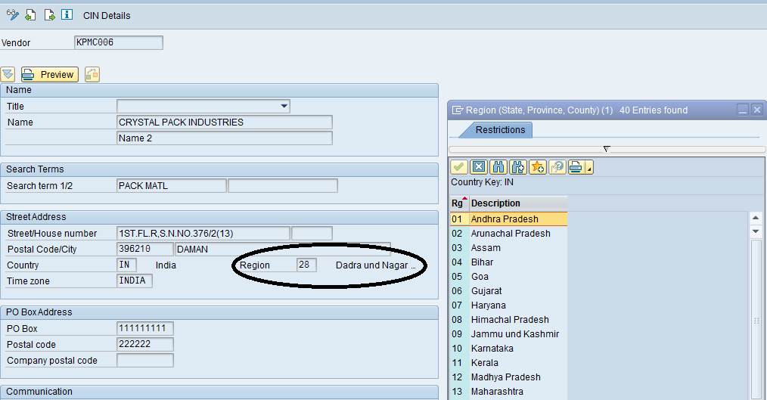
3 | Assam
4 | Bihar
5 | Goa
6 | Gujarat
7 | Haryana
8 | Himachal Pradesh
9 | Jammu and Kashmir
10 | Karnataka
11 | Kerala
12 | Madhya Pradesh
13 | Maharashtra
14 | Manipur
15 | Megalaya
16 | Mizoram
17 | Nagaland
18 | Orissa
19 | Punjab
20 | Rajasthan
21 | Sikkim
22 | Tamil Nadu
23 | Tripura
24 | Uttar Pradesh
25 | West Bengal
26 | Andaman and Nico.In.
27 | Chandigarh
28 | Dadra and Nagar Hav.
29 | Daman and Diu
30 | Delhi
31 | Lakshadweep
32 | Pondicherry
33 | Chhattisgarh
34 | Jharkhand
35 | Uttaranchal
36 | Telangana
A1
A2
A3
A4

