Charts
CBO Tax Projection Distribution (2025)
CBO Spending Projection Distribution (2025)
Individual Income Taxes | 2,656 | 21,755
Payroll Taxes | 1,748 | 17,833
Corporate Income Taxes | 452 | 6,296
Excise taxes | 106 | 2,436
Customs duties | 195 | 231
Others | 77 | 639

Health | 1,848 | -9,242
Social Security | 1,575 | -6,457
Other MandaSpending | 1,114 | -1,589
Defense | 893 | -1,281
Non-defense | 980 | 2,029

Tax Projection Distribution After Changes (2055)
Spending Projection Distribution After Changes (2055)

Government Deficit

Net Interest Over Time
2025 | 970
2026F | 1,039
2027F | 1,108
2028F | 1,218
2029F | 1,324
2030F | 1,432
2031F | 1,548
2032F | 1,670
2033F | 1,784
2034F | 1,904
2035F | 2,019
2036F | 2,144
2037F | 2,250
2038F | 2,361
2039F | 2,477
2040F | 2,599
2041F | 2,727
2042F | 2,862
2043F | 3,003
2044F | 3,151
2045F | 3,306
2046F | 3,510
2047F | 3,711
2048F | 3,924
2049F | 4,149
2050F | 4,386
2051F | 4,638
2052F | 4,903
2053F | 5,184
2054F | 5,481
2055F | 5,796
Tariff Distribution (2026-2035)
Section 232 Steel and Aluminum | $85.70
Section 232 Autos and Auto Parts | $315.90
Section 232 Copper | $8.50
Section 232 Furniture, Kithcen Cabinets and Vanities, Lumber | $14.40
Section 232 Heavy Trucks and Parts | $65.00
Section 122 Tariff (15%) | $33.20

2025 | 2026F | 2027F | 2028F | 2029F | 2030F | 2031F | 2032F | 2033F | 2034F | 2035F | 2036F | 2037F | 2038F | 2039F | 2040F | 2041F | 2042F | 2043F | 2044F | 2045F | 2046F | 2047F | 2048F | 2049F | 2050F | 2051F | 2052F | 2053F | 2054F | 2055F | 2056F
-1775.46 | -2063.278 | -2098.3535 | -2291.327 | -2227.94 | -2408.2145 | -2489.128 | -2632.9715 | -2970.6775 | -3008.873 | -2973.186 | -3317.423 | -2998.2002194 | -3109.4852123 | -3225.1706275 | -3345.4434479 | -3470.4991623 | -3600.5421746 | -3735.7862318 | -3876.4548751 | -4022.781912 | -4214.1883651 | -4230.1121391 | -4473.1751929 | -4730.1535447 | -5001.84093 | -5289.0762258 | -5592.7460127 | -5913.7872825 | -6253.1902986 | -6612.0016193 | -6943.1609908
-1775.46 | -2471.9889726 | -2339.9113914 | -2496.9928148 | -2176.6949421 | -2333.280424 | -2193.5982804 | -2300.0929787 | -2803.5862501 | -2698.4969375 | -2442.7207741 | -3020.4538929 | -2192.3098567 | -2208.9455522 | -2225.1366692 | -2234.3174932 | -2235.5223479 | -2227.0146651 | -2215.456938 | -2204.5613224 | -2192.6965441 | -2209.1143437 | -1883.0123595 | -1987.0076049 | -2094.0519536 | -2204.0009365 | -2335.5156292 | -2472.9784519 | -2616.5890699 | -2766.5443653 | -2923.0372042 | -3153.9045751

2025 | 2026F | 2027F | 2028F | 2029F | 2030F | 2031F | 2032F | 2033F | 2034F | 2035F | 2036F | 2037F | 2038F | 2039F | 2040F | 2041F | 2042F | 2043F | 2044F | 2045F | 2046F | 2047F | 2048F | 2049F | 2050F | 2051F | 2052F | 2053F | 2054F | 2055F
37637.553 | 32305.278 | 34215.3535 | 36305.327 | 38310.94 | 40487.2145 | 42732.128 | 45115.9715 | 47833.6775 | 50583.873 | 53297.186 | 56354.423 | 58875.410267 | 61991.45895 | 65273.263865 | 69663.883596 | 73586.782571 | 77731.905478 | 82111.892001 | 86740.102378 | 91630.658537 | 96835.085069 | 102153.50013 | 108002.35698 | 114185.78053 | 120722.90578 | 127633.96199 | 134940.33524 | 142664.63461 | 150830.7621 | 159463.98652
37637.553 | 32713.988973 | 34456.911391 | 36510.992815 | 38259.694942 | 40412.280424 | 42436.59828 | 44783.092979 | 47666.58625 | 50273.496937 | 52766.720774 | 56057.453893 | 58069.519904 | 61090.91929 | 64273.229907 | 68552.757641 | 72351.805756 | 76358.377969 | 80591.562707 | 85068.208826 | 89800.573169 | 94830.011048 | 99806.400355 | 105516.18939 | 111549.67894 | 117925.06579 | 124680.40139 | 131820.56768 | 139367.4364 | 147344.11616 | 155775.02211

GDP
 | 1996 | 1997 | 1998 | 1999 | 2000 | 2001 | 2002 | 2003 | 2004 | 2005 | 2006 | 2007 | 2008 | 2009 | 2010 | 2011 | 2012 | 2013 | 2014 | 2015 | 2016 | 2017 | 2018 | 2019 | 2020 | 2021 | 2022 | 2023 | 2024 | 2025 | 2026 | 2027 | 2028 | 2029 | 2030 | 2031 | 2032 | 2033 | 2034 | 2035 | 2036 | 2037 | 2038 | 2039 | 2040 | 2041 | 2042 | 2043 | 2044 | 2045 | 2046 | 2047 | 2048 | 2049 | 2050 | 2051 | 2052 | 2053 | 2054 | 2055 | 2056
Real GDP (trillions of 2017 dollars) | 11.8 | 12.4 | 12.9 | 13.5 | 14.1 | 14.2 | 14.5 | 14.9 | 15.4 | 16.0 | 16.4 | 16.8 | 16.8 | 16.3 | 16.8 | 17.1 | 17.4 | 17.8 | 18.3 | 18.8 | 19.1 | 19.6 | 20.2 | 20.7 | 20.3 | 21.5 | 22.1 | 22.7 | 23.4 | 23.8 | 24.4 | 24.8 | 25.3 | 25.7 | 26.2 | 26.7 | 27.1 | 27.6 | 28.1 | 28.6 | 29.1 | 29.6 | 30.1 | 30.7 | 31.2 | 31.7 | 32.3 | 32.8 | 33.4 | 33.9 | 34.5 | 35.0 | 35.6 | 36.1 | 36.7 | 37.2 | 37.8 | 38.4 | 38.9 | 39.5 | 40.1
Nominal GDP (trillions of dollars, by calendar year) | 8.1 | 8.6 | 9.1 | 9.6 | 10.3 | 10.6 | 10.9 | 11.5 | 12.2 | 13.0 | 13.8 | 14.5 | 14.8 | 14.5 | 15.0 | 15.6 | 16.3 | 16.9 | 17.6 | 18.3 | 18.8 | 19.6 | 20.7 | 21.5 | 21.4 | 23.7 | 26.1 | 27.8 | 29.3 | 30.7 | 32.3 | 33.7 | 35.0 | 36.4 | 37.7 | 39.2 | 40.7 | 42.2 | 43.8 | 45.4 | 47.1 | 48.9 | 50.8 | 52.7 | 54.7 | 56.7 | 58.9 | 61.1 | 63.3 | 65.7 | 68.1 | 70.5 | 73.1 | 75.7 | 78.4 | 81.2 | 84.0 | 87.0 | 90.1 | 93.2 | 96.5
Growth of the GDP price index | 1.8 | 1.7 | 1.1 | 1.4 | 2.3 | 2.3 | 1.5 | 2.0 | 2.7 | 3.1 | 3.1 | 2.7 | 1.9 | 0.7 | 1.2 | 2.1 | 1.9 | 1.7 | 1.7 | 0.9 | 1.0 | 1.8 | 2.3 | 1.7 | 1.4 | 4.5 | 7.1 | 3.7 | 2.5 | 2.7 | 2.7 | 2.4 | 2.2 | 2.1 | 2.0 | 2.0 | 2.0 | 2.0 | 2.0 | 2.0 | 2.0 | 2.0 | 2.0 | 2.0 | 2.0 | 2.0 | 2.0 | 2.0 | 2.0 | 2.0 | 2.0 | 2.0 | 2.0 | 2.0 | 2.0 | 2.0 | 2.0 | 2.0 | 2.0 | 2.0 | 2.0
Real GDP (trillions of dollars) | 7.9281729976 | 8.4314824098 | 8.9641052017 | 9.4981311821 | 10.02199736 | 10.343482723 | 10.76779838 | 11.231642517 | 11.899367884 | 12.644563183 | 13.398764438 | 14.092670483 | 14.497065232 | 14.383456854 | 14.870700303 | 15.28468269 | 15.955786353 | 16.594119555 | 17.306788807 | 18.137026499 | 18.626643026 | 19.260783312 | 20.194056115 | 21.189733702 | 21.088080346 | 22.69533193 | 26.770514 | 28.424722 | 29.825182 | 31.49007 | 31.433051541 | 32.874671512 | 34.259161381 | 35.616292058 | 36.999186346 | 38.413068845 | 39.864276468 | 41.369185961 | 42.932125099 | 44.552765002 | 46.233586663 | 47.972211055 | 49.777533752 | 51.648757819 | 53.601337242 | 55.622481692 | 57.708574342 | 59.867551617 | 62.098782377 | 64.385098039 | 66.730556182 | 69.147932823 | 71.641094521 | 74.210784314 | 76.855490196 | 79.579808041 | 82.390541362 | 85.29440022 | 88.296848194 | 91.403335065 | 94.622525905
Growth% real |  | 6.35% | 6.32% | 5.96% | 5.52% | 3.21% | 4.10% | 4.31% | 5.95% | 6.26% | 5.96% | 5.18% | 2.87% | -0.78% | 3.39% | 2.78% | 4.39% | 4.00% | 4.29% | 4.80% | 2.70% | 3.40% | 4.85% | 4.93% | -0.48% | 7.62% | 17.96% | 6.18% | 4.93% | 5.58% | -0.18% | 4.59% | 4.21% | 3.96% | 3.88% | 3.82% | 3.78% | 3.78% | 3.78% | 3.77% | 3.77% | 3.76% | 3.76% | 3.76% | 3.78% | 3.77% | 3.75% | 3.74% | 3.73% | 3.68% | 3.64% | 3.62% | 3.61% | 3.59% | 3.56% | 3.54% | 3.53% | 3.52% | 3.52% | 3.52% | 3.52%
Growth% nominal |  | 6.25% | 5.66% | 6.27% | 6.44% | 3.23% | 3.28% | 4.83% | 6.64% | 6.73% | 5.95% | 4.77% | 2.04% | -1.98% | 3.94% | 3.66% | 4.19% | 3.86% | 4.31% | 3.90% | 2.79% | 4.29% | 5.33% | 4.28% | -0.76% | 11.00% | 9.82% | 6.74% | 5.34% | 4.80% | 5.11% | 4.27% | 4.01% | 3.85% | 3.83% | 3.79% | 3.77% | 3.78% | 3.77% | 3.78% | 3.78% | 3.77% | 3.77% | 3.76% | 3.78% | 3.77% | 3.75% | 3.74% | 3.73% | 3.68% | 3.64% | 3.62% | 3.61% | 3.59% | 3.56% | 3.55% | 3.53% | 3.53% | 3.52% | 3.52% | 3.52%

Spending multiplier | IncomeTax multiplier |  | Corp Tax | Payroll Tax | infra | others
2 | 1.5 |  | 0.4 | 1.3 | 1.2 | 1
1 | 0.75 |  | 0.2 | 0.8 | 0.85 | 0.8
0.5 | 0.1 |  | 0 | 0.3 | 0.5 | 0.6

 | 2026 | 2027 | 2028 | 2029 | 2030 | 2031 | 2032 | 2033 | 2034 | 2035 | 2036 | 2037 | 2038 | 2039 | 2040 | 2041 | 2042 | 2043 | 2044 | 2045 | 2046 | 2047 | 2048 | 2049 | 2050 | 2051 | 2052 | 2053 | 2054 | 2055 | 2056
 | bad | bad | bad | normal | normal | normal | good | good | good | normal | normal | normal | normal | bad | bad | bad | normal | normal | normal | good | good | good | normal | normal | normal | normal | bad | bad | bad | normal | normal
Spending multiplier | 2 | 2 | 2 | 1 | 1 | 1 | 0.5 | 0.5 | 0.5 | 1 | 1 | 1 | 1 | 2 | 2 | 2 | 1 | 1 | 1 | 0.5 | 0.5 | 0.5 | 1 | 1 | 1 | 1 | 2 | 2 | 2 | 1 | 1
IncomeTax multiplier | 1.5 | 1.5 | 1.5 | 0.75 | 0.75 | 0.75 | 0.1 | 0.1 | 0.1 | 0.75 | 0.75 | 0.75 | 0.75 | 1.5 | 1.5 | 1.5 | 0.75 | 0.75 | 0.75 | 0.1 | 0.1 | 0.1 | 0.75 | 0.75 | 0.75 | 0.75 | 1.5 | 1.5 | 1.5 | 0.75 | 0.75
Corp Tax | 0.4 | 0.4 | 0.4 | 0.2 | 0.2 | 0.2 | 0 | 0 | 0 | 0.2 | 0.2 | 0.2 | 0.2 | 0.4 | 0.4 | 0.4 | 0.2 | 0.2 | 0.2 | 0 | 0 | 0 | 0.2 | 0.2 | 0.2 | 0.2 | 0.4 | 0.4 | 0.4 | 0.2 | 0.2
Payroll Tax | 1.3 | 1.3 | 1.3 | 0.8 | 0.8 | 0.8 | 0.3 | 0.3 | 0.3 | 0.8 | 0.8 | 0.8 | 0.8 | 1.3 | 1.3 | 1.3 | 0.8 | 0.8 | 0.8 | 0.3 | 0.3 | 0.3 | 0.8 | 0.8 | 0.8 | 0.8 | 1.3 | 1.3 | 1.3 | 0.8 | 0.8
Infrastructure spending | 1.2 | 1.2 | 1.2 | 0.85 | 0.85 | 0.85 | 0.5 | 0.5 | 0.5 | 0.85 | 0.85 | 0.85 | 0.85 | 1.2 | 1.2 | 1.2 | 0.85 | 0.85 | 0.85 | 0.5 | 0.5 | 0.5 | 0.85 | 0.85 | 0.85 | 0.85 | 1.2 | 1.2 | 1.2 | 0.85 | 0.85
Others Taxes | 1 | 1 | 1 | 0.8 | 0.8 | 0.8 | 0.6 | 0.6 | 0.6 | 0.8 | 0.8 | 0.8 | 0.8 | 1 | 1 | 1 | 0.8 | 0.8 | 0.8 | 0.6 | 0.6 | 0.6 | 0.8 | 0.8 | 0.8 | 0.8 | 1 | 1 | 1 | 0.8 | 0.8

https://www.crfb.org/papers/comparing-fiscal-multipliers
https://www.cbo.gov/sites/default/files/114th-congress-2015-2016/workingpaper/49925-FiscalMultiplier_1.pdf
https://www.richmondfed.org/publications/research/econ_focus/2018/q4/jargon_alert
Year | 2022 | 2023 | 2024 | 2025 | 2026 | 2027 | 2028 | 2029 | 2030 | 2031 | 2032 | 2033 | 2034 | 2035 | 2036
GDP | 25565.375 | 27397.95 | 28947.9 | 30330.3289 | 31902.0057 | 33315.187 | 34665.7847 | 36010.0491 | 37390.6729 | 38812.8206 | 40276.5265 | 41795.9303 | 43373.3228 | 45011.4997 | 46712.1424

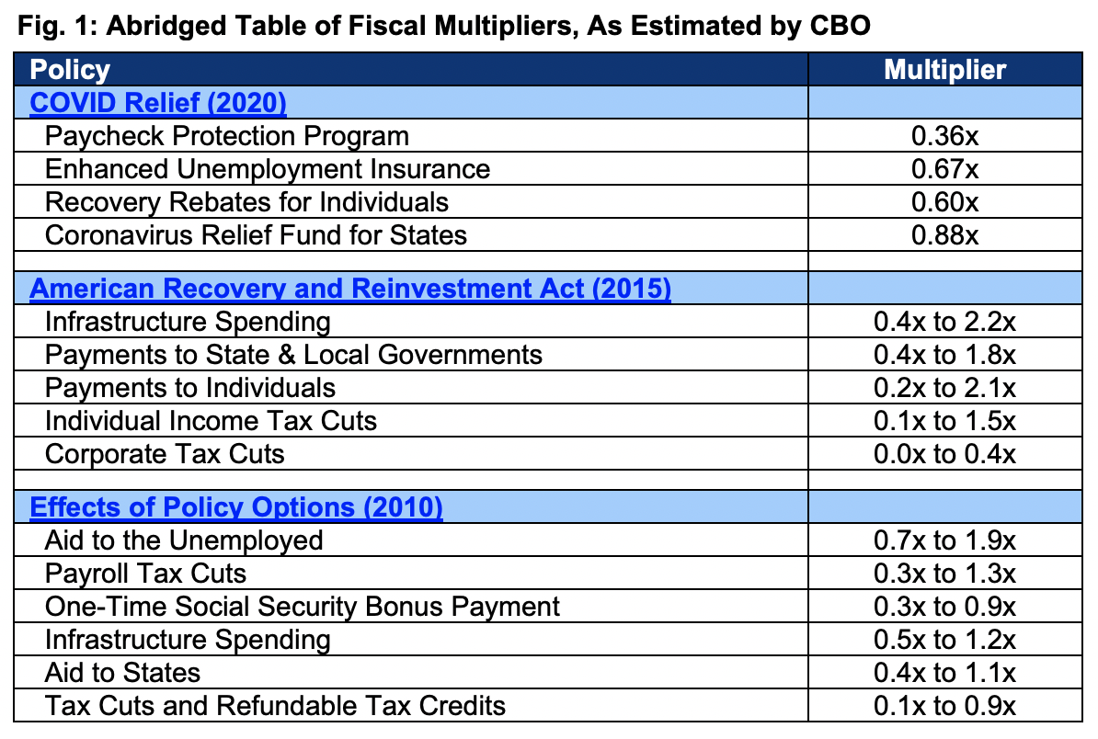
Table 2-1. CBO’s Economic Projections for Calendar Years 2026 to 2036
Percent
 |  |  |  |  | Annual average
 | Estimated, 2025 | 2026 | 2027 | 2028 | 2029– 2030 | 2031– 2036
 | Change from fourth quarter to fourth quarter
Gross domestic product
Real | 1.9 | 2.2 | 1.8 | 1.8 | 1.8 | 1.8
Nominal | 5 | 4.8 | 4.1 | 3.9 | 3.8 | 3.8
Inflation
PCE price index | 2.8 | 2.7 | 2.3 | 2.1 | 2 | 2
Core PCE price index | 2.9 | 2.8 | 2.3 | 2.2 | 2 | 2
Consumer price index | 3 | 2.8 | 2.4 | 2.3 | 2.3 | 2.3
Core consumer price index | 3.1 | 3 | 2.4 | 2.3 | 2.3 | 2.3
GDP price index | 3 | 2.5 | 2.3 | 2.1 | 2 | 2
Employment cost index | 3.4 | 3.5 | 3.2 | 3.1 | 3 | 2.9
Payroll employment (average monthly change, in thousands) | 70 | 105 | 31 | 42 | 43 | 45
 | Fourth-quarter level
Unemployment rate | 4.5 | 4.6 | 4.5 | 4.4 | 4.3 | 4.2
 | Change from year to year
Gross Domestic Product
Real | 2 | 2.4 | 1.9 | 1.8 | 1.8 | 1.8
Nominal | 4.8 | 5.1 | 4.3 | 4 | 3.8 | 3.8
Inflation
PCE price index | 2.6 | 2.7 | 2.4 | 2.2 | 2.1 | 2
Core PCE price index | 2.8 | 2.9 | 2.4 | 2.2 | 2.1 | 2
Consumer price index | 2.8 | 2.9 | 2.5 | 2.4 | 2.3 | 2.3
Core consumer price index | 3 | 3.1 | 2.6 | 2.4 | 2.3 | 2.3
GDP price index | 2.7 | 2.7 | 2.4 | 2.2 | 2 | 2
Employment cost index | 3.5 | 3.4 | 3.4 | 3.1 | 3 | 2.9
 | Annual average
Unemployment rate | 4.3 | 4.6 | 4.5 | 4.5 | 4.3 | 4.2
Interest rates
Effective federal funds rate | 4.2 | 3.5 | 3.4 | 3.4 | 3.4 | 3.4
3-month Treasury bills | 4.1 | 3.3 | 3.2 | 3.2 | 3.2 | 3.1
10-year Treasury notes | 4.3 | 4.1 | 4.3 | 4.3 | 4.3 | 4.4
Tax bases (percentage of GDP)
Wages and salaries | 42.3 | 42 | 42 | 42.1 | 42.1 | 42.1
Domestic corporate profits | 11.3 | 11.1 | 10.8 | 10.4 | 10 | 10

Tariff
Tariff Tracker: 2026 Trump Tariffs & Trade War by the Numbers
Calendar Year | 2025 | 2026 | 2027 | 2028 | 2029 | 2030 | 2031 | 2032 | 2033 | 2034 | 2035 | 2026-2035
Section 232 Tariffs | $23.20 | $42.80 | $43.60 | $45.30 | $46.00 | $47.70 | $49.50 | $50.90 | $53.10 | $54.90 | $55.90 | $489.60
Section 232 Steel and Aluminum | $6.20 | $7.30 | $7.40 | $7.90 | $8.10 | $8.40 | $8.80 | $8.90 | $9.50 | $9.70 | $9.80 | $85.70
Section 232 Autos and Auto Parts | $17.10 | $28.20 | $28.50 | $29.20 | $29.70 | $30.70 | $31.80 | $32.80 | $34.00 | $35.10 | $35.90 | $315.90
Section 232 Copper | $0.30 | $0.70 | $0.70 | $0.80 | $0.80 | $0.80 | $0.90 | $0.90 | $0.90 | $1.00 | $1.00 | $8.50
Section 232 Furniture, Kithcen Cabinets and Vanities, Lumber | $0.20 | $1.10 | $1.30 | $1.30 | $1.40 | $1.40 | $1.50 | $1.50 | $1.60 | $1.70 | $1.70 | $14.40 | tariff content, trend
Section 232 Heavy Trucks and Parts | ($0.60) | $5.50 | $5.70 | $6.00 | $6.10 | $6.40 | $6.60 | $6.80 | $7.10 | $7.40 | $7.50 | $65.00 | other taxes
 |  |  |  |  |  |  |  |  |  |  |  |  | corp tax
Section 122 Tariff (10%) | $0.00 | $25.30 | $0.00 | $0.00 | $0.00 | $0.00 | $0.00 | $0.00 | $0.00 | $0.00 | $0.00 | $25.30 | create financial chart
Section 122 Tariff (15%) | $0.00 | $33.20 | $0.00 | $0.00 | $0.00 | $0.00 | $0.00 | $0.00 | $0.00 | $0.00 | $0.00 | $33.20 | gdp changes

Total | $23.20 | $76.00 | $43.60 | $45.30 | $46.00 | $47.70 | $49.50 | $50.90 | $53.10 | $54.90 | $55.90 | $522.80

IEEPA Tariffs | $72.00 | $93.90 | $95.70 | $99.70 | $101.90 | $106.10 | $110.30 | $113.70 | $118.70 | $122.40 | $125.10 | $1,087.50
IEEPA Fentanyl China | $23.10 | $19.00 | $19.60 | $20.50 | $20.90 | $22.00 | $22.70 | $23.40 | $24.50 | $25.40 | $25.90 | $224.00
IEEPA Mexico | $1.90 | $2.80 | $2.90 | $3.00 | $3.00 | $3.10 | $3.20 | $3.20 | $3.30 | $3.50 | $3.50 | $31.60
IEEPA Canada | $1.90 | $3.10 | $3.10 | $3.20 | $3.20 | $3.30 | $3.40 | $3.50 | $3.60 | $3.70 | $3.80 | $33.80
IEEPA 10% Baseline Tariff Excluding Canada and Mexico | $35.40 | $47.90 | $49.20 | $51.10 | $52.50 | $54.70 | $56.90 | $59.10 | $61.60 | $63.70 | $65.50 | $562.30
IEEPA "Reciprocal" Tariff Increases (ROW) | $6.40 | $16.60 | $16.60 | $17.20 | $17.60 | $18.20 | $19.00 | $19.50 | $20.40 | $21.00 | $21.50 | $187.70
Ending De Minimis | $3.20 | $4.50 | $4.40 | $4.60 | $4.60 | $4.80 | $5.00 | $5.00 | $5.30 | $5.10 | $4.80 | $48.20

Retaliation | ($8.60) | ($9.60) | ($10.80) | ($11.60) | ($12.50) | ($13.20) | ($14.00) | ($14.90) | ($15.60) | ($16.40) | ($17.40) | ($136.00)

Tariff Over Time
2025 | 195
2026F | 209
2027F | 211
2028F | 212
2029F | 209
2030F | 206
2031F | 203
2032F | 195
2033F | 191
2034F | 191
2035F | 195
2036F | 201
2037F | 145
2038F | 151
2039F | 157
2040F | 162
2041F | 168
2042F | 175
2043F | 181
2044F | 188
2045F | 195
2046F | 203
2047F | 210
2048F | 217
2049F | 225
2050F | 233
2051F | 241
2052F | 250
2053F | 259
2054F | 268
2055F | 277

Gov outlays
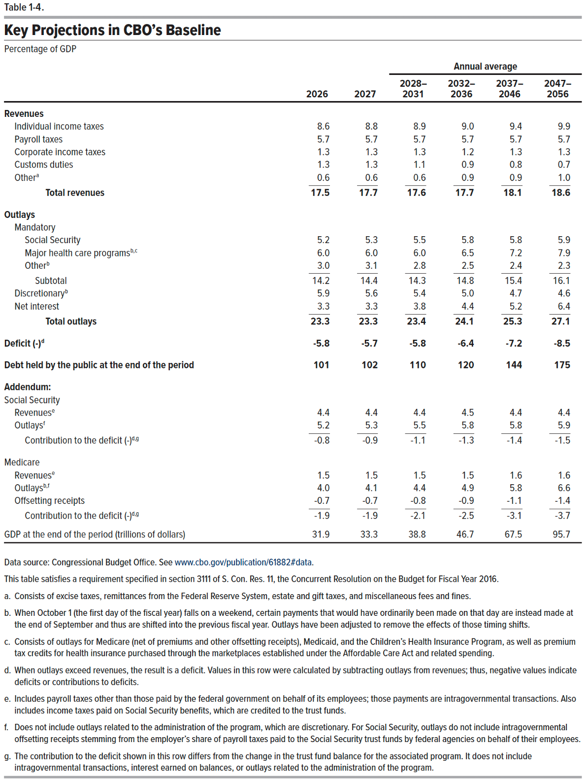
This file presents data that supplement CBO’s February 2026 report The Budget and Economic Outlook: 2026 to 2036.
www.cbo.gov/publication/61882

Table 3-1. CBO's Baseline Projections of Outlays

 |  |  |  |  |  |  |  |  |  |  |  |  | Total
 | Actual, 2025 | 2026 | 2027 | 2028 | 2029 | 2030 | 2031 | 2032 | 2033 | 2034 | 2035 | 2036 | 2027– 2031 | 2027– 2036
 | In billions of dollars
Mandatory
Social Security | 1,575 | 1,666 | 1,769 | 1,875 | 1,979 | 2,083 | 2,190 | 2,298 | 2,409 | 2,519 | 2,632 | 2,747 | 9,895 | 22,500
Medicare | 1,180 | 1,287 | 1,374 | 1,533 | 1,470 | 1,649 | 1,753 | 1,867 | 2,123 | 2,153 | 2,155 | 2,421 | 7,778 | 18,497
Medicaid | 668 | 708 | 726 | 746 | 754 | 777 | 804 | 834 | 870 | 905 | 941 | 981 | 3,806 | 8,338
Other spending | 1,114 | 1,281 | 1,327 | 1,284 | 1,326 | 1,371 | 1,377 | 1,400 | 1,466 | 1,472 | 1,458 | 1,555 | 6,685 | 14,036
Offsetting receipts | -370 | -412 | -413 | -434 | -462 | -504 | -541 | -564 | -591 | -613 | -642 | -675 | -2,353 | -5,438
Subtotal | 4,168 | 4,529 | 4,783 | 5,005 | 5,067 | 5,375 | 5,582 | 5,835 | 6,277 | 6,437 | 6,545 | 7,028 | 25,812 | 57,933

Discretionary
Defense | 893 | 885 | 901 | 928 | 938 | 966 | 986 | 1,006 | 1,034 | 1,051 | 1,068 | 1,100 | 4,719 | 9,979
Nondefense | 980 | 996 | 981 | 1,001 | 1,010 | 1,023 | 1,039 | 1,057 | 1,076 | 1,096 | 1,119 | 1,144 | 5,053 | 10,545
Subtotal | 1,872 | 1,880 | 1,882 | 1,929 | 1,948 | 1,989 | 2,024 | 2,063 | 2,111 | 2,147 | 2,187 | 2,244 | 9,772 | 20,524
Net interest | 970 | 1,039 | 1,108 | 1,218 | 1,324 | 1,432 | 1,548 | 1,670 | 1,784 | 1,904 | 2,019 | 2,144 | 6,630 | 16,152

Total | 7,010 | 7,449 | 7,772 | 8,151 | 8,340 | 8,796 | 9,155 | 9,569 | 10,172 | 10,487 | 10,751 | 11,416 | 42,214 | 94,610
On-budget | 5,578 | 5,928 | 6,151 | 6,426 | 6,513 | 6,864 | 7,113 | 7,409 | 7,911 | 8,125 | 8,286 | 8,847 | 33,066 | 73,644
Off-budget | 1,432 | 1,521 | 1,621 | 1,725 | 1,827 | 1,932 | 2,043 | 2,160 | 2,261 | 2,363 | 2,465 | 2,569 | 9,147 | 20,965

Addendum:
Outlays adjusted to exclude timing shifts
Mandatory outlays | 4,168 | 4,529 | 4,783 | 4,887 | 5,185 | 5,375 | 5,582 | 5,835 | 6,117 | 6,425 | 6,716 | 7,028 | 25,812 | 57,933
Discretionary outlays | 1,872 | 1,880 | 1,882 | 1,923 | 1,954 | 1,989 | 2,024 | 2,063 | 2,105 | 2,147 | 2,194 | 2,244 | 9,772 | 20,524
Total outlays | 7,010 | 7,449 | 7,772 | 8,028 | 8,463 | 8,796 | 9,155 | 9,569 | 10,006 | 10,475 | 10,929 | 11,416 | 42,214 | 94,610

Gross domestic product | 30,362 | 31,902 | 33,315 | 34,666 | 36,010 | 37,391 | 38,813 | 40,277 | 41,796 | 43,373 | 45,012 | 46,712 | 180,195 | 397,364

 | 3.67% | 4.02% | 3.98% | 3.70% | 3.68% | 3.67% | 3.55% | 3.48% | 3.51% | 3.39% | 3.24% | 3.33%
 | 2.45% | 2.72% | 2.74% | 2.45% | 2.40% | 2.32% | 2.15% | 2.08% | 2.09% | 1.98% | 1.81% | 1.88%
 |  | 14.99% | 3.59% | -3.24% | 3.27% | 3.39% | 0.44% | 1.67% | 4.71% | 0.41% | -0.95% | 6.65%
 |  | 11.35% | 0.24% | 5.08% | 6.45% | 9.09% | 7.34% | 4.25% | 4.79% | 3.72% | 4.73% | 5.14%
 |  |  |  |  | 0.043704916689

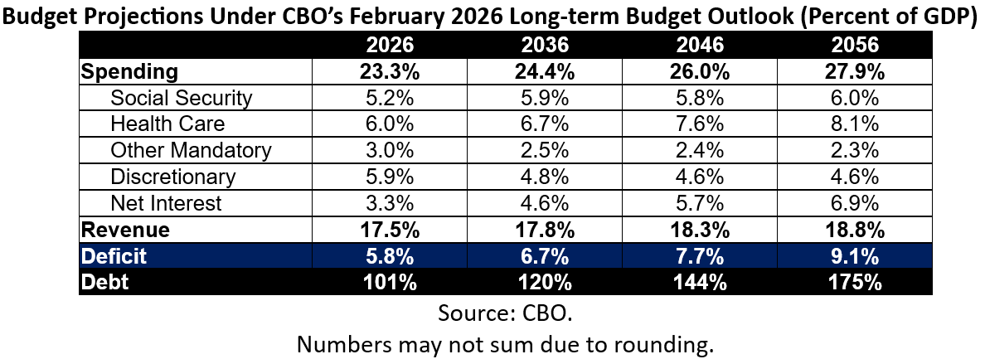

 | Average 2011 - 2024 | 4.20%
 | 2025 | 2.45%
 | 2026 | 2.72%
 | 2036 | 1.88%
Other Mandatory Outlays Trend

