Sheet1
Action Name | Screenshot | Action from | Remark | Documented
sort-list | 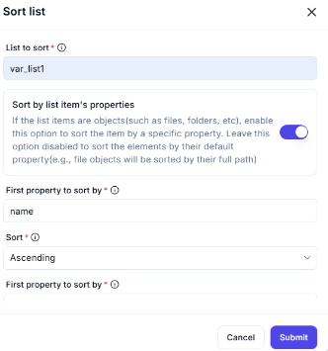 | Workflow-logics > Variables | 1. First property to sort by 2. Second property to sort by (spelling) 3. Third property to sort by | Yes
shuffle-list | 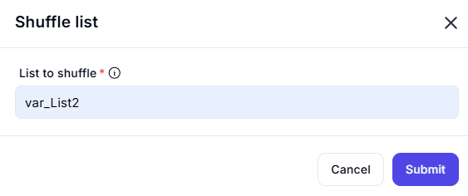 | Workflow-logics > Variables | 1. There is no Output Options | No
reverse-list |  | Workflow-logics > Variables | 1. There is no Output Options | No
conver-json-to-custom-object |  | Workflow-logics > Variables | 1. There is no Input/Output Options | No
create-new-list | 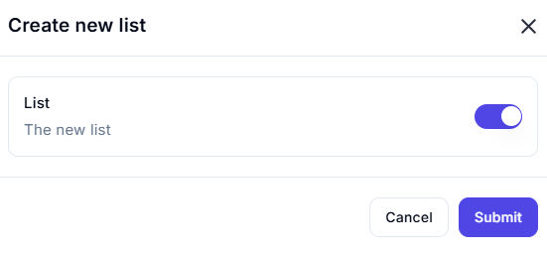 | Workflow-logics > Variables | 1. There is no Input/Output Options | No
run-power-Fx-expression |  | Workflow-logics > Variables | 1. There is no Input/Output Options | No
run-desktop-flow |  | Workflow-logics > Run Flow | 1. There is no Input/Output Options | No
invoke-SOAP-web-service |  | Workflow-logics > HTTP | 1. There is no Input/Output Options | No
create-new-datatable |  | Workflow-logics > data-table | 1. There is no Input/Output Options | No
filter-data-table |  | Workflow-logics > data-table | 1. There is no Input/Output Options | No
join-data-table |  | Workflow-logics > data-table | 1. There is no Input/Output Options | No
add-to-date-time |  | data-transformation > date-time | 1. There is no Input/Output Options | No
use-the-recognize-entity-in-text-actions |  | data-transformation >text>use-the-recognize-entity-in-text-actions | 1. There is no Input/Output Options | No
convert-text-to-number |  | data-transformation > text >convert-text-to-number | 1. There is no Input/Output Options | No
convert-date-time-to-text |  | data-transformation > text >convert-datetime-to-text | 1. There is no Input/Output Options | No

