Sheet1
Action Name | Screenshot | Action from | Remark | Documented
sort-list | 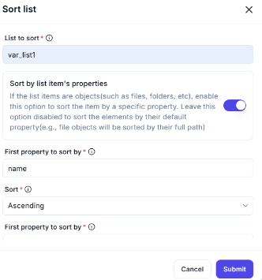 | Workflow-logics > Variables | 1. First property to sort by 2. Second property to sort by (spelling) 3. Third property to sort by | Yes
shuffle-list | 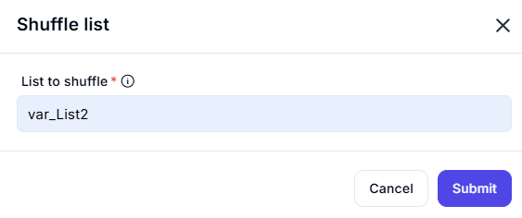 | Workflow-logics > Variables | 1. There is no Output Options | No
reverse-list |  | Workflow-logics > Variables | 1. There is no Output Options | No
conver-json-to-custom-object | 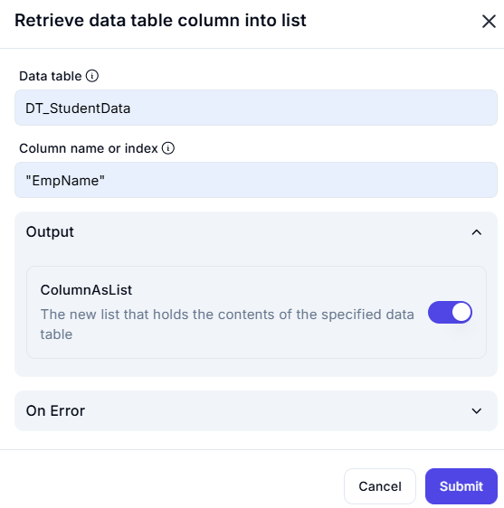 | Workflow-logics > Variables | 1. There is no Input/Output Options | No
create-new-list | 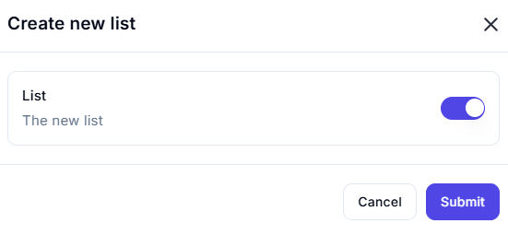 | Workflow-logics > Variables | 1. There is no Input/Output Options | No
run-power-Fx-expression |  | Workflow-logics > Variables | 1. There is no Input/Output Options | No

