Sheet1
Action Name | Screenshot | Action from | Remark | Documented
sort-list | 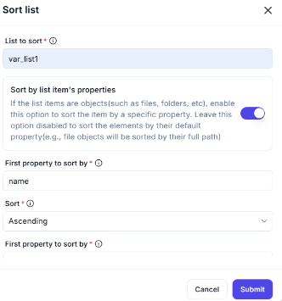 | Workflow-logics > Variables | 1. First property to sort by 2. Second property to sort by (spelling) 3. Third property to sort by | Yes
shuffle-list | 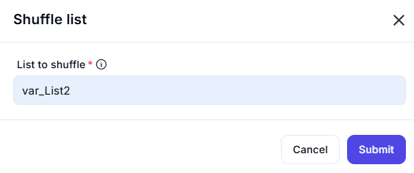 | Workflow-logics > Variables | 1. There is no Output Options | No
reverse-list |  | Workflow-logics > Variables | 1. There is no Output Options | No
conver-json-to-custom-object |  | Workflow-logics > Variables | 1. There is no Input/Output Options | No
create-new-list | 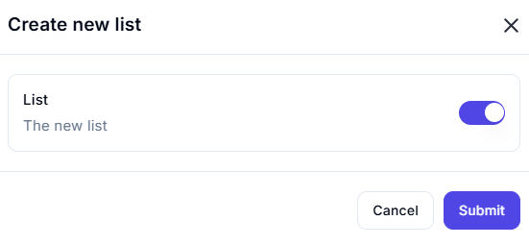 | Workflow-logics > Variables | 1. There is no Input/Output Options | No | Done
run-power-Fx-expression |  | Workflow-logics > Variables | 1. There is no Input/Output Options | No | Done
run-desktop-flow |  | Workflow-logics > Run Flow | 1. There is no Input/Output Options | No | Done
invoke-SOAP-web-service |  | Workflow-logics > HTTP | 1. There is no Input/Output Options | No | Done
create-new-datatable |  | Workflow-logics > data-table | 1. There is no Input/Output Options | No | Done
filter-data-table |  | Workflow-logics > data-table | 1. There is no Input/Output Options | No | Done
join-data-table |  | Workflow-logics > data-table | 1. There is no Input/Output Options | No | Done
add-to-date-time |  | data-transformation > date-time | 1. There is no Input/Output Options | No | Done
recognisze-entities-in-text |  | data-transformation >text>use-the-recognize-entity-in-text-actions | 1. There is no Input/Output Options | No | Done
convert-text-to-number |  | data-transformation > text >convert-text-to-number | 1. There is no Input/Output Options | No | Done
convert-date-time-to-text |  | data-transformation > text >convert-datetime-to-text | 1. There is no Input/Output Options | No | Done
use-the-windows-ocr-engine |  | App Integrations > OCR >use-the-windows-ocr-engine | 1. There is no Input/Output Options | No | not found
wait-for-text-on-screen-ocr |  | App Integrations > OCR >wait-for-text-on-screen-ocr | 1. There is no Input/Output Options | No | not found
extract-text-with-ocr |  | App Integrations > OCR >extract-text-with-ocr | 1. Error opening action | No | not found
download-file(s)-from-ftp |  | App Integrations > FTP >download-file(s)-from-ftp | 1. There is no Input/Output Options | No
download-folder(s)-from-ftp |  | App Integrations > FTP >download-folder(s)-from-ftp | 1. There is no Input/Output Options | No | Done
upload-files(s)-from-ftp |  | App Integrations > FTP >upload-files(s)-from-ftp | 1. There is no Input/Output Options | No | Done
upload-folder(s)-from-ftp |  | App Integrations > FTP >upload-folder(s)-from-ftp | 1. There is no Input/Output Options | No | Done
create-ftp-directory |  | App Integrations > FTP >create-ftp-directory | 1. There is no Input/Output Options | No | Done
clear-clipboard-content |  | ui-interface > clipboard >clear-clipboard-content | 1. There is no Input/Output Options | No | Setting button is not available
display-custom-form |  | ui-interface > message-boxes >display-custom-form | 1. There is no Input/Output Options | No | Setting button is not available
Resize columns/rows in Excel worksheet |  | ui-interface > excel >Resize columns/rows in Excel worksheet | 1. There is no Input/Output Options | No | Done
Find-and-replace-cells-in-Excel-worksheet |  | ui-interface > excel >Find-and-replace-cells-in-Excel-worksheet | 1. There is no Input/Output Options | No | Done
lookup-range-in-excel-worksheet |  | ui-interface > excel >lookup-range-in-excel-worksheet | 1. There is no Input/Output Options | No | Done
set-check-box-state-on-web-page |  | ui-interface > browser-automation>set-check-box-state-on-web-page | 1. There is no Input/Output Options | No | Done
set-drop-down-list-value-on-web-page |  | ui-interface > browser-automation>set-drop-down-list-value-on-web-page | 1. There is no Input/Output Options | No | Done
launch-new-microsoft-edge |  | ui-interface > browser-automation>launch-new-microsoft-edge | 1. There is no Input/Output Options | No | Done
lock-workstation |  | ui-interface > work-station>lock-workstation | 1. There is no Input/Output Options | No | Setting button is not available
empty-recycle-bin |  | ui-interface > work-station>empty-recycle-bin | 1. There is no Input/Output Options | No | Setting button is not available
get-special-folder |  | ui-interface > folder>get-special-folder | 1. There is no Input/Output Options | No | Done
block-input |  | ui-interface > mouse-and-keyboard>block-input | 1. There is no Output Options | No | Error
move-mouse | 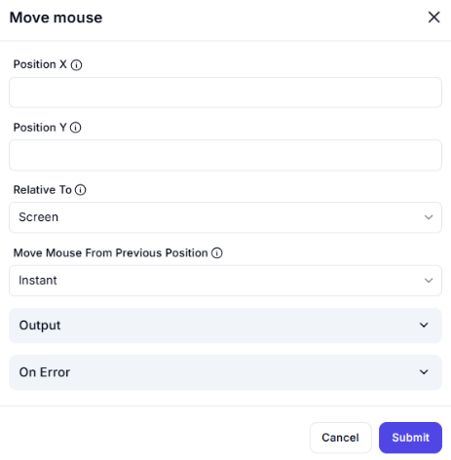 | ui-interface > mouse-and-keyboard>move-mouse | 1. There is no Output Options | No | Done
move-mouse-to-text-on-screen(ocr) |  | ui-interface > mouse-and-keyboard>move-mouse-to-text-on-screen(ocr) | 1. There is no Input/Output Options | No | Not Found
press-release-key |  | ui-interface > mouse-and-keyboard>press-release-key | 1. There is no Input/Output Options | No | not found
send-email-through-outlook |  | ui-interface > outlook>send-email-through-outlook | 1. There is no Input/Output Options | No | Done
close-outlook |  | ui-interface > outlook>close-outlook | 1. There is no Input/Output Options | No
execute-xpath-expression |  | ui-interface > xml>execute-xpath-expression | 1. There is no Input/Output Options | No
remove-xml-element-attribute |  | ui-interface > xml>remove-xml-element-attribute | 1. There is no Input/Output Options | No
get-xml-element-value |  | ui-interface > xml>get-xml-element-value | 1. There is no Input/Output Options | No
set-xml-element-value |  | ui-interface > xml>set-xml-element-value | 1. There is no Input/Output Options | No
insert-xml-element |  | ui-interface > xml>sinsert-xml-element | 1. There is no Input/Output Options | No
set-xml-element-value |  | ui-interface > xml>set-xml-element-value | 1. There is no Input/Output Options | No
set-drop-down-list-value-in-window |  | ui-interface > ui-automation>set-drop-down-list-value-in-window | 1. There is no Input/Output Options | No
if-image |  | ui-interface > ui-automation>if-image | 1. There is no Input/Output Options | No
wait-for-image |  | ui-interface > ui-automation>wait-for-image | 1. There is no Input/Output Options | No
click-ui-element-in-window |  | ui-interface > ui-automation>click-ui-element-in-window | 1. There is no Input/Output Options | No
drag-and-drop-ui-element-in-window |  | ui-interface > ui-automation>drag-and-drop-ui-element-in-window | 1. There is no Input/Output Options | No
expand-collapse-tree-node-in-window |  | ui-interface > ui-automation>expand-collapse-tree-node-in-window | 1. There is no Input/Output Options | No

