Sheet2
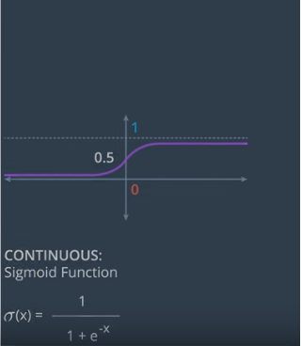

 | x1 | x2 | 4x1+5x2-9 | sigmoid = 1 / (1 + e^-x)
 | 1 | 1 | 0 | 0.5
 | 2 | 4 | 19 | 0.9999999944
 | 5 | -5 | -14 | 8.3152802766E-07
 | -4 | 5 | 0 | 0.5
w1 | w2 | b | result | sigmoid
3 | 5 | -2.2 | 2 | 0.88079707798
5 | 4 | -3 | 1.4 | 0.80218388856

cross entropy
