03_Third Link
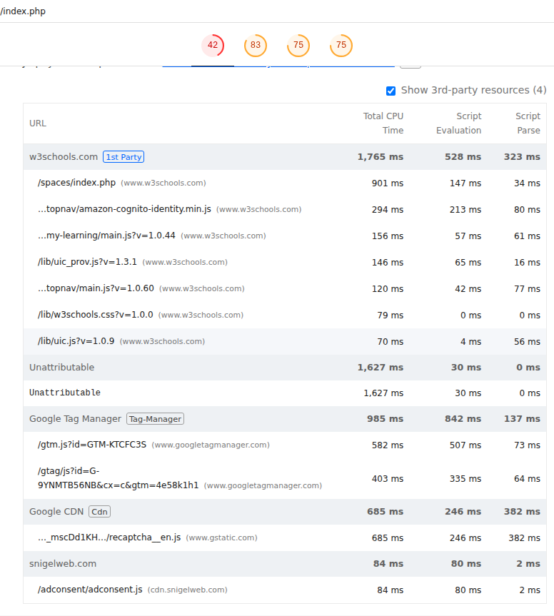
 | 0
03_Third Link | Desktop | With Cache
 |  | Without Cache
 | Mobile | With Cache
 |  | Without Cache

Best Insight
URL: | 0
Diagnostic: | Minify CSS
Recommendation: | Learn how to minify CSS

Worst Insight
URL: | 0
Diagnostic: | Reduce JavaScript execution time — 2.6 s
Recommendation: | Learn how to reduce Javascript execution time

