01_First Link
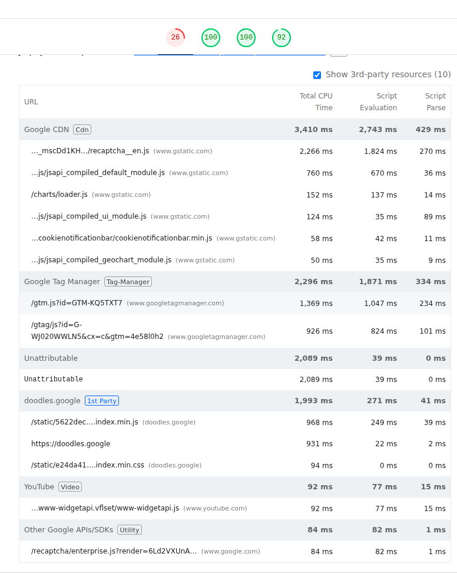
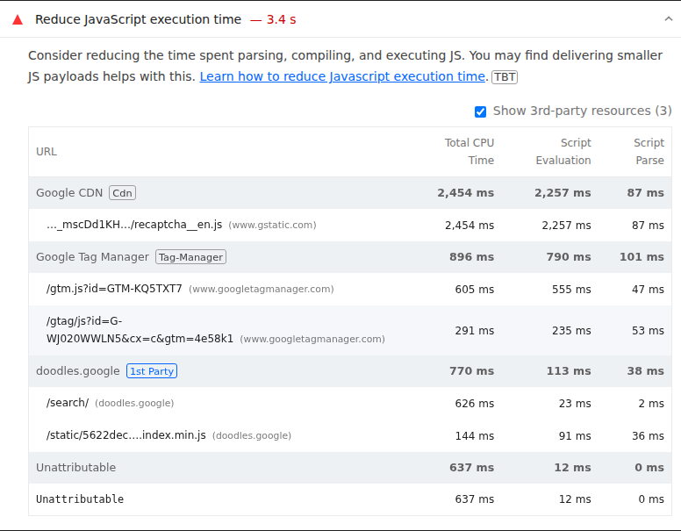
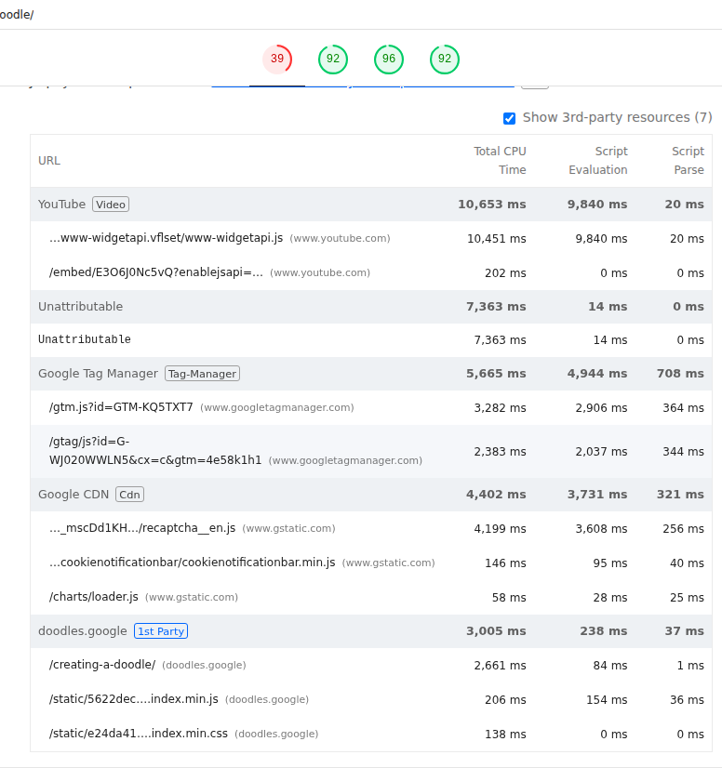
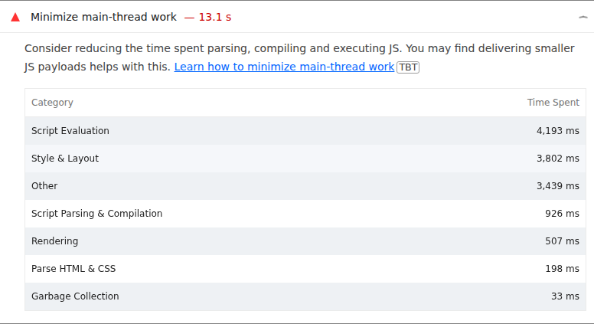
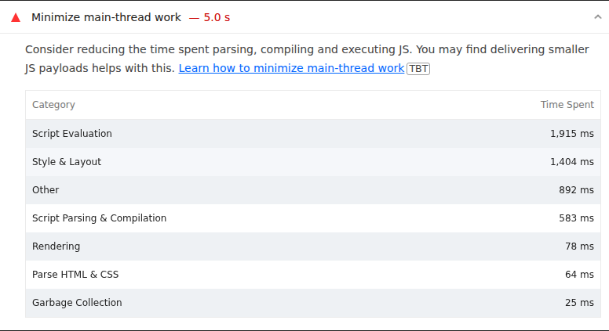
 | 0
01_First Link | Desktop | With Cache
 |  | Without Cache
 | Mobile | With Cache
 |  | Without Cache

Best Insight
URL: | 0
Diagnostic: | Eliminate render-blocking resources
Recommendation: | Learn how to eliminate render-blocking resources

Worst Insight
URL: | 0
Diagnostic: | Minimize main-thread work — 5.0 s
Recommendation: | Learn how to minimize main-thread work

03_Third Link
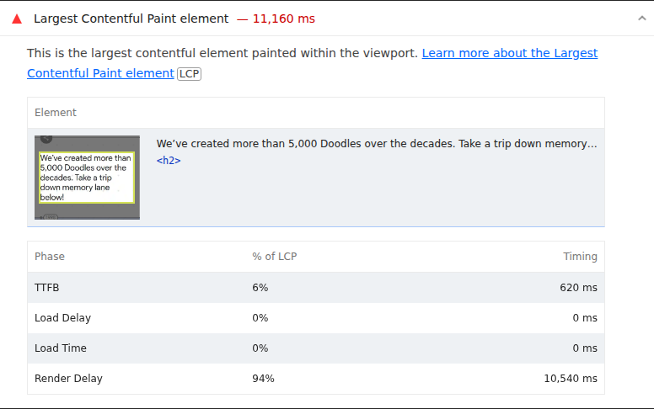
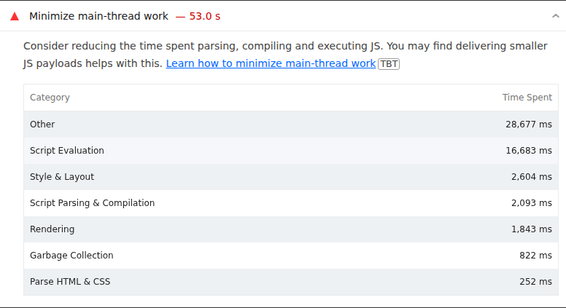
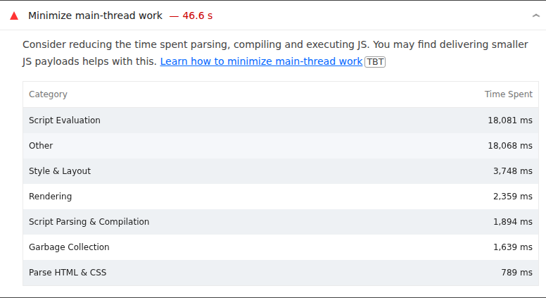
 | 0
03_Third Link | Desktop | With Cache
 |  | Without Cache
 | Mobile | With Cache
 |  | Without Cache

Best Insight
URL: | 0
Diagnostic: | Minify CSS
Recommendation: | Learn how to minify CSS

Worst Insight
URL: | 0
Diagnostic: | Minimize main-thread work — 46.6 s
Recommendation: | Learn how to minimize main-thread work

