01_First Link
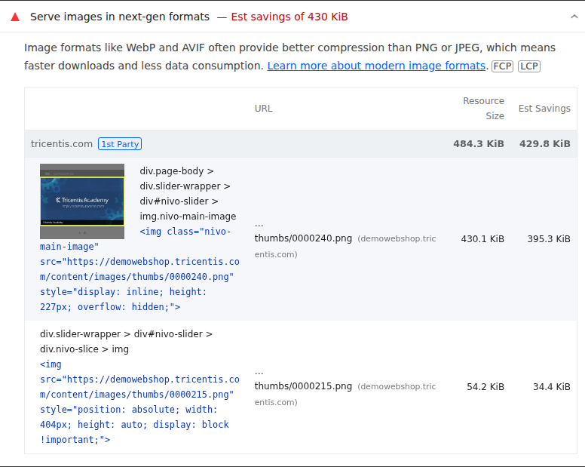
 | 0
01_First Link | Desktop | With Cache
 |  | Without Cache
 | Mobile | With Cache
 |  | Without Cache

Best Insight
URL: | 0
Diagnostic: | Defer offscreen images
Recommendation: | Learn how to defer offscreen images

Worst Insight
URL: | 0
Diagnostic: | Serve images in next-gen formats — Est savings of 430 KiB
Recommendation: | Learn more about modern image formats

02_Second Link
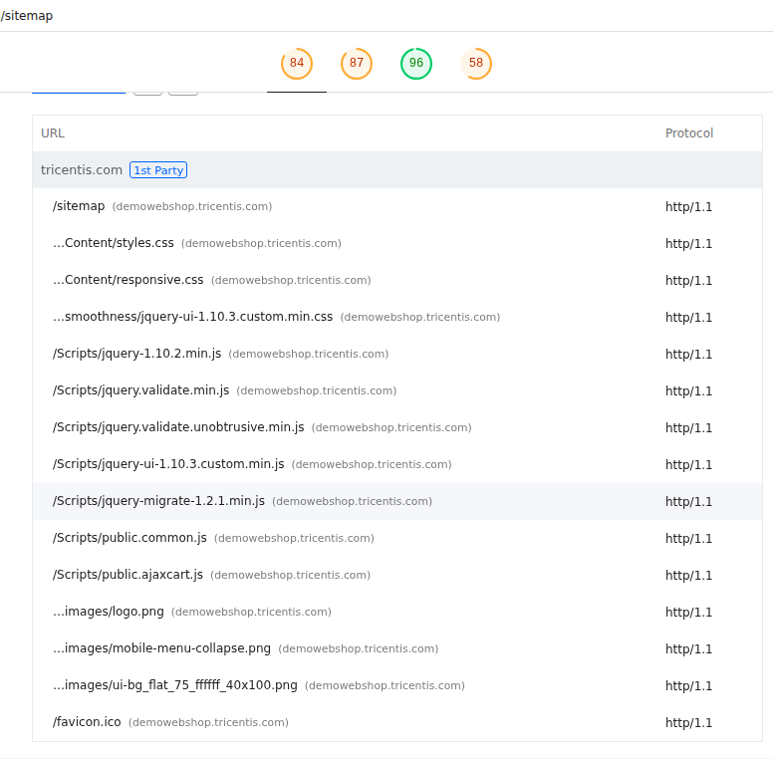
 | 0
02_Second Link | Desktop | With Cache
 |  | Without Cache
 | Mobile | With Cache
 |  | Without Cache

Best Insight
URL: | 0
Diagnostic: | Properly size images
Recommendation: | Learn how to size images

Worst Insight
URL: | 0
Diagnostic: | Use HTTP/2 — 15 requests not served via HTTP/2
Recommendation: | Learn more about HTTP/2

03_Third Link
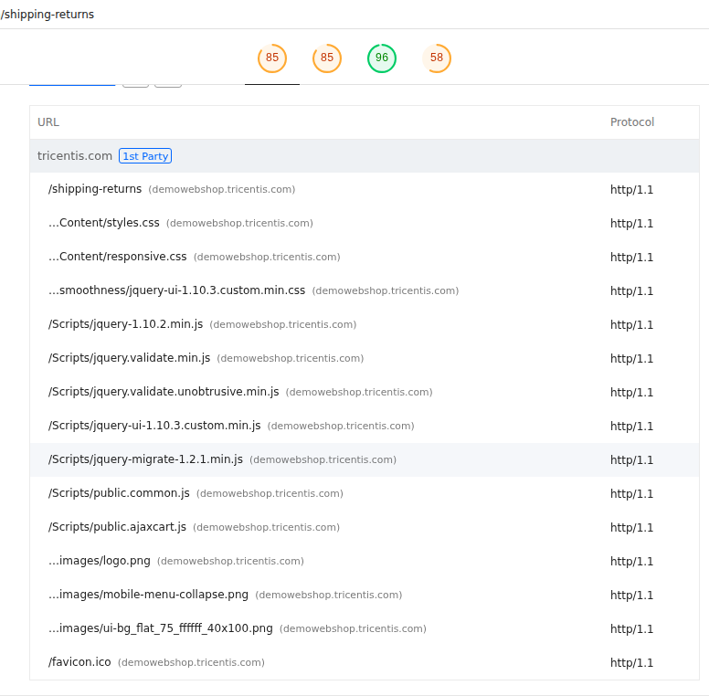
 | 0
03_Third Link | Desktop | With Cache
 |  | Without Cache
 | Mobile | With Cache
 |  | Without Cache

Best Insight
URL: | 0
Diagnostic: | Properly size images
Recommendation: | Learn how to size images

Worst Insight
URL: | 0
Diagnostic: | Use HTTP/2 — 15 requests not served via HTTP/2
Recommendation: | Learn more about HTTP/2

04_Fourth Link
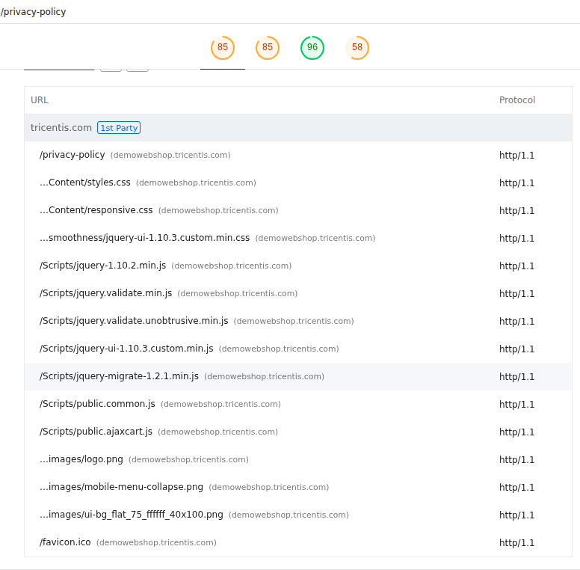
\\
 |  | 0
 | 04_Fourth Link | Desktop | With Cache
 |  |  | Without Cache
 |  | Mobile | With Cache
 |  |  | Without Cache

 | Best Insight
 | URL: | 0
 | Diagnostic: | Properly size images
 | Recommendation: | Learn how to size images

 | Worst Insight
 | URL: | 0
 | Diagnostic: | Use HTTP/2 — 15 requests not served via HTTP/2
 | Recommendation: | Learn more about HTTP/2

05_Fifth Link

 | 0
05_Fifth Link | Desktop | With Cache
 |  | Without Cache
 | Mobile | With Cache
 |  | Without Cache

Best Insight
URL: | 0
Diagnostic: | Properly size images
Recommendation: | Learn how to size images

Worst Insight
URL: | 0
Diagnostic: | Use HTTP/2 — 15 requests not served via HTTP/2
Recommendation: | Learn more about HTTP/2

06_Sixth Link
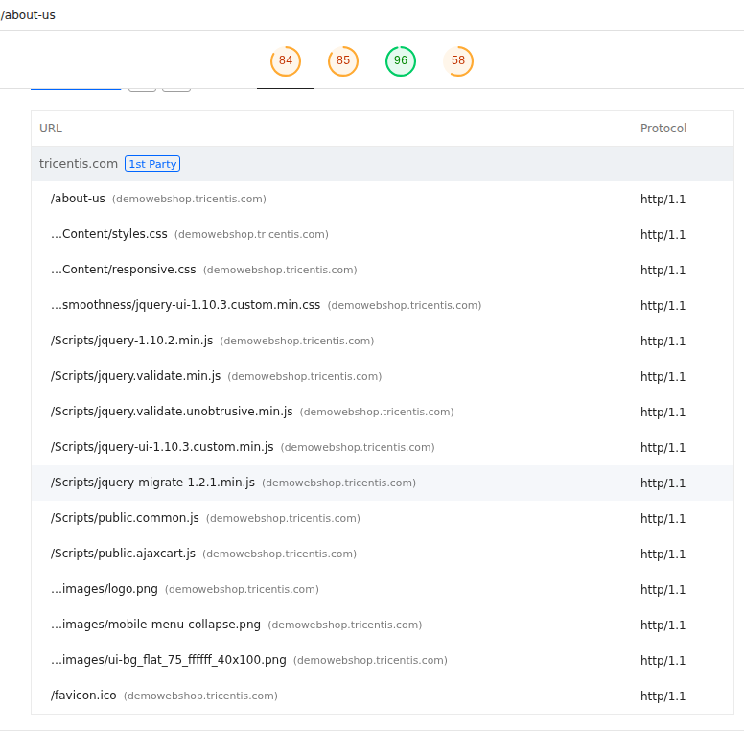
 | 0
06_Sixth Link | Desktop | With Cache
 |  | Without Cache
 | Mobile | With Cache
 |  | Without Cache

Best Insight
URL: | 0
Diagnostic: | Properly size images
Recommendation: | Learn how to size images

Worst Insight
URL: | 0
Diagnostic: | Use HTTP/2 — 15 requests not served via HTTP/2
Recommendation: | Learn more about HTTP/2

07_Seventh Link

 | 0
07_Seventh Link | Desktop | With Cache
 |  | Without Cache
 | Mobile | With Cache
 |  | Without Cache

Best Insight
URL: | 0
Diagnostic: | Properly size images
Recommendation: | Learn how to size images

Worst Insight
URL: | 0
Diagnostic: | Use HTTP/2 — 15 requests not served via HTTP/2
Recommendation: | Learn more about HTTP/2

08_Eighth Link
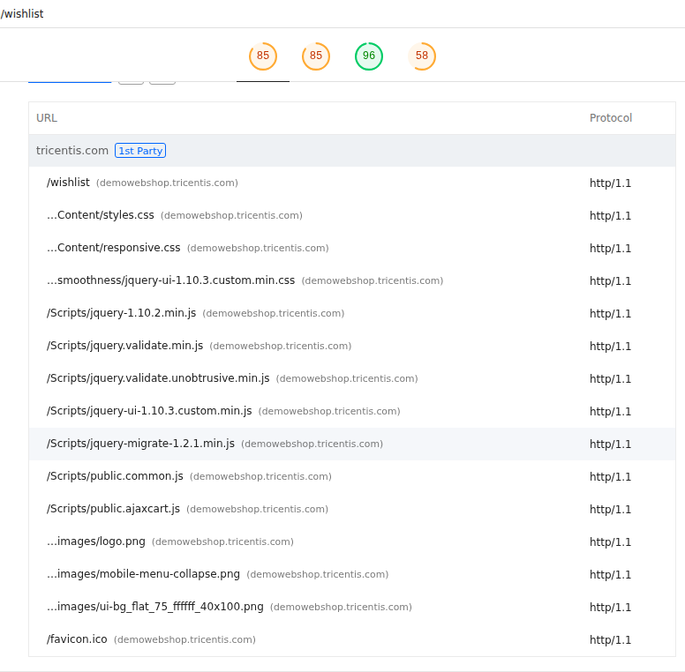
 | 0
08_Eighth Link | Desktop | With Cache
 |  | Without Cache
 | Mobile | With Cache
 |  | Without Cache

Best Insight
URL: | 0
Diagnostic: | Properly size images
Recommendation: | Learn how to size images

Worst Insight
URL: | 0
Diagnostic: | Use HTTP/2 — 15 requests not served via HTTP/2
Recommendation: | Learn more about HTTP/2

