01_First Link
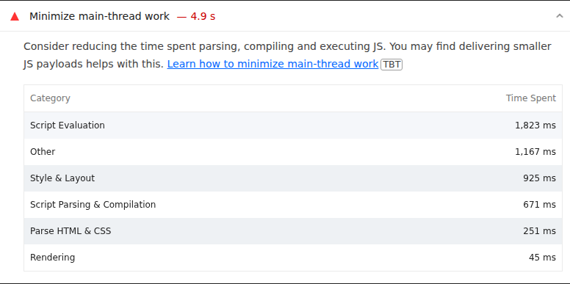
 | 0
01_First Link | Desktop | With Cache
 |  | Without Cache
 | Mobile | With Cache
 |  | Without Cache

Best Insight
URL: | 0
Diagnostic: | Properly size images
Recommendation: | Learn how to size images

Worst Insight
URL: | 0
Diagnostic: | Minimize main-thread work — 4.9 s
Recommendation: | Learn how to minimize main-thread work

02_Second Link
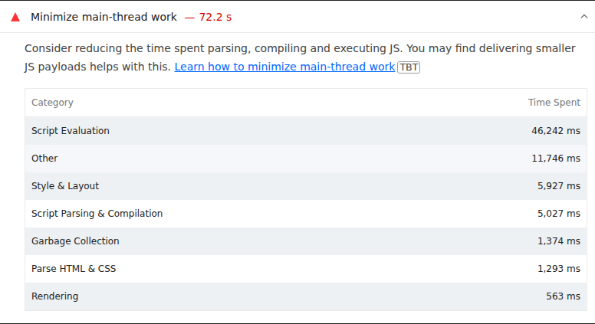
 | 0
02_Second Link | Desktop | With Cache
 |  | Without Cache
 | Mobile | With Cache
 |  | Without Cache

Best Insight
URL: | 0
Diagnostic: | Properly size images
Recommendation: | Learn how to size images

Worst Insight
URL: | 0
Diagnostic: | Minimize main-thread work — 72.2 s
Recommendation: | Learn how to minimize main-thread work

03_Third Link
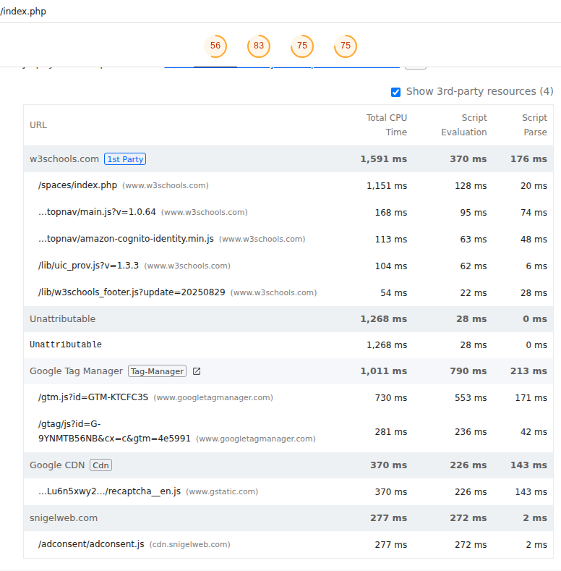
 | 0
03_Third Link | Desktop | With Cache
 |  | Without Cache
 | Mobile | With Cache
 |  | Without Cache

Best Insight
URL: | 0
Diagnostic: | Minify CSS
Recommendation: | Learn how to minify CSS

Worst Insight
URL: | 0
Diagnostic: | Reduce JavaScript execution time — 2.2 s
Recommendation: | Learn how to reduce Javascript execution time

04_Fourth Link
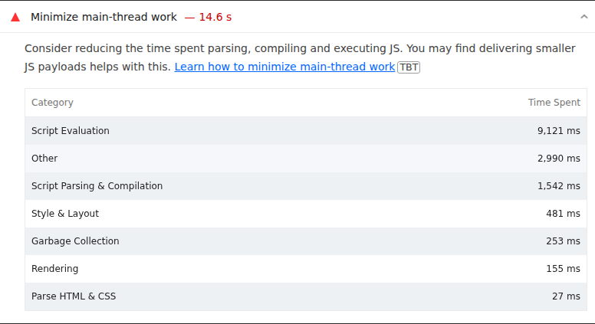
\\
 |  | 0
 | 04_Fourth Link | Desktop | With Cache
 |  |  | Without Cache
 |  | Mobile | With Cache
 |  |  | Without Cache

 | Best Insight
 | URL: | 0
 | Diagnostic: | Properly size images
 | Recommendation: | Learn how to size images

 | Worst Insight
 | URL: | 0
 | Diagnostic: | Minimize main-thread work — 14.6 s
 | Recommendation: | Learn how to minimize main-thread work

05_Fifth Link
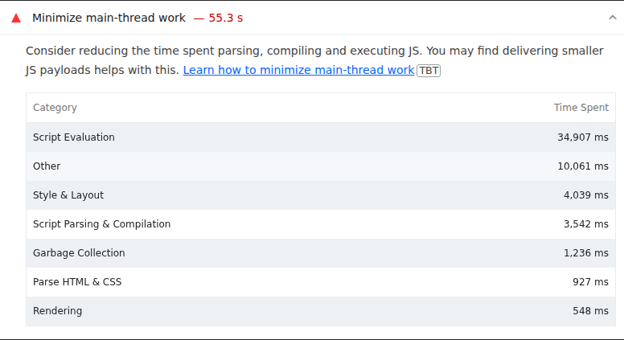
 | 0
05_Fifth Link | Desktop | With Cache
 |  | Without Cache
 | Mobile | With Cache
 |  | Without Cache

Best Insight
URL: | 0
Diagnostic: | Properly size images
Recommendation: | Learn how to size images

Worst Insight
URL: | 0
Diagnostic: | Minimize main-thread work — 55.3 s
Recommendation: | Learn how to minimize main-thread work

06_Sixth Link
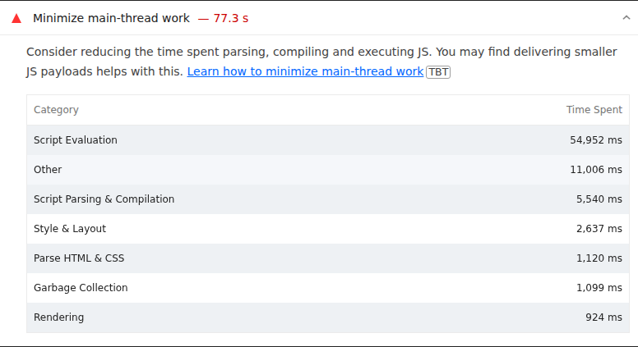
 | 0
06_Sixth Link | Desktop | With Cache
 |  | Without Cache
 | Mobile | With Cache
 |  | Without Cache

Best Insight
URL: | 0
Diagnostic: | Properly size images
Recommendation: | Learn how to size images

Worst Insight
URL: | 0
Diagnostic: | Minimize main-thread work — 77.3 s
Recommendation: | Learn how to minimize main-thread work

07_Seventh Link
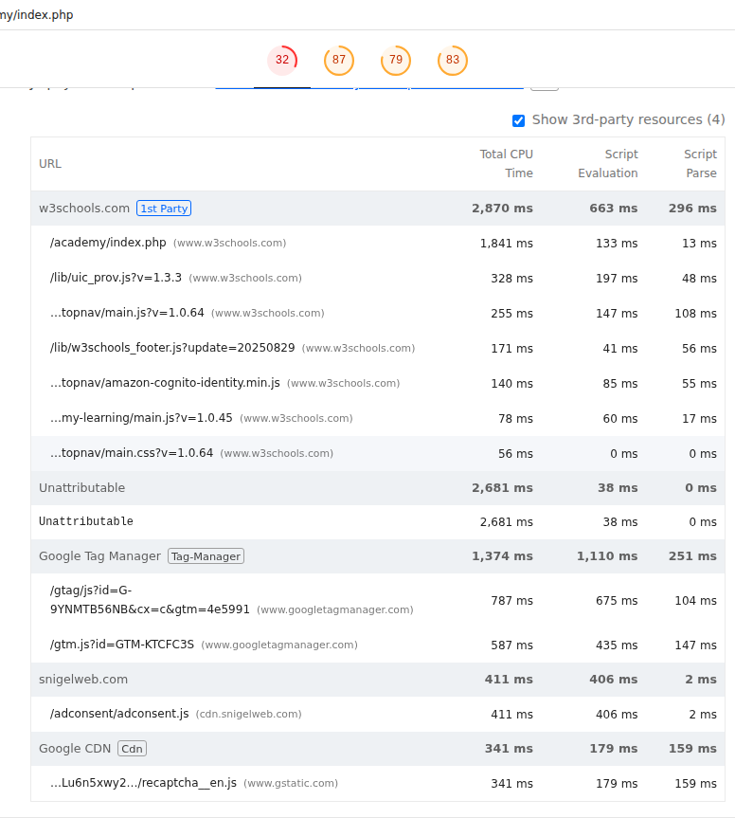
 | 0
07_Seventh Link | Desktop | With Cache
 |  | Without Cache
 | Mobile | With Cache
 |  | Without Cache

Best Insight
URL: | 0
Diagnostic: | Minify CSS
Recommendation: | Learn how to minify CSS

Worst Insight
URL: | 0
Diagnostic: | Reduce JavaScript execution time — 3.1 s
Recommendation: | Learn how to reduce Javascript execution time

08_Eighth Link
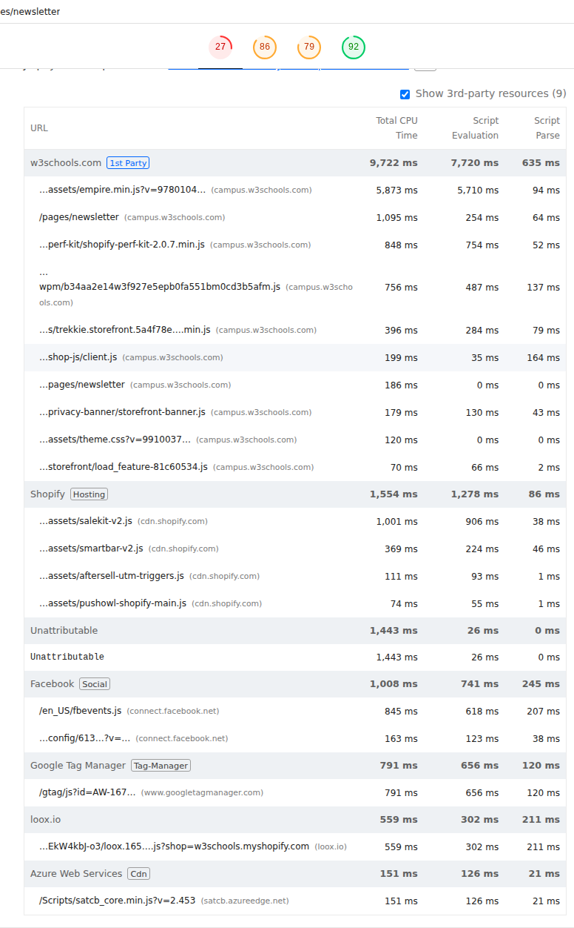
 | 0
08_Eighth Link | Desktop | With Cache
 |  | Without Cache
 | Mobile | With Cache
 |  | Without Cache

Best Insight
URL: | 0
Diagnostic: | Eliminate render-blocking resources
Recommendation: | Learn how to eliminate render-blocking resources

Worst Insight
URL: | 0
Diagnostic: | Reduce JavaScript execution time — 12.2 s
Recommendation: | Learn how to reduce Javascript execution time

