01_Home
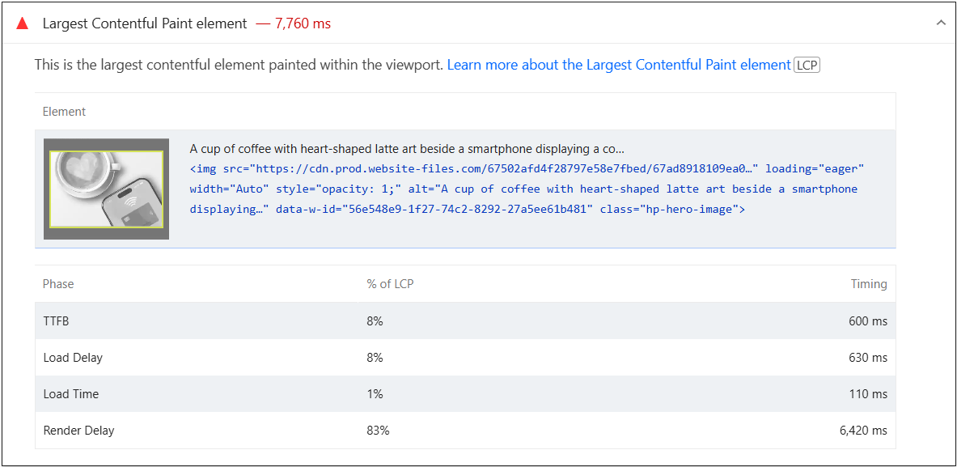
 | 0
01_Home | Desktop | With Cache | https://pagespeed.web.dev/analysis/https-www-cheqsystems-com/s1g6p45nf0?form_factor=desktop
 |  | Without Cache | https://pagespeed.web.dev/analysis/https-www-cheqsystems-com/meda5iqypx?form_factor=desktop
 | Mobile | With Cache | https://pagespeed.web.dev/analysis/https-www-cheqsystems-com/s1g6p45nf0?form_factor=mobile
 |  | Without Cache | https://pagespeed.web.dev/analysis/https-www-cheqsystems-com/meda5iqypx?form_factor=mobile

Best Insight
URL: | https://pagespeed.web.dev/analysis/https-www-cheqsystems-com/s1g6p45nf0?form_factor=desktop
Diagnostic: | Defer offscreen images
Recommendation: | Learn how to defer offscreen images

Worst Insight
URL: | https://pagespeed.web.dev/analysis/https-www-cheqsystems-com/s1g6p45nf0?form_factor=mobile
Diagnostic: | Largest Contentful Paint element - 7,760 ms
Recommendation: | Learn more about the Largest Contentful Paint element

02_Testing
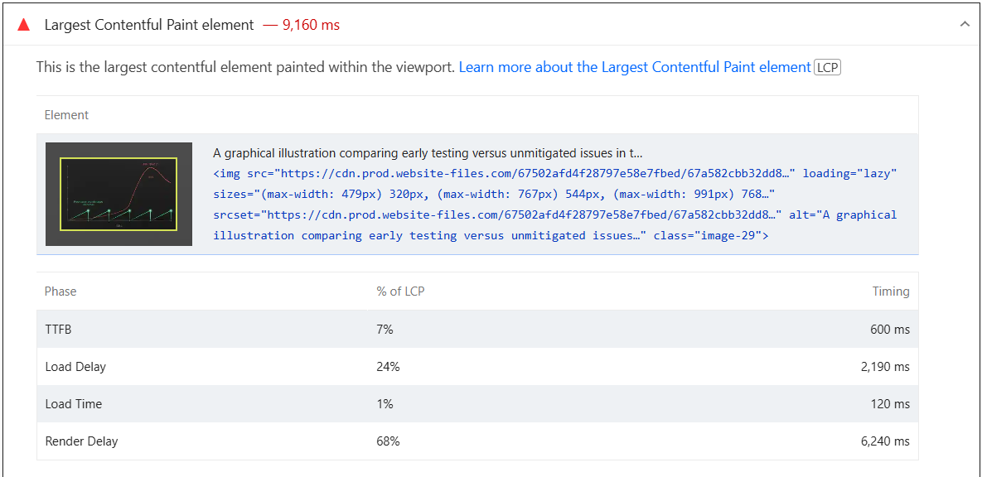
 | 0
02_Testing | Desktop | With Cache | https://pagespeed.web.dev/analysis/https-www-cheqsystems-com-testing-services/sd6frqwklc?form_factor=desktop
 |  | Without Cache | https://pagespeed.web.dev/analysis/https-www-cheqsystems-com-testing-services/6vlyy5x1ov?form_factor=desktop
 | Mobile | With Cache | https://pagespeed.web.dev/analysis/https-www-cheqsystems-com-testing-services/sd6frqwklc?form_factor=mobile
 |  | Without Cache | https://pagespeed.web.dev/analysis/https-www-cheqsystems-com-testing-services/6vlyy5x1ov?form_factor=mobile

Best Insight
URL: | https://pagespeed.web.dev/analysis/https-www-cheqsystems-com-testing-services/sd6frqwklc?form_factor=desktop
Diagnostic: | Defer offscreen images
Recommendation: | Learn how to defer offscreen images

Worst Insight
URL: | https://pagespeed.web.dev/analysis/https-www-cheqsystems-com-testing-services/sd6frqwklc?form_factor=mobile
Diagnostic: | Largest Contentful Paint element - 9,160 ms
Recommendation: | Learn more about the Largest Contentful Paint element

03_About
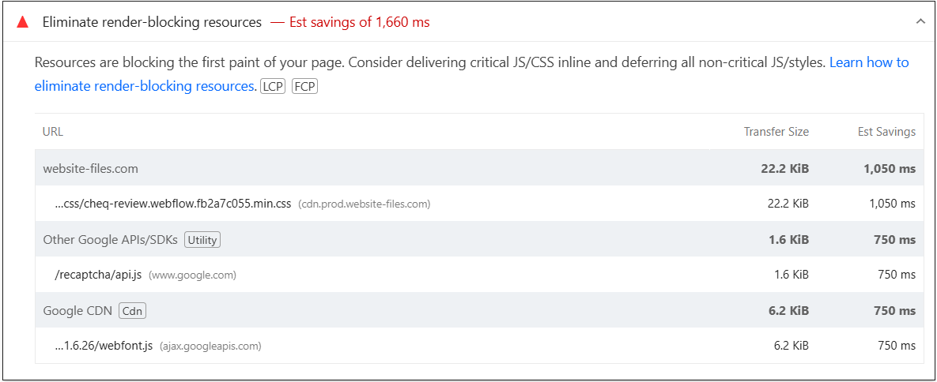
 | 0
03_About | Desktop | With Cache | https://pagespeed.web.dev/analysis/https-www-cheqsystems-com-about/6i0iel2pcl?form_factor=desktop
 |  | Without Cache | https://pagespeed.web.dev/analysis/https-www-cheqsystems-com-about/89agc9tzdw?form_factor=desktop
 | Mobile | With Cache | https://pagespeed.web.dev/analysis/https-www-cheqsystems-com-about/6i0iel2pcl?form_factor=mobile
 |  | Without Cache | https://pagespeed.web.dev/analysis/https-www-cheqsystems-com-about/89agc9tzdw?form_factor=mobile

Best Insight
URL: | https://pagespeed.web.dev/analysis/https-www-cheqsystems-com-about/6i0iel2pcl?form_factor=desktop
Diagnostic: | Defer offscreen images
Recommendation: | Learn how to defer offscreen images

Worst Insight
URL: | https://pagespeed.web.dev/analysis/https-www-cheqsystems-com-about/6i0iel2pcl?form_factor=mobile
Diagnostic: | Eliminate render-blocking resources - Est savings of 1,660 ms
Recommendation: | Learn how to eliminate render-blocking resources

04_News
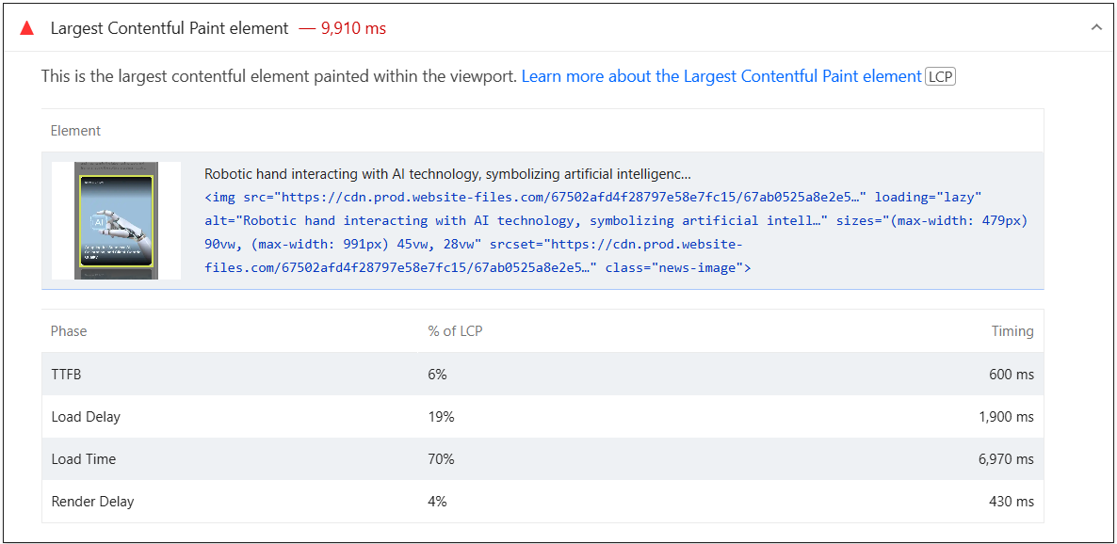
 | 0
04_News | Desktop | With Cache | https://pagespeed.web.dev/analysis/https-www-cheqsystems-com-news/7llkukb94c?form_factor=desktop
 |  | Without Cache | https://pagespeed.web.dev/analysis/https-www-cheqsystems-com-news/l0nk1w6t1g?form_factor=desktop
 | Mobile | With Cache | https://pagespeed.web.dev/analysis/https-www-cheqsystems-com-news/7llkukb94c?form_factor=mobile
 |  | Without Cache | https://pagespeed.web.dev/analysis/https-www-cheqsystems-com-news/l0nk1w6t1g?form_factor=mobile

Best Insight
URL: | https://pagespeed.web.dev/analysis/https-www-cheqsystems-com-news/7llkukb94c?form_factor=desktop
Diagnostic: | Defer offscreen images
Recommendation: | Learn how to defer offscreen images

Worst Insight
URL: | https://pagespeed.web.dev/analysis/https-www-cheqsystems-com-news/7llkukb94c?form_factor=mobile
Diagnostic: | Largest Contentful Paint element - 9,910 ms
Recommendation: | Learn more about the Largest Contentful Paint element

05_Careers
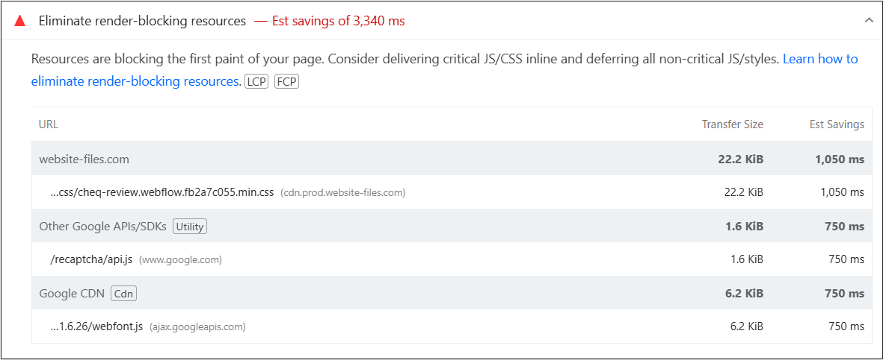
 | 0
05_Careers | Desktop | With Cache | https://pagespeed.web.dev/analysis/https-www-cheqsystems-com-careers/mq7oq2usdy?form_factor=desktop
 |  | Without Cache | https://pagespeed.web.dev/analysis/https-www-cheqsystems-com-careers/8xhyivxq5t?form_factor=desktop
 | Mobile | With Cache | https://pagespeed.web.dev/analysis/https-www-cheqsystems-com-careers/mq7oq2usdy?form_factor=mobile
 |  | Without Cache | https://pagespeed.web.dev/analysis/https-www-cheqsystems-com-careers/8xhyivxq5t?form_factor=mobile

Best Insight
URL: | https://pagespeed.web.dev/analysis/https-www-cheqsystems-com-careers/mq7oq2usdy?form_factor=desktop
Diagnostic: | Defer offscreen images
Recommendation: | Learn how to defer offscreen images

Worst Insight
URL: | https://pagespeed.web.dev/analysis/https-www-cheqsystems-com-careers/mq7oq2usdy?form_factor=mobile
Diagnostic: | Eliminate render-blocking resources - Est savings of 3,340 ms
Recommendation: | Learn how to eliminate render-blocking resources

06_Contact
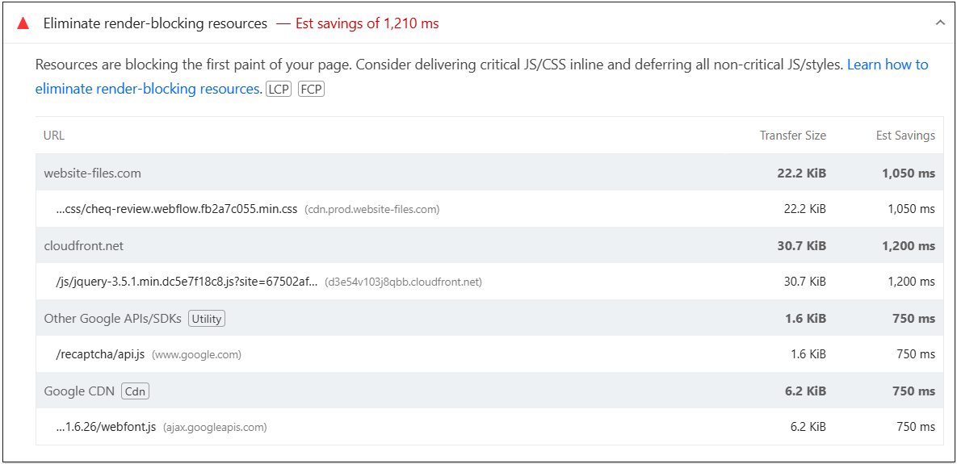
 | 0
06_Contact | Desktop | With Cache | https://pagespeed.web.dev/analysis/https-www-cheqsystems-com-contact/wlbn3hgal0?form_factor=desktop
 |  | Without Cache | https://pagespeed.web.dev/analysis/https-www-cheqsystems-com-contact/rrq3bnpmzm?form_factor=desktop
 | Mobile | With Cache | https://pagespeed.web.dev/analysis/https-www-cheqsystems-com-contact/wlbn3hgal0?form_factor=mobile
 |  | Without Cache | https://pagespeed.web.dev/analysis/https-www-cheqsystems-com-contact/rrq3bnpmzm?form_factor=mobile

Best Insight
URL: | https://pagespeed.web.dev/analysis/https-www-cheqsystems-com-contact/wlbn3hgal0?form_factor=desktop
Diagnostic: | Defer offscreen images
Recommendation: | Learn how to defer offscreen images

Worst Insight
URL: | https://pagespeed.web.dev/analysis/https-www-cheqsystems-com-contact/wlbn3hgal0?form_factor=mobile
Diagnostic: | Eliminate render-blocking resources - Est savings of 1,210 ms
Recommendation: | Learn how to eliminate render-blocking resources

07_Privacy
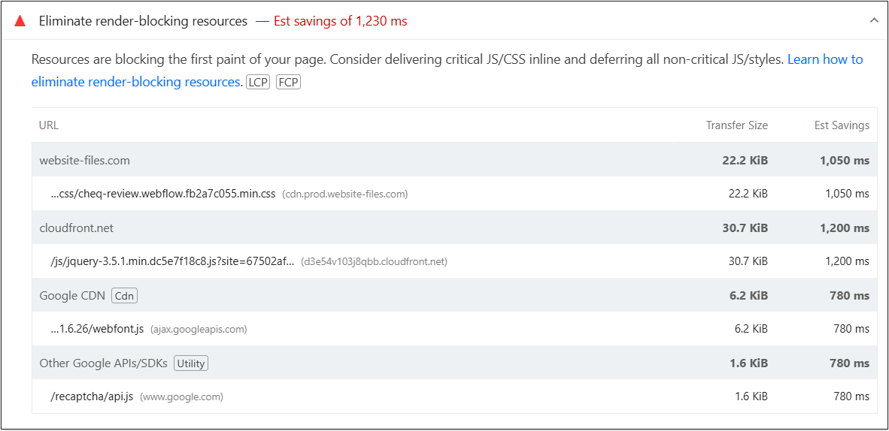
 | 0
07_Privacy | Desktop | With Cache | https://pagespeed.web.dev/analysis/https-www-cheqsystems-com-privacy-policy/cekrpoy11i?form_factor=desktop
 |  | Without Cache | https://pagespeed.web.dev/analysis/https-www-cheqsystems-com-privacy-policy/cj4gk425r9?form_factor=desktop
 | Mobile | With Cache | https://pagespeed.web.dev/analysis/https-www-cheqsystems-com-privacy-policy/cekrpoy11i?form_factor=mobile
 |  | Without Cache | https://pagespeed.web.dev/analysis/https-www-cheqsystems-com-privacy-policy/cj4gk425r9?form_factor=mobile

Best Insight
URL: | https://pagespeed.web.dev/analysis/https-www-cheqsystems-com-privacy-policy/cekrpoy11i?form_factor=desktop
Diagnostic: | Defer offscreen images
Recommendation: | Learn how to defer offscreen images

Worst Insight
URL: | https://pagespeed.web.dev/analysis/https-www-cheqsystems-com-privacy-policy/cekrpoy11i?form_factor=mobile
Diagnostic: | Eliminate render-blocking resources - Est savings of 1,230 ms
Recommendation: | Learn how to eliminate render-blocking resources

