功能列表记录
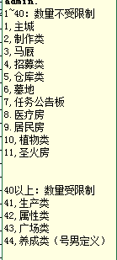
1001铁匠 |  | 主动功能 | 被动功能
0锻造 |  | 制作装备/物品 | 主城
1精炼 |  | 任务公告板 | 马厩（开地图条件）
2附魔 |  | 医疗房（减少压力） | 访客强化（时间，质量，数量）
捆绑到家具和套装 |  | 入住（增加指定伙伴能力） | 扩大仓库（增加容量）
 |  | 圣火（开区域） | 植物生长
主城 | 1 | 生产资源 | 所有伙伴属性
制作 | 2 | 治疗怪癖 | 广场装饰（算功能吗）
马厩 | 3 |  | 养成类（算功能吗）
招募 | 4
资源/物品/冒险者存量 | 5
墓地 | 6
公告板任务 | 7
减压 | 8
入住 | 9
植物生长 | 10
开区域 | 11

（数量受限制，可拆除）
生产类 | 41
属性类 | 42
广场类 | 43
养成类挂载 | 44

