Forms & Suggestions
Forms
1 | Proforma Management |  |  |  |  |  |  | 1 | Portal Video
2 | Invoice |  |  |  |  |  |  | 2 | PPT Prepare
3 | Client of Exporter-Importer login
4 | Webpage : How to get Export Orders
5 | Ensure user friendly Export-Import & FF Flow
6 | Export Status Report
7 | Import Status Report
8 | FF Status Report
9 | Detail Flow2 to be added in website

Suggestions: |  | 19-May-20

 | Login window, should be there after opening the website
 | Please send us Admin login to check Invoice & Profoma Invoice format
 | Regarding Labels: 'at', 'of' like this words should be in small letters.

 | Export Process
1 | Request for Freight Comparative
 |  | After awarded the shipment, it should go to Shipment Booking & Tracking or there has to be filter system
2 | Shipment Booking & Tracking
 |  | After completing the process, it should get removed or there has to be filter system

3 | We discussed that Delivery Completed; Please refer RFC 16 of Someshwar -Exporter-Importer and note that here deliver completed but FF payment not done then our transcation should be opend status report. Need your views on it.
 | Here, one column need to be there i.e. for Material - Delivered or in process; Status Column- Should show total transcation 'Completed' in process
 | Pending Statutory Compliance & Pending Material Delivery email shall be sent on Weekly or day to day basis depend upon need of clients.

4 | Comparative- Other charges- Please look after its asthetic view

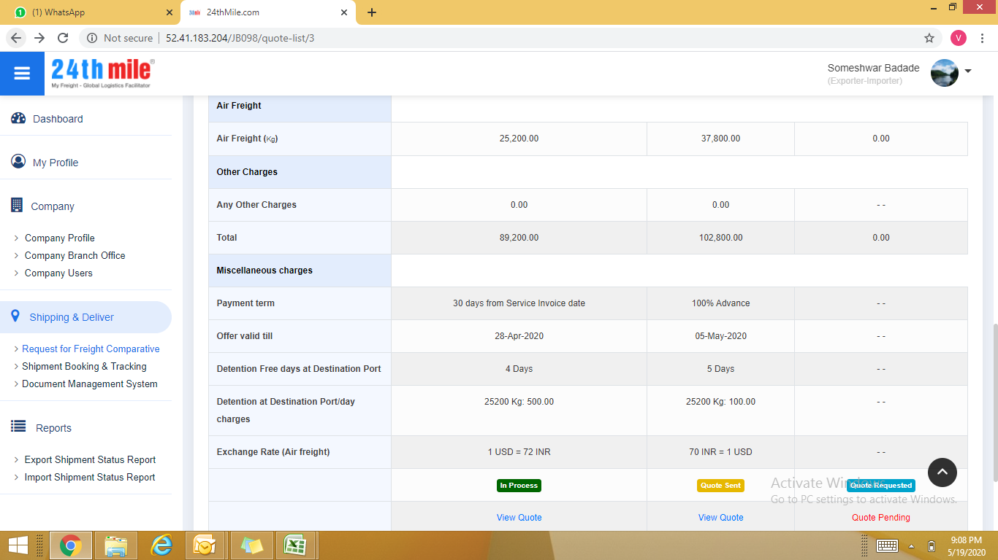
 | Import Process:
1 | Comparative of import
 | mentioned INR 72 = 1 USD instead of 1 USD = INR 72/- |  |  |  |  | First column USD & Second INR by default
 | Also formula of Detention charges at Destination Port, please check Comparataive attached.

2 | Suppose, if we want to give reminder through system who has not replied us against Freight Request. Is there any procedure or any auto reply system is there?
 | Chronj-up - 3.30am; FF- 1. RFC reply. 2. Acceptance reply after Award- 24HRS; Exporter-Importer: System reminders 72hrs once; Export-Import Status Report- Frequency Monthly
3 | Import Status Report to be updated; Please refer our file name- Software Import form 260320
 | DBK & MEIS is not part of Import; Clearance under which Scheme or Free Bill of Entry
 |  |  |  | Advance Authorization
 |  |  |  | Export Promotion Capital Goods
 |  |  |  | Free Bill of Entry
 |  |  |  | or any other Scheme

Admin Panel: |  | 20-May-20

1 | Dashboar: Need to update
2 | Invoice | 24thmile logo top left
 |  | THANK YOU FOR YOUR BUSINESS!
 | This line to be added in bottom this Invoice before Footer
 | Please remove space
 | Bottom line address should be right bottom side.
 | Please also add |  | IFSC: HDFC0000900; IBAN: HDFCINBB

4 | Please check MIS, USER Management and other option and ensure that it will ba activated

Date |  | 20-May-2020
ID No. |  | 45
Adhik Rangoli Exim Pvt. Ltd.
Import Shipment Status: |  |  | Period From 01-Jan-2020 to 20-May-2020
 |  |  |  |  |  |  |  | Importer Under any Incentive Scheme |  |  | Foreign Trade Policy Compliance, if any
RFC ID | Mode | D.Term | Shipment | RFC Date | Consignor | Shipment Value | Invoice Value in (INR) | DBK in (INR) | DBK Payment Status | MEIS Incentive | MEIS Payment | FF Name | FF Invoice Value | FF Payment Status | Status
21 | Sea | EXW | FCL | 19-May-2020 | TAJ FROZZEN FOODS | INR 78,000 | 0 | 0 | Pending | 0 | Pending | Somesh badade | 0 | Pending | In Process
20 | Sea | DDP | FCL | 19-May-2020 | TAJ FROZZEN FOODS | INR 78,000 | 0 | 0 | Pending | 0 | Pending | Somesh badade | 0 | Pending | In Process
4 | Air | EXW | LCL | 20-Apr-2020 | TAJ FROZZEN FOODS | INR 78,000 | 0 | 0 | Pending | 0 | Pending |  | 0 | Pending | New
3 | Air | FOB | LCL | 20-Apr-2020 | TAJ FROZZEN FOODS | INR 78,000 | 0 | 0 | Pending | 0 | Pending | Mahesh Parhe | 0 | Pending | In Process

 |  |  |  |  |  |  |  | drop down |  |  | drop down
 |  |  |  |  |  |  |  | Advance Authorization |  |  | Done
 |  |  |  |  |  |  |  | Export Promotion Capital Goods |  |  | Pending
 |  |  |  |  |  |  |  | Free Bill of Entry
 |  |  |  |  |  |  |  | or any other Scheme |  |  | It will be instead of DBK & MEIS
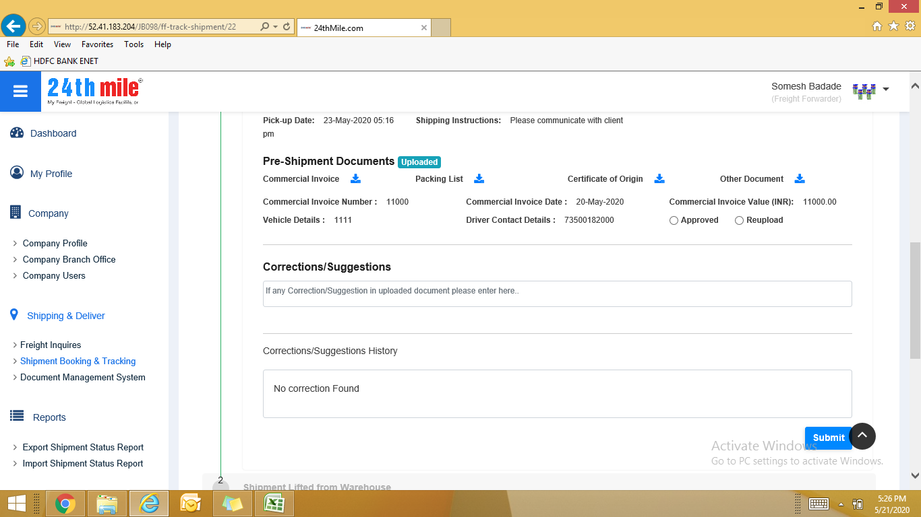

Import Process |  | 21-May-20

1 | RFC- Origin charges- Remove Fumigation charges |  |  |  |  | Only for Import Process
2 | After sending quote- total value is unable to view at the time of submit to FF. Later on it can be viewed by FF.
3 | Vechile details & Driver Contact details should be at FF scope after sending Pre-Shipment documents; Along with Driver/Transporter; Mention Transport Contact details
4 | After sending Pre-Shipment documents; For FF side approved should be easily viewable. We need to put it in separate line/row and second Correct required; Note: Kindly approved or Suggest changes through System Communication
5 | Label- Bill of Lading instead of Bill No and Bill of Lading Number instead of Bill Number; BL/AWB Number, BL/AWB Date
6 | Bill of Lading Number & Bill of Lading Date; This should be sequence.
7 | Bill of Entry draft approval process; Approved icon should be in new line
8 | Please mention Bill of Entry - 'Correction required' instead of 'Reuload.
9 | All details of Bill of Entry to be also updated if there is correction required after finalization of Bill of Entry; It should be like Shipping Bill Process. Please check
10 | Service to Freight Forwarder:Deliver Completed Columen mention Shipment Delivery Completed date instead of Deliver date; Sequence; 1. FF Invoice No.2. Date and 3. Amount; Also mention Shipment Deliver date instead of Deliver date
11 | FF Invoice ; Approved icon should be in new line
12 | Please mention FF Invoice - 'Correction required' instead of 'Reuload. Mentioned point 11
13 | Instead of Foreign Trade Policy Compliance if any; Please mention Closed Advance License/EPCG or other license if any
14 | Import Status Report of Exporter-Importer; please note that marked two column in red & yellow are blank
 | It should be- Advance Authorization & Done remark respectively
 | Commercial Invoice Value in Foreigh Exchange ; please update; It should be dynamic; remove INR word;
Date |  | 21-May-2020
ID No. |  | 45
Adhik Rangoli Exim Pvt. Ltd.
Import Shipment Status: |  |  | Period From 01-May-2020 to 21-May-2020

RFC ID | Mode | D.Term | Shipment | RFC Date | Shipment Value | Invoice Value in (INR) | Consignor | Importer Under any Incentive Scheme | Foreign Trade Policy Compliance, if any | FF Name | FF Invoice Value | FF Payment Status | Status
22 | Sea | EXW | FCL | 21-May-2020 | INR 78,000 | 45,000 | TAJ FROZZEN FOODS |  |  | Somesh badade | 45,000 | Received | Completed
21 | Sea | EXW | FCL | 19-May-2020 | INR 78,000 | 0 | TAJ FROZZEN FOODS |  |  | Somesh badade | 0 | Pending | In Process
20 | Sea | DDP | FCL | 19-May-2020 | INR 78,000 | 0 | TAJ FROZZEN FOODS |  |  | Somesh badade | 0 | Not Applicable | In Process

15 | FF- Import Status Report; it should be completed after receiving the payment

Date |  | 21-May-2020
ID No. |  | 47
Somesh badade
Import Shipment Status: |  |  | Period From 01-May-2020 to 21-May-2020

RFC ID | Mode | D.Term | Shipment | RFC Date | Consignor | Shipment Value | Invoice Value in (INR) | POL | POD | FF Invoice Value | FF Payment Status | Status
22 | Sea | EXW | FCL | 21-May-2020 | TAJ FROZZEN FOODS | INR 78,000 | 45,000 | QBP/PUNE, IN | Ratnagiri, IN | 45,000 | Received | - -
21 | Sea | EXW | FCL | 19-May-2020 | TAJ FROZZEN FOODS | INR 78,000 | 0 | QBP/PUNE, IN | Ratnagiri, IN | 0 | Pending | - -
20 | Sea | DDP | FCL | 19-May-2020 | TAJ FROZZEN FOODS | INR 78,000 | 0 | QBP/PUNE, IN | Ratnagiri, IN | 0 | Pending | - -

16 | DMS: Instead of 'Invoice_confirm; it should be FF Invoice

Admin Panel |  | 21-May-20

1 | Dashboar: | After clicking the icon, we should be able to view FF or Exporter-Importer details.
2 | We also want to Master Login id where it will have all accesss and Admin id where it will have basic approval and Invoice generation id Authority
3 | When we click on Dashboard icon it directs to 24thmile webpage. It will show data details
4 | MIS- need to be activated
5 | Invoice & Profoma Invoice: Please capture Customer GST Number and in case of Foreign Clients it will be empty
6 | User Managment- need to be activated; FF & FF Seller

 | Edit option near to Sumbit Button |  |  | Applicable to Export- Import Process
 | Communicator System, please check

 | 7. Custom cleared at Destination Port | Upload Final Custom Documents; 1. Bill of Entry Number 2. Bill of Entry Date; 3. Import Duty 4. Scheme Under |  | 6 Column- | Bill of Entry Number & Date should be there

 | Please send email of communcation of System; dated 21st May`20 through system
 | Import FF- Close 8 Number window after confirmation of Payment done from Exporter-Importer site & go to Statutory Update column to accept the payment

 |  |  |  | 8
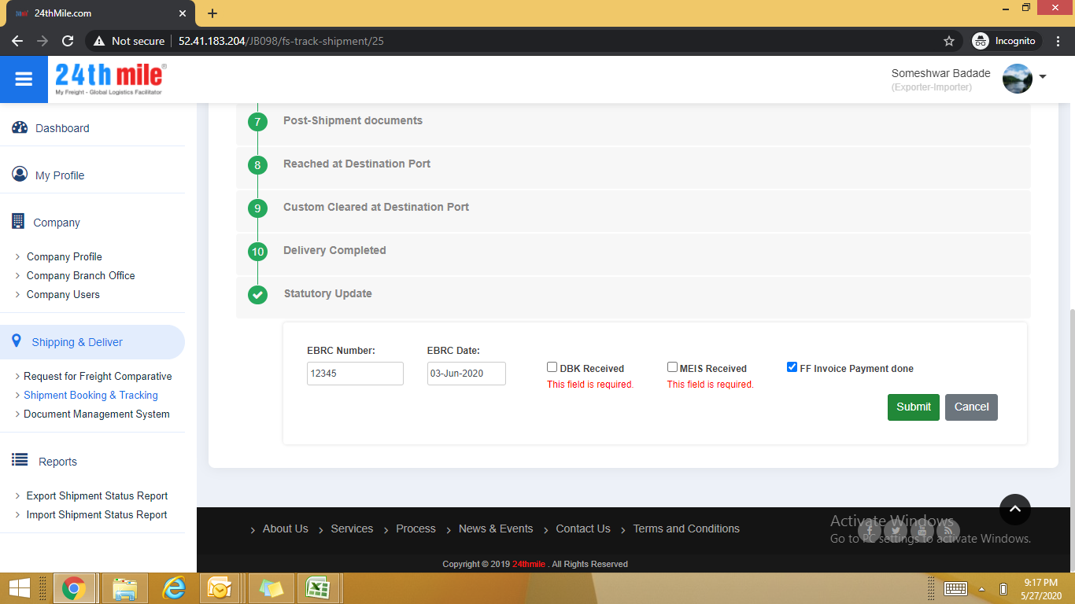
Export Process |  | 27-May-20

1 | Export Process Step - 5 -Custom cleared
 | Please mention Draft BL/AWB instead of Draft of Bill of Lading
2 | Statutory Update Step: Please note that FF Payment will be done within 30-60 days but
 | MEIS & DBK may required 4-5 months; we need to sperate all four things
3 | Statutory Update Step: FF-
 | EBRC Number: 12345 | EBRC Date: 03-Jun-2020 | DBK Received: Yes | MEIS Received: Yes

 | No need to view about data to FF. And after receiving payment his procedure has to be completed.

4 | Air Shipment - RFC; Please refer 2nd Table
 | Detention at Loading Port/day charges where 250 Kgs mentioned, we could not relate it.

5 | Export Process Step - 5 -Custom cleared while checking Export-LCL-Air Shipment
 | Please mention Draft BL/AWB instead of Draft of Bill of Lading

6 | Step 7- Final BL/AWB instead of Final Bill of Lading

7 | DMS: | Please change label and mention

 |  | Draft of Checlist for SB
 |  | Final Shipping Bill
 |  | Draft of BL/AWB
 |  | Final BL/AWB
 |  | FF Invoice
 |  | Commercial Invoice, Packing List, or respective name of Post Shipment Documetns

8 | Edit option- when it will be de-activated means we can`t edit. I think Shipment Completed?

Import | 28-May-20
1 | Destination Change Label:

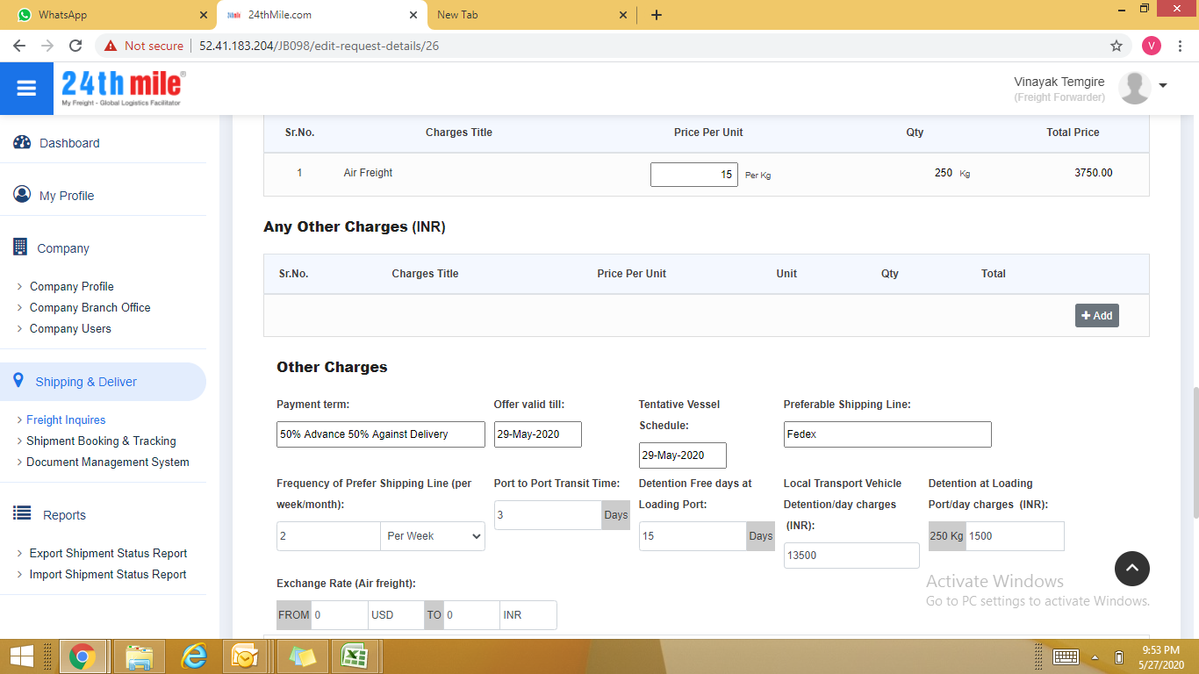
 |  |  | Suggestions
 | Deliver Charges |  | Deliver Charges- Port to Buyer`s Warehouse
 | Deliver Order Charges |  | Deliver Order (DO) Charges

 | Please change sequence- Put Deliver Charges- Port to Buyer`s Warehouse at last

2 | Edit option to RFC before getting awarded to change in any other conditions

3 | Import CIF Sea-
 | After uploading Shipping documents, it is unable to view BL to FF.
 | Please mention label BL/AWB
 | Also FF Side; Lable should Post Shipment Documents

 | Loaded on Vessel 2nd Step: Remove Select Final BL/AWB; All other details will be filled FF. (It is already there)
 | Because final BL/AWB uploaded by Exporter-Importer

 | Step: 3 Reached at Destination Port
 |  | Please add one more type of Bill of Entry i.e.
 |  |  | Bill of Entry for Home Consumption

 | Refer 4 Number Screen Shot and note that
 | Exporter-Importer is unable to view
 | Bill of Entry all details

 | Final Custom Documents/ BOE:
 | Label Sequene should be
 | BOE No |  | BOE Date |  | then | Duty Amount

 | Deliver Completed Step
 | Please mention Invoice No and Date then Amount Sequence

 | Statutory Update-Exporter-Importer Side
 | Need to separate as two things are different
 | FF Payment done and
 | Closed Advance License and EPCG if anyy
 | Please correct spelling of 'any'

 | Statutory Update-FF Side
 | Payment Received Confirmation need to udpate

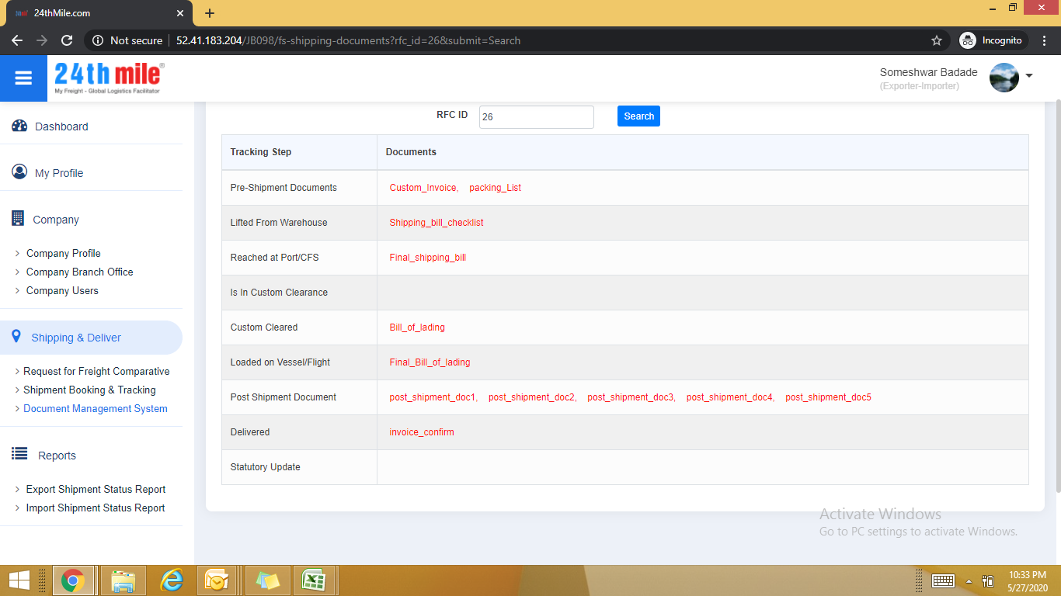
 | Import Status Report format details given at last. Please update it accordingly
 |  |  |  |  |  |  |  |  |  |  |  | 3 documents

 |  |  |  |  |  |  |  |  |  |  |  | 4
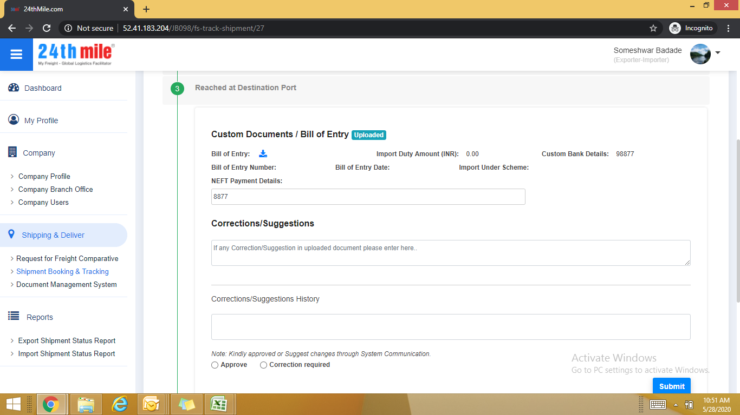

Sr. No. | RFC No | Deliver Term | Shipment Type | Comm Inv | Comm Inv Date | Shipment Value | Curr | Importer Under any Incentive Scheme | Consignor | FF Name | FF Invoice Value | FF Payment Status | Policy Compliance | Shipment Status
1 |  |  | LCL/FCL/Courier | 214/17-18 | 20-Mar-18 |  | EURO |  | Protarget AG, Germany
2 |  |  |  | 219/17-18 | 31-Mar-18 |  | EURO |  | Alfa Laval, Poland
3 |  |  |  | 223/17-18 | 31-Mar-18 |  | EURO |  | Alfa Laval, Poland
4 |  |  |  | 228/17-18 | 31-Mar-18 |  | EURO |  | Alfa Laval, Poland
5 |  |  |  | 234/17-18 | 31-Mar-18 |  | EURO |  | Alfa Laval, Poland
6 |  |  |  | 238/17-18 | 31-Mar-18 |  | EURO |  | Alfa Laval, Poland
7 |  |  |  | 240/17-18 | 31-Mar-18 |  | EURO |  | Alfa Laval, Poland

