Sheet2
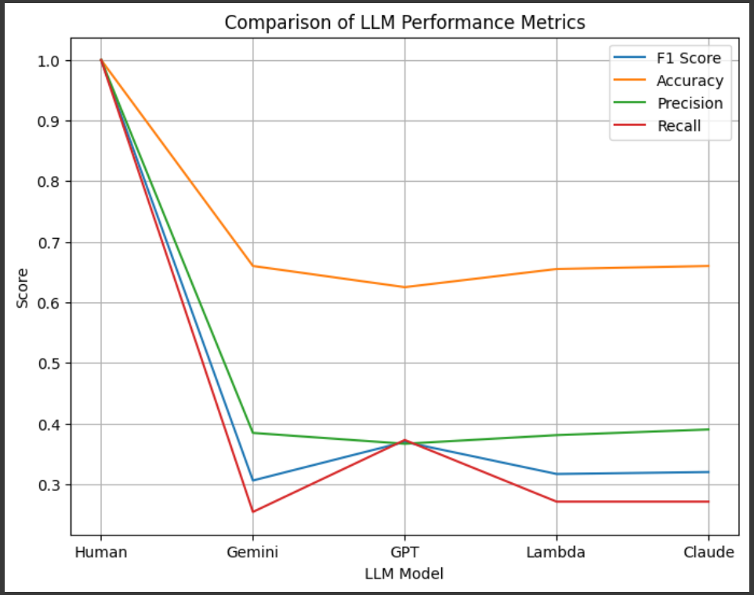
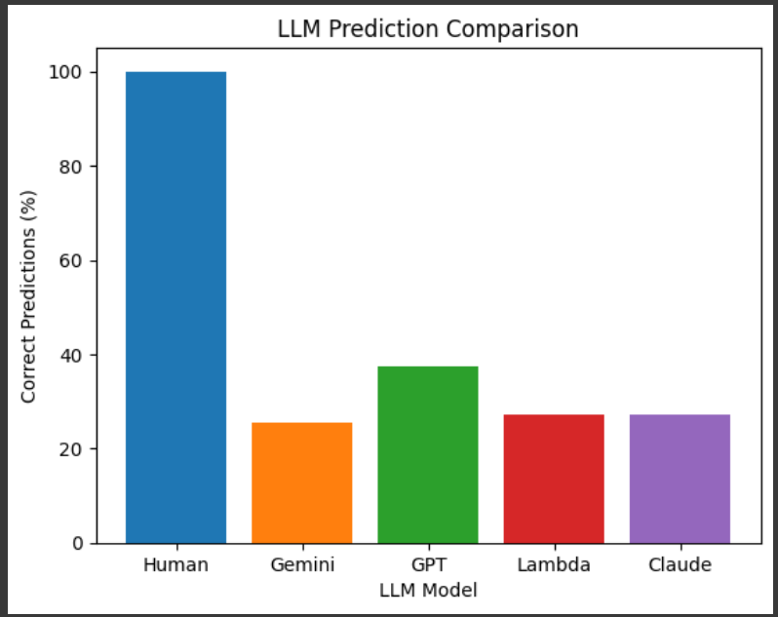
 | Self | Predicted Positive | Predicted Negative | F1-Score: | 1 | Accuracy: | 1 | Average Reading Ease: | 41.54
Self | True Positive | 59 | 0 | Precision: | 1 |  |  | Dataset Size: | 200
 | True Negatvie | 0 | 141 | Recall: | 1 |  |  | Average word count: | 26.86

 | Gemini | Predicted Positive | Predicted Negative | F1-Score: | 0.30612244898 | Accuracy: | 0.66 | Change Lambda to LLama
Gemini | True Positive | 15 | 44 | Precision: | 0.38461538462
 | True Negatvie | 24 | 117 | Recall: | 0.25423728814

 | GPT | Predicted Positive | Predicted Negative | F1-Score: | 0.36974789916 | Accuracy: | 0.625 | 0.31
GPT | True Positive | 22 | 37 | Precision: | 0.36666666667 |  |  | 0.36*84
 | True Negatvie | 38 | 103 | Recall: | 0.37288135593

 | Llama | Predicted Positive | Predicted Negative | F1-Score: | 0.31683168317 | Accuracy: | 0.655
Lambda | True Positive | 16 | 43 | Precision: | 0.38095238095
 | True Negatvie | 26 | 115 | Recall: | 0.27118644068

 | Claude | Predicted Positive | Predicted Negative | F1-Score: | 0.32 | Accuracy: | 0.66
Claude | True Positive | 16 | 43 | Precision: | 0.39024390244
 | True Negatvie | 25 | 116 | Recall: | 0.27118644068

